Domain Controllers
ACTIVE DIRECTORY SECURITY ASSESSMENT
Sr No | Logs/Backups Captured | Description
1 | Hardening settings for Domain Controllers | Every DC has by default the ''Default Domain Controllers Policy'' in place, but this GPO creates different escalation paths to Domain Admin if you have any members in Backup Operators or Server Operators for example. They can become Domain Admin. Start with replacing the ''Default Domain Controllers Policy'' and replace it with a new GPO that is more security focused.
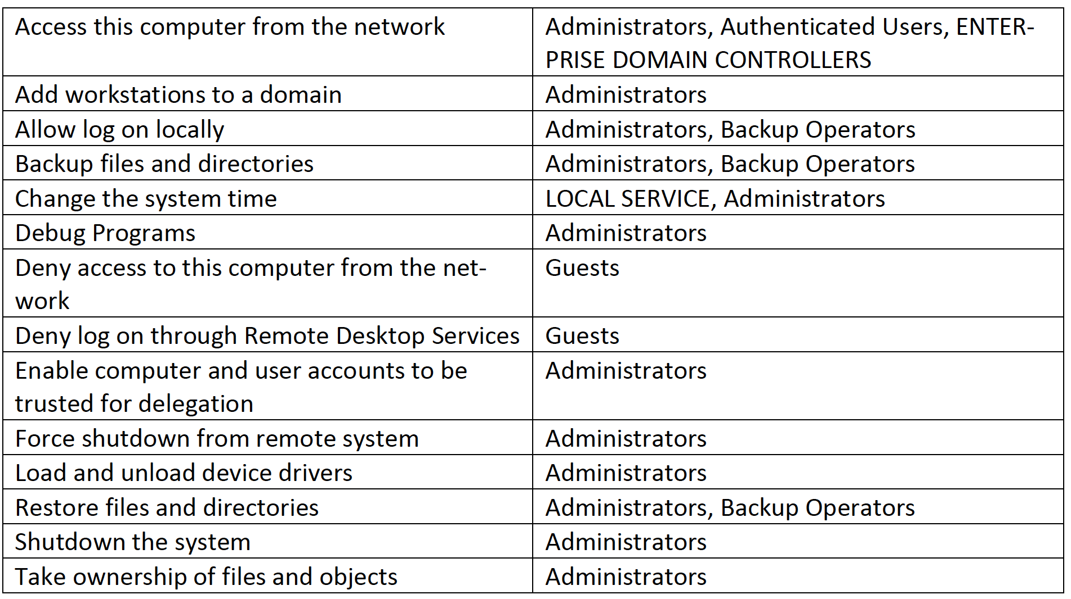

2 | Disabling unnecessary services on Domain Controller | Disable unnecessary services to improve the performance of a DC. There is even a service enabled by default on a DC that can be used in an escalation path to compromise Active Directory.

3 | Auditing the last backup of the Domain Controllers | Most organizations do not perform periodically audits to see if back-ups are really in place and stored securely.
4 | Restore backup of DC | A restore plan needs to be in the place to restore Active Directory when it is down so that business can go on as normal. DSRM or known as Directory Services Restore Mode is the break-glass account for Domain Controllers. This account should be used in disaster recovery scenarios. Credentials of DSRM needs to be stored securely and only being access able for the right people. Offline back-ups of AD/DC should always be up and running, so you can restore them ASAP.
5 | Rotating the password of KRBTGT account | KRBTGT is the security principal for the KDC. The KDC encrypts a user's TGT with the key it derives from the password of the KRBTGT account. In other words. KDC encrypts a user's TGT with the NT hash of the KRBTGT account. Best practice is to reset the password twice of the KRBTGT account every half year
6 | Rotate the password of the DSRM account | You have to define a password for the account, when you are promoting a member server to a DC. DSRM is like the ''Local Administrator'' on a DC. Password of the DSRM account is rarely changed, and it is a best practice to ro-tate this password. It needs to be stored securely as well with limiting access to the password. Something like a Password Manager. Monitor event log ''4794'' as it notifies, when someone is resetting the password of the DSRM account.
7 | Improve auditing rules | Default auditing policies of the Domain Controller is not enough. It gives limited visibility in changes that are made. Windows Security Baseline has solid advice for configuring audit policies of DC's.

PKI
ACTIVE DIRECTORY SECURITY ASSESSMENT
Sr No | Logs/Backups Captured | Description
1 | Enable Auditing Rules on PKI | PKI is a critical component for an organization, which means that it needs to be secure at a high-level. An important aspect is to enable auditing rules to collect visibility.
2 | Monitor relevant PKI event logs | A risk assessment needs to be done on PKI first to understand if it is worth to monitor PKI.
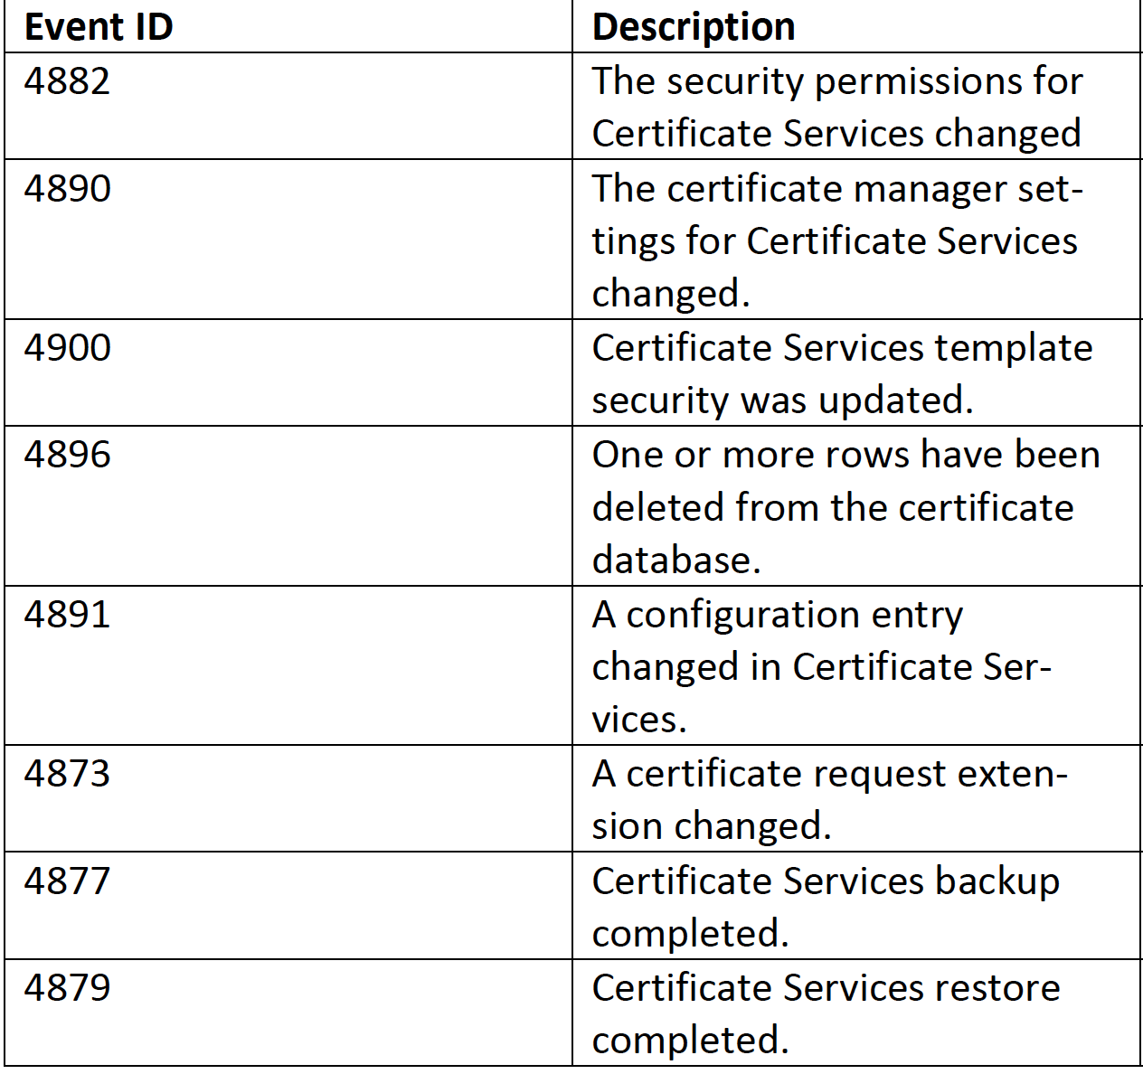

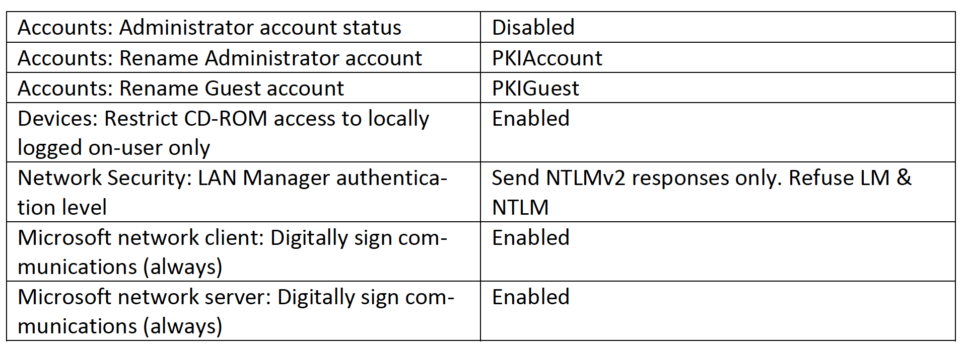
3 | Hardening settings for PKI | Create a GPO with the following security settings that needs to be applied on the PKI servers

