AddDomain
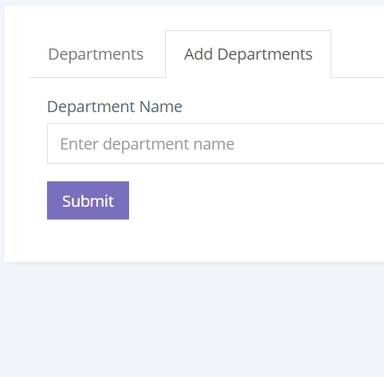

Add Domain Details

Domain | Embedded
Service
Skill

