Sheet1
Exam ID | Type | Question Type | Question | Option1 | Option2 | Option3 | Option4 | Answer | Image
EX_850029 | ML | H | How many bits 8051 microcontroller handle for data? | 16 bit | 8 bit | 32 bit | 64 bit | yynn
EX_850029 | MC | MI | Which of the following is an immediate subclass of the Panel class? | Ctrl +1 | Ctrl +2 | Ctrl +3 | Ctrl +5 | option4
EX_850029 | MC | H | What do you mean by nameless objects? | Spacing | Gutter | Indention | Alignment | option3 | 
EX_850029 | ML | M | Which are OO languages | C++ | Java | C | fortan | yynn | 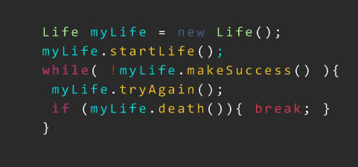
EX_850029 | MC | M | Write the output for the PHP code | 4 | 5 | 6 | 7 | option2 | 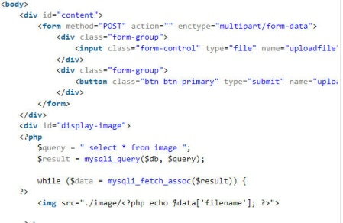
EX_850029 | MC | MI | Provide output for the following Java Code | 7 | H | I | I | option1
EX_850029 | MC | H | Today is ? | Sun | Mon | Tue | Wed | option2
EX_850029 | MC | HI | Tommorow is ? | Sun | Mon | Tue | Wed | option3
EX_850029 | FB | H | Capital of India---- captial of TN---(Give Space for each answer) |  | u | ii | i | Delhi Chennai
EX_850029 | FB | H | Capital of Nepal ---- |  |  |  |  | Katmandu | 