Sheet1
 | SUBJECTNOUNPHRASE |  |  | VERB PHRASE |  | OBJECTNOUNPHRASE
Sr.No | Snoun |  | Adjectivephrase | AUX VERB | verb | prep | article | adjectivephrase | onoun | Adverb Phrase
1 | Mary |  |  |  | opened |  | a |  | box
2 | Mary |  |  |  | opened |  | a |  | box | carefully.
3 | Mary |  |  |  | opened |  | a |  | box | extremely | carefully
4 | Mrs. Mary |  |  |  | opened |  | a |  | box | extremely | carefully
5 | Mrs. Mary |  | a silly old woman |  | opened |  | a |  | box | extremely | carefully
6 | Mrs. Mary |  | a silly old woman | had | opened |  | a | huge metal | box | extremely | carefully
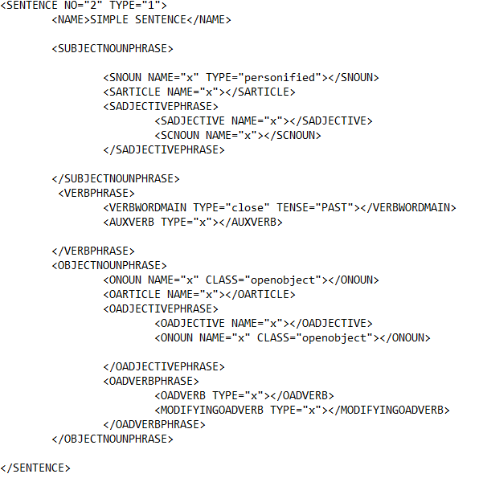
7 | Mrs. Mary |  | a silly old woman |  | lived | in | a | small | town
8 | Mrs. Mary |  | a silly old woman |  | played | with | a | small red | ball
9 | Mrs. Mary |  | a silly old woman |  | looked | for | a | blue | pen
1 | James | a
2 | John | a
3 | Alice | a
4 | Mary | a

