mysql datatypes
 | MySQL data types | DESCRIPTION | SYNTAX | EXAMPLE

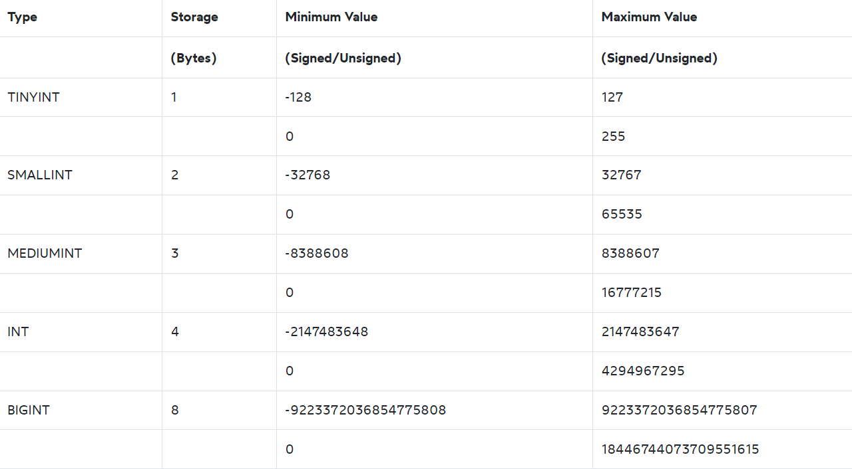
1 | BIT | The BIT data type that allows you to store bit values, which are 0 and 1. | column_name BIT(n) | CREATE TABLE working_calendars( year INT, week INT, days BIT(7), PRIMARY KEY(year,week) ); | The values in the column days indicate whether the day is a working day or day off i.e., 1: working day and 0: day off.
2 | INT | In MySQL, INT stands for the integer that represents the whole numbers. An integer can be written without a fractional component such as 1, 100, 4, -10, and it cannot be 1.2, 5/3, etc. An integer can be zero, positive, and negative. MySQL supports all standard SQL integer types INTEGER or INT and SMALLINT. Additionally, MySQL provides TINYINT MEDIUMINT, and BIGINT as extensions to the SQL standard. | column_name INT | CREATE TABLE items ( item_id INT AUTO_INCREMENT PRIMARY KEY, item_text VARCHAR(255) );
3 | BOOLEAN | MySQL does not have a dedicated Boolean data type. Instead, MySQL uses TINYINT(1) to represent the BOOLEAN data type. To make it more convenient when defining BOOLEAN column, MySQL offers BOOLEAN or BOOL as the synonym for TINYINT(1). | column_name TINYINT(1) or column_name BOOL | CREATE TABLE tasks ( id INT AUTO_INCREMENT PRIMARY KEY, title VARCHAR(255) NOT NULL, completed BOOLEAN ); | INSERT INTO tasks(title, completed) VALUES ('Master MySQL Boolean type', true), ('Design database table', false);
4 | DECIMAL | The MySQL DECIMAL data type allows you to store exact numeric values in the database. In practice, you often use the DECIMAL data type for columns that preserve exact precision e.g., monetary data in financial systems. | column_name DECIMAL(P,D); | CREATE TABLE materials ( id INT AUTO_INCREMENT PRIMARY KEY, description VARCHAR(255) NOT NULL, cost DECIMAL(19,4) NOT NULL );
5 | CHAR | The CHAR data type is a fixed-length character type in MySQL. You often declare the CHAR type with a length that specifies the maximum number of characters that you want to store. For example, CHAR(20) can hold up to 20 characters. | column_name char; | CREATE TABLE mysql_char_test ( status CHAR(3) );
6 | VARCHAR | MySQL VARCHAR is the variable-length string whose length can be up to 65,535. MySQL stores a VARCHAR value as a 1-byte or 2-byte length prefix plus actual data. | column_name varchar; | CREATE TABLE IF NOT EXISTS varchar_test ( s1 VARCHAR(32765) NOT NULL, s2 VARCHAR(32766) NOT NULL ) CHARACTER SET 'latin1' COLLATE LATIN1_DANISH_CI;
7 | TEXT | Besides CHAR and VARCHAR character types, MySQL supports the TEXT type that provides more features. The TEXT is useful for storing long-form text strings that can take from 1 byte to 4GB. In practice, you often use the TEXT data type for storing articles in news sites, and product descriptions in e-commerce sites. |  | CREATE TABLE events( id INT AUTO_INCREMENT PRIMARY KEY, event_name VARCHAR(255) NOT NULL, started_at DATETIME NOT NULL DEFAULT CURRENT_TIMESTAMP ); | MySQL provides four TEXT types: TINYTEXT TEXT MEDIUMTEXT LONGTEXT | INSERT INTO events(event_name) VALUES('Connected to MySQL Server');
8 | DATETIME | MySQL DATETIME data type allows you to store a value that contains both date and time. | 'YYYY-MM-DD HH:MM:SS' | CREATE TABLE events( id INT AUTO_INCREMENT PRIMARY KEY, event_name VARCHAR(255) NOT NULL, started_at DATETIME NOT NULL DEFAULT CURRENT_TIMESTAMP ); INSERT INTO events(event_name) VALUES('Connected to MySQL Server'); SELECT * FROM events;
9 | TIMESTAMP | The MySQL TIMESTAMP is a temporal data type that holds the combination of date and time. The format of a TIMESTAMP is YYYY-MM-DD HH:MM:SS which is fixed at 19 characters.
10 | DATE
11 | TIME
12 | BINARY
13 | VARBINARY
14 | BLOB
15 | ENUM
16 | JSON

 |  | CREATE TABLE example_table (
 |  | bit_col BIT(1),
 |  | int_col INT,
 |  | boolean_col BOOLEAN,
 |  | decimal_col DECIMAL(10, 2),
 |  | char_col CHAR(10),
 |  | varchar_col VARCHAR(255),
 |  | text_col TEXT,
 |  | datetime_col DATETIME,
 |  | timestamp_col TIMESTAMP DEFAULT CURRENT_TIMESTAMP,
 |  | date_col DATE,
 |  | time_col TIME
 |  | );

 |  | INSERT INTO example_table (
 |  | bit_col, int_col, boolean_col, decimal_col, char_col, varchar_col, text_col, datetime_col, date_col, time_col
 |  | ) VALUES (
 |  | b'1',
 |  | 123,
 |  | TRUE,
 |  | 12345.67,
 |  | 'charvalue',
 |  | 'varchar value',
 |  | 'This is a text column.',
 |  | '2024-06-30 12:34:56',
 |  | '2024-06-30',
 |  | '12:34:56'
 |  | );

