Shipment-ByCell per week
Week Of | CHUCKER | MILL | SHORTRN | SOD/GEN | SWISS | TWIN | VALVE | WEEKLY ACTUAL TOTAL | SCHEDULED WEEKLY SALES | WEEKLY FORECAST | MONTH TO DATE SALES | SALES GOAL MONTHLY
11/09-11/13 | $25,542.95 | $48,656.34 | $5,328.13 | $20,154.48 | $6,895.00 | $28,254.00 | $27,716.07 | $162,546.97 | $290,461.41 | $250,000.00 | $443,684.25 | $1,000,000.00

RawData_UnfinishBill
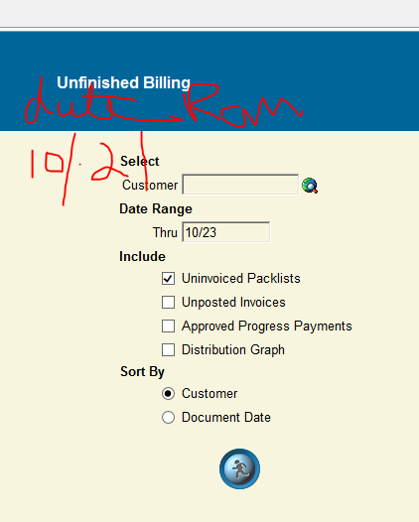
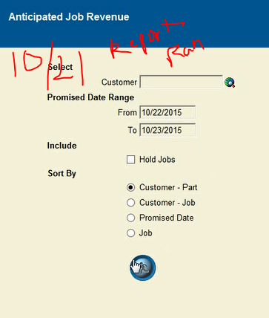
Packlist | Job | Invoiced | Unit_Price | Quantity | Promised_Qty | Due_Date | Packlist_Date | Last_Updated | Column1 | FC Total
88448 | 78045TW | 0 | 14.52 | 200 | 200 |  | 11/13/15 | 11/12/15 | $2,904.00 | $11,284.34
88449 | 78123TW | 0 | 19.2 | 100 | 100 |  | 11/13/15 | 11/12/15 | $1,920.00
88450 | 77880M | 0 | 12.63 | 70 | 70 |  | 11/12/15 | 11/12/15 | $884.10
88451 | 78128TW | 0 | 18.88 | 48 | 48 |  | 11/13/15 | 11/12/15 | $906.24
88452 | 76779SR | 0 | 23.35 | 200 | 200 |  | 11/12/15 | 11/12/15 | $4,670.00
 |  |  |  |  |  |  |  |  | $11,284.34

