RawData_UnfinishBill
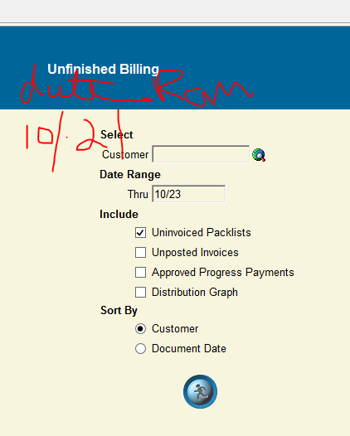
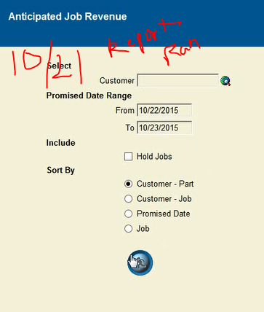
Packlist | Job | Invoiced | Unit_Price | Quantity | Promised_Qty | Due_Date | Packlist_Date | Last_Updated | Column1 | FC Total
88448 | 78045TW | 0 | 14.52 | 200 | 200 |  | 11/13/15 | 11/12/15 | $2,904.00 | $11,284.34
88449 | 78123TW | 0 | 19.2 | 100 | 100 |  | 11/13/15 | 11/12/15 | $1,920.00
88450 | 77880M | 0 | 12.63 | 70 | 70 |  | 11/12/15 | 11/12/15 | $884.10
88451 | 78128TW | 0 | 18.88 | 48 | 48 |  | 11/13/15 | 11/12/15 | $906.24
88452 | 76779SR | 0 | 23.35 | 200 | 200 |  | 11/12/15 | 11/12/15 | $4,670.00
 |  |  |  |  |  |  |  |  | $11,284.34

