Residential
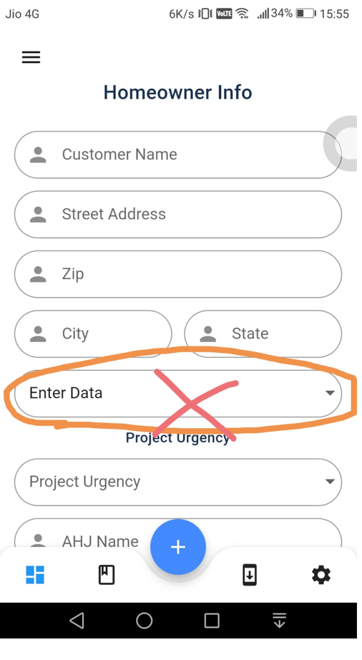
Web | App
 | EnterData
 | There is addition field in residential category(Select Project Data)EnterData, Upload Data

 | Need to add (Structural Inforamation) based on check box selection

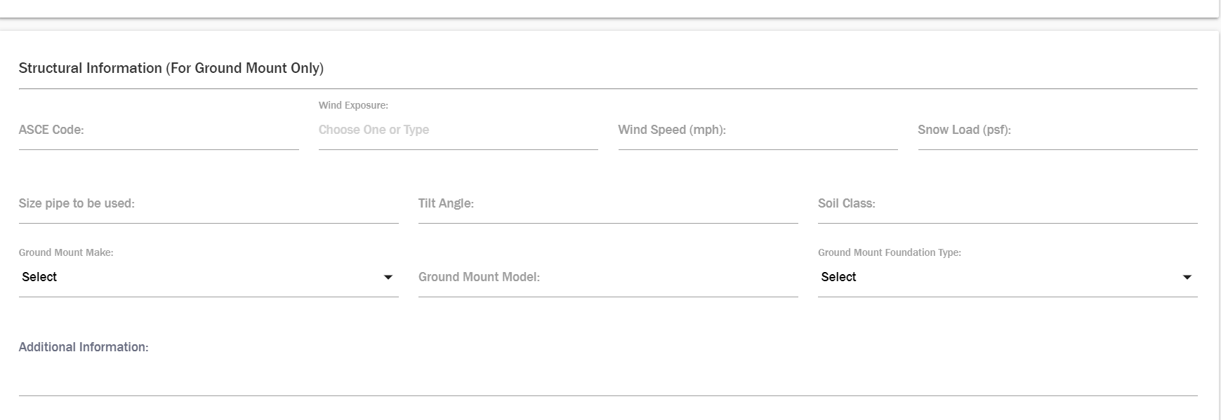
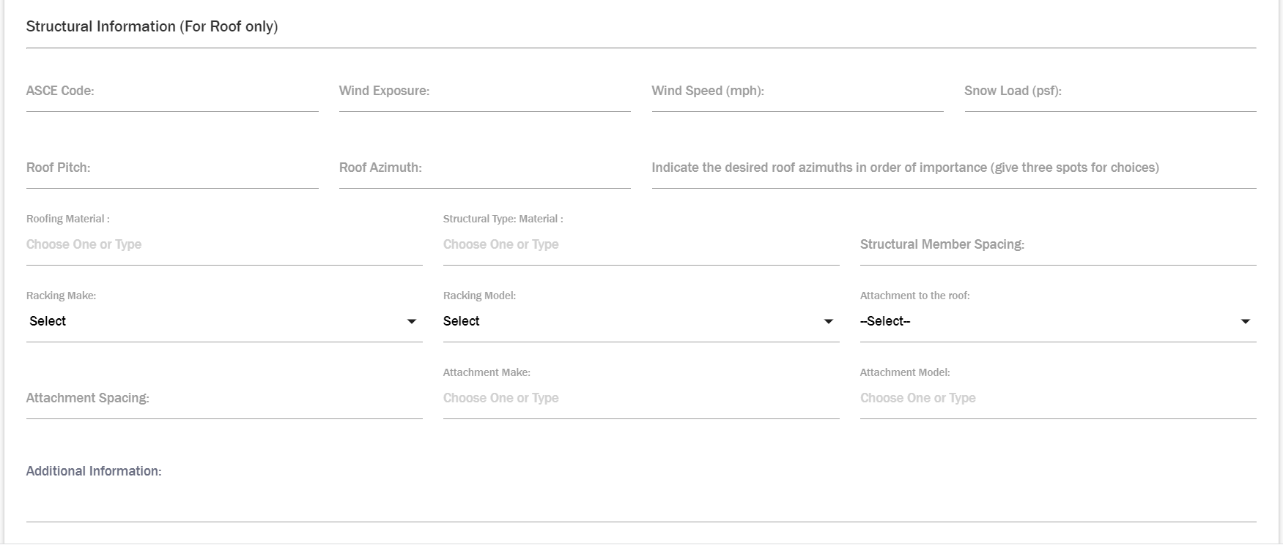

 | Upload Data

 | There is addition field in residential category(Select Project Data)EnterData, Upload Data

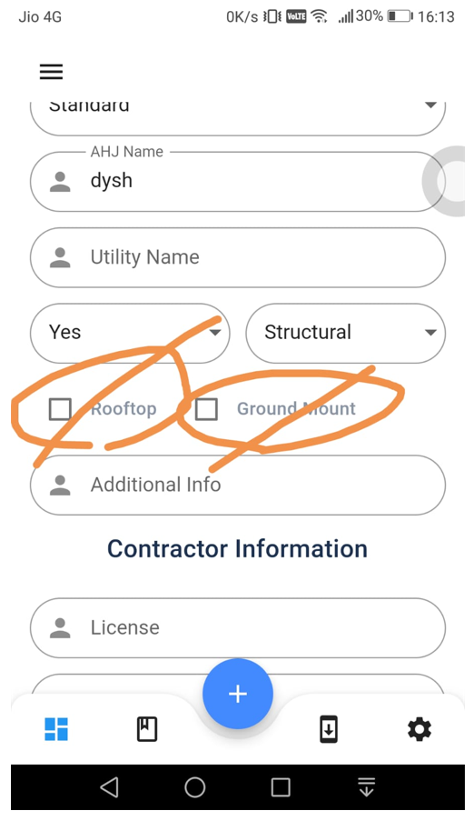
 | Remove Contractor Informatin, Equipment List,Elecrical Information
 | Remove Rooftop and Grounf Mount Check box

