Sheet1
Experiment # | Features | Layers | Window Size/Lookback | Optimizer | Loss function | Actual vs Predicted prices | Overall metrics
1 | transaction counts and amnts to/from top exchanges,'TransactionFees','AddressCount','EthereumGTrends', 'GasUsed', 'TweetCount' | model = Sequential() model.add(LSTM( 20, activation='relu', return_sequences=True)) model.add(LSTM(10, activation='relu')) model.add(Activation('softmax')) model.add(Dense(1)) | 7 | adam | MSE | 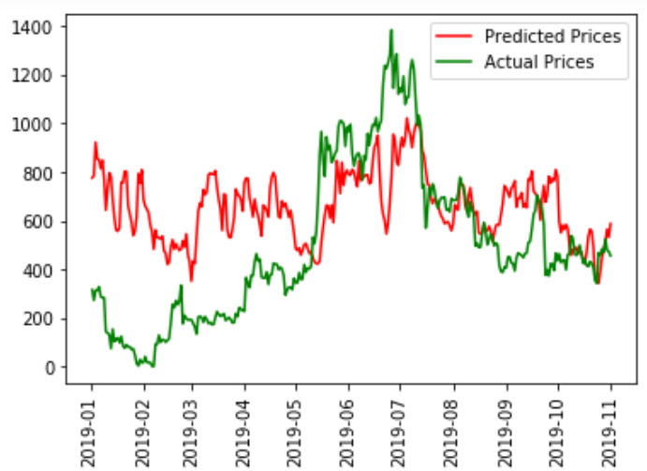 | 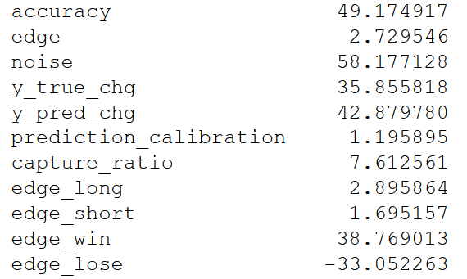
2 | transaction counts and amnts to/from top exchanges, | model = Sequential() model.add(LSTM( 20, activation='relu', return_sequences=True)) model.add(LSTM(10, activation='relu')) model.add(Activation('softmax')) model.add(Dense(1)) | 7 | adam | MSE | 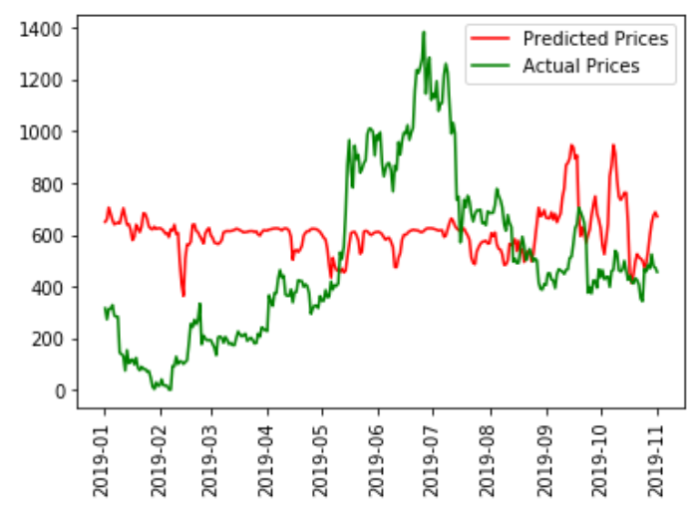
3 | transaction counts and amnts to/from top exchanges,'TransactionFees','AddressCount','EthereumGTrends', 'GasUsed', 'TweetCount' | model = Sequential() model.add(LSTM( 20, activation='relu', return_sequences=True)) model.add(LSTM(10, activation='relu')) model.add(Dense(1)) model.compile(optimizer='adam', loss='mse') | 7 | adam | MSE | 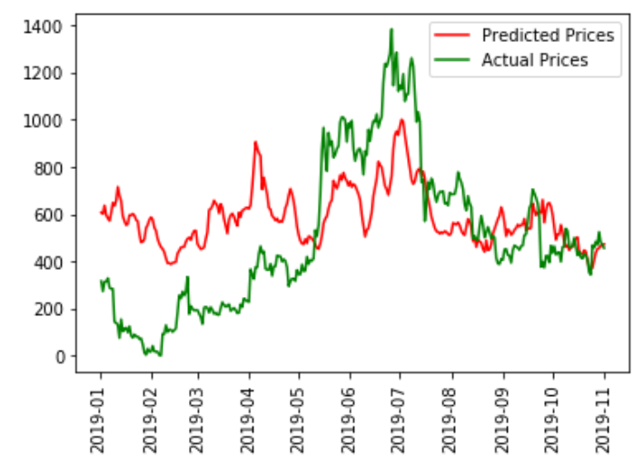 | 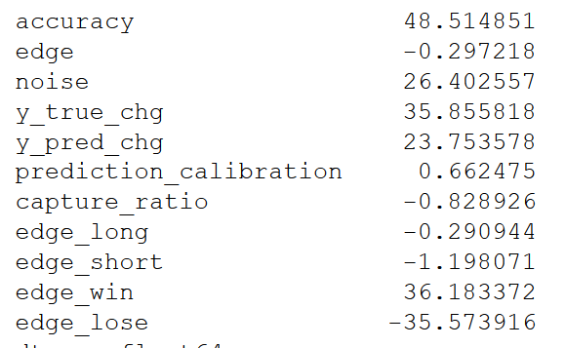
4 | transaction counts and amnts to/from top exchanges,'TransactionFees','AddressCount','EthereumGTrends', 'GasUsed', 'TweetCount' | model = Sequential() model.add(LSTM( 20, activation='relu', return_sequences=True)) model.add(LSTM(10, activation='relu')) model.add(Dense(1)) model.compile(optimizer='adam', loss='mse') | 3 | adam | MSE | 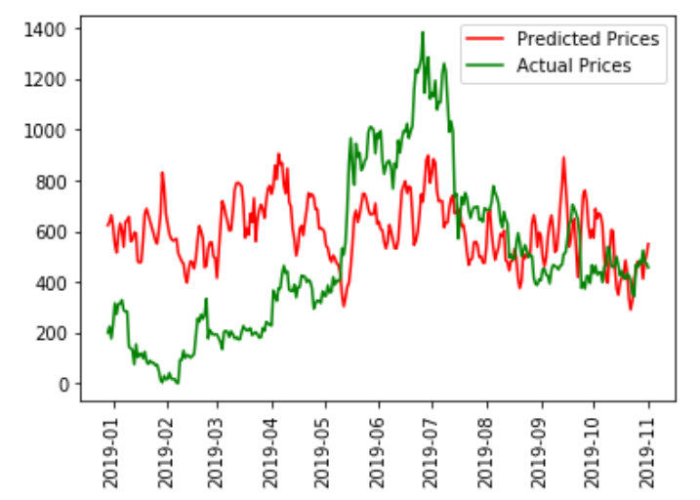
5 | transaction counts and amnts to/from top exchanges,'TransactionFees','AddressCount','EthereumGTrends', 'GasUsed', 'TweetCount' | model = Sequential() model.add(LSTM( 20, activation='relu', return_sequences=True)) model.add(LSTM(10, activation='relu')) model.add(Dense(1)) model.compile(optimizer='adam', loss='mse') | 14 | adam | 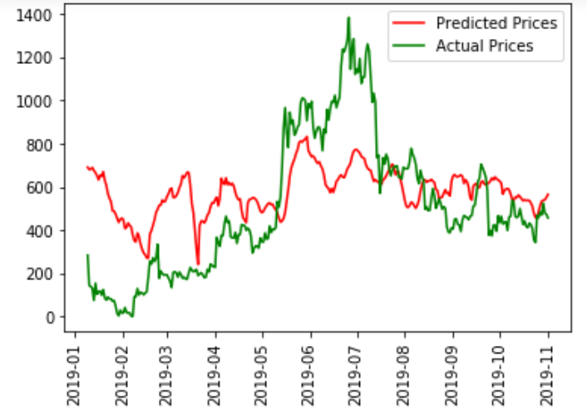 MSE |  | 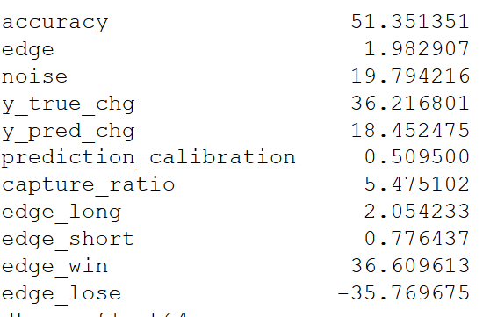
6 | TransactionFees','AddressCount','EthereumGTrends', 'GasUsed', 'TweetCount' | model = Sequential() model.add(LSTM( 20, activation='relu', return_sequences=True)) model.add(LSTM(10, activation='relu')) model.add(Dense(1)) model.compile(optimizer='adam', loss='mse') | 7 | adam | MSE | 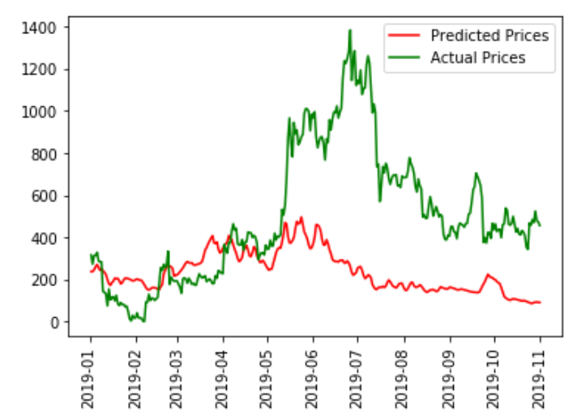 | 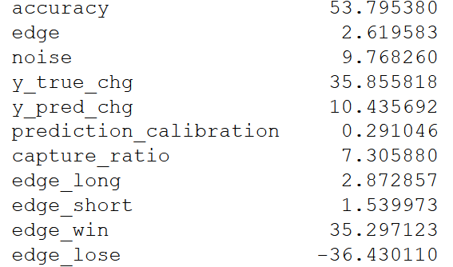
7 | transaction counts and amnts to/from top exchanges, | model = Sequential() model.add(LSTM( 20, activation='relu', return_sequences=True)) model.add(LSTM(10, activation='relu')) model.add(Dense(1)) model.compile(optimizer='adam', loss='mse') | 7 | adam | 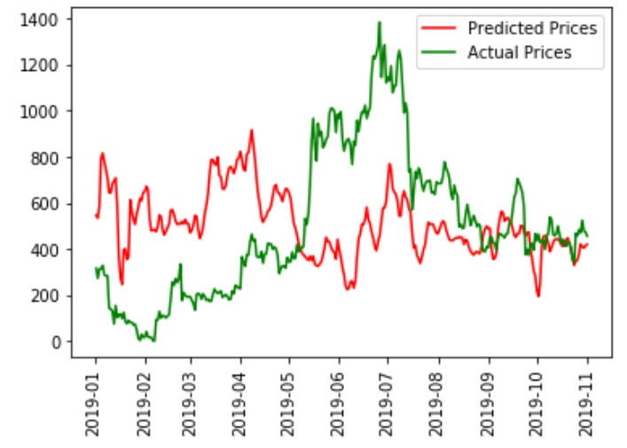 MSE |  | 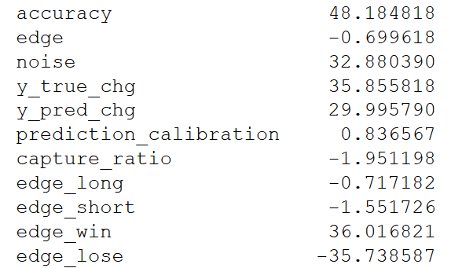
8 | transaction counts and amnts to/from top exchanges, 'MarketCap' | model = Sequential() model.add(LSTM( 20, activation='relu', return_sequences=True)) model.add(LSTM(10, activation='relu')) model.add(Dense(1)) model.compile(optimizer='adam', loss='mse') | 7 | adam | MSE | 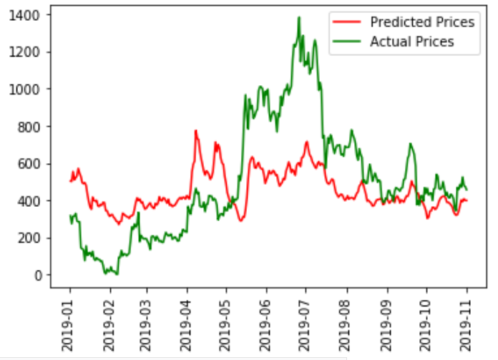 | 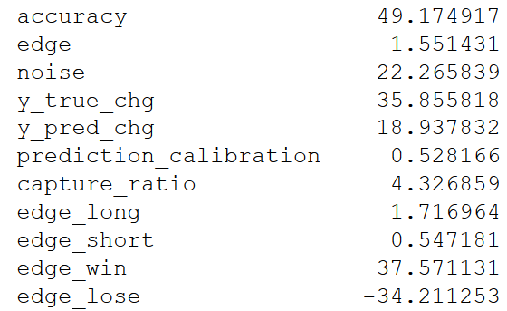
9 | MarketCap','from_tx_count_84f3','from_tx_count_8258','from_tx_count_6853','to_tx_count_84f3','fromSum_8258','from_tx_count_dbbf','BlockSize', 'TweetCount','from_tx_count_fdc0' | model = Sequential() model.add(LSTM( 20, activation='relu', return_sequences=True)) model.add(LSTM(10, activation='relu')) model.add(Dense(1)) model.compile(optimizer='adam', loss='mse') | 7 | adam | MSE | 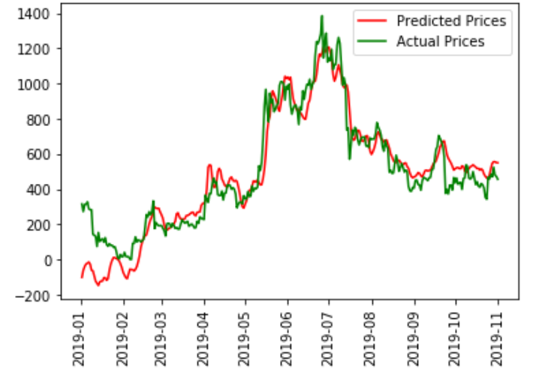 | 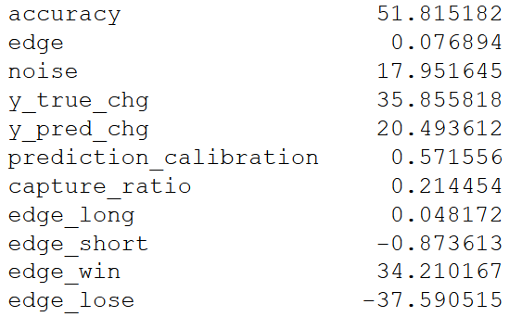
10 | 'from_tx_count_84f3','from_tx_count_8258','from_tx_count_6853','to_tx_count_84f3','fromSum_8258','from_tx_count_dbbf','BlockSize', 'TweetCount','from_tx_count_fdc0' | model = Sequential() model.add(LSTM( 20, activation='relu', return_sequences=True)) model.add(LSTM(10, activation='relu')) model.add(Dense(1)) model.compile(optimizer='adam', loss='mse') | 7 | adam | MSE | 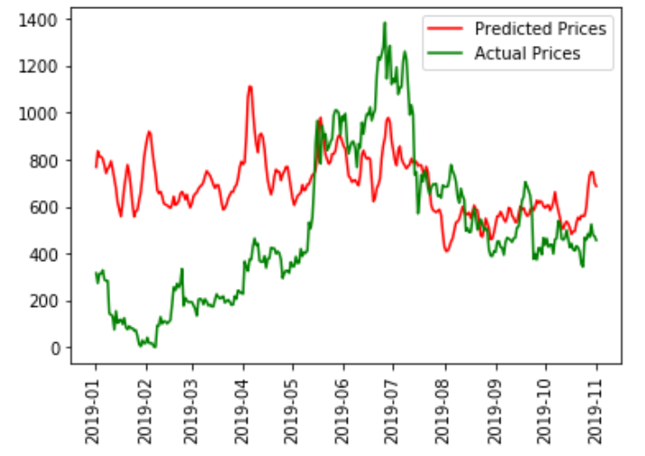 | 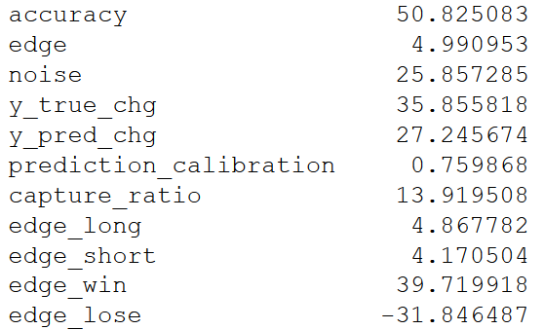
11 | 'from_tx_count_84f3','from_tx_count_8258','from_tx_count_6853','to_tx_count_84f3','fromSum_8258','from_tx_count_dbbf','BlockSize', 'TweetCount','from_tx_count_fdc0' | model = Sequential() model.add(LSTM( 20, activation='relu', return_sequences=True)) model.add(LSTM(10, activation='relu')) model.add(Activation('softmax')) model.add(Dense(1)) model.compile(optimizer='adam', loss='mse') | 7 | adam | MSE | 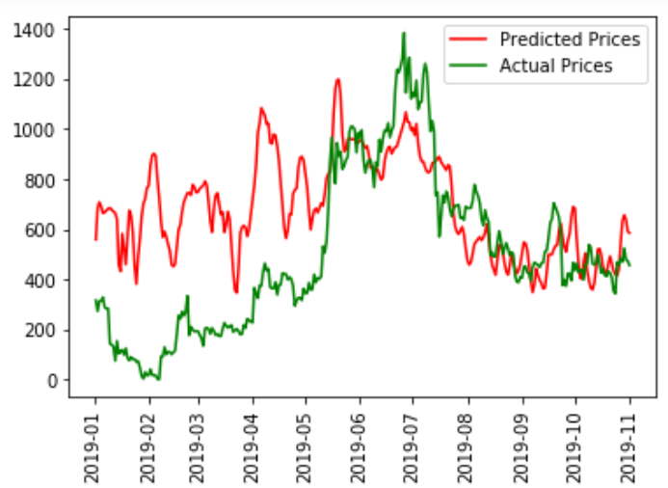 | 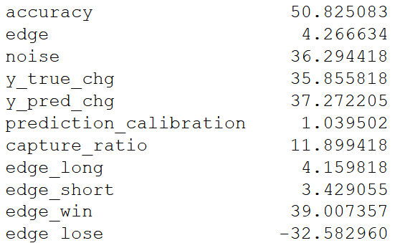
12 | TransactionFees','AddressCount','EthereumGTrends', 'GasUsed', 'TweetCount','MarketCap' | model = Sequential() model.add(LSTM( 20, activation='relu', return_sequences=True)) model.add(LSTM(10, activation='relu')) model.add(Dense(1)) model.compile(optimizer='adam', loss='mse') | 7 | adam | MSE | 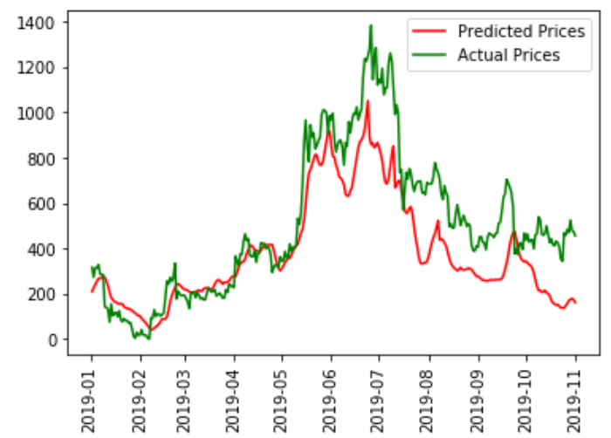 | 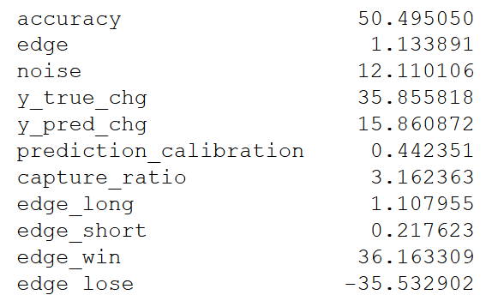
13 | transaction counts and amnts to/from top exchanges, 'TransactionFees','AddressCount','EthereumGTrends', 'GasUsed', 'TweetCount' | model = Sequential() model.add(LSTM( 20, activation='relu', return_sequences=True)) model.add(LSTM(10, activation='relu')) model.add(Dense(1)) model.compile(optimizer='adam', loss='mse') | 30 | adam | MSE | 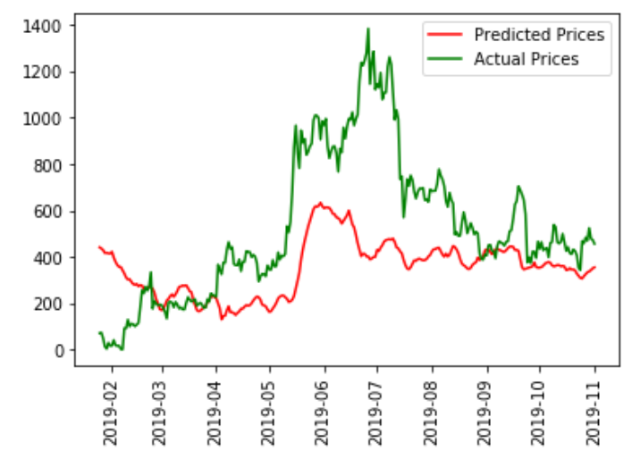 | 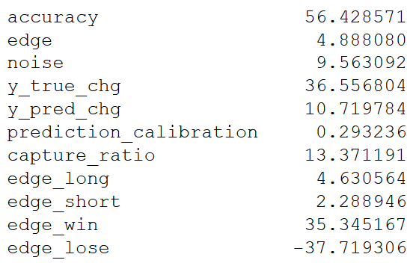
14 | transaction counts and amnts to/from top exchanges, 'TransactionFees','AddressCount','EthereumGTrends', 'GasUsed', 'TweetCount', 'MarketCap' | model = Sequential() model.add(LSTM( 20, activation='relu', return_sequences=True)) model.add(LSTM(10, activation='relu')) model.add(Dense(1)) model.compile(optimizer='adam', loss='mse') | 30 | adam | MSe | 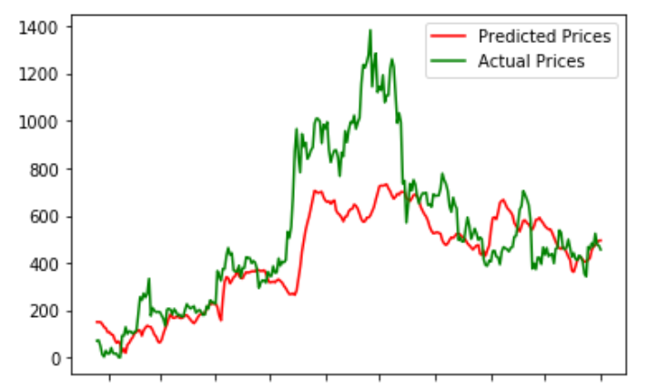 | 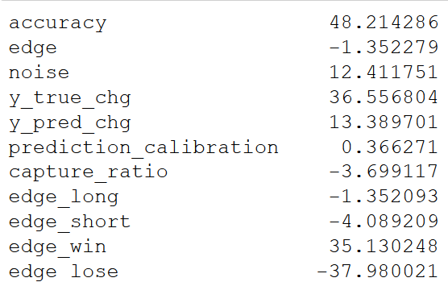
15 | txns from/to top xchanges, 'BlockSize','TweetCount' | model = Sequential() model.add(LSTM( 20, activation='relu', return_sequences=True)) model.add(LSTM(10, activation='relu')) model.add(Dense(1)) model.compile(optimizer='adam', loss='mse') | 10 | adam | MSe | 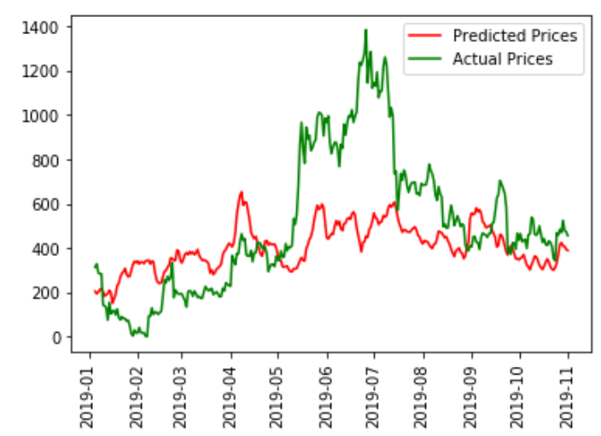 | 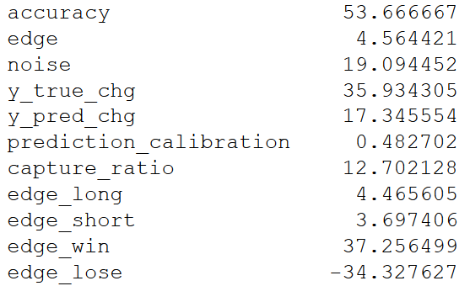
16 | 'transaction counts and amnts to/from top exchanges, 'TransactionFees','AddressCount','EthereumGTrends', 'GasUsed', 'TweetCount' | model = Sequential() model.add(LSTM( 20, activation='relu', return_sequences=True)) model.add(LSTM(10, activation='relu')) model.add(Dense(1)) model.compile(optimizer='adam', loss='mse') | 30 | adam | cosine_proximity | 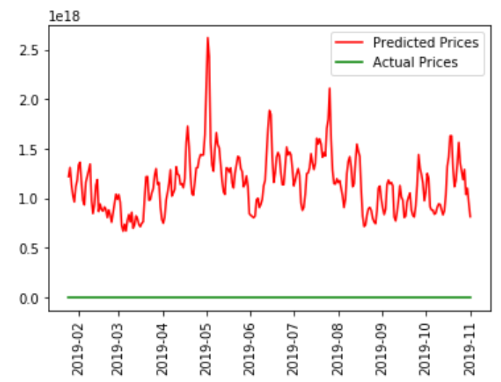
17 | 'transaction counts and amnts to/from top exchanges, 'TransactionFees','AddressCount','EthereumGTrends', 'GasUsed', 'TweetCount' | model = Sequential() model.add(LSTM( 20, activation='relu', return_sequences=True)) model.add(LSTM(10, activation='relu')) model.add(Dense(1)) model.compile(optimizer='adam', loss='mse') | 7 | adam | poisson | 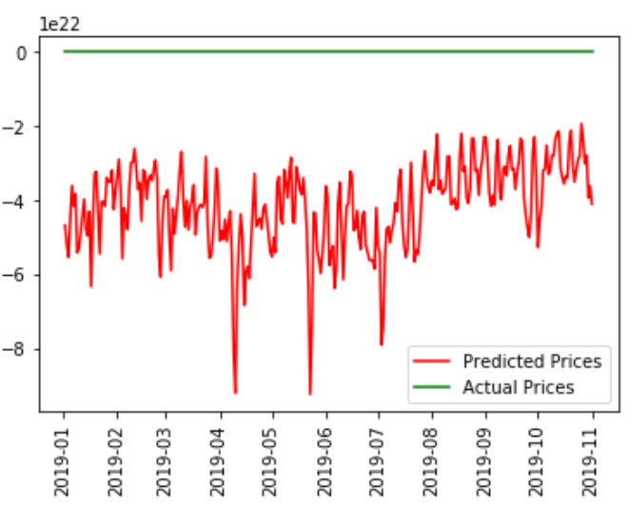
18 | 'transaction counts and amnts to/from top exchanges, 'TransactionFees','AddressCount','EthereumGTrends', 'GasUsed', 'TweetCount' | model = Sequential() model.add(LSTM( 20, activation='relu', return_sequences=True)) model.add(LSTM(10, activation='relu')) model.add(Dense(1)) model.compile(optimizer='adam', loss='mse') | 7 | adam | logcosh | 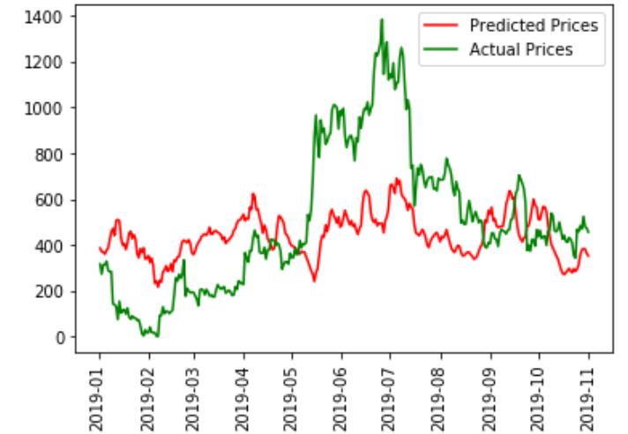 | 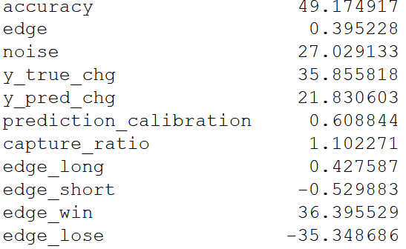
19 | loss | model = Sequential() model.add(LSTM( 20, activation='relu', return_sequences=True)) model.add(LSTM(10, activation='relu')) model.add(Dense(1)) model.compile(optimizer='adam', loss='mse') | 7 | adam | hinge | 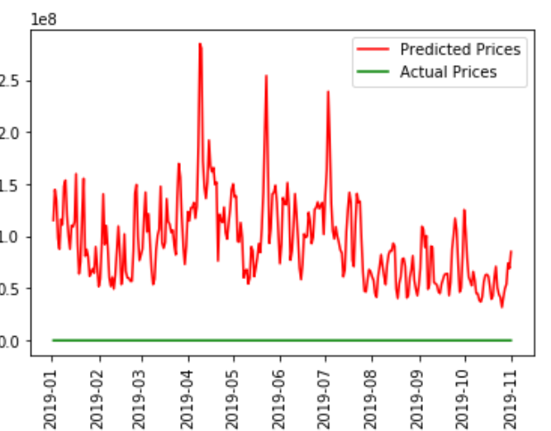
20 | 'transaction counts and amnts to/from top exchanges, 'TransactionFees','AddressCount','EthereumGTrends', 'GasUsed', 'TweetCount' | model = Sequential() model.add(LSTM( 20, activation='relu', return_sequences=True)) model.add(LSTM(10, activation='relu')) model.add(Dense(1)) model.compile(optimizer='adam', loss='mse') | 7 | adam | mean_squared_log_error

