Sheet1
-Click "pending Request" page(link)
-View a list of all team members pending leave requests(button)
-click "View details" on a leave requst(button)
-review leave details(types,date,reason)
-click Approve/Reject (radio button)
-enter comment(textarea input-optional)
-click submit(button)
-only requests with "pending status are displayed
-'Approve"or "Reject" must be selected before submitting
-Comment is Optional
-Upon submission,request status is updated is DB with manager id and timestap
Phase | Item No | Specification [Role] | User Story | Acceptance Criteria | UI Screen / Wireframe | Tags
Feature: 1 |  | Pending Request
phase 1 | 1 | Approve/Reject Leave [Manager] |  |  | 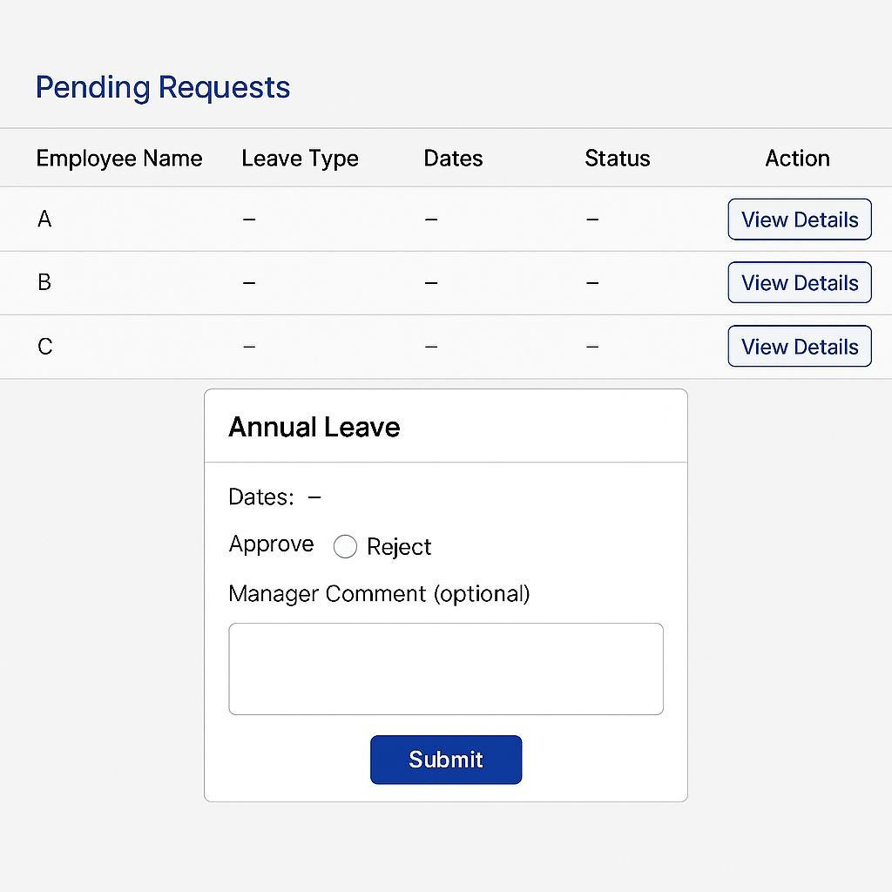 | Pending Request

