Sheet1
Category | Label | Value1 | Value2 | Value3 | Value4 | Value5 | Value6 | Value7 | Value8 | Value9 | Value10 | Value11
Bug ID | ID number | 1 | 2 | 3 | 4 | 5 | 6 | 7 | 8 | 9 | 10 | 11
 | Name | Registration Form/User allowed to put empty spaces for password | Registration Form/User allowed to put empty spaces for First name | Registration Form/User allowed to put empty spaces for Last name | Registration Form/User allowed to put only digits in the Address field | Registration Form/User allowed to put only digits in the City field | Registration Form/User allowed to put a different data for name and last name in the section Address | Shopping Cart/ User allowed to add 80000 articles | User put special characters in the field for email of friend | Pictures for comercial (bans) lead to another website | Picture on the top does not redirect to another link | Dresses/Categories section dispays categories unordered
 | Reporter | IT Bootcamp | IT Bootcamp | IT Bootcamp | IT Bootcamp
 | Submit Date | 2020-04-02 | 2020-04-02 | 2020-04-02 | 2020-04-02
Bug overview | Relates to
 | Screenshot |  |  |  |  |  |  |  |  |  |  | 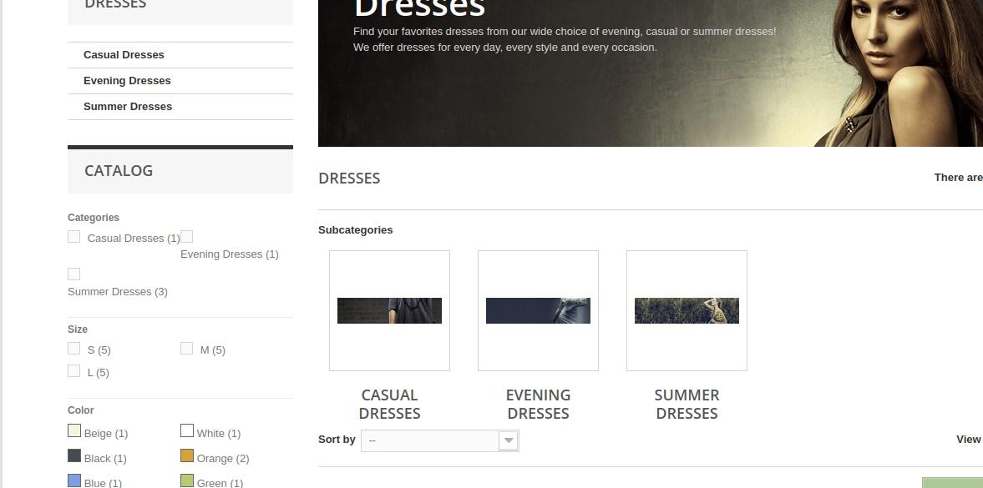
Environment | Platform
 | Operating System | Linux | Linux | Linux | Linux | Linux | Linux | Linux | Linux | Linux | Linux | Linux
 | Browser | Google Chrome | Google Chrome | Google Chrome | Google Chrome | Google Chrome | Google Chrome | Google Chrome | Google Chrome | Google Chrome | Google Chrome | Google Chrome
Bug details | Steps to reproduce | 1. Go to "http://automationpractice.com/index.php" 2. Click Sign in 3. Type Email addres "ivan1000@gmail.com" 4. Click Create an account 5. Type Ivan into field First Name 6. Type Markovic into field Last name 7. Type 5 empty spaces (blank) in field Password, 8. Type Ivan in field First name 9. Type Markoic in field Last name 10. Type Addres Blossoms Street 2 in the field Address 11. Type NewYork in field City 12. Choose Nebraska in dropdown menu State 13. Type 11000 in field Zip 14. Type 060001455 in field Mobile Phone 15. Type China Town 10 in field Allias Adress 16. Click Register. | 1. Go to "http://automationpractice.com/index.php" 2. Click Sign in 3. Type Email addres "ivan1000@gmail.com" 4. Click Create an account 5. Type blank spaces into field First Name 6. Type Markovic into field Last name 7. Type ivan123 in field Password, 8. Type Ivan in field First name 9. Type Markoic in field Last name 10. Type Addres Blossoms Street 2 in the field Address 11. Type NewYork in field City 12. Choose Nebraska in dropdown menu State 13. Type 11000 in field Zip 14. Type 060001455 in field Mobile Phone 15. Type China Town 10 in field Allias Adress 16. Click Register. | 1. Go to "http://automationpractice.com/index.php" 2. Click Sign in 3. Type Email addres "ivan1000@gmail.com" 4. Click Create an account 5. Type Ivan into field First Name 6.Type Markovic into field Last name 7. Type ivan123 in field Password, 8. Type Ivan in field First name 9. Type Markoic in field Last name 10. Type Addres Blossoms Street 2 in the field Address 11. Type NewYork in field City 12. Choose Nebraska in dropdown menu State 13. Type 11000 in field Zip 14. Type 060001455 in field Mobile Phone 15. Type China Town 10 in field Allias Adress 16. Click Register. | 1. Go to "http://automationpractice.com/index.php" 2. Click Sign in 3. Type Email addres "ivan1000@gmail.com" 4. Click Create an account 5. Type Ivan into field First Name 6. Type Markovic into field Last name 7. Type ivan123 in field Password, 8. Type Ivan in field First name 9. Type Markoic in field Last name 10. Type 12345 in the field Address 11. Type NewYork in field City 12. Choose Nebraska in dropdown menu State 13. Type 11000 in field Zip 14. Type 060001455 in field Mobile Phone 15. Type China Town 10 in field Allias Adress 16. Click Register. | 1. Go to "http://automationpractice.com/index.php" 2. Click Sign in 3. Type Email addres "ivan1000@gmail.com" 4. Click Create an account 5. Type Ivan into field First Name 6. Type Markovic into field Last name 7. Type ivan123 in field Password, 8. Type Ivan in field First name 9. Type Markoic in field Last name 10. Type Blossoms 2 in the field Address 11. Type 12345 in field City 12. Choose Nebraska in dropdown menu State 13. Type 11000 in field Zip 14. Type 060001455 in field Mobile Phone 15. Type China Town 10 in field Allias Adress 16. Click Register. | 1. Go to "http://automationpractice.com/index.php" 2. Click Sign in 3. Type Email addres "ivan1000@gmail.com" 4. Click Create an account 5. Type Ivan into field First Name 6. Type Markovic into field Last name 7. Type ivan123 in field Password, 8. Type Zorana in field First name 9. Type Ivic in field Last name 10. Type Blossoms 2 in the field Address 11. Type 12345 in field City 12. Choose Nebraska in dropdown menu State 13. Type 11000 in field Zip 14. Type 060001455 in field Mobile Phone 15. Type China Town 10 in field Allias Adress 16. Click Register. | 1. Go to "http://automationpractice.com/index.php" 2. Choose one article 3. Add 10000 as a quantity 4. Add S for Size 5. Add Pink for Color 6. Click Add to Cart 7. Click Proceed to Checkout | 1. Go to "http://automationpractice.com/index.php" 2. Choose one article 3. Click "sent to a friend" 4. Type Milica in the field Name of Your Friend 5. Type Milica in the field E-mail address of your friend 6. Click Send | 1. Go to "http://automationpractice.com/index.php" 2. Click on any picture for commercial (sale) | 1. Go to "http://automationpractice.com/index.php" 2. Click on the picture on the top of the page for commercial (sale) | 1. Go to "http://automationpractice.com/index.php" 2. Click on Dresses 3. Find the section Catalog 4. Look at the section Categories
 | Expected result | To set at laste 5 characters for password | To set characters for First Name | To set characters for Last Name | To set characters and digits in the field Address | To set characters in the field City | To set the same first name and last name in the section "Address" as it is created in the beginning of the registration | Not allowed to choose huge amount of articles (80000) | Set an email format in the filed for email of friend | It leads to the page with more details | It leads to the page with more details | Radio buttons for different categories should be in the right order
 | Actual result | Allowed to set empty spaces (blank fields) for password | Allowed to set empty spaces (blank fields) for First Name | Allowed to set empty spaces (blank fields) for Last Name | Allowed to set only digits in the field Address | Allowed to set only digits in the field City | Allowed to set first name and last name in the first section of registration, and later a different once in the section Address | Allowed to choose huge number of articles (80000) | Allowed to type special characters in the field for email of friend | It leads to another website (https://www.prestashop.com/) | Nothing happens. Act like "refresh" button | Radio button for choosing Evening dress is out of the order, moved to the right side
 | Description
Bug tracking | Severity | high | high | high | high | high | high | medium | medium | medium | medium | medium
 | Assigned to | Neda Knezevic | Neda Knezevic | Neda Knezevic | Neda Knezevic | Neda Knezevic | Neda Knezevic | Neda Knezevic | Neda Knezevic | Neda Knezevic | Neda Knezevic | Neda Knezevic
 | Priority | high | high | high | high | high | high | medium | medium | medium | medium | medium
Notes | Notes

