1.a
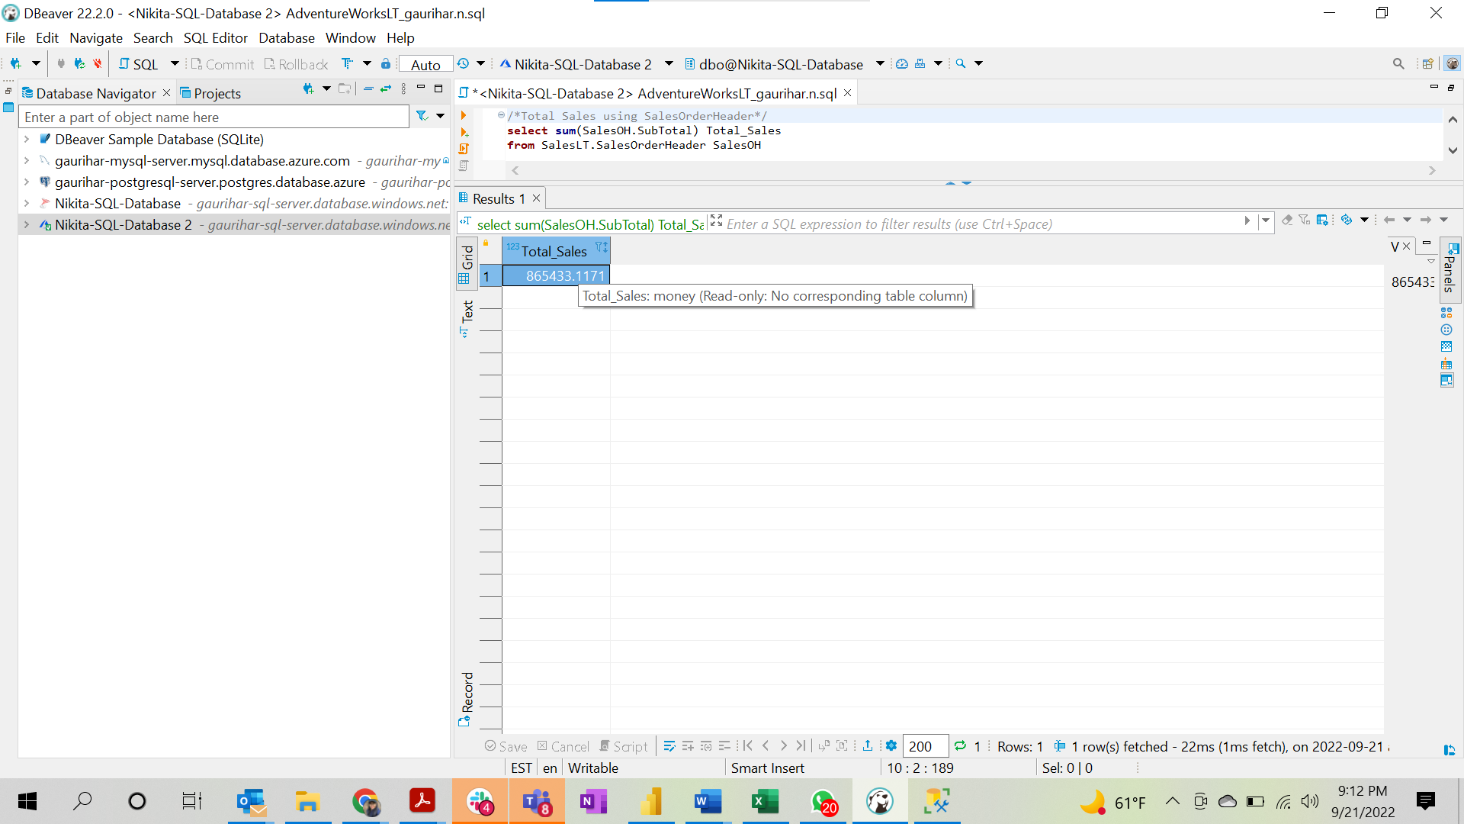
Solution
Total_Sales
865433.1171

Query
/*Total Sales using SalesOrderHeader*/
select sum(SalesOH.SubTotal) Total_Sales
from SalesLT.SalesOrderHeader SalesOH

1.b
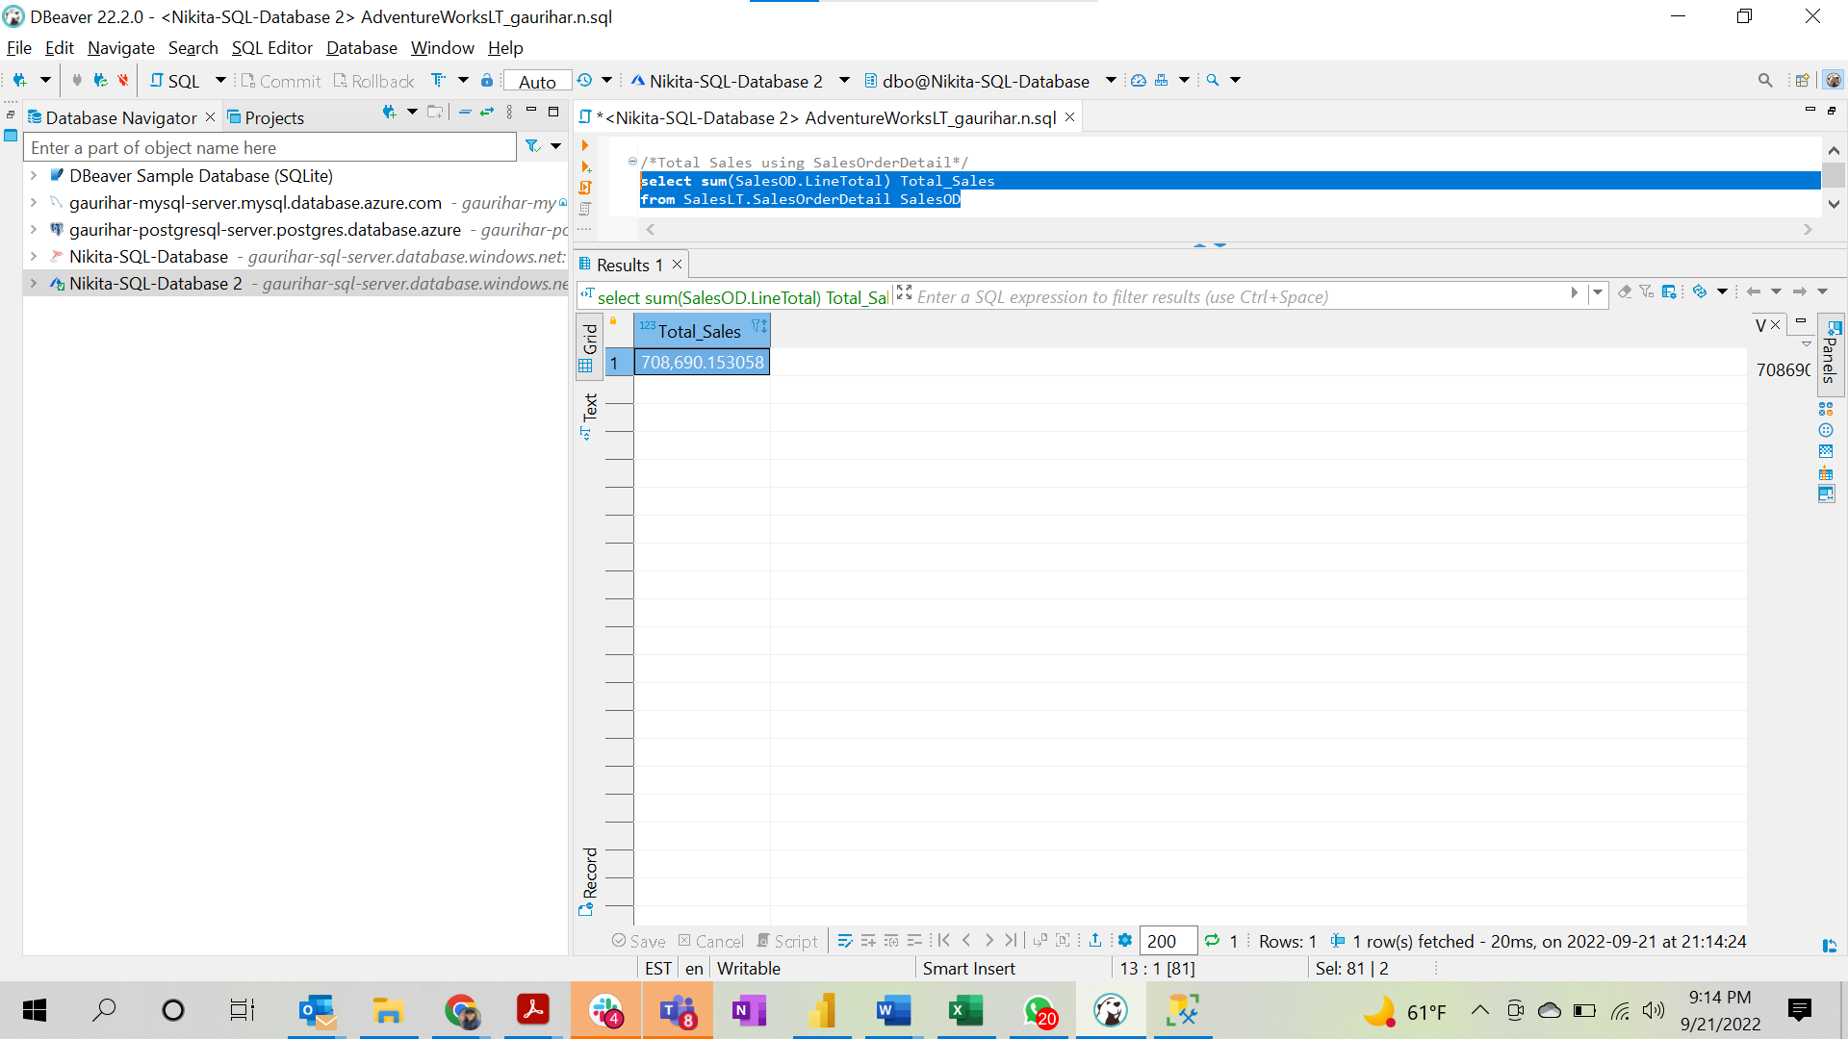
Solution

Total_Sales
708,690.15

Query

select sum(SalesOD.LineTotal) Total_Sales
from SalesLT.SalesOrderDetail SalesOD;

1.c
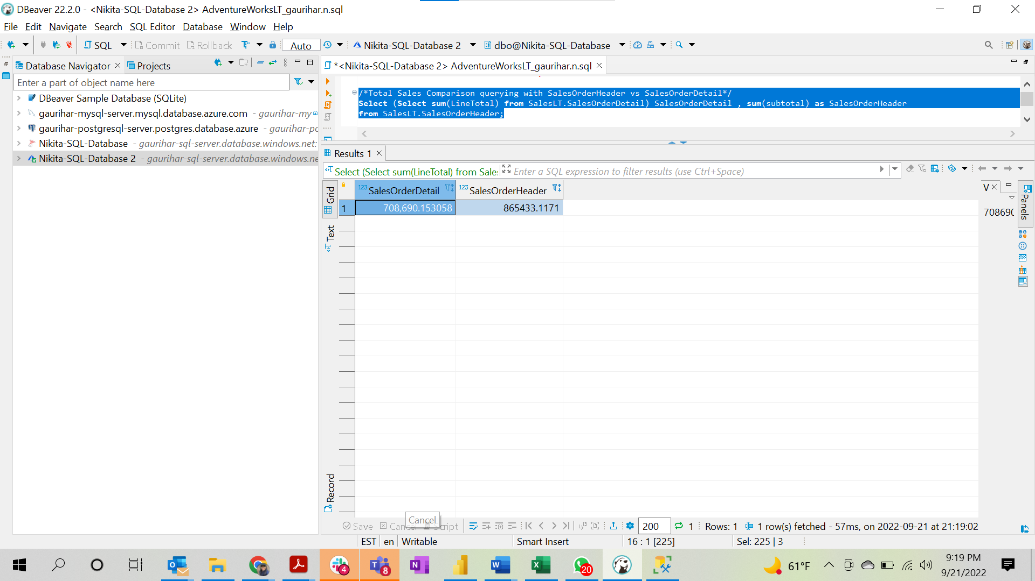
Solution
SalesOrderDetail
708,690.15

Query

Select (Select sum(LineTotal) from SalesLT.SalesOrderDetail) SalesOrderDetail , sum(subtotal) as SalesOrderHeader
from SalesLT.SalesOrderHeader;

2
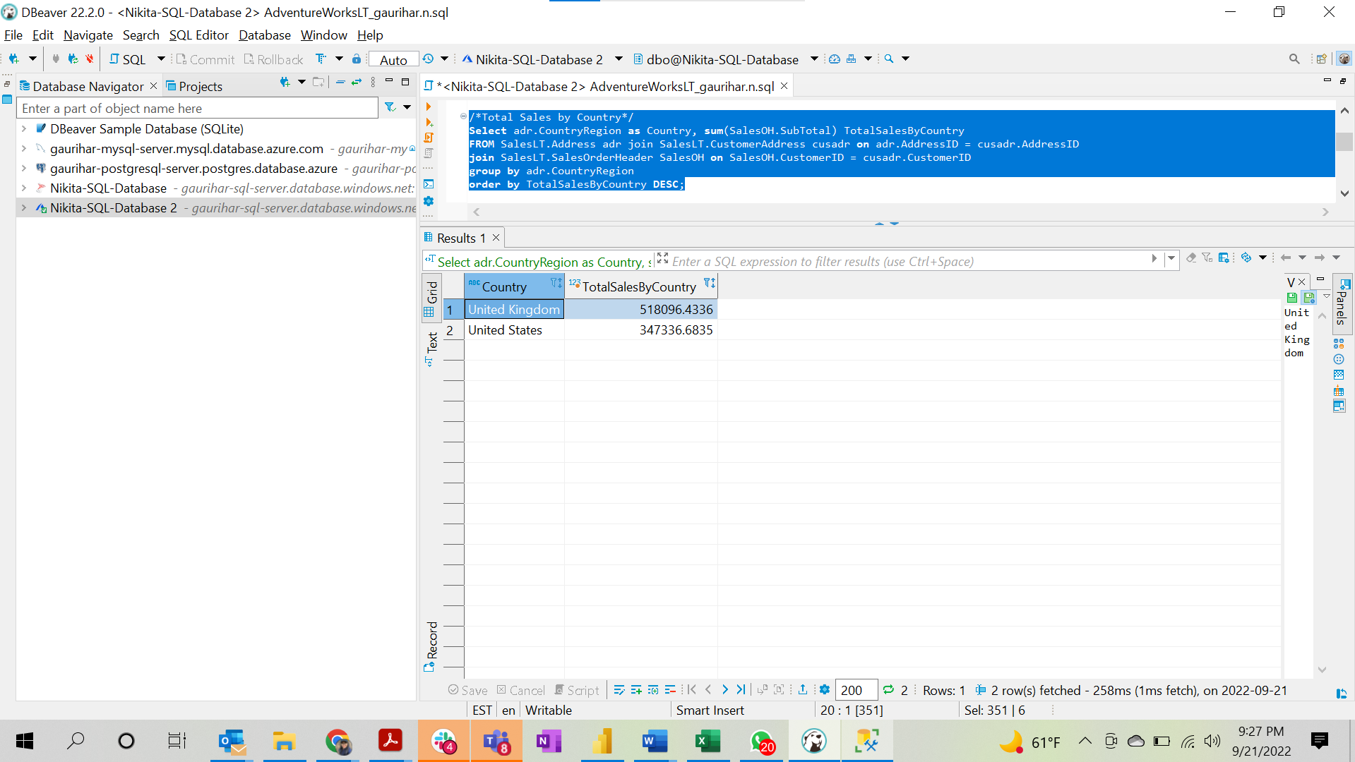
Query
Select adr.CountryRegion as Country, sum(SalesOH.SubTotal) TotalSalesByCountry
FROM SalesLT.Address adr join SalesLT.CustomerAddress cusadr on adr.AddressID = cusadr.AddressID
join SalesLT.SalesOrderHeader SalesOH on SalesOH.CustomerID = cusadr.CustomerID
group by adr.CountryRegion
order by TotalSalesByCountry DESC;

Solution
Country | TotalSalesByCountry
United Kingdom | 518096.4336
United States | 347336.6835

3
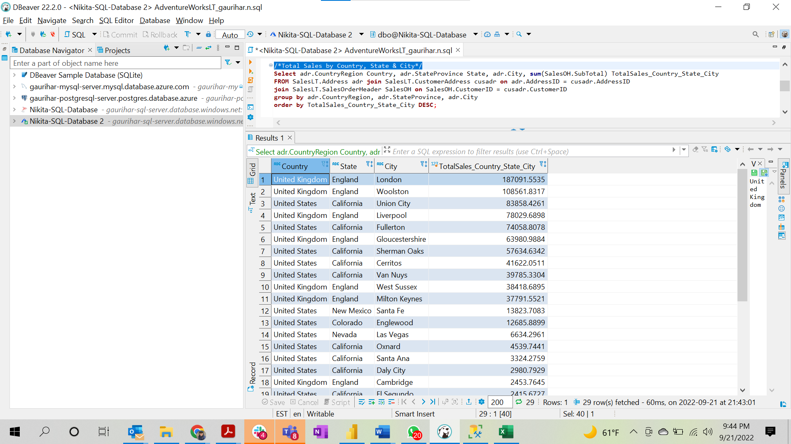
Solution
Country | State | City | TotalSales_Country_State_City
United Kingdom | England | London | 187091.5535
United Kingdom | England | Woolston | 108561.8317
United States | California | Union City | 83858.4261
United Kingdom | England | Liverpool | 78029.6898
United States | California | Fullerton | 74058.8078
United Kingdom | England | Gloucestershire | 63980.9884
United States | California | Sherman Oaks | 57634.6342
United States | California | Cerritos | 41622.0511
United States | California | Van Nuys | 39785.3304
United Kingdom | England | West Sussex | 38418.6895
United Kingdom | England | Milton Keynes | 37791.5521
United States | New Mexico | Santa Fe | 13823.7083
United States | Colorado | Englewood | 12685.8899
United States | Nevada | Las Vegas | 6634.2961
United States | California | Oxnard | 4539.7441
United States | California | Santa Ana | 3324.2759
United States | California | Daly City | 2980.7929
United Kingdom | England | Cambridge | 2453.7645
United States | California | El Segundo | 2415.6727
United States | California | Camarillo | 2137.231
United Kingdom | England | Oxon | 1059.31
United States | California | Auburn | 880.3484
United States | Utah | Sandy | 602.1946
United Kingdom | England | High Wycombe | 550.386
United States | California | Culver City | 246.7392
United States | California | Alhambra | 106.5408
United Kingdom | England | Wokingham | 78.81
United Kingdom | England | Abingdon | 40.9045
United Kingdom | England | Maidenhead | 38.9536

Query
/*Total Sales by Country, State & City*/
Select adr.CountryRegion Country, adr.StateProvince State, adr.City, sum(SalesOH.SubTotal) TotalSales_Country_State_City
FROM SalesLT.Address adr join SalesLT.CustomerAddress cusadr on adr.AddressID = cusadr.AddressID
join SalesLT.SalesOrderHeader SalesOH on SalesOH.CustomerID = cusadr.CustomerID
group by adr.CountryRegion, adr.StateProvince, adr.City
order by TotalSales_Country_State_City DESC;

4
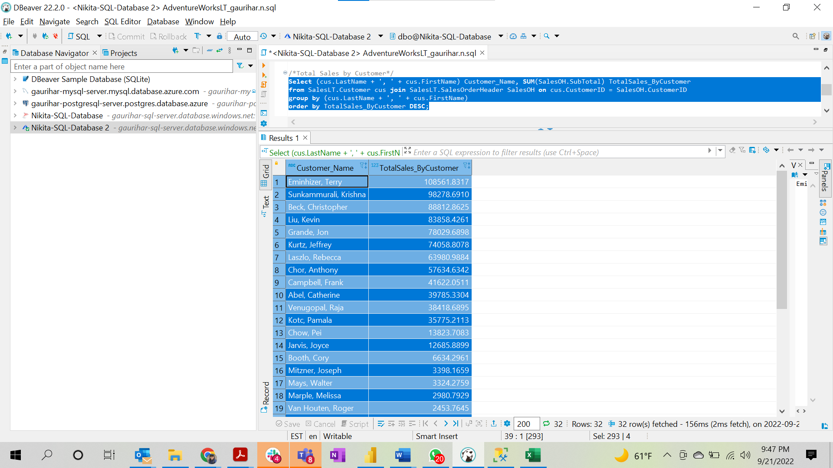
Query
/*Total Sales by Customer*/
Select (cus.LastName + ', ' + cus.FirstName) Customer_Name, SUM(SalesOH.SubTotal) TotalSales_ByCustomer
from SalesLT.Customer cus join SalesLT.SalesOrderHeader SalesOH on cus.CustomerID = SalesOH.CustomerID
group by (cus.LastName + ', ' + cus.FirstName)
order by TotalSales_ByCustomer DESC;

Solution
Customer_Name | TotalSales_ByCustomer
Eminhizer, Terry | 108561.8317
Sunkammurali, Krishna | 98278.691
Beck, Christopher | 88812.8625
Liu, Kevin | 83858.4261
Grande, Jon | 78029.6898
Kurtz, Jeffrey | 74058.8078
Laszlo, Rebecca | 63980.9884
Chor, Anthony | 57634.6342
Campbell, Frank | 41622.0511
Abel, Catherine | 39785.3304
Venugopal, Raja | 38418.6895
Kotc, Pamala | 35775.2113
Chow, Pei | 13823.7083
Jarvis, Joyce | 12685.8899
Booth, Cory | 6634.2961
Mitzner, Joseph | 3398.1659
Mays, Walter | 3324.2759
Marple, Melissa | 2980.7929
Van Houten, Roger | 2453.7645
Blanton, Donald | 2415.6727
Carroll, Rosmarie | 2137.231
Miller, Matthew | 2016.3408
Troyer, Michael John | 1141.5782
Cavendish, Brigid | 1059.31
Hodgson, David | 880.3484
Stern, Vassar | 602.1946
Byham, Richard | 550.386
Brian, Walter | 246.7392
Gilbert, Guy | 106.5408
Thomsen, Andrea | 78.81
Mitchell, Linda | 40.9045
Esteves, Janeth | 38.9536

5
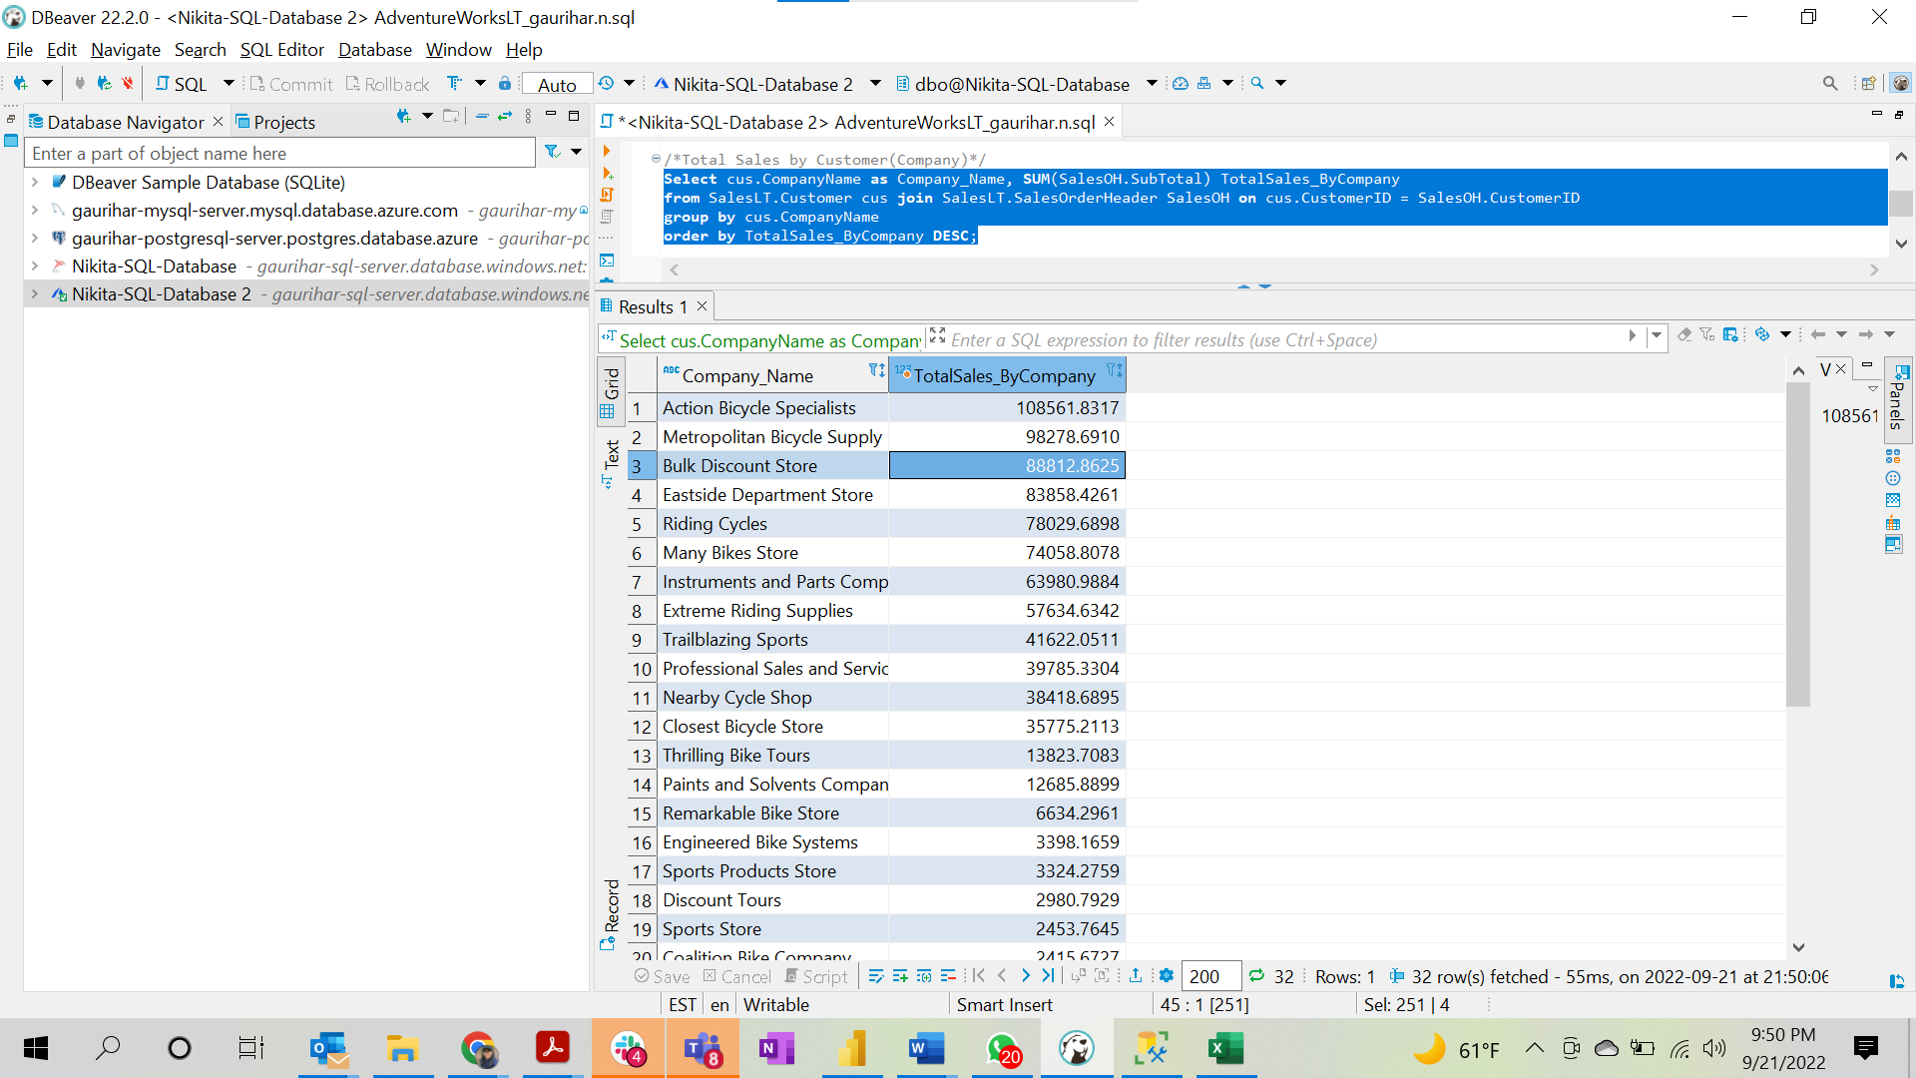
Query
/*Total Sales by Customer(Company)*/
Select cus.CompanyName as Company_Name, SUM(SalesOH.SubTotal) TotalSales_ByCompany
from SalesLT.Customer cus join SalesLT.SalesOrderHeader SalesOH on cus.CustomerID = SalesOH.CustomerID
group by cus.CompanyName
order by TotalSales_ByCompany DESC;

Solution
Company_Name | TotalSales_ByCompany
Action Bicycle Specialists | 108561.8317
Metropolitan Bicycle Supply | 98278.691
Bulk Discount Store | 88812.8625
Eastside Department Store | 83858.4261
Riding Cycles | 78029.6898
Many Bikes Store | 74058.8078
Instruments and Parts Company | 63980.9884
Extreme Riding Supplies | 57634.6342
Trailblazing Sports | 41622.0511
Professional Sales and Service | 39785.3304
Nearby Cycle Shop | 38418.6895
Closest Bicycle Store | 35775.2113
Thrilling Bike Tours | 13823.7083
Paints and Solvents Company | 12685.8899
Remarkable Bike Store | 6634.2961
Engineered Bike Systems | 3398.1659
Sports Products Store | 3324.2759
Discount Tours | 2980.7929
Sports Store | 2453.7645
Coalition Bike Company | 2415.6727
Aerobic Exercise Company | 2137.231
Tachometers and Accessories | 2016.3408
Thrifty Parts and Sales | 1141.5782
Vigorous Sports Store | 1059.31
Good Toys | 880.3484
Transport Bikes | 602.1946
Channel Outlet | 550.386
Futuristic Bikes | 246.7392
The Bicycle Accessories Company | 106.5408
West Side Mart | 78.81
Essential Bike Works | 40.9045
Central Bicycle Specialists | 38.9536

6
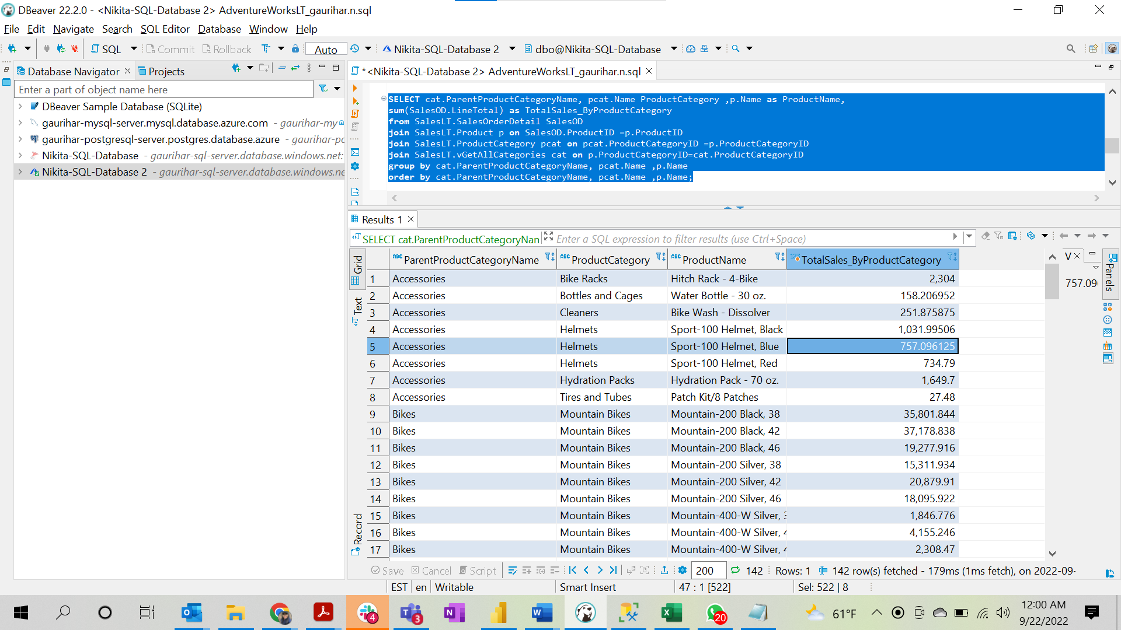
Query
SELECT cat.ParentProductCategoryName, pcat.Name ProductCategory ,p.Name as ProductName, sum(SalesOD.LineTotal) as TotalSales_ByProductCategory from SalesLT.SalesOrderDetail SalesOD join SalesLT.Product p on SalesOD.ProductID =p.ProductID join SalesLT.ProductCategory pcat on pcat.ProductCategoryID =p.ProductCategoryID join SalesLT.vGetAllCategories cat on p.ProductCategoryID=cat.ProductCategoryID group by cat.ParentProductCategoryName, pcat.Name ,p.Name order by cat.ParentProductCategoryName, pcat.Name ,p.Name;

Solution
ParentProductCategoryName | ProductCategory | ProductName | TotalSales_ByProductCategory
Accessories | Bike Racks | Hitch Rack - 4-Bike | 2,304
Accessories | Bottles and Cages | Water Bottle - 30 oz. | 158.206952
Accessories | Cleaners | Bike Wash - Dissolver | 251.875875
Accessories | Helmets | Sport-100 Helmet, Black | 1,032.00
Accessories | Helmets | Sport-100 Helmet, Blue | 757.096125
Accessories | Helmets | Sport-100 Helmet, Red | 734.79
Accessories | Hydration Packs | Hydration Pack - 70 oz. | 1,649.70
Accessories | Tires and Tubes | Patch Kit/8 Patches | 27.48
Bikes | Mountain Bikes | Mountain-200 Black, 38 | 35,801.84
Bikes | Mountain Bikes | Mountain-200 Black, 42 | 37,178.84
Bikes | Mountain Bikes | Mountain-200 Black, 46 | 19,277.92
Bikes | Mountain Bikes | Mountain-200 Silver, 38 | 15,311.93
Bikes | Mountain Bikes | Mountain-200 Silver, 42 | 20,879.91
Bikes | Mountain Bikes | Mountain-200 Silver, 46 | 18,095.92
Bikes | Mountain Bikes | Mountain-400-W Silver, 38 | 1,846.78
Bikes | Mountain Bikes | Mountain-400-W Silver, 40 | 4,155.25
Bikes | Mountain Bikes | Mountain-400-W Silver, 42 | 2,308.47
Bikes | Mountain Bikes | Mountain-400-W Silver, 46 | 4,155.25
Bikes | Mountain Bikes | Mountain-500 Black, 40 | 971.982
Bikes | Mountain Bikes | Mountain-500 Black, 42 | 971.982
Bikes | Mountain Bikes | Mountain-500 Black, 44 | 1,619.97
Bikes | Mountain Bikes | Mountain-500 Black, 48 | 3,887.93
Bikes | Mountain Bikes | Mountain-500 Black, 52 | 971.982
Bikes | Mountain Bikes | Mountain-500 Silver, 40 | 745.7868
Bikes | Mountain Bikes | Mountain-500 Silver, 42 | 813.5856
Bikes | Mountain Bikes | Mountain-500 Silver, 44 | 271.1952
Bikes | Mountain Bikes | Mountain-500 Silver, 48 | 406.7928
Bikes | Mountain Bikes | Mountain-500 Silver, 52 | 1,152.58
Bikes | Road Bikes | Road-250 Black, 44 | 17,592.12
Bikes | Road Bikes | Road-250 Black, 48 | 17,592.12
Bikes | Road Bikes | Road-250 Black, 52 | 11,728.08
Bikes | Road Bikes | Road-250 Black, 58 | 4,398.03
Bikes | Road Bikes | Road-250 Red, 58 | 4,398.03
Bikes | Road Bikes | Road-350-W Yellow, 40 | 20,411.88
Bikes | Road Bikes | Road-350-W Yellow, 42 | 18,692.52
Bikes | Road Bikes | Road-350-W Yellow, 44 | 5,102.97
Bikes | Road Bikes | Road-350-W Yellow, 48 | 36,486.24
Bikes | Road Bikes | Road-550-W Yellow, 38 | 12,773.59
Bikes | Road Bikes | Road-550-W Yellow, 40 | 5,378.35
Bikes | Road Bikes | Road-550-W Yellow, 42 | 3,361.47
Bikes | Road Bikes | Road-550-W Yellow, 44 | 2,016.88
Bikes | Road Bikes | Road-550-W Yellow, 48 | 5,378.35
Bikes | Road Bikes | Road-750 Black, 44 | 971.982
Bikes | Road Bikes | Road-750 Black, 48 | 6,803.87
Bikes | Road Bikes | Road-750 Black, 52 | 5,183.90
Bikes | Road Bikes | Road-750 Black, 58 | 4,859.91
Bikes | Touring Bikes | Touring-1000 Blue, 46 | 17,165.30
Bikes | Touring Bikes | Touring-1000 Blue, 50 | 22,887.07
Bikes | Touring Bikes | Touring-1000 Blue, 54 | 8,582.65
Bikes | Touring Bikes | Touring-1000 Blue, 60 | 37,191.49
Bikes | Touring Bikes | Touring-1000 Yellow, 46 | 17,165.30
Bikes | Touring Bikes | Touring-1000 Yellow, 50 | 7,152.21
Bikes | Touring Bikes | Touring-1000 Yellow, 54 | 5,721.77
Bikes | Touring Bikes | Touring-1000 Yellow, 60 | 23,413.47
Bikes | Touring Bikes | Touring-2000 Blue, 46 | 6,560.19
Bikes | Touring Bikes | Touring-2000 Blue, 50 | 6,560.19
Bikes | Touring Bikes | Touring-2000 Blue, 54 | 13,120.38
Bikes | Touring Bikes | Touring-2000 Blue, 60 | 7,289.10
Bikes | Touring Bikes | Touring-3000 Blue, 44 | 2,227.05
Bikes | Touring Bikes | Touring-3000 Blue, 50 | 10,244.43
Bikes | Touring Bikes | Touring-3000 Blue, 54 | 6,681.15
Bikes | Touring Bikes | Touring-3000 Blue, 58 | 2,672.46
Bikes | Touring Bikes | Touring-3000 Blue, 62 | 1,336.23
Bikes | Touring Bikes | Touring-3000 Yellow, 44 | 8,017.38
Bikes | Touring Bikes | Touring-3000 Yellow, 50 | 4,008.69
Bikes | Touring Bikes | Touring-3000 Yellow, 54 | 2,672.46
Bikes | Touring Bikes | Touring-3000 Yellow, 58 | 1,336.23
Bikes | Touring Bikes | Touring-3000 Yellow, 62 | 8,650.16
Clothing | Caps | AWC Logo Cap | 277.363076
Clothing | Gloves | Half-Finger Gloves, L | 279.186
Clothing | Gloves | Half-Finger Gloves, M | 382.044
Clothing | Gloves | Half-Finger Gloves, S | 176.328
Clothing | Jerseys | Long-Sleeve Logo Jersey, L | 1,463.83
Clothing | Jerseys | Long-Sleeve Logo Jersey, M | 779.844
Clothing | Jerseys | Long-Sleeve Logo Jersey, XL | 419.916
Clothing | Jerseys | Short-Sleeve Classic Jersey, L | 1,566.38
Clothing | Jerseys | Short-Sleeve Classic Jersey, S | 1,004.21
Clothing | Jerseys | Short-Sleeve Classic Jersey, XL | 1,783.69
Clothing | Shorts | Women's Mountain Shorts, L | 1,133.84
Clothing | Shorts | Women's Mountain Shorts, M | 209.97
Clothing | Shorts | Women's Mountain Shorts, S | 1,956.00
Clothing | Socks | Racing Socks, L | 264.298808
Clothing | Socks | Racing Socks, M | 80.91
Clothing | Vests | Classic Vest, M | 1,295.40
Clothing | Vests | Classic Vest, S | 3,014.50
Components | Bottom Brackets | HL Bottom Bracket | 1,093.41
Components | Bottom Brackets | LL Bottom Bracket | 226.758
Components | Brakes | Front Brakes | 766.8
Components | Brakes | Rear Brakes | 63.9
Components | Chains | Chain | 97.152
Components | Cranksets | HL Crankset | 2,915.93
Components | Cranksets | LL Crankset | 1,052.94
Components | Derailleurs | Front Derailleur | 713.622
Components | Derailleurs | Rear Derailleur | 583.008
Components | Handlebars | HL Mountain Handlebars | 216.486
Components | Handlebars | HL Road Handlebars | 288.648
Components | Handlebars | HL Touring Handlebars | 54.942
Components | Handlebars | LL Mountain Handlebars | 187.068
Components | Handlebars | ML Mountain Handlebars | 445.824
Components | Mountain Frames | HL Mountain Frame - Black, 38 | 5,668.32
Components | Mountain Frames | HL Mountain Frame - Black, 42 | 9,717.12
Components | Mountain Frames | HL Mountain Frame - Silver, 38 | 13,099.20
Components | Mountain Frames | HL Mountain Frame - Silver, 42 | 4,912.20
Components | Mountain Frames | HL Mountain Frame - Silver, 46 | 8,187
Components | Mountain Frames | LL Mountain Frame - Black, 42 | 1,348.87
Components | Mountain Frames | LL Mountain Frame - Black, 44 | 1,798.49
Components | Mountain Frames | LL Mountain Frame - Black, 48 | 599.496
Components | Mountain Frames | LL Mountain Frame - Silver, 40 | 1,425.87
Components | Mountain Frames | LL Mountain Frame - Silver, 42 | 1,267.44
Components | Mountain Frames | LL Mountain Frame - Silver, 44 | 1,425.87
Components | Mountain Frames | LL Mountain Frame - Silver, 52 | 475.29
Components | Mountain Frames | ML Mountain Frame-W - Silver, 40 | 2,621.45
Components | Mountain Frames | ML Mountain Frame-W - Silver, 42 | 2,402.99
Components | Pedals | HL Mountain Pedal | 583.128
Components | Pedals | HL Road Pedal | 680.316
Components | Pedals | LL Mountain Pedal | 291.528
Components | Pedals | LL Road Pedal | 510.174
Components | Pedals | ML Mountain Pedal | 223.524
Components | Pedals | ML Road Pedal | 707.826
Components | Road Frames | HL Road Frame - Black, 44 | 5,153.40
Components | Road Frames | HL Road Frame - Red, 44 | 2,576.70
Components | Road Frames | HL Road Frame - Red, 62 | 2,576.70
Components | Road Frames | LL Road Frame - Black, 52 | 2,225.65
Components | Road Frames | LL Road Frame - Black, 58 | 1,820.99
Components | Road Frames | ML Road Frame-W - Yellow, 38 | 1,427.59
Components | Road Frames | ML Road Frame-W - Yellow, 44 | 4,282.78
Components | Road Frames | ML Road Frame-W - Yellow, 48 | 4,282.78
Components | Saddles | HL Mountain Seat/Saddle | 221.088
Components | Saddles | HL Road Seat/Saddle | 63.168
Components | Saddles | HL Touring Seat/Saddle | 252.672
Components | Saddles | LL Mountain Seat/Saddle | 97.632
Components | Saddles | ML Mountain Seat/Saddle | 375.744
Components | Touring Frames | HL Touring Frame - Blue, 50 | 602.346
Components | Touring Frames | HL Touring Frame - Blue, 54 | 4,216.42
Components | Touring Frames | HL Touring Frame - Blue, 60 | 1,807.04
Components | Touring Frames | HL Touring Frame - Yellow, 54 | 3,011.73
Components | Touring Frames | HL Touring Frame - Yellow, 60 | 7,228.15
Components | Touring Frames | LL Touring Frame - Blue, 50 | 400.104
Components | Touring Frames | LL Touring Frame - Blue, 54 | 600.156
Components | Touring Frames | LL Touring Frame - Yellow, 44 | 600.156
Components | Touring Frames | LL Touring Frame - Yellow, 50 | 400.104
Components | Touring Frames | LL Touring Frame - Yellow, 62 | 200.052

7
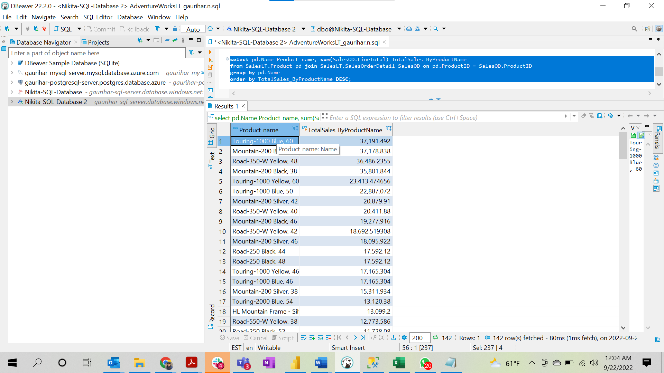
Query
select pd.Name Product_name, sum(SalesOD.LineTotal) TotalSales_ByProductName from SalesLT.Product pd join SalesLT.SalesOrderDetail SalesOD on pd.ProductID = SalesOD.ProductID group by pd.Name order by TotalSales_ByProductName DESC;

Solution
Product_name | TotalSales_ByProductName
Touring-1000 Blue, 60 | 37,191.49
Mountain-200 Black, 42 | 37,178.84
Road-350-W Yellow, 48 | 36,486.24
Mountain-200 Black, 38 | 35,801.84
Touring-1000 Yellow, 60 | 23,413.47
Touring-1000 Blue, 50 | 22,887.07
Mountain-200 Silver, 42 | 20,879.91
Road-350-W Yellow, 40 | 20,411.88
Mountain-200 Black, 46 | 19,277.92
Road-350-W Yellow, 42 | 18,692.52
Mountain-200 Silver, 46 | 18,095.92
Road-250 Black, 44 | 17,592.12
Road-250 Black, 48 | 17,592.12
Touring-1000 Yellow, 46 | 17,165.30
Touring-1000 Blue, 46 | 17,165.30
Mountain-200 Silver, 38 | 15,311.93
Touring-2000 Blue, 54 | 13,120.38
HL Mountain Frame - Silver, 38 | 13,099.20
Road-550-W Yellow, 38 | 12,773.59
Road-250 Black, 52 | 11,728.08
Touring-3000 Blue, 50 | 10,244.43
HL Mountain Frame - Black, 42 | 9,717.12
Touring-3000 Yellow, 62 | 8,650.16
Touring-1000 Blue, 54 | 8,582.65
HL Mountain Frame - Silver, 46 | 8,187
Touring-3000 Yellow, 44 | 8,017.38
Touring-2000 Blue, 60 | 7,289.10
HL Touring Frame - Yellow, 60 | 7,228.15
Touring-1000 Yellow, 50 | 7,152.21
Road-750 Black, 48 | 6,803.87
Touring-3000 Blue, 54 | 6,681.15
Touring-2000 Blue, 46 | 6,560.19
Touring-2000 Blue, 50 | 6,560.19
Touring-1000 Yellow, 54 | 5,721.77
HL Mountain Frame - Black, 38 | 5,668.32
Road-550-W Yellow, 48 | 5,378.35
Road-550-W Yellow, 40 | 5,378.35
Road-750 Black, 52 | 5,183.90
HL Road Frame - Black, 44 | 5,153.40
Road-350-W Yellow, 44 | 5,102.97
HL Mountain Frame - Silver, 42 | 4,912.20
Road-750 Black, 58 | 4,859.91
Road-250 Black, 58 | 4,398.03
Road-250 Red, 58 | 4,398.03
ML Road Frame-W - Yellow, 44 | 4,282.78
ML Road Frame-W - Yellow, 48 | 4,282.78
HL Touring Frame - Blue, 54 | 4,216.42
Mountain-400-W Silver, 40 | 4,155.25
Mountain-400-W Silver, 46 | 4,155.25
Touring-3000 Yellow, 50 | 4,008.69
Mountain-500 Black, 48 | 3,887.93
Road-550-W Yellow, 42 | 3,361.47
Classic Vest, S | 3,014.50
HL Touring Frame - Yellow, 54 | 3,011.73
HL Crankset | 2,915.93
Touring-3000 Yellow, 54 | 2,672.46
Touring-3000 Blue, 58 | 2,672.46
ML Mountain Frame-W - Silver, 40 | 2,621.45
HL Road Frame - Red, 44 | 2,576.70
HL Road Frame - Red, 62 | 2,576.70
ML Mountain Frame-W - Silver, 42 | 2,402.99
Mountain-400-W Silver, 42 | 2,308.47
Hitch Rack - 4-Bike | 2,304
Touring-3000 Blue, 44 | 2,227.05
LL Road Frame - Black, 52 | 2,225.65
Road-550-W Yellow, 44 | 2,016.88
Women's Mountain Shorts, S | 1,956.00
Mountain-400-W Silver, 38 | 1,846.78
LL Road Frame - Black, 58 | 1,820.99
HL Touring Frame - Blue, 60 | 1,807.04
LL Mountain Frame - Black, 44 | 1,798.49
Short-Sleeve Classic Jersey, XL | 1,783.69
Hydration Pack - 70 oz. | 1,649.70
Mountain-500 Black, 44 | 1,619.97
Short-Sleeve Classic Jersey, L | 1,566.38
Long-Sleeve Logo Jersey, L | 1,463.83
ML Road Frame-W - Yellow, 38 | 1,427.59
LL Mountain Frame - Silver, 40 | 1,425.87
LL Mountain Frame - Silver, 44 | 1,425.87
LL Mountain Frame - Black, 42 | 1,348.87
Touring-3000 Blue, 62 | 1,336.23
Touring-3000 Yellow, 58 | 1,336.23
Classic Vest, M | 1,295.40
LL Mountain Frame - Silver, 42 | 1,267.44
Mountain-500 Silver, 52 | 1,152.58
Women's Mountain Shorts, L | 1,133.84
HL Bottom Bracket | 1,093.41
LL Crankset | 1,052.94
Sport-100 Helmet, Black | 1,032.00
Short-Sleeve Classic Jersey, S | 1,004.21
Mountain-500 Black, 52 | 971.982
Mountain-500 Black, 40 | 971.982
Mountain-500 Black, 42 | 971.982
Road-750 Black, 44 | 971.982
Mountain-500 Silver, 42 | 813.5856
Long-Sleeve Logo Jersey, M | 779.844
Front Brakes | 766.8
Sport-100 Helmet, Blue | 757.096125
Mountain-500 Silver, 40 | 745.7868
Sport-100 Helmet, Red | 734.79
Front Derailleur | 713.622
ML Road Pedal | 707.826
HL Road Pedal | 680.316
HL Touring Frame - Blue, 50 | 602.346
LL Touring Frame - Blue, 54 | 600.156
LL Touring Frame - Yellow, 44 | 600.156
LL Mountain Frame - Black, 48 | 599.496
HL Mountain Pedal | 583.128
Rear Derailleur | 583.008
LL Road Pedal | 510.174
LL Mountain Frame - Silver, 52 | 475.29
ML Mountain Handlebars | 445.824
Long-Sleeve Logo Jersey, XL | 419.916
Mountain-500 Silver, 48 | 406.7928
LL Touring Frame - Yellow, 50 | 400.104
LL Touring Frame - Blue, 50 | 400.104
Half-Finger Gloves, M | 382.044
ML Mountain Seat/Saddle | 375.744
LL Mountain Pedal | 291.528
HL Road Handlebars | 288.648
Half-Finger Gloves, L | 279.186
AWC Logo Cap | 277.363076
Mountain-500 Silver, 44 | 271.1952
Racing Socks, L | 264.298808
HL Touring Seat/Saddle | 252.672
Bike Wash - Dissolver | 251.875875
LL Bottom Bracket | 226.758
ML Mountain Pedal | 223.524
HL Mountain Seat/Saddle | 221.088
HL Mountain Handlebars | 216.486
Women's Mountain Shorts, M | 209.97
LL Touring Frame - Yellow, 62 | 200.052
LL Mountain Handlebars | 187.068
Half-Finger Gloves, S | 176.328
Water Bottle - 30 oz. | 158.206952
LL Mountain Seat/Saddle | 97.632
Chain | 97.152
Racing Socks, M | 80.91
Rear Brakes | 63.9
HL Road Seat/Saddle | 63.168
HL Touring Handlebars | 54.942
Patch Kit/8 Patches | 27.48

8
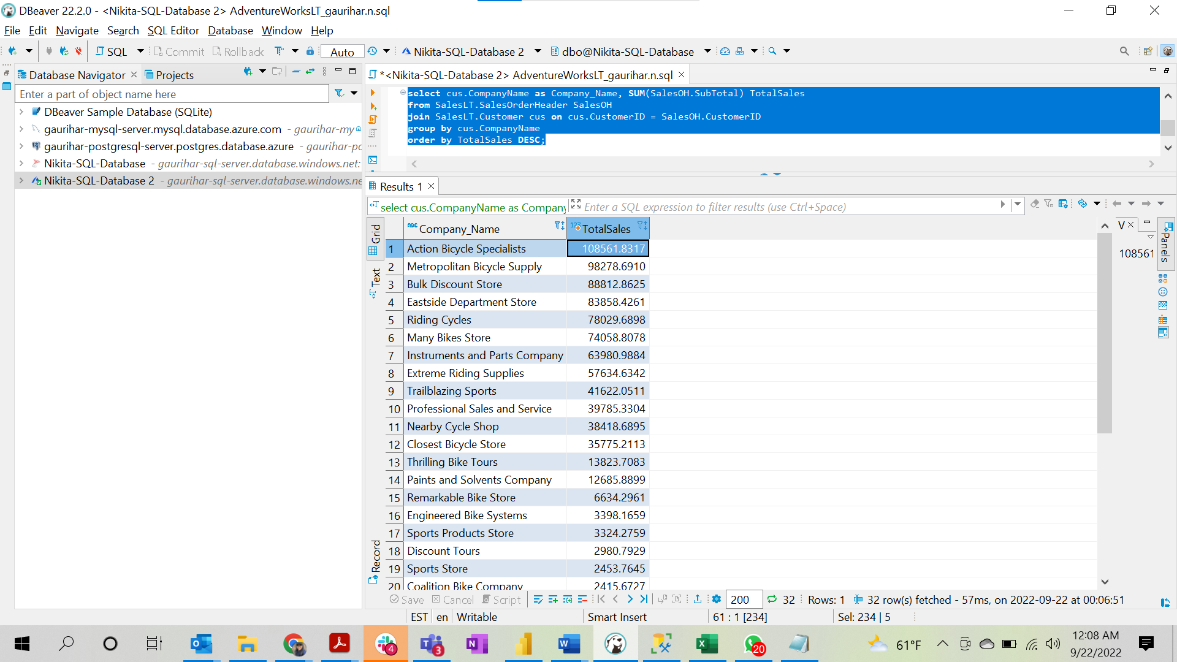
Query
select cus.CompanyName as Company_Name, SUM(SalesOH.SubTotal) TotalSales from SalesLT.SalesOrderHeader SalesOH join SalesLT.Customer cus on cus.CustomerID = SalesOH.CustomerID group by cus.CompanyName order by TotalSales DESC;

Solution

Company_Name | TotalSales
Action Bicycle Specialists | 108561.8317
Metropolitan Bicycle Supply | 98278.691
Bulk Discount Store | 88812.8625
Eastside Department Store | 83858.4261
Riding Cycles | 78029.6898
Many Bikes Store | 74058.8078
Instruments and Parts Company | 63980.9884
Extreme Riding Supplies | 57634.6342
Trailblazing Sports | 41622.0511
Professional Sales and Service | 39785.3304
Nearby Cycle Shop | 38418.6895
Closest Bicycle Store | 35775.2113
Thrilling Bike Tours | 13823.7083
Paints and Solvents Company | 12685.8899
Remarkable Bike Store | 6634.2961
Engineered Bike Systems | 3398.1659
Sports Products Store | 3324.2759
Discount Tours | 2980.7929
Sports Store | 2453.7645
Coalition Bike Company | 2415.6727
Aerobic Exercise Company | 2137.231
Tachometers and Accessories | 2016.3408
Thrifty Parts and Sales | 1141.5782
Vigorous Sports Store | 1059.31
Good Toys | 880.3484
Transport Bikes | 602.1946
Channel Outlet | 550.386
Futuristic Bikes | 246.7392
The Bicycle Accessories Company | 106.5408
West Side Mart | 78.81
Essential Bike Works | 40.9045
Central Bicycle Specialists | 38.9536

9
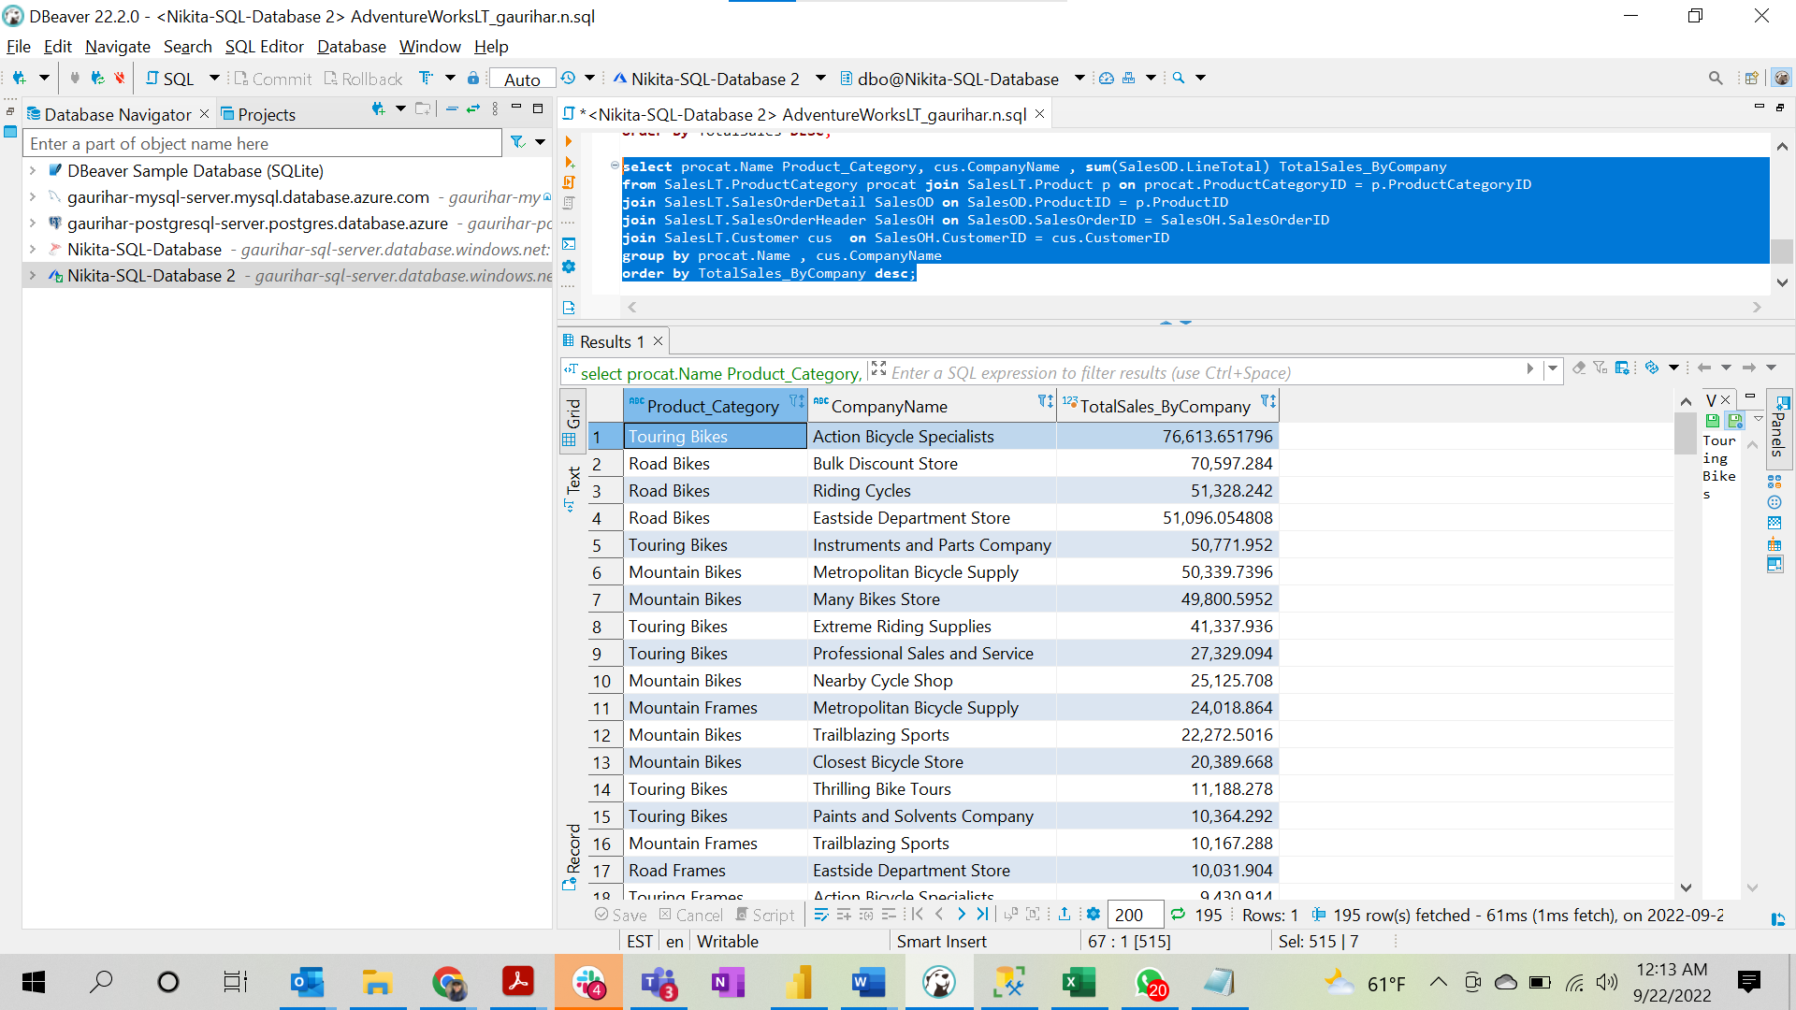
Query
select procat.Name Product_Category, cus.CompanyName , sum(SalesOD.LineTotal) TotalSales_ByCompany from SalesLT.ProductCategory procat join SalesLT.Product p on procat.ProductCategoryID = p.ProductCategoryID join SalesLT.SalesOrderDetail SalesOD on SalesOD.ProductID = p.ProductID join SalesLT.SalesOrderHeader SalesOH on SalesOD.SalesOrderID = SalesOH.SalesOrderID join SalesLT.Customer cus on SalesOH.CustomerID = cus.CustomerID group by procat.Name , cus.CompanyName order by TotalSales_ByCompany desc;

Soluton:

Product_Category | CompanyName | TotalSales_ByCompany
Touring Bikes | Action Bicycle Specialists | 76,613.65
Road Bikes | Bulk Discount Store | 70,597.28
Road Bikes | Riding Cycles | 51,328.24
Road Bikes | Eastside Department Store | 51,096.05
Touring Bikes | Instruments and Parts Company | 50,771.95
Mountain Bikes | Metropolitan Bicycle Supply | 50,339.74
Mountain Bikes | Many Bikes Store | 49,800.60
Touring Bikes | Extreme Riding Supplies | 41,337.94
Touring Bikes | Professional Sales and Service | 27,329.09
Mountain Bikes | Nearby Cycle Shop | 25,125.71
Mountain Frames | Metropolitan Bicycle Supply | 24,018.86
Mountain Bikes | Trailblazing Sports | 22,272.50
Mountain Bikes | Closest Bicycle Store | 20,389.67
Touring Bikes | Thrilling Bike Tours | 11,188.28
Touring Bikes | Paints and Solvents Company | 10,364.29
Mountain Frames | Trailblazing Sports | 10,167.29
Road Frames | Eastside Department Store | 10,031.90
Touring Frames | Action Bicycle Specialists | 9,430.91
Road Frames | Riding Cycles | 9,029.71
Mountain Frames | Closest Bicycle Store | 7,659.22
Mountain Frames | Many Bikes Store | 7,221.32
Touring Frames | Extreme Riding Supplies | 6,423.56
Road Bikes | Remarkable Bike Store | 5,426.96
Mountain Frames | Nearby Cycle Shop | 3,937.58
Road Bikes | Sports Products Store | 2,640.56
Touring Frames | Professional Sales and Service | 2,609.44
Touring Bikes | Engineered Bike Systems | 2,604.76
Road Bikes | Discount Tours | 2,041.19
Cranksets | Metropolitan Bicycle Supply | 1,773.85
Jerseys | Eastside Department Store | 1,567.45
Road Frames | Aerobic Exercise Company | 1,475.36
Jerseys | Riding Cycles | 1,433.60
Mountain Bikes | Tachometers and Accessories | 1,376.99
Road Frames | Bulk Discount Store | 1,320.79
Jerseys | Action Bicycle Specialists | 1,178.17
Cranksets | Instruments and Parts Company | 1,150.16
Mountain Frames | Coalition Bike Company | 1,126.62
Vests | Action Bicycle Specialists | 1,067.91
Shorts | Metropolitan Bicycle Supply | 1,060.88
Mountain Bikes | Sports Store | 991.1868
Road Frames | Thrifty Parts and Sales | 916.128
Vests | Eastside Department Store | 878.68125
Road Frames | Vigorous Sports Store | 858.9
Mountain Frames | Sports Store | 818.7
Vests | Riding Cycles | 801.21125
Jerseys | Professional Sales and Service | 783.45
Bike Racks | Riding Cycles | 720
Road Frames | Good Toys | 713.796
Helmets | Eastside Department Store | 702.945601
Derailleurs | Metropolitan Bicycle Supply | 638.85
Touring Frames | Instruments and Parts Company | 602.346
Pedals | Bulk Discount Store | 587.964
Shorts | Many Bikes Store | 587.916
Jerseys | Many Bikes Store | 568.692
Shorts | Closest Bicycle Store | 559.164108
Cranksets | Trailblazing Sports | 558.876
Shorts | Nearby Cycle Shop | 545.922
Mountain Bikes | Coalition Bike Company | 529.4928
Pedals | Eastside Department Store | 490.782
Helmets | Action Bicycle Specialists | 490.587792
Cranksets | Professional Sales and Service | 485.988
Vests | Many Bikes Store | 457.2
Helmets | Riding Cycles | 448.599792
Touring Bikes | Transport Bikes | 445.41
Jerseys | Bulk Discount Store | 441.516
Bike Racks | Action Bicycle Specialists | 432
Pedals | Riding Cycles | 416.274
Pedals | Metropolitan Bicycle Supply | 390.36
Bottom Brackets | Metropolitan Bicycle Supply | 388.758
Bottom Brackets | Instruments and Parts Company | 388.758
Vests | Professional Sales and Service | 381
Vests | Bulk Discount Store | 342.9
Shorts | Tachometers and Accessories | 335.952
Helmets | Professional Sales and Service | 335.904
Hydration Packs | Riding Cycles | 329.94
Derailleurs | Professional Sales and Service | 328.416
Bottom Brackets | Professional Sales and Service | 323.97
Hydration Packs | Professional Sales and Service | 296.946
Hydration Packs | Action Bicycle Specialists | 296.946
Hydration Packs | Eastside Department Store | 296.946
Handlebars | Metropolitan Bicycle Supply | 292.656
Bike Racks | Many Bikes Store | 288
Saddles | Metropolitan Bicycle Supply | 284.472
Helmets | Many Bikes Store | 272.922
Gloves | Eastside Department Store | 264.492
Pedals | Aerobic Exercise Company | 257.532
Brakes | Metropolitan Bicycle Supply | 255.6
Saddles | Trailblazing Sports | 251.04
Gloves | Riding Cycles | 249.798
Pedals | Many Bikes Store | 231.618
Hydration Packs | Bulk Discount Store | 230.958
Helmets | Bulk Discount Store | 230.934
Jerseys | Discount Tours | 226.758
Bottom Brackets | Trailblazing Sports | 218.682
Bike Racks | Channel Outlet | 216
Bike Racks | Bulk Discount Store | 216
Bike Racks | Professional Sales and Service | 216
Shorts | Trailblazing Sports | 209.97
Jerseys | Channel Outlet | 194.364
Handlebars | Nearby Cycle Shop | 183.618
Hydration Packs | Many Bikes Store | 164.97
Derailleurs | Instruments and Parts Company | 164.682
Gloves | Action Bicycle Specialists | 161.634
Pedals | Closest Bicycle Store | 158.73
Jerseys | Engineered Bike Systems | 157.17
Handlebars | Many Bikes Store | 146.466
Handlebars | Riding Cycles | 144.324
Bike Racks | Eastside Department Store | 144
Handlebars | Closest Bicycle Store | 136.038
Brakes | Thrilling Bike Tours | 127.8
Brakes | Trailblazing Sports | 127.8
Jerseys | Thrilling Bike Tours | 124.776
Jerseys | Coalition Bike Company | 124.776
Vests | Channel Outlet | 114.3
Vests | Discount Tours | 114.3
Vests | Futuristic Bikes | 114.3
Pedals | Trailblazing Sports | 97.188
Pedals | Nearby Cycle Shop | 97.182
Jerseys | Paints and Solvents Company | 97.182
Saddles | Instruments and Parts Company | 94.752
Socks | The Bicycle Accessories Company | 93.114824
Gloves | Metropolitan Bicycle Supply | 88.164
Socks | Remarkable Bike Store | 82.610908
Pedals | Sports Store | 74.508
Pedals | Discount Tours | 72.882
Handlebars | Eastside Department Store | 72.162
Handlebars | Bulk Discount Store | 72.162
Bike Racks | Discount Tours | 72
Cleaners | Riding Cycles | 70.615875
Socks | Sports Products Store | 66.997076
Saddles | Many Bikes Store | 64.128
Brakes | Instruments and Parts Company | 63.9
Brakes | Paints and Solvents Company | 63.9
Brakes | Professional Sales and Service | 63.9
Brakes | Engineered Bike Systems | 63.9
Brakes | West Side Mart | 63.9
Handlebars | Trailblazing Sports | 63.876
Saddles | Riding Cycles | 63.168
Saddles | Action Bicycle Specialists | 63.168
Jerseys | Futuristic Bikes | 59.988
Jerseys | Trailblazing Sports | 59.988
Caps | Eastside Department Store | 56.209076
Handlebars | Extreme Riding Supplies | 54.942
Derailleurs | Transport Bikes | 54.894
Derailleurs | Thrilling Bike Tours | 54.894
Derailleurs | Trailblazing Sports | 54.894
Caps | Professional Sales and Service | 53.94
Caps | Action Bicycle Specialists | 53.94
Pedals | Coalition Bike Company | 48.594
Pedals | Sports Products Store | 48.588
Saddles | Closest Bicycle Store | 47.856
Cleaners | Professional Sales and Service | 47.7
Saddles | Futuristic Bikes | 46.968
Cleaners | Action Bicycle Specialists | 38.16
Cleaners | Eastside Department Store | 38.16
Vests | Paints and Solvents Company | 38.1
Socks | Essential Bike Works | 37.758
Chains | Metropolitan Bicycle Supply | 36.432
Chains | Trailblazing Sports | 36.432
Hydration Packs | Nearby Cycle Shop | 32.994
Socks | Bulk Discount Store | 32.364
Caps | Riding Cycles | 32.364
Saddles | Central Bicycle Specialists | 31.584
Saddles | Professional Sales and Service | 31.584
Saddles | Extreme Riding Supplies | 31.584
Bottles and Cages | Action Bicycle Specialists | 31.199476
Bottles and Cages | Riding Cycles | 31.199476
Bottles and Cages | Eastside Department Store | 29.94
Gloves | Bulk Discount Store | 29.388
Gloves | Many Bikes Store | 29.388
Cleaners | Bulk Discount Store | 28.62
Handlebars | Coalition Bike Company | 26.724
Pedals | Remarkable Bike Store | 24.294
Bottles and Cages | Bulk Discount Store | 23.952
Cleaners | Many Bikes Store | 23.85
Caps | Paints and Solvents Company | 21.576
Caps | Engineered Bike Systems | 21.576
Helmets | Metropolitan Bicycle Supply | 20.994
Helmets | Sports Products Store | 20.994
Bottles and Cages | Many Bikes Store | 20.958
Bottles and Cages | Professional Sales and Service | 17.964
Caps | Many Bikes Store | 16.182
Caps | Thrilling Bike Tours | 16.182
Socks | Riding Cycles | 16.182
Gloves | Professional Sales and Service | 14.694
Chains | Instruments and Parts Company | 12.144
Chains | Thrilling Bike Tours | 12.144
Tires and Tubes | Action Bicycle Specialists | 10.992
Socks | Thrifty Parts and Sales | 10.788
Tires and Tubes | Riding Cycles | 8.244
Tires and Tubes | Eastside Department Store | 8.244
Socks | Eastside Department Store | 5.394
Caps | Bulk Discount Store | 5.394
Cleaners | Thrilling Bike Tours | 4.77
Bottles and Cages | The Bicycle Accessories Company | 2.994

