Dashboard
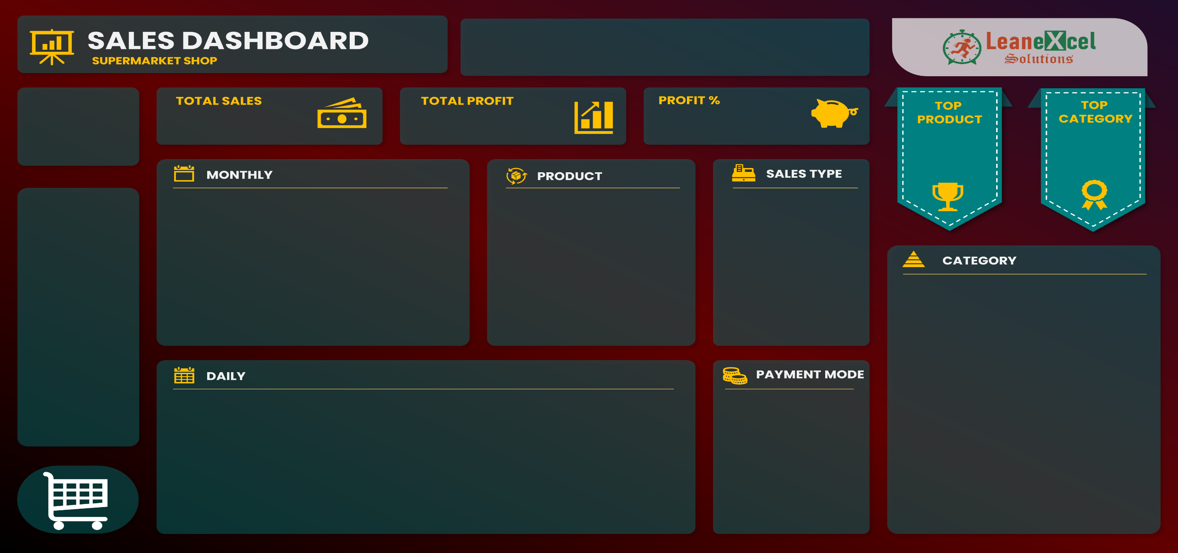
 | Total
1 | $13,167.81
2 | $13,210.22
3 | $20,202.10
4 | $11,312.20
5 | $11,711.45
6 | $14,365.54
7 | $7,132.79
8 | $14,262.46
9 | $16,824.67
10 | $15,229.35
11 | $11,915.58
12 | $14,837.36
13 | $8,084.26
14 | $9,461.14
15 | $12,189.70
16 | $12,762.63
17 | $3,659.24
18 | $18,582.39
19 | $10,204.23
20 | $20,482.78
21 | $10,665.40
22 | $11,315.84
23 | $18,818.19
24 | $11,488.40
25 | $18,688.43
26 | $13,710.08
27 | $11,440.67
28 | $13,306.16
29 | $8,794.48
30 | $16,666.27
31 | $7,065.30
 | Sales | Profit
Jan | $41,347 | $7,057
Feb | $30,857 | $5,516
Mar | $28,617 | $5,180
Apr | $26,579 | $5,297
May | $30,910 | $4,384
Jun | $30,534 | $5,655
Jul | $35,252 | $5,374
Aug | $35,350 | $5,519
Sep | $35,243 | $6,485
Oct | $33,501 | $5,659
Nov | $36,124 | $6,818
Dec | $37,243 | $5,977
 | Total
Direct Sales | 208140.15
Online | 133923.87
Wholesaler | 59493.1
 | Total
Cash | 199662.1
Online | 201895.02
Product35 | 703.5
Product36 | 7222.5
Product37 | 5145.6
Product38 | 8871.12
Product39 | 3957.15
Product40 | 7718.4
Product41 | 22952.16
Product42 | 20574
Product43 | 6064.84
Product44 | 16333.92
$4,01,557
21%
$68,921
Profit %
Profit
Sales
Product41
Ft
22952.16
Category04
95269.4
 |  |  | 23

TRUE | TRUE | FALSE

