Defects
Defect # | Story/Component | Defect Description | Steps to Reproduce | Status | Severity | Impact | Comments | Actions
D0001 | Signup | No error message when user Singup without entering username,Email and password | 1.Navigate to signup page. 2.Signup without entering any username,email and password. Expected :Error messages display after the user signup without entering any name,Email,password. Actual: No error messages is displaying. | Open | Medium | Medium | Low Impact | 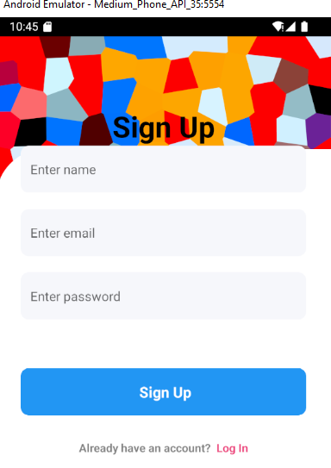
D0002 | Signup | Generic Error message is displayed when user signup with valid name & password but invalid email | 1.Navigate to signup page. 2.Signup with valid name & password but invalid email Expected :Invalid email error message is displayed to user. Actual: Generic error message is displayed. | Open | Medium | Medium | Medium Impact | 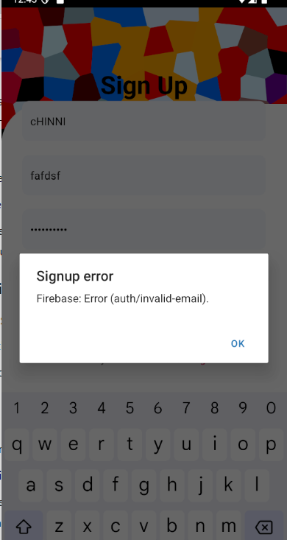
D0003 | Signup | User is able to inject HTML code in the name field | 1.Navigate to signup page. 2. Signup with name containing special characters (Example: <> $%^) Expected :User is unable to enter special characters or display error message without proceeding to next page. Actual:User is able to register | Open | Medium | Medium | High Impact | 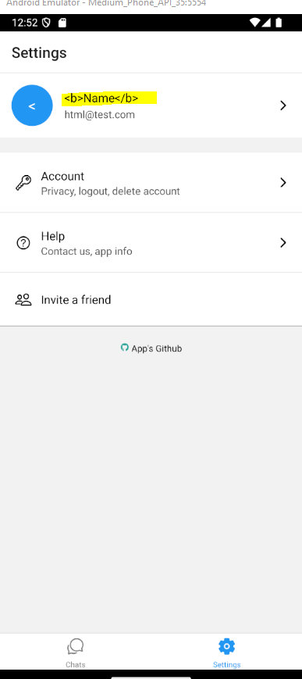
D0004 | Signup | App is not visually Accessible | 1.Navigate to signup page. Expected :All elements on the signup page are easy to visualised. Actual:Color contrast, the "Sign Up" letters are difficult to read This could be because elements are push up and the UI breaks | Open | Medium | Medium | High Impact
D0005 | Signin | No "Forgot Password" Option | 1.Navigate to the login page. 2.Enter a valid username. 3.Enter an invalid password. 4.Click on the "Login" button. Expected Result: The user shoud be presented with a "Forgot Password" option to recover or reset their password. Actual Result: The user is stuck on the login screen with no option to recover their password, making it impossible to proceed further. | Open | High | High | This issue can lead to user frustration and may result in increased support requests, as users cannot proceed without remembering their passwords. Implementing a "Forgot Password" button is crucial for usability and user experience. | 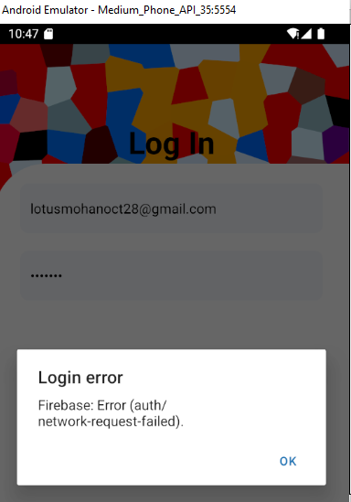 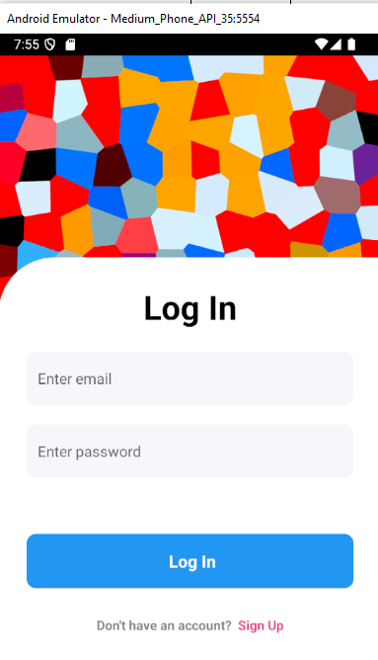
D0006 | Signin | Missing Error Message on Login Attempt with Empty Credentials | 1.Navigate to the login page. 2.Leave both the username and password fields empty. 3.Click on the "Login" button. Expected Result:The application should display a clear error message indicating that both the username and password fields are required to proceed with the login attempt. Actual Result: No error message is displayed, and the application does not provide any feedback, leaving the user unaware of the missing required fields. | Open | Medium | High | Providing immediate feedback to users when mandatory fields are left blank is essential for a smooth user experience. The absence of error messages may lead to user frustration and confusion, as they are not informed of the necessary steps to correct their input and complete the login process.
D0007 | Signin | Generic Error Message when user login with invalid email | 1.Navigate to the login page. 2.Enter valid credentials for an existing account. 3.Delete the account using the account settings or administration panel. 4.Attempt to log in again using the deleted account's credentials. Expected Result: The application should display a clear error message stating that the username is invalid because the account no longer exists. Actual Result: A generic error message is displayed, which does not inform the user that the account has been deleted. | Open | Medium | Medium | Displaying a specific error message indicating that the username is invalid or that the account no longer exists would provide users with clearer guidance and reduce confusion. A more informative error message can help prevent unnecessary support requests and improve the overall user experience. | 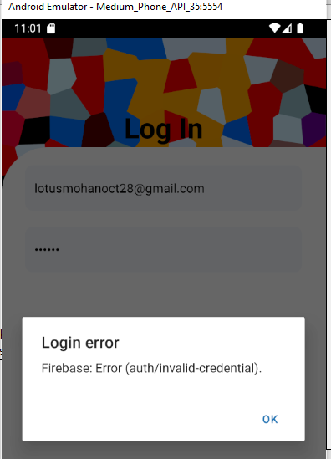
D0008 | Profiles | User is unable to Edit Profile Name. | 1.Navigate to the user profile page. 2.Click on the "Edit Profile" option. 3.Click on the edit icon next to the user's name. Expected Result: User is able to edit Name. Actual Result: User is uable to edit Name instead an alert popup message displayed. | Open | High | High | The inability to edit the user's name directly from the profile page can lead to frustration and an inability to update personal information. This functionality is crucial for maintaining accurate and up-to-date user data. Providing a text box for editing is essential for improving the user experience. | 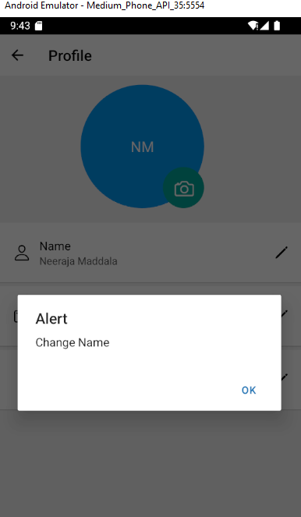
D0009 | Profiles | Unable to Edit Email Address: Alert Box Displayed Instead of Editable Text Box | 1.Navigate to the user profile page. 2.Click on the "Edit Profile" option. 3.Click on the edit icon next to the email address. Expected Result: Clicking the edit icon should open a text box or input field allowing the user to modify their email address directly. Actual Result: An alert box is displayed, and no text box or input field is provided, preventing the user from editing their email address. | Open | High | High | The inability to update the email address directly can lead to user frustration and hinder effective communication. Allowing users to easily update their email information is essential for maintaining accurate user data and ensuring account recovery options are up to date. Implementing a text box for email editing is crucial for enhancing the user experience. | 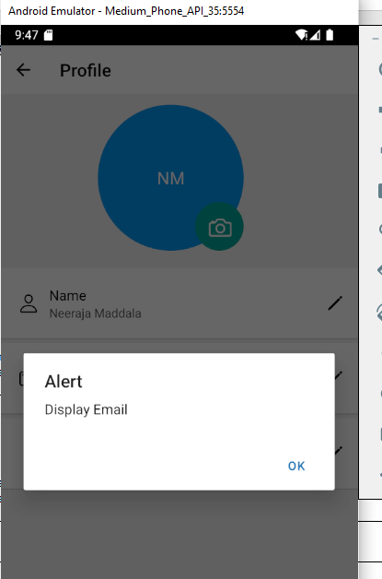
D0010 | Profiles | User is unable to edit "About" section | 1.Navigate to the user profile page. 2.Click on the "Edit Profile" option. 3.Click on the edit icon next to the "About" section. Expected Result: User is able to edit "About" section. Actual Result: User is unable to edit "About" section. | Open | Medium | Medium | The inability to view or edit the "About" section's existing information may lead to user frustration, as they cannot update or confirm their personal details. Ensuring that the page displays current information is essential for maintaining user engagement and accurate profile content. Fixing this issue will improve the user experience and usability of the profile editing functionality. | 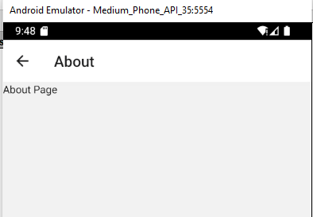
D0011 | Settings | User is unable to change profile photo. | 1.Navigate to the user profile page. 2.Click on the "Edit Profile" option. 3.Click on the edit icon next to the "Profile photo" section. Expected Result: User is able to edit "Profile Photo" section. Actual Result: User is unable to edit "Profile photo" section. | Open | High | Medium | The inability to view or edit the "Profile Photo" section's existing information may lead to user frustration, as they cannot update or confirm their personal details. Ensuring that the page displays current information is essential for maintaining user engagement and accurate profile content. Fixing this issue will improve the user experience and usability of the profile editing functionality. | 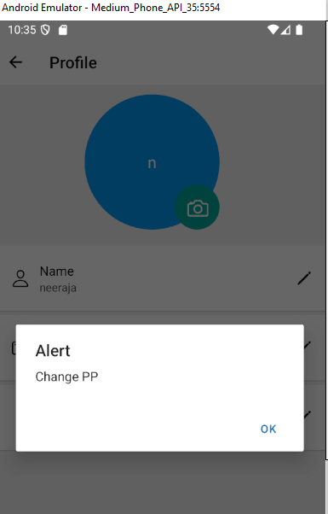
D0012 |  |  | contatct us | Open | High | Medium |  | 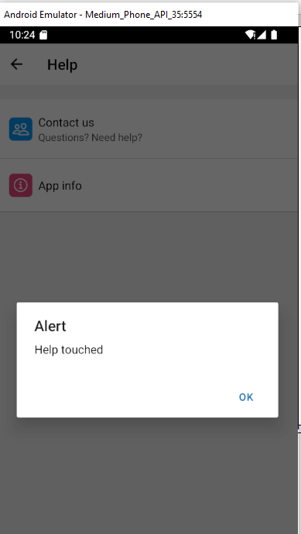
D0013 |  |  | app info | Open | High | Medium | 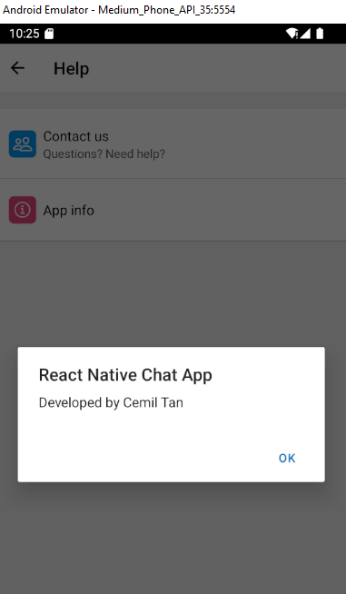
D0014 |  |  | invite a friend | Open | High | Medium |  | 