Defects
Defect # | Story/Component | Defect Description | Steps to Reproduce | Status | Severity | Impact | Comments | Actions | Evidence
D001 | Sign Up | Only 2 out of 4 required fields are validated | 1.Open URL:https://qa-practice.netlify.app/bugs-form 2.Enter only Password &Phone number 3.Click on Register Actual : User is successfully registered. Expected: User is Unable to register. | Open | High | High | This could lead to Data & Security issues | Run defect triage session with the Team. | 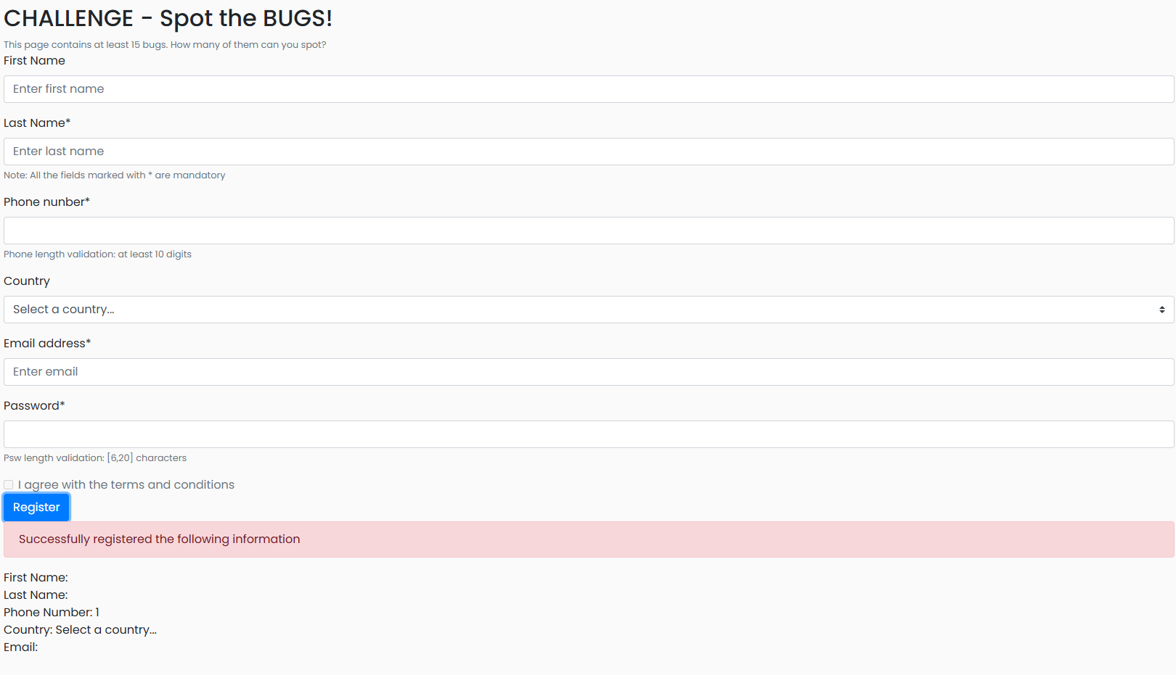
D002 | Sign Up | User is able to register with invalid data on required fields. | 1.Open URL:https://qa-practice.netlify.app/bugs-form 2.Enter Blank spaces on Phone number & Password fields. 3.Click on Register Actual : User is successfully registered. Expected: User is Unable to register. | Open | High | High | This could lead to Data & Security issues | Run defect triage session with the Team.

 |  |  |  |  |  |  |  | 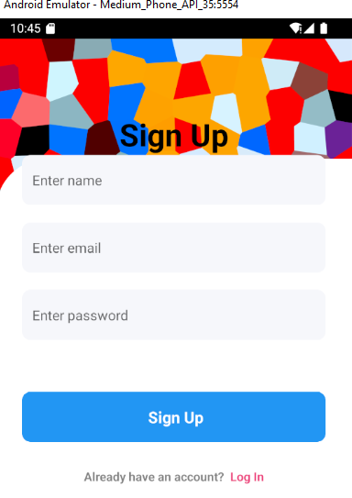
 |  |  |  |  |  |  |  | 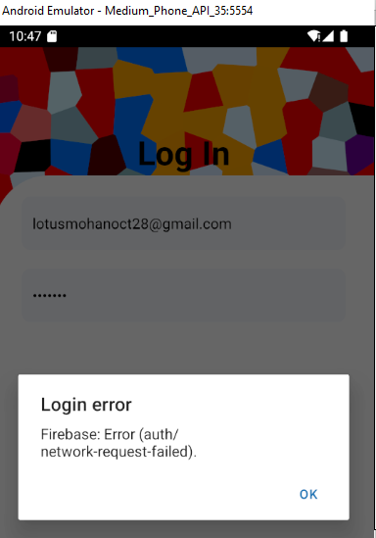 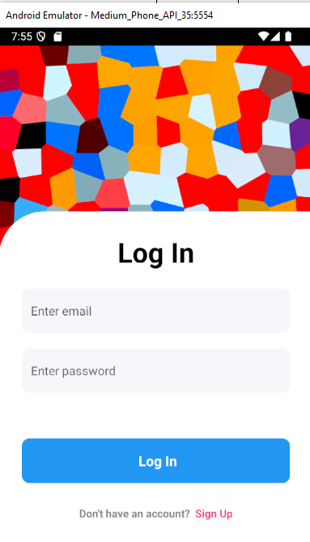

 |  |  |  |  |  |  |  | 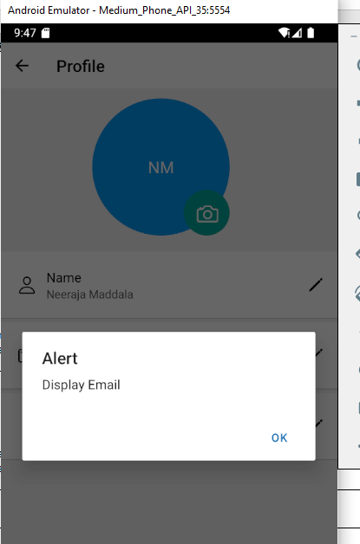
 |  |  |  |  |  |  |  | 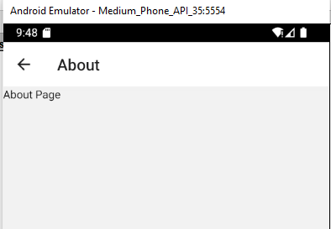
 |  |  |  |  |  |  |  | 