Sheet
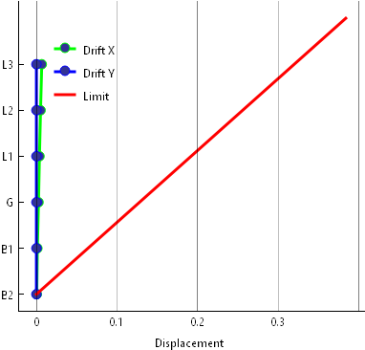
Story | X | Y
B2 | 0.000419 | 0
B1 | 0.001179 | 0
G | 0.002588 | 0
L1 | 0.003772 | 0
L2 | 0.005137 | 0
L3 | 0.006615 | 0

