Sheet
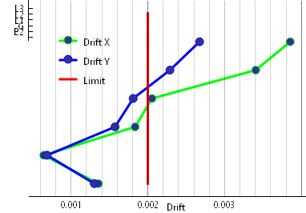
Story | X | Y
B1 | 0.001356 | 0.001303
B2 | 0.000645 | 0.000688
G | 0.001835 | 0.001573
L1 | 0.002054 | 0.001809
L2 | 0.003406 | 0.002288
L3 | 0.003855 | 0.002674

