Sheet
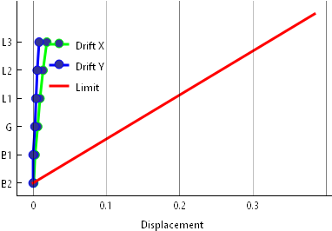
Story | X | Y
B2 | 0.000877 | 0
B1 | 0.002698 | 0
G | 0.006253 | 0.002547
L1 | 0.00937 | 0.003992
L2 | 0.013521 | 0.005641
L3 | 0.018716 | 0.008171

