Sheet
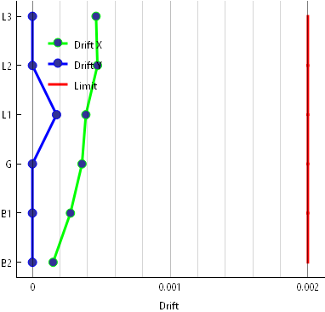
Story | X | Y
B2 | 0.00015 | 0
B1 | 0.000276 | 0
G | 0.00036 | 0
L1 | 0.000388 | 0.000175
L2 | 0.000472 | 0
L3 | 0.000462 | 0

