Sheet
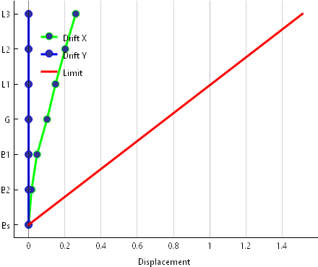
Story | X | Y
Bs | 0 | 0
B2 | 0.016486 | 0
B1 | 0.046425 | 0
G | 0.101896 | 0
L1 | 0.148517 | 0
L2 | 0.202233 | 0
L3 | 0.260445 | 0

