Sheet
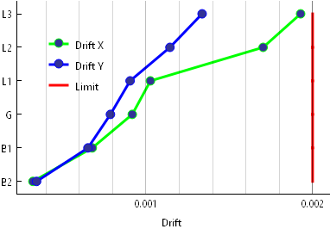
Story | X | Y
B2 | 0.000322 | 0.000344
B1 | 0.000678 | 0.000652
G | 0.000918 | 0.000787
L1 | 0.001027 | 0.000905
L2 | 0.001703 | 0.001144
L3 | 0.001928 | 0.001337

