Sheet1
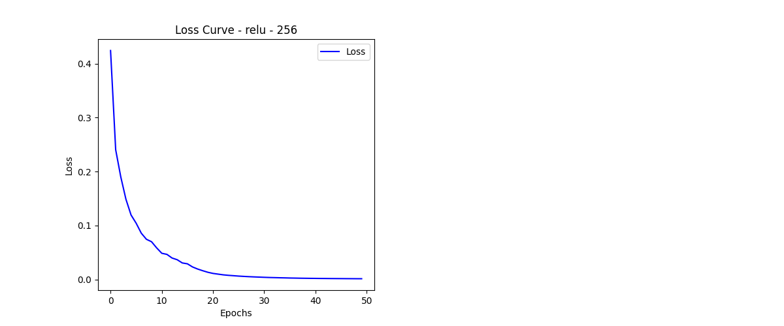
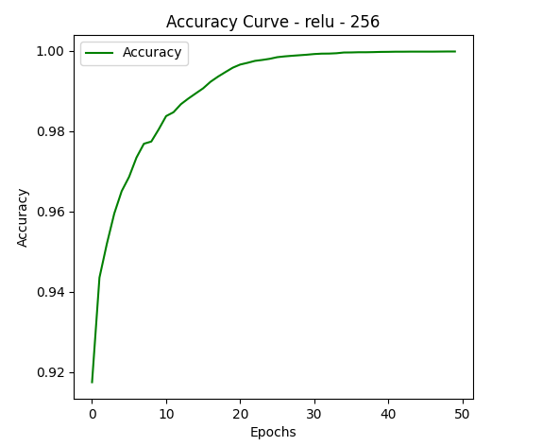
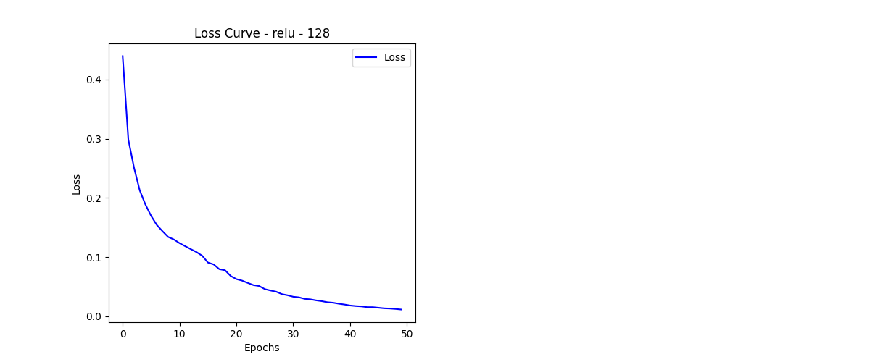
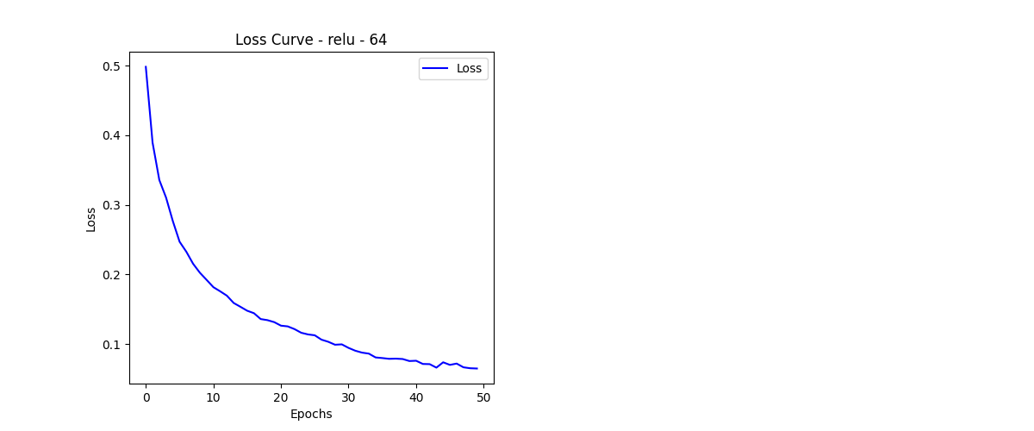
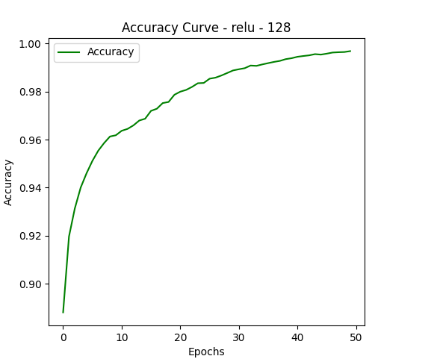
Configuration No. | Activation | Hidden Layer | Loss Curve | Accuracy Curve | Test Accuracy | Confusion Matrix | Execution Time
1 | relu | 256 |  |  | 0.9611 | [[ 958 0 2 3 1 3 5 1 4 3] [ 0 1120 3 1 0 2 2 1 6 0] [ 7 3 983 10 3 3 4 9 9 1] [ 1 0 5 977 0 8 0 10 7 2] [ 2 0 11 1 941 0 4 4 5 14] [ 3 0 2 19 3 844 8 1 8 4] [ 5 3 4 1 5 8 926 0 4 2] [ 1 4 8 4 5 0 0 996 2 8] [ 9 0 5 10 3 10 4 4 921 8] [ 4 2 2 3 15 9 2 11 15 946]] | 370.90 sec
2 | relu | 128 |  |  | 0.9527 | [[ 957 0 5 3 2 4 3 2 2 2] [ 0 1118 3 0 1 2 4 4 3 0] [ 10 2 983 7 6 2 4 11 6 1] [ 0 5 7 955 0 17 1 4 15 6] [ 4 3 3 0 939 0 5 5 6 17] [ 2 0 0 17 1 848 6 3 10 5] [ 8 4 4 1 10 18 905 2 5 1] [ 0 6 18 5 3 3 0 982 1 10] [ 5 5 9 13 9 14 1 6 901 11] [ 5 5 4 8 24 8 1 11 11 932]] | 282.46 sec
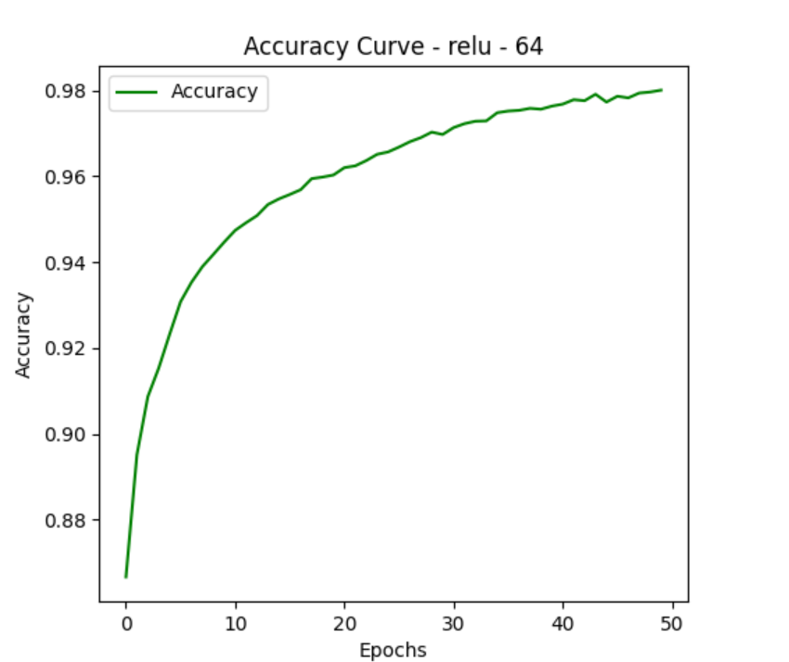
3 | relu | 64 |  |  | 0.9525 | [[ 966 0 3 0 1 3 3 1 2 1] [ 0 1118 1 2 1 1 1 2 9 0] [ 4 5 981 6 5 2 4 9 16 0] [ 3 1 10 922 1 47 0 6 13 7] [ 2 2 2 1 934 4 6 1 5 25] [ 3 1 0 6 0 854 7 1 15 5] [ 12 3 7 0 5 16 905 0 10 0] [ 1 3 9 2 5 0 1 990 2 15] [ 9 1 11 13 9 8 7 3 903 10] [ 6 4 4 5 19 7 1 5 11 947]] | 224.00 sec
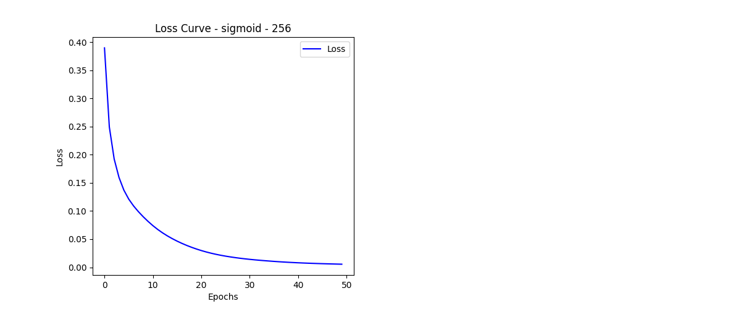
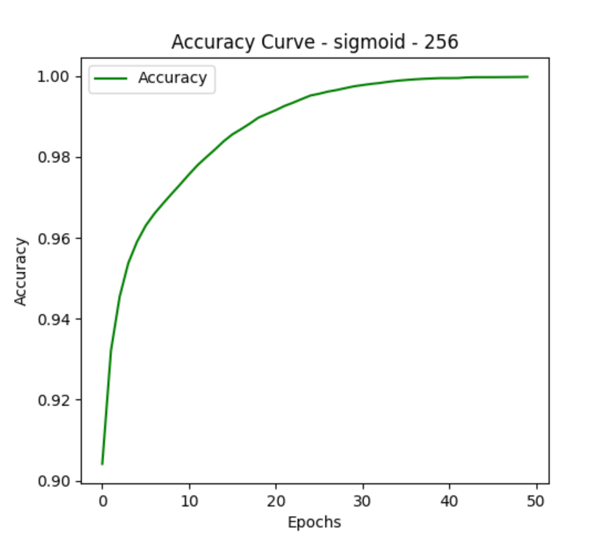
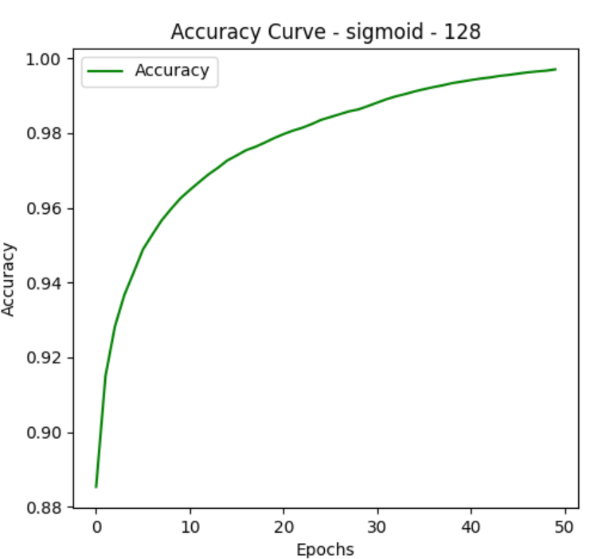
4 | sigmoid | 256 |  |  | 0.9574 | [[ 960 0 1 2 2 4 3 1 3 4] [ 0 1117 3 3 0 2 3 1 6 0] [ 5 1 983 12 4 1 3 9 14 0] [ 2 1 10 965 1 13 1 9 5 3] [ 0 0 6 2 942 0 1 6 1 24] [ 4 0 4 14 1 852 6 2 5 4] [ 7 3 4 0 12 22 904 1 5 0] [ 1 5 10 4 2 0 0 981 4 21] [ 4 2 8 10 6 13 5 2 917 7] [ 2 5 2 6 14 6 2 8 11 953]] | 385.00 sec
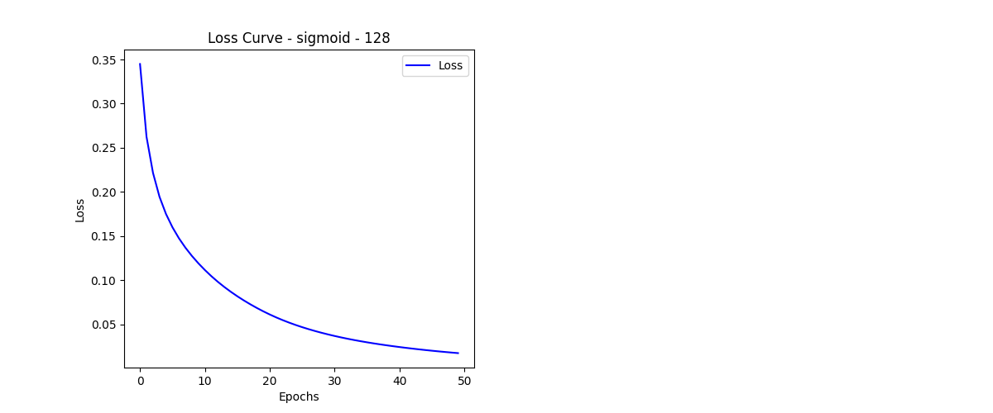
5 | sigmoid | 128 |  |  | 0.9561 | [[ 956 0 2 0 1 9 3 3 3 3] [ 0 1123 3 2 1 0 0 1 5 0] [ 5 1 987 5 7 1 6 10 9 1] [ 0 2 11 958 1 13 1 6 14 4] [ 2 0 2 0 951 2 4 4 1 16] [ 6 2 1 16 2 848 4 1 8 4] [ 9 4 4 0 15 12 910 0 4 0] [ 2 6 12 6 9 2 0 971 1 19] [ 7 1 7 7 5 8 4 6 922 7] [ 5 6 3 6 29 11 1 7 6 935]] | 286.86 sec
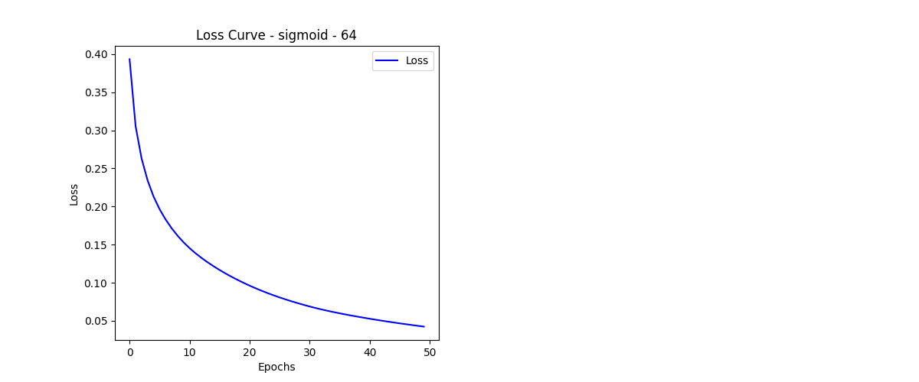
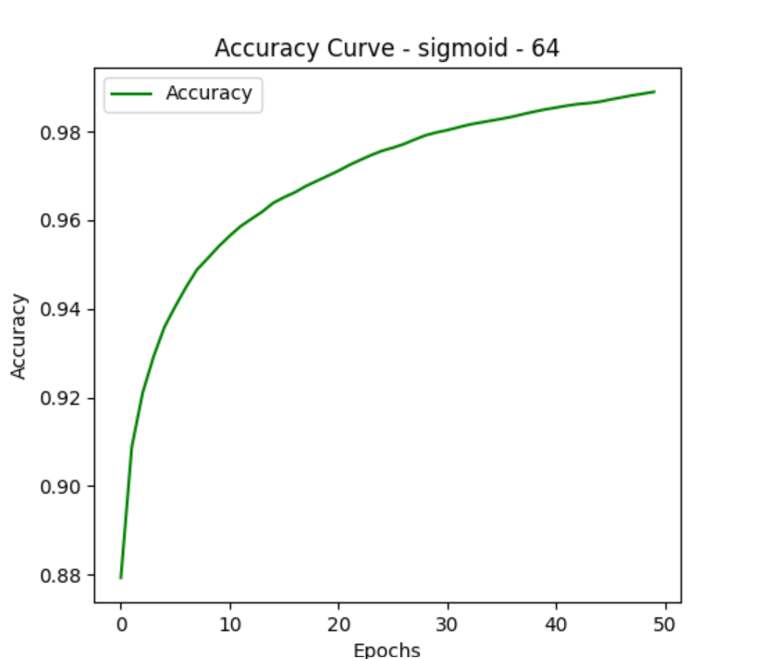
6 | sigmoid | 64 |  |  | 0.9566 | [[ 963 0 1 0 0 7 2 2 2 3] [ 0 1117 3 0 1 1 4 1 6 2] [ 5 7 974 17 3 3 4 6 12 1] [ 0 1 7 974 0 13 0 3 5 7] [ 4 0 1 2 939 2 7 2 5 20] [ 4 1 2 16 0 850 5 1 9 4] [ 10 2 4 2 11 11 912 1 4 1] [ 2 4 16 8 3 2 0 974 3 16] [ 7 0 7 20 4 12 5 4 906 9] [ 7 4 1 8 14 8 0 7 3 957]] | 222.60 sec
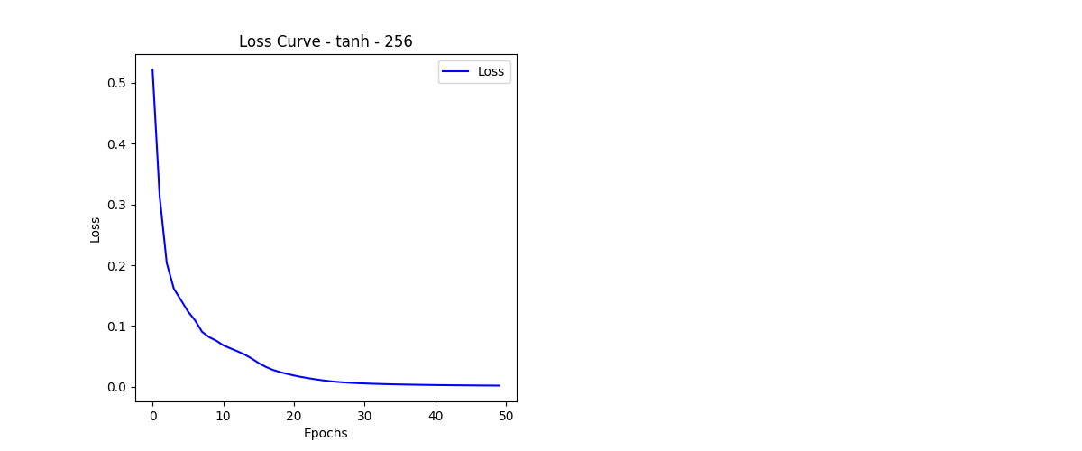
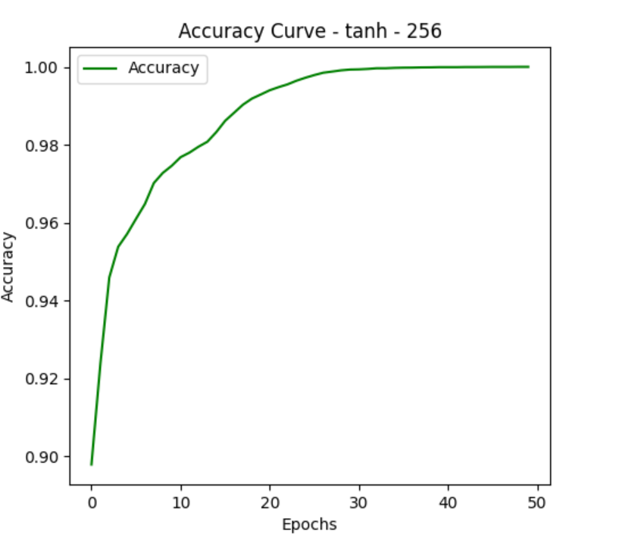
7 | tanh | 256 |  |  | 0.9487 | [[ 965 0 2 3 0 1 4 2 1 2] [ 0 1111 4 2 0 1 3 3 9 2] [ 7 2 960 14 7 3 6 13 17 3] [ 1 0 12 942 2 24 0 7 17 5] [ 1 1 3 0 942 1 6 3 3 22] [ 7 0 1 20 5 836 8 2 7 6] [ 6 3 2 0 9 12 920 1 5 0] [ 0 7 10 7 8 2 0 971 4 19] [ 5 1 7 15 6 11 7 5 907 10] [ 5 4 2 6 23 7 1 10 18 933]] | 381.93 sec
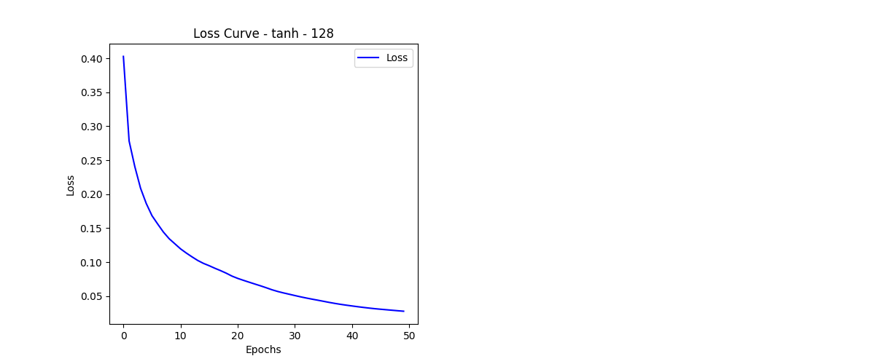
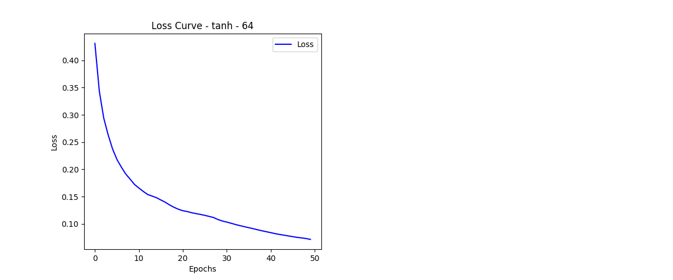
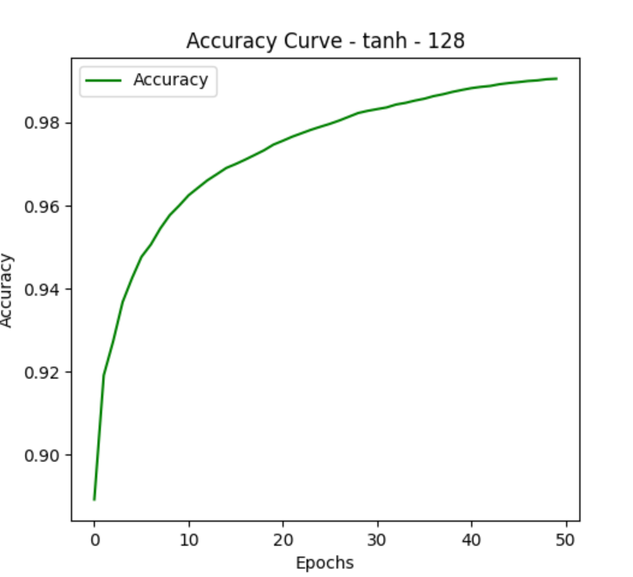
8 | tanh | 128 |  |  | 0.9396 | [[ 933 0 6 0 1 22 5 7 2 4] [ 0 1113 5 1 0 2 3 1 8 2] [ 6 3 973 11 9 3 4 11 11 1] [ 0 1 15 928 0 42 0 7 8 9] [ 2 1 5 0 938 5 3 4 3 21] [ 5 0 0 14 2 849 6 1 10 5] [ 7 5 9 0 12 28 893 1 3 0] [ 3 4 19 4 8 7 0 961 3 19] [ 2 2 11 17 8 33 5 7 881 8] [ 1 4 1 6 27 16 1 17 9 927]] | 285.17 sec
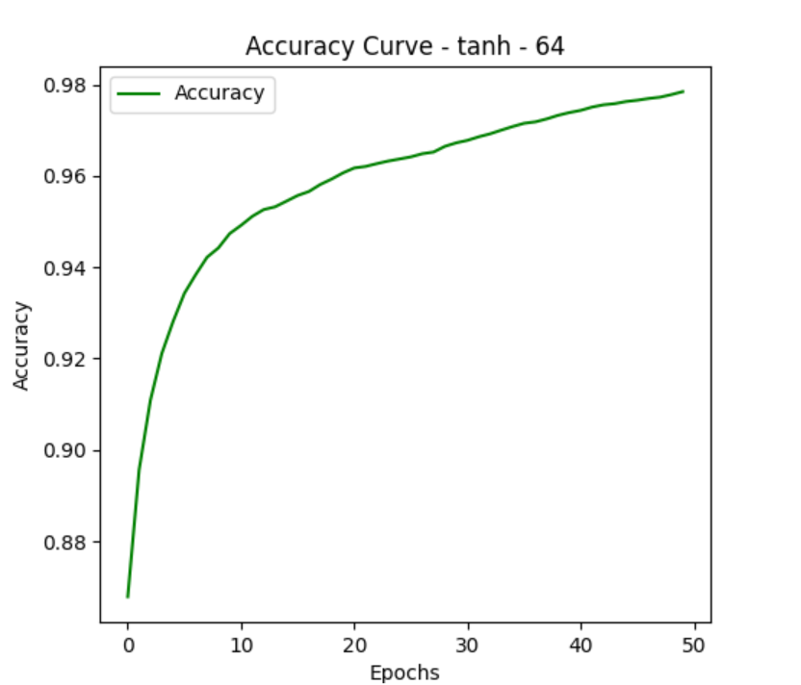
9 | tanh | 64 |  |  | 0.9381 | [[ 952 1 1 0 1 7 10 3 1 4] [ 0 1113 1 6 0 2 3 2 8 0] [ 10 10 950 16 4 6 5 11 16 4] [ 2 3 14 940 1 22 0 7 7 14] [ 0 0 7 2 931 2 5 4 4 27] [ 4 2 1 16 4 840 10 2 7 6] [ 15 1 3 1 12 29 887 1 9 0] [ 1 5 13 10 10 4 0 948 6 31] [ 9 3 11 16 9 19 3 9 882 13] [ 3 1 0 12 30 13 0 9 3 938]] | 220.07 sec

2 | relu | 128 | /content/drive/MyDrive/NN_Hyperparameter_Results/loss_relu_128.png | /content/drive/MyDrive/NN_Hyperparameter_Results/accuracy_relu_128.png | 0.95319998264 | [[ 950 0 3 0 3 3 8 1 4 8] [ 0 1116 4 4 0 0 2 1 7 1] [ 6 6 974 8 6 1 5 10 15 1] [ 1 1 9 961 0 15 0 5 11 7] [ 1 2 7 0 946 1 4 1 2 18] [ 6 1 0 12 1 847 6 2 13 4] [ 9 2 6 0 5 11 919 1 5 0] [ 1 6 21 9 2 3 0 969 2 15] [ 15 0 8 8 7 7 8 7 909 5] [ 5 5 1 3 32 3 1 8 10 941]] | 367.38 sec
3 | relu | 64 | /content/drive/MyDrive/NN_Hyperparameter_Results/loss_relu_64.png | /content/drive/MyDrive/NN_Hyperparameter_Results/accuracy_relu_64.png | 0.94880002737 | [[ 962 0 1 1 3 1 4 1 5 2] [ 0 1121 3 1 1 1 1 2 5 0] [ 7 6 982 12 7 2 3 8 4 1] [ 2 3 13 945 0 20 0 6 15 6] [ 3 2 4 2 945 1 7 0 2 16] [ 6 3 1 16 1 838 4 5 13 5] [ 9 3 6 0 8 27 899 0 5 1] [ 1 8 17 10 11 1 0 965 1 14] [ 8 1 7 19 7 19 4 4 892 13] [ 10 5 3 9 22 7 1 2 11 939]] | 363.11 sec
4 | sigmoid | 256 | /content/drive/MyDrive/NN_Hyperparameter_Results/loss_sigmoid_256.png | /content/drive/MyDrive/NN_Hyperparameter_Results/accuracy_sigmoid_256.png | 0.95529997349 | [[ 960 1 3 0 3 6 4 0 2 1] [ 0 1118 2 3 0 1 5 2 4 0] [ 6 3 977 10 5 3 5 10 12 1] [ 3 0 16 953 1 16 0 4 10 7] [ 0 1 4 3 947 2 2 0 4 19] [ 4 0 2 8 1 862 4 4 4 3] [ 11 4 7 1 11 11 911 0 2 0] [ 1 9 10 6 11 0 0 971 3 17] [ 4 4 7 14 8 11 4 7 906 9] [ 4 2 2 8 21 5 1 8 10 948]] | 364.69 sec
5 | sigmoid | 128 | /content/drive/MyDrive/NN_Hyperparameter_Results/loss_sigmoid_128.png | /content/drive/MyDrive/NN_Hyperparameter_Results/accuracy_sigmoid_128.png | 0.95630002022 | [[ 958 0 1 2 1 11 3 3 0 1] [ 0 1123 3 1 0 2 1 0 4 1] [ 9 2 978 17 3 4 2 6 9 2] [ 4 0 11 946 0 24 0 3 15 7] [ 1 0 3 2 953 1 4 3 1 14] [ 4 0 1 17 1 848 4 3 11 3] [ 11 3 4 2 8 10 915 1 4 0] [ 1 6 14 4 4 0 0 980 4 15] [ 8 2 4 14 5 14 4 4 912 7] [ 5 4 1 7 17 8 1 9 7 950]] | 362.04 sec
1 | relu | 256 | /content/drive/MyDrive/NN_Hyperparameter_Results/loss_relu_256.png | /content/drive/MyDrive/NN_Hyperparameter_Results/accuracy_relu_256.png | 0.95690000057 | [[ 956 0 2 2 1 7 7 2 3 0] [ 0 1118 4 3 1 1 2 0 6 0] [ 4 6 974 13 4 2 5 8 15 1] [ 0 1 8 959 1 16 0 6 10 9] [ 3 1 5 0 941 1 8 3 6 14] [ 1 1 1 23 2 841 10 0 9 4] [ 4 3 2 1 7 10 924 0 7 0] [ 3 6 9 6 1 2 0 982 5 14] [ 1 3 6 10 6 7 5 3 927 6] [ 3 3 4 8 22 6 0 13 3 947]] | 392.24 sec
2 | relu | 128 | /content/drive/MyDrive/NN_Hyperparameter_Results/loss_relu_128.png | /content/drive/MyDrive/NN_Hyperparameter_Results/accuracy_relu_128.png | 0.95639997721 | [[ 957 0 4 1 0 5 4 2 3 4] [ 0 1124 3 3 0 0 2 1 2 0] [ 5 2 977 14 4 2 4 10 12 2] [ 1 2 8 959 0 23 0 2 4 11] [ 2 4 4 0 934 0 12 6 4 16] [ 7 0 1 7 2 848 13 5 6 3] [ 7 2 2 0 4 14 925 1 3 0] [ 2 5 11 5 4 2 0 980 7 12] [ 10 0 4 8 3 10 5 5 917 12] [ 5 5 1 12 23 7 1 8 4 943]] | 284.42 sec
1 |  |  | /content/drive/MyDrive/NN_Hyperparameter_Results/loss_relu_256.png | /content/drive/MyDrive/NN_Hyperparameter_Results/accuracy_relu_256.png |  |  |  | ✅ Results for Combination: Activation: relu Hidden Layer: 256 Test Accuracy: 0.9590 Execution Time: 382.24 sec Confusion Matrix: [[ 962 0 2 1 0 1 7 3 2 2] [ 0 1117 2 3 1 0 4 3 5 0] [ 4 2 985 11 3 2 5 5 12 3] [ 1 1 7 960 0 22 0 4 13 2] [ 0 1 7 1 938 1 5 3 5 21] [ 3 1 0 8 1 858 4 2 10 5] [ 8 2 3 0 7 11 925 1 1 0] [ 2 11 8 9 2 2 0 982 3 9] [ 1 1 8 16 7 17 1 3 913 7] [ 2 3 1 4 14 5 1 15 14 950]]
2 |  |  | /content/drive/MyDrive/NN_Hyperparameter_Results/loss_relu_128.png | /content/drive/MyDrive/NN_Hyperparameter_Results/accuracy_relu_128.png |  |  |  | ✅ Results for Combination: Activation: relu Hidden Layer: 128 Test Accuracy: 0.9563 Execution Time: 284.52 sec Confusion Matrix: [[ 957 0 4 0 0 7 5 1 4 2] [ 0 1121 4 1 0 1 1 3 4 0] [ 5 2 978 4 6 2 3 12 19 1] [ 0 0 9 949 0 19 1 6 14 12] [ 2 2 9 1 933 1 7 6 3 18] [ 2 0 0 15 2 849 10 3 7 4] [ 11 3 1 1 6 7 919 4 6 0] [ 1 7 10 5 3 0 0 978 5 19] [ 0 2 11 16 5 8 3 4 923 2] [ 3 1 0 6 16 11 1 6 9 956]]
1 |  |  | /content/drive/MyDrive/NN_Hyperparameter_Results/loss_relu_256.png | /content/drive/MyDrive/NN_Hyperparameter_Results/accuracy_relu_256.png |  |  |  | ✅ Results for Combination: Activation: relu Hidden Layer: 256 Test Accuracy: 0.9597 Execution Time: 386.73 sec Confusion Matrix: [[ 959 1 3 1 0 6 5 1 2 2] [ 0 1119 2 2 1 1 1 1 7 1] [ 5 4 985 3 5 1 4 8 17 0] [ 2 0 12 964 0 12 0 9 5 6] [ 0 0 7 0 943 1 5 3 5 18] [ 4 1 0 16 2 846 4 1 12 6] [ 8 3 3 1 9 11 915 2 6 0] [ 1 6 12 11 4 0 0 982 3 9] [ 2 1 4 13 4 5 4 4 934 3] [ 3 2 3 8 19 7 2 9 6 950]]
2 |  |  | /content/drive/MyDrive/NN_Hyperparameter_Results/loss_relu_128.png | /content/drive/MyDrive/NN_Hyperparameter_Results/accuracy_relu_128.png |  |  |  | ✅ Results for Combination: Activation: relu Hidden Layer: 128 Test Accuracy: 0.9520 Execution Time: 282.46 sec Confusion Matrix: [[ 957 0 5 3 2 4 3 2 2 2] [ 0 1118 3 0 1 2 4 4 3 0] [ 10 2 983 7 6 2 4 11 6 1] [ 0 5 7 955 0 17 1 4 15 6] [ 4 3 3 0 939 0 5 5 6 17] [ 2 0 0 17 1 848 6 3 10 5] [ 8 4 4 1 10 18 905 2 5 1] [ 0 6 18 5 3 3 0 982 1 10] [ 5 5 9 13 9 14 1 6 901 11] [ 5 5 4 8 24 8 1 11 11 932]]

