Summary
Category | Count
Passed | 3
Failed | 6
Skipped | 1
Total | 10
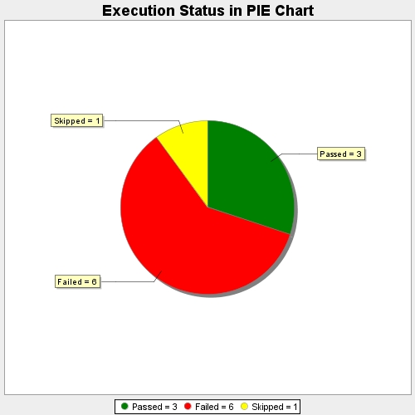
Start Time | 2021-07-19T06:56:25Z
End Time | 2021-07-19T06:56:26Z
Duration | 243 ms

