Summary
Category | Count
Passed | 7
Failed | 3
Skipped | 0
Total | 10
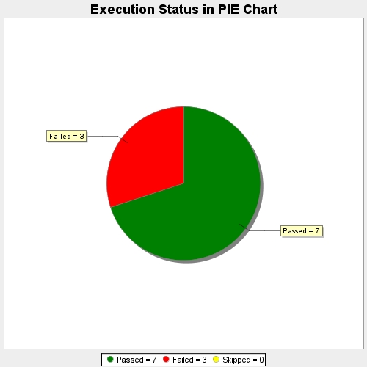
Start Time | 2021-07-08T11:27:05Z
End Time | 2021-07-08T11:27:06Z
Duration | 252 ms

