Reference
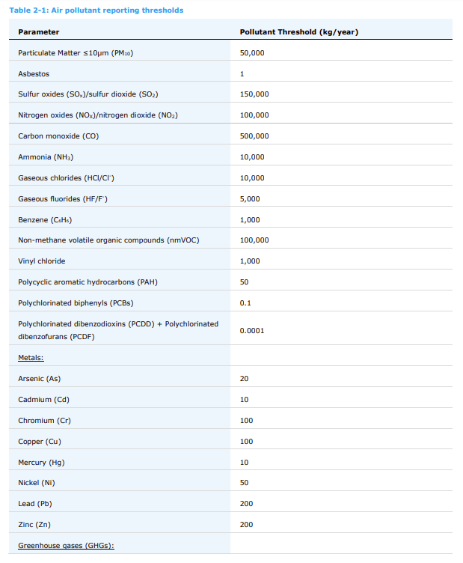
Parameter name - Maximum allowed values | parameter unit | ADS - Maximum allowed values | ADS - Minimum allowed values | International Standards - Value | International Standards - NAME
Ammonia | kg/year | 50,000.0
Arsenic | kg/year | 20.0
Asbestos | kg/year | 1.0
Benzene | kg/year | 1,000.0
Cadmium | kg/year | 10.0
Carbon monoxide | kg/year | 500,000.0
Carbon dioxide | kg/year | 100,000,000.0
Chloride | kg/year | 10,000.0
Chromium | kg/year | 100.0
Copper | kg/year | 100.0
Fluoride | kg/year | 5,000.0
Lead | kg/year | 200.0
Mercury | kg/year | 10.0
Nickel | kg/year | 50.0
Nitrogen oxides, total | kg/year | 100,000.0
Non-Methane Volatile Organic Compounds (nmVOC) | kg/year | 100,000.0
Particulate Matter < 10 Micron | kg/year | 500,000.0
Polycyclic aromatic hydrocarbons (PAH) | kg/year | 50.0
Polychorinated biphenyls (PCBs) | kg/year | 0.10000
Polychorinated dizobenzodioxins (PCDD) + Polychorinated dizobenzofurans (PCDF) | kg/year | 0.00001
Vinyl chloride | kg/year | 1,000.0
Sulfur oxides | kg/year | 150,000.0
Zinc | kg/year | 200.0
Methane | kg/year | 100,000.0
Nitrogen oxides, total | kg/year | 1000
Perflorocarbons (PFCs) | kg/year | 100

