Reference
Parameter name - Maximum allowed values | parameter unit | General Use Areas ADS | Marine Protected Use Areas ADS | International Standards - Value | International Standards - NAME | Parameter name - Minimum allowed values | parameter unit | General Use Areas ADS | Marine Protected Use Areas ADS | International Standards - Value | International Standards - NAME
Cadmium | ug/l | 0.7 | 0.3 |  |  | Dissolved Oxygen Concentration | mg/l | 4 | 4
Chromium | ug/l | 0.2 | 0.2
Copper | ug/l | 3 | 3
Lead | ug/l | 2.2 | 2.2
Mercury | ug/l | 0.1 | 0.1
Nickel | ug/l | 7 | 3
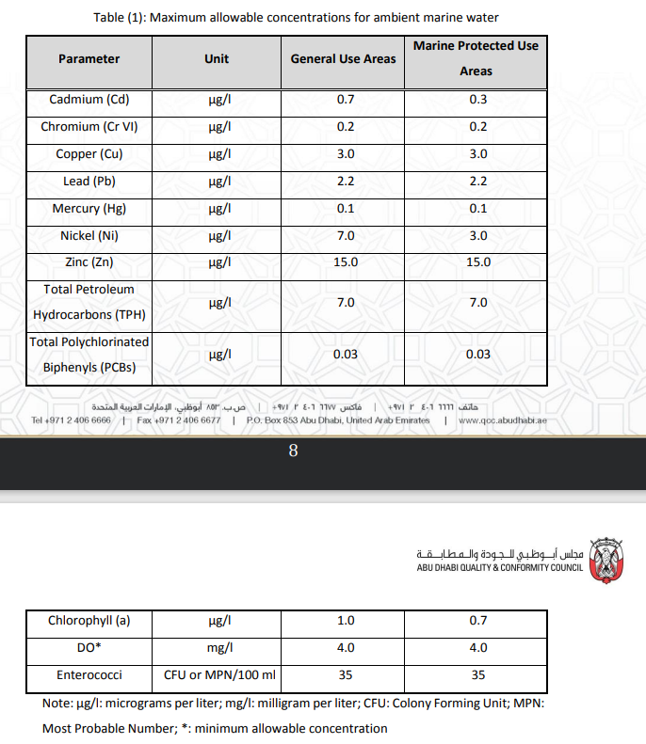
Zinc | ug/l | 15 | 15
Total petroleum hydrocarbons (TPH) | ug/l | 7 | 7
Total Polynuclear Aromatic Hydrocarbons (PAHs) | ug/l | 0.03 | 0.03
Chlorophyll a | ug/l | 1 | 0.7
Enterococci | cfu/100ml | 35 | 35

