Reference
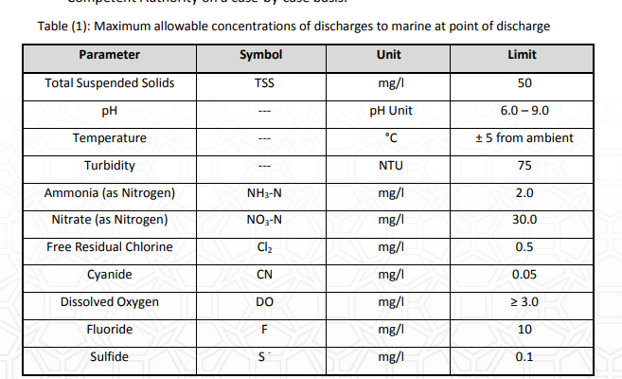
Parameter name - Maximum allowed values | parameter unit | ADS - Maximum allowed values | ADS - Minimum allowed values | International Standards - Value | International Standards - NAME
Aluminum | mg/l | 20.00 | 0
Ammonia (as N) | mg/l | 2.00 | 0
Ammonia (as NH3) | mg/l | 2.50
Antimony | mg/l | 0.10 | 0
Arsenic | mg/l | 0.05 | 0
Barium | mg/l | 2.00 | 0
Beryllium | mg/l | 0.05 | 0
Biochemical Oxygen Demand | mg/l | 30.00 | 0
Boron | mg/l | 1.00 | 0
Cadmium | mg/l | 0.05 | 0
Chemical Oxygen Demand | mg/l | 100.00 | 0
Chlorine Residual | mg/l | 0.50 | 0
Chromium | mg/l | 0.20 | 0
Chromium VI | mg/l | 0.15 | 0
Cobalt | mg/l | 0.20 | 0
Copper | mg/l | 0.50 | 0
Cyanide | mg/l | 0.05
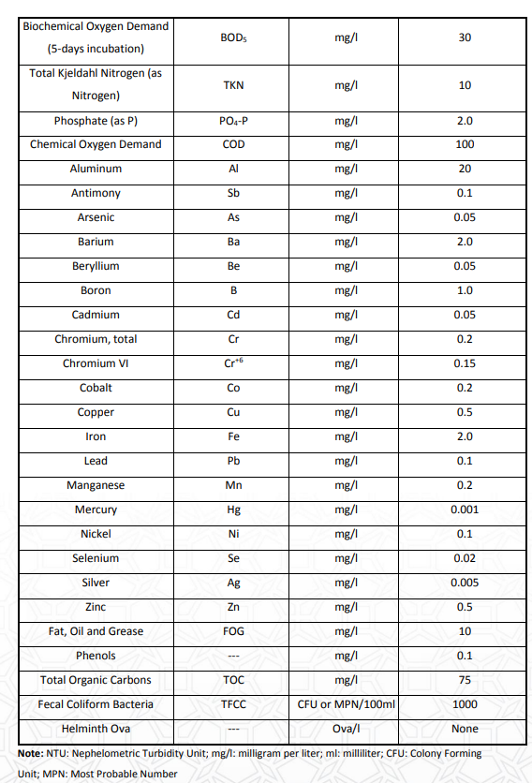
Dissolved Oxygen Concentration | mg/l | 14.60 | 3.0
Dissolved Oxygen Saturation | mg/l
Enterococci | cfu/100ml
Egg Parasites | Ova/l | 0.00 | 0
Fecal Coliform Bacteria | cfu/100ml | 1000.00 | 0
Fluoranthene | mg/l | 0
Fluorene | mg/l | 0
Fluoride | mg/l | 10.00 | 0
Haloginated Hydrocarbons & Pesticides | mg/l | 0
Iron | mg/l | 2.00 | 0
Lead | mg/l | 0.10 | 0
Manganese | mg/l | 0.20 | 0
Mercury | mg/l | 0.00 | 0
Nickel | cfu/100ml | 0.10 | 0
Nitrate (as N) | mg/l | 30.00 | 0
Nitrate (as NO3) | mg/l | 133
Oil and Grease | mg/l | 10.00 | 0
pH | none | 0.00 | 0
Phenols | none | 0.10 | 0 |  | EAD needs to define who is going to input what is the ambient salinity and temperature. Once this is defined then we can finalize this EDD.
Phosphate (as P) | mg/l | 2.00 | 0
Phosphate (as PO4) | mg/l | 10.5
Salinity | mg/l |  |  | 5% from ambient
Selenium | mg/l | 0.02 | 0
Silver | mg/l | 0.00 | 0
Sulphate | mg/l
Sulphide | mg/l | 0.10 | 0
Temperature, water | deg C |  |  | +-5 from ambient
Total Dissolved Solids | mg/l | 1500
Total Fluoride (as F) | mg/l | 10
Total Kjeldahl Nitrogen (as N) | mg/l | 10.00 | 0
Total Organic Carbon | mg/l | 75.00 | 0
Total petroleum hydrocarbons (TPH) | mg/l | 0
Total Polynuclear Aromatic Hydrocarbons (PAHs) | mg/l | 0
Total Residual Chlorine (TRC) | mg/l | 0.5
Total Suspended Solids | mg/l | 50.00 | 0 |  | EAD needs to define if this parameter will be reported in the EDD
Turbidity | NTU | 75.00 | 0
Water flow | mg/l |  |  | Not applicable
Zinc | mg/l | 0.50 | 0

