Reference
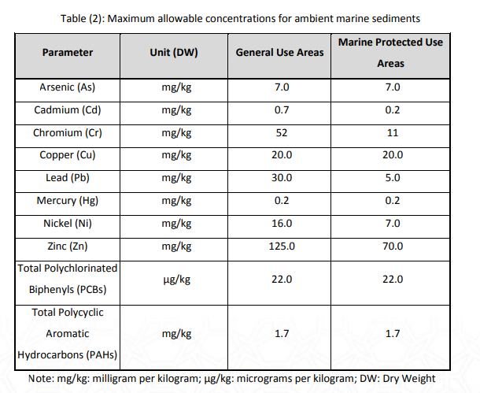
Parameter name | parameter unit | General Use Areas ADS | Marine Protected Use Areas ADS | International Standards - Value | International Standards - NAME
Arsenic | mg/kg | 7 | 7 | 0
Cadmium | mg/kg | 0.7 | 0.2 | 0
Chromium | mg/kg | 52 | 11 | 0
Copper | mg/kg | 20 | 20 | 0
Lead | mg/kg | 30 | 5 | 0
Mercury | mg/kg | 0.2 | 0.2 | 0
Nickel | mg/kg | 16 | 7 | 0
Zinc | mg/kg | 125 | 70 | 0
PCBs, total | ug/kg | 22 | 22 | 0
Total Polynuclear Aromatic Hydrocarbons (PAHs) | ug/kg | 1.7 | 1.7 | 0

