Sheet8
Row Labels | Sum of 1 week change | Sum of Deaths | Sum of Recovered
Americas | 8 | 2 | 26

weekly chnage in week

COVID
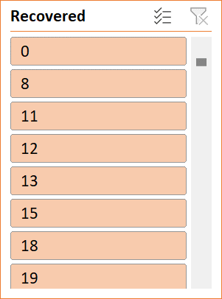
dashboard(covid)

 | Sum of Deaths | Sum of Active | Sum of Confirmed
Africa | 12223 | 270339 | 723207
Americas | 342732 | 4027938 | 8839286
Eastern Mediterranean | 38339 | 251005 | 1490744
Europe | 211144 | 1094656 | 3299523
South-East Asia | 41349 | 637015 | 1835297
Western Pacific | 8249 | 77409 | 292428
Total of Active and Death cases
 | Sum of Active | Series2
Africa | 270339 | 12223
Americas | 4027938 | 342732
Eastern Mediterranean | 251005 | 38339
Europe | 1094656 | 211144
South-East Asia | 637015 | 41349
Western Pacific | 77409 | 8249
 | Sum of 1 week change | Sum of Deaths | Sum of Recovered
Americas | 8 | 2 | 26
Total Active Cases
 | Total
Africa | 270339
Americas | 4027938
Eastern Mediterranean | 251005
Europe | 1094656
South-East Asia | 637015
Western Pacific | 77409

weekly chnage in week
 | Sum of 1 week change | Series2
Africa | 115087 | 723207
Americas | 1024088 | 8839286
Eastern Mediterranean | 91897 | 1490744
Europe | 152707 | 3299523
South-East Asia | 357014 | 1835297
Western Pacific | 26069 | 292428

 | Sum of Deaths | Sum of Recovered
Africa | 12223 | 440645
Americas | 342732 | 4468616
Eastern Mediterranean | 38339 | 1201400
Europe | 211144 | 1993723
South-East Asia | 41349 | 1156933
Western Pacific | 8249 | 206770

