Requirment
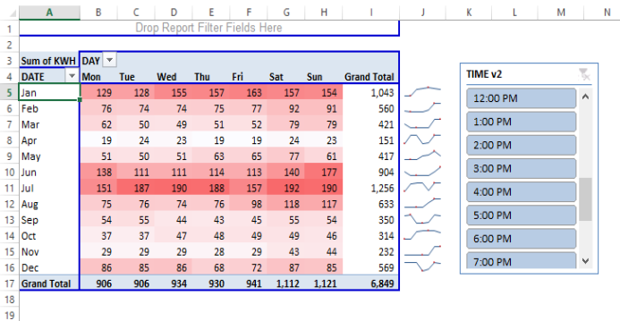
Requirement
1 | Convert the data into Simpler and Readable format
2 | Create a Pivot table to summarize the data
3 | Add a slicer to understand the consumtion of electricity on Hour Basis
4 | Add a slicer to understand the consumtion of electricity on Hour Basis
5 | Apply conditional Formating to Highligh the consumtions
6 | Provide the grand total to understand the day & wise and month wise Electric consumptions
7 | Provide trend line to understand day wise consumtions
8 | write total electricity consumption in Jully at 9 Pm

