Sheet1
Picture | Material | Cost ($/ft^2) | Pros | Cons | Weight Per Area | Tensile Strength
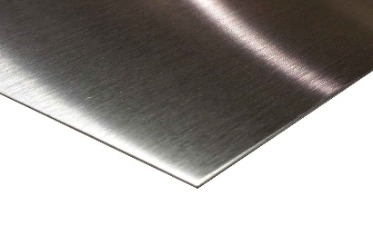 | 26 Gage Stainless Steel Sheet Metal | 9 | Easy to bend and weld |  | 1lb/ft^2 | 600 MPa
 | 1/16" Thick Aluminum Sheet Metal | 12 | Easy to bend | Not easy to weld | 0.90lb/ft^2 | ~ 100 - 300 MPa
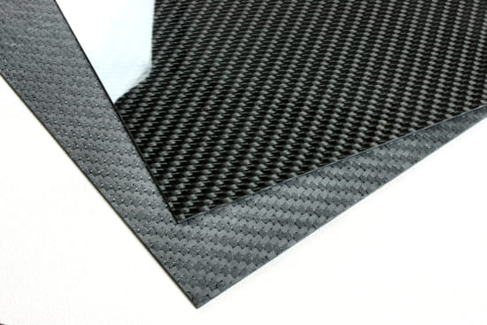 | Carbon Fiber | 2.76 | Strong | Extremely labor intensive due to manufacturing requiring epoxy process. Hard to fasten to other things. Impossible to purchase small amounts | lighter than metal | 3000MPa
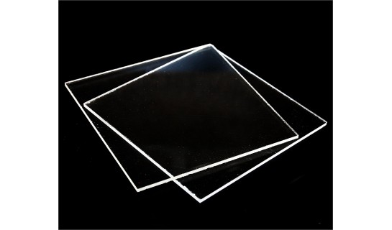 | Acrylic | 5 @ 0.118" 8 @ 0.220" | Inexpensive, easy to laser cut | Brittle | 1.4lb/ft^2 | 70MPa (10MPa fatigue)
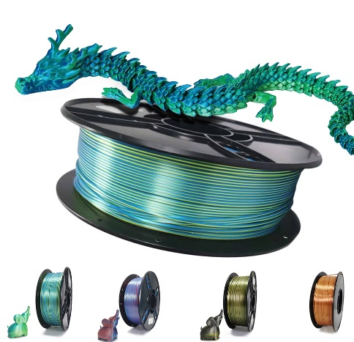 | PLA | 20 per kg | 3D Printable, easily accessible |  | 1.24g/cm^3, but will vary depending on infill amount | 37MPa
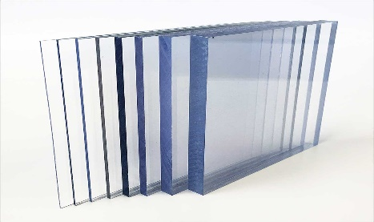 | Polycarbonate | 10 @0.1" thick | Gets scratches | Very durable, lightweight, easy to machine | 0.6 lb/ft^2 | 55-75MPa

