Activity1
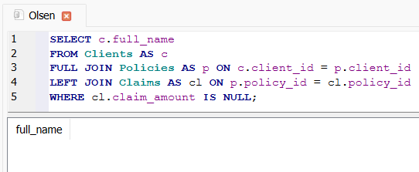
1 Show total number of clients per region.
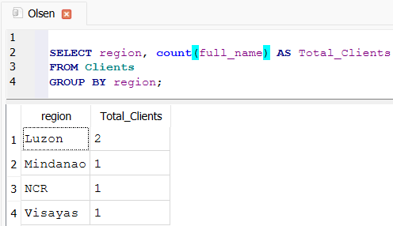

2 List all active policies after June 2023.
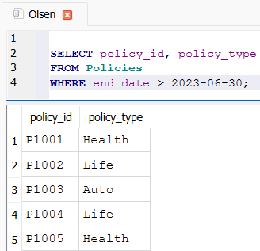

3 Calculate average premium by policy type.
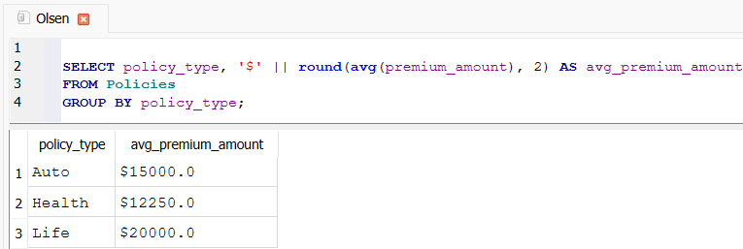

4 Identify clients who made a claim over ₱7,000.
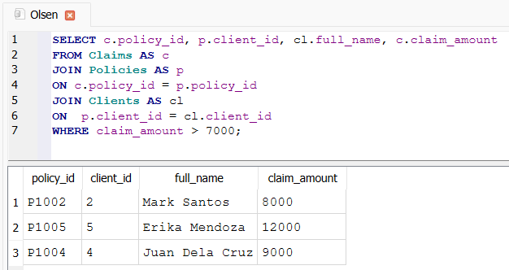

5 Find total claim amount per policy with status “Approved”.
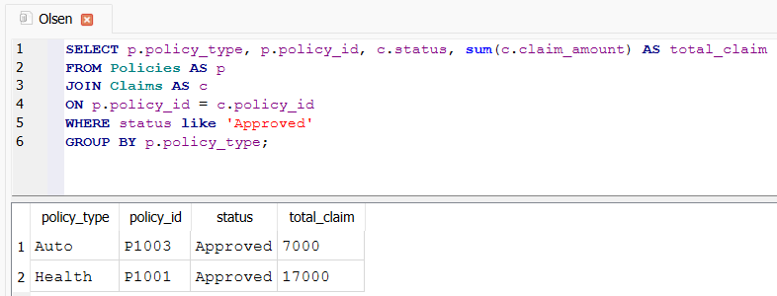

6 Show each agent’s total premium handled.
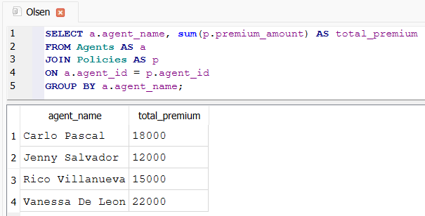

7 Subquery: Clients who have NOT made any claims.

Activity2
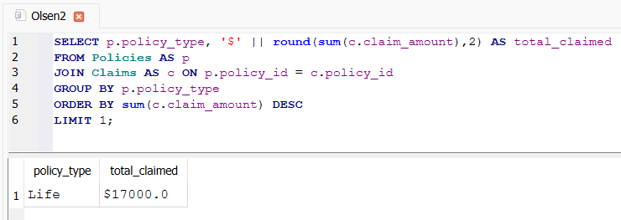
1. Get the total number of male and female clients.
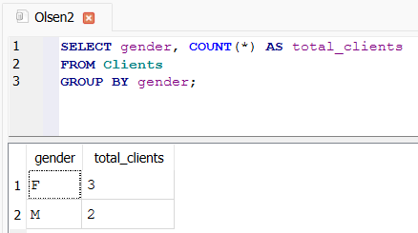

2. Find all clients who have claims above the average claim amount.
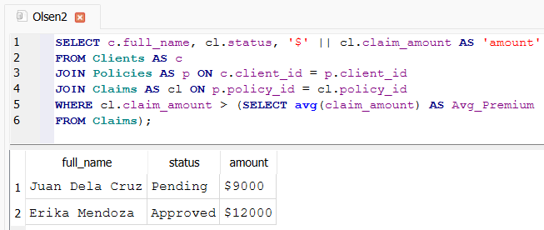

3. Show agents with the total number of clients assigned to them.
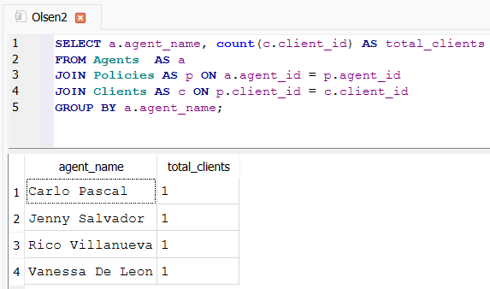

4. Identify which agent has handled the highest number of policies.
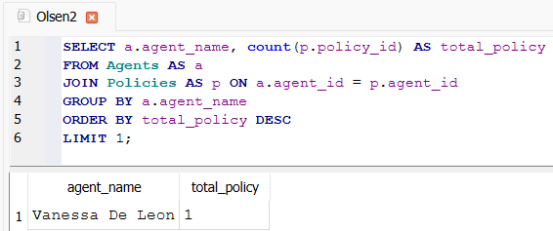

5. List the top 3 clients who claimed the highest total amount (formatted as $).
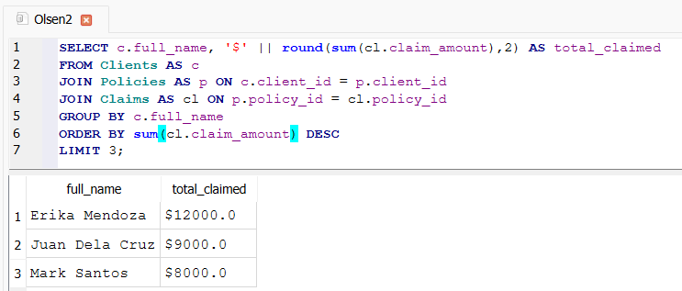

6. Show clients who do not have any policies.
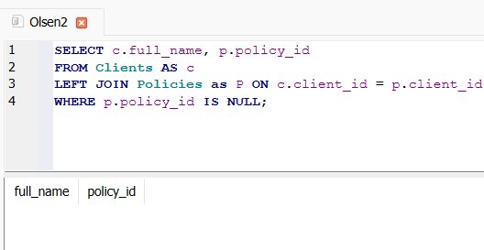

7. Find the policy type with the highest total claim amount.

