Sheet1
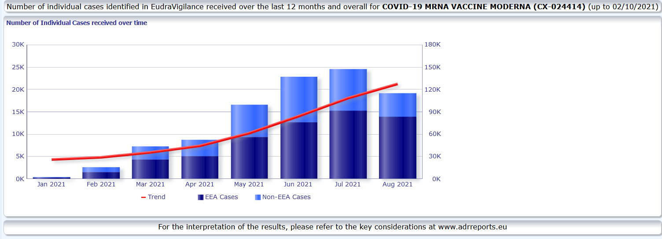
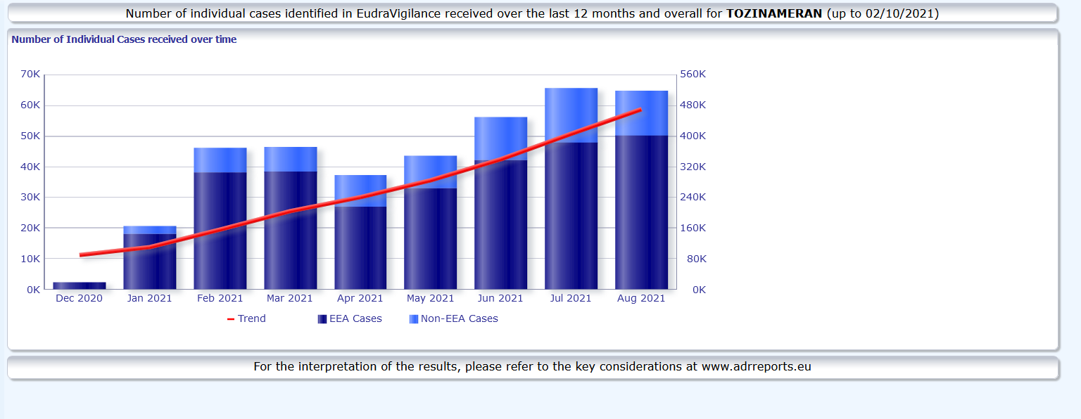
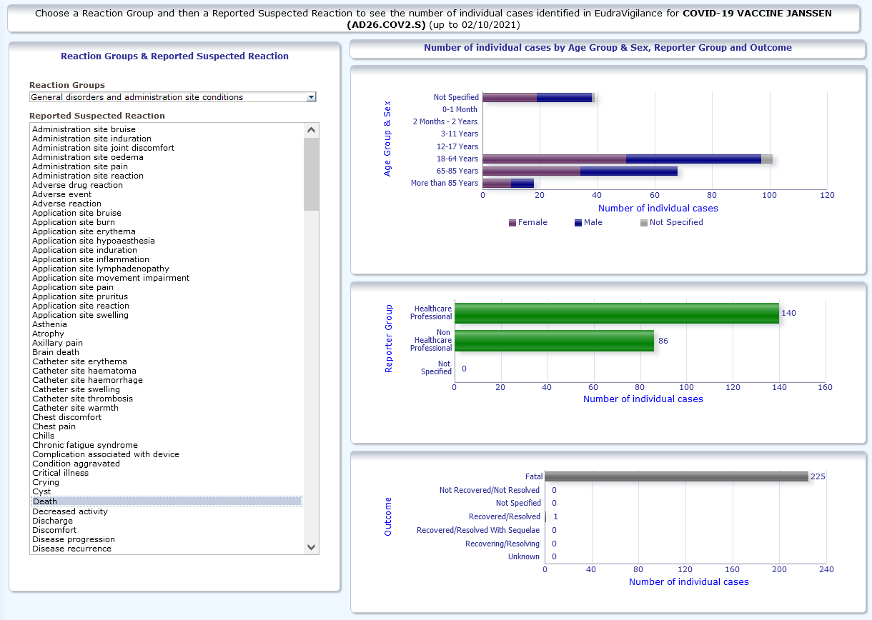
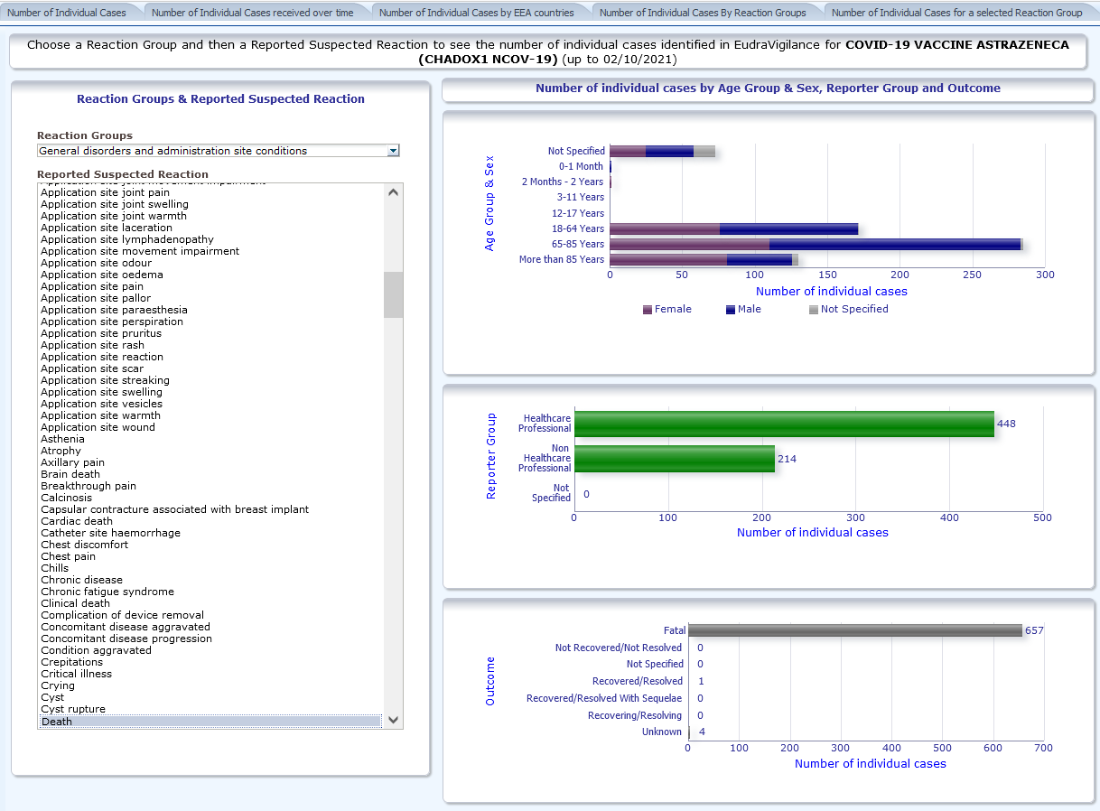
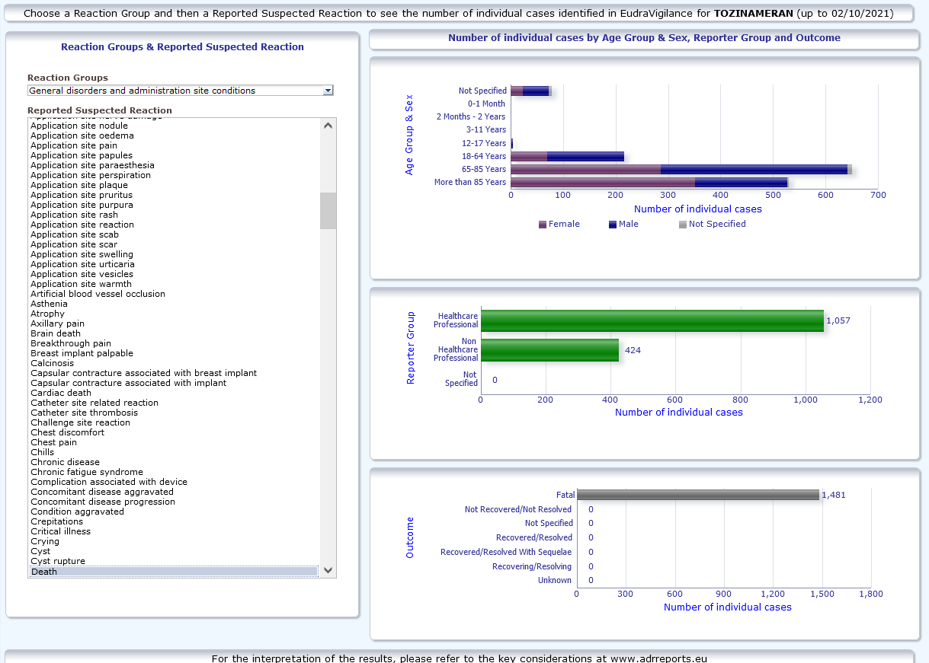
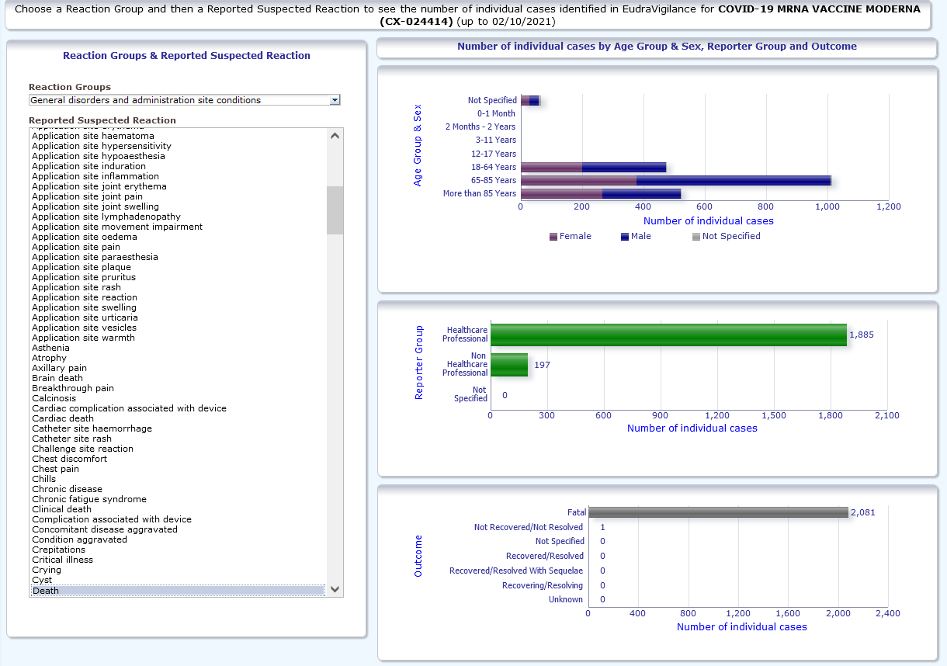
 | ADRs | Death | doses | % deaths | % ADRs
Moderna | 127,691 | 2081 | 5.73E+07 | 0.0036% | 0.2229%
Pfizer | 471,211 | 1481 | 4.00E+08 | 0.0004% | 0.1177%
Astrazeneca | 386,408 | 657 | 6.71E+07 | 0.0010% | 0.5755%
J&J | 29,734 | 225 | 1.48E+07 | 0.0015% | 0.2012%
total | 1,015,044 | 4,444

