Sheet1
Bug Classification |  |  |  | Example
Classification | Tag | Description |  | ID | Title | Description | Programmer Check | tester check | tester feedback | Actor
Critical | S1 | The defect affects critical functionality or critical data. It does not have a workaround. Example: Unsuccessful installation, complete failure of a feature. |  | 1 | xx | xx | complete | check | s2:button is not responsive
Major | S2 | The defect affects major functionality or major data. It has a workaround but is not obvious and is difficult. Example: A feature is not functional from one module but the task is doable if 10 complicated indirect steps are followed in another module/s. |  | 2 | xx | xx | working on:…/ 1) has been completed, can test 1) first
Minor | S3 | The defect affects minor functionality or non-critical data. It has an easy workaround. Example: A minor feature that is not functional in one module but the same task is easily doable from another module.
Trivial | S4 | The defect does not affect functionality or data. It does not even need a workaround. It does not impact productivity or efficiency. It is merely an inconvenience. Example: Petty layout discrepancies, spelling/grammatical errors.

First Test
ID | Title | Description | Programmer Check | tester check |  | tester feedback |  | Actor |  |  | 3,1
 |  |  |  | qian:user part | yanlin:admin part | qian:user part | yanlin:admin part
FR1.x Account Related Functional Requirements
FR1.1 | Registration | User and administrator can register a new account on the system by providing following information: 1) A unique and valid email address. The email address will be validated by sending a confirmation email containing a confirmation code to that address. 2) The confirmation code from the confirmation email mentioned above. 3) A password with a length between 6 and 20 characters containing only letters and numbers. The password should be inputted twice identically. |  | check | check | S2 1. email address should be unique, but I used same email to register, register function could work. That's not right. 2. when I input an inlegal email address, the box border will be red(that's right), but I suggest that it should show some reminder(shown on the page or some alert box) to remind user to input a valid email. That will be better. 3. I have not recieved any confirmation code when I register. I also cannot "forget password", because same server problem like this: I can login, so it is not the database problem I think. 3.1 I can submit the register even if I didn't give the comfirmation code.(there is just alert box once) 4.the password should be inputted twice for double check. 5.the password should be 6-20 length. 6.the password should only contain letters and numbers, but when I input this:"," it also could work. 7.just suggestion on the page: 7.1 "ID", this word, may make confuse to users, it can be changed to "username" 7.2 "name" may be divided into "first name" and "last name". That will be better I think. | 1.There is no separate webpage for admin to register,but we can add new admin in datebase; | Both |  |  | 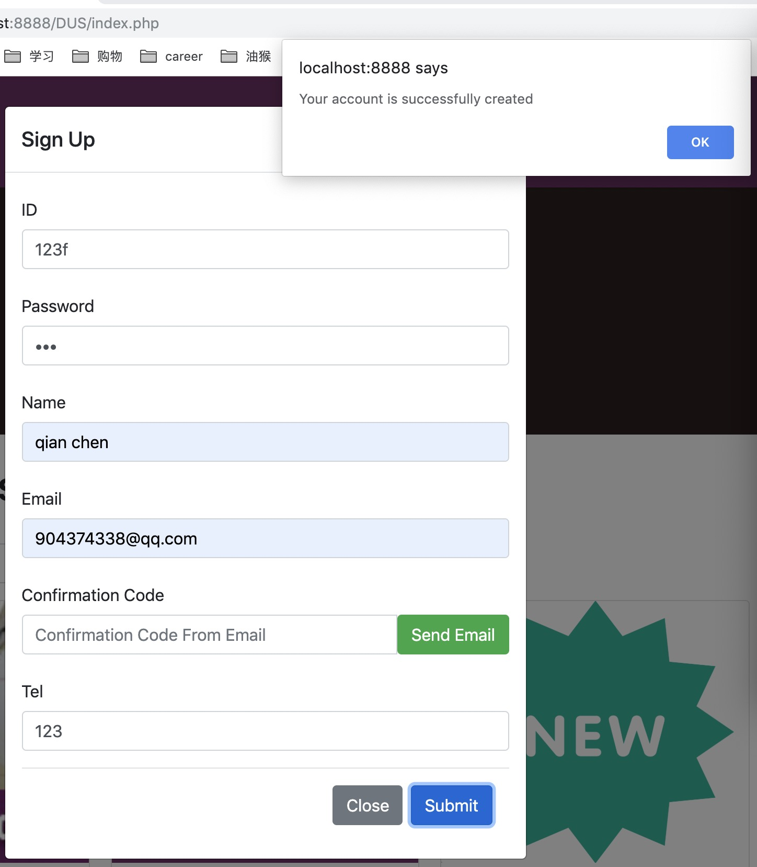
FR1.2 | Login | User and administrator can login on the system by providing the username and password of the registered account. |  | check | check | well done I think when the register part is completed, the login part is fine. | well done | Both
FR1.3 | Account Recovery | User and administrator can reset the account password when unable to login by providing following information: 1) The email address of the registered account. Then a confirmation email containing a confirmation code will be sent to that address. 2) The confirmation code from the confirmation email mentioned above must inputted on the ‘forgot password’ page. 3) A new password with a length between 6 and 20 characters containing only letters and numbers. The password should be inputted twice identically. |  | it has not completed, right? | check |  | 1.Reset code emial can be recieved. But email address can be reused, so admin id can be confused; 2.The code can only be used on the ‘forgot password’ page; 3.password 3.1should be inputted twice for double check; 3.2no password verification; 3.3the password should be 6-20 length; 3.4the password should only contain letters and numbers | Both
FR1.4 | Account Information Update | User and administrator can update the associated email address after login by providing following information. 1) The original email address. Then a confirmation email containing a confirmation code will be sent to that address. 2) The confirmation code from the confirmation email sent to original email address mentioned above. 3) A new email address that is unique in the system. The email address will be validated by sending a confirmation email containing a confirmation code to that email address. 4) The confirmation code from the confirmation email sent to new email addresses. |  | it has not completed, right? | check |  | Admin can add,delete and change the detail of account information. I found that admin can also change the password without email code *Reseting email and ID is unnecessary. Suggestion:Delete the password, email and ID | Both
FR2.x Facility Related Functional Requirements
FR2.1 | Search Facility | User and administrator can search in all facilities and classes by facility name. 1) The search will be fuzzy: All results containing the search keyword(s) will be displayed. |  | check | check | well done | well done *later if we have time, we can add 360° panorama for different facilities | Both
FR2.2 | Add Facility | Administrator can add a new facility into the system by providing following information: 1) Name. 2) Image. 3) Description. |  |  | check |  | 1.User also can add new facilities 2.The layout and order of facilities will changed after adding new facilities 3.the prompt text can be improved. | Admin
FR2.3 | Delete Facility | Administrator can delete an existed facility from the system. |  |  | check |  | well done additional: I think we can add a alert window for detele function to prevent deleting the wrong item | Admin
FR2.4 | Edit Facility | Administrator can edit following information of added facilities: 1) Name. 2) Image. 3) Description. 4) Contact. 5) Tel. 6) Price |  |  | check |  | well done | Admin
FR3.x Booking Related Functional Requirements
FR3.1 | Book Facility /Event | After logging in, user can make a booking based on availability of a facility/event. 1) A confirmation email containing total cost of booking will be sent to the user’s email address. 2) Registered users who are University students or staff will receive a discount. 3) User cannot book events involving multiply facilities online, but can only book an individual facility or attend an event. 4) A facility/event will have a maximum capacity that makes the facility/event unavailable upon the total booking count reaching the capacity. |  | check |  | S2 1. no confirmation email 2. how can I prove that I am a member of the University? How can I get the discount? 3. when I booked a facility, the time is not right:the start time is 4pm and the end time is 9am.And I can book the day before today, like 9th May. It is not logic. 4. I could not see what exact time I have booked(there is just the end time). 5. (confuse) I just wonder that is it right that I can see other members booking on this calendar as an user. 6. as an user, I can cancel other member's booking? That is not right. 7. the 3) 4) I have not tested, I want to test it after the booking part is finished. |  | User
FR3.2 | Add (Block) Booking | Administrator can add a new booking into the system. 1) Administrator can both book an individual facility online, and a event involving multiply facilities that is bookable by users. |  |  | check |  | well done | Admin
FR3.3 | Cancel Booking | Administrator can cancel any booking to make a facility available again. |  |  | check |  | User also can cancel the booking | Admin
FR4.x Calendar Related Functional Requirements
FR4.1 | User Booking Calendar | User can inspect all bookings he made in a calendar view. 1) The calendar can be filtered by a date range. |  | check |  | well done. I will test it again after the booking part is finished. |  | User
FR4.2 | Admin Booking Calendar | Administrator can inspect all bookings made on the system in a calendar view which can be filtered based on: 1) Date range. 2) Facility name. 3) User email address. 4) User ID. |  |  | check |  | 1.3) and 4) have not finished 2.Admin can not see the detial of booking for example who book the item. 3.If I sign up a new user, I can not use the user id to book in calendar cause I find that the new user didn’t have m-id in database.(I can set id in member page) | Admin

