Sheet1
Bug Classification |  |  |  | Example
Classification | Tag | Description |  | ID | Title | Description | Programmer Check | tester check | tester feedback | Actor
Critical | S1 | The defect affects critical functionality or critical data. It does not have a workaround. Example: Unsuccessful installation, complete failure of a feature. |  | 1 | xx | xx | complete | check | s2:button is not responsive
Major | S2 | The defect affects major functionality or major data. It has a workaround but is not obvious and is difficult. Example: A feature is not functional from one module but the task is doable if 10 complicated indirect steps are followed in another module/s. |  | 2 | xx | xx | working on:…/ 1) has been completed, can test 1) first
Minor | S3 | The defect affects minor functionality or non-critical data. It has an easy workaround. Example: A minor feature that is not functional in one module but the same task is easily doable from another module.
Trivial | S4 | The defect does not affect functionality or data. It does not even need a workaround. It does not impact productivity or efficiency. It is merely an inconvenience. Example: Petty layout discrepancies, spelling/grammatical errors.

First Test
ID | Title | Description | Programmer Check | tester check |  | tester feedback |  | Actor
 |  |  |  | qian:user part | yanlin:admin part | qian:user part | yanlin:admin part
FR1.x Account Related Functional Requirements
FR1.1 | Registration | User and administrator can register a new account on the system by providing following information: 1) A unique and valid email address. The email address will be validated by sending a confirmation email containing a confirmation code to that address. 2) The confirmation code from the confirmation email mentioned above. 3) A password with a length between 6 and 20 characters containing only letters and numbers. The password should be inputted twice identically. |  | check | check | S2 1. email address should be unique, but I used same email to register, register function could work. That's not right. 2. when I input an inlegal email address, the box border will be red(that's right), but I suggest that it should show some reminder(shown on the page or some alert box) to remind user to input a valid email. That will be better. 3. I have not recieved any confirmation code when I register. 4.the password should be inputted twice for double check. 5.the password should be 6-20 length. 6.the password should only contain letters and numbers, but when I input this:"," it also could work. 7.just suggestion on the page: 7.1 "ID", this word, may make confuse to users, it can be changed to "username"??? 7.2 "name" may be divided into "first name" and "last name". That will be better I think. | 1.There is no separate webpage for admin to register,but we can add new admin in datebase; | Both
FR1.2 | Login | User and administrator can login on the system by providing the username and password of the registered account. |  | check | check | well done | well done | Both
FR1.3 | Account Recovery | User and administrator can reset the account password when unable to login by providing following information: 1) The email address of the registered account. Then a confirmation email containing a confirmation code will be sent to that address. 2) The confirmation code from the confirmation email mentioned above must inputted on the ‘forgot password’ page. 3) A new password with a length between 6 and 20 characters containing only letters and numbers. The password should be inputted twice identically. |  | it has not completed, right? | check |  | 1.Reset code emial can be recieved. But email address can be reused, so admin id can be confused; 2.The code can only be used on the ‘forgot password’ page; 3.password 3.1should be inputted twice for double check; 3.2no password verification; 3.3the password should be 6-20 length; 3.4the password should only contain letters and numbers | Both
FR1.4 | Account Information Update | User and administrator can update the associated email address after login by providing following information. 1) The original email address. Then a confirmation email containing a confirmation code will be sent to that address. 2) The confirmation code from the confirmation email sent to original email address mentioned above. 3) A new email address that is unique in the system. The email address will be validated by sending a confirmation email containing a confirmation code to that email address. 4) The confirmation code from the confirmation email sent to new email addresses. |  | check | check | S3 1.just want to make sure: does the user have the right to delete himself account? 2.suggestion is same with the right-> | Admin can add,delete and change the detail of account information. I found that admin can also change the password without email code *Reseting email and ID is unnecessary. Suggestion:Delete the password, email and ID | Both
FR2.x Facility Related Functional Requirements
FR2.1 | Search Facility | User and administrator can search in all facilities and classes by facility name. 1) The search will be fuzzy: All results containing the search keyword(s) will be displayed. |  | check | check | well done | well done *later if we have time, we can add 360° panorama for different facilities | Both
FR2.2 | Add Facility | Administrator can add a new facility into the system by providing following information: 1) Name. 2) Image. 3) Description. |  |  | check |  | 1.User also can add new facilities 2.The layout and order of facilities will changed after adding new facilities 3.the prompt text can be improved. | Admin
FR2.3 | Delete Facility | Administrator can delete an existed facility from the system. |  |  | check |  | well done additional: I think we can add a alert window for detele function to prevent deleting the wrong item | Admin
FR2.4 | Edit Facility | Administrator can edit following information of added facilities: 1) Name. 2) Image. 3) Description. 4) Contact. 5) Tel. 6) Price |  |  | check |  | well done | Admin
FR3.x Booking Related Functional Requirements
FR3.1 | Book Facility /Event | After logging in, user can make a booking based on availability of a facility/event. 1) A confirmation email containing total cost of booking will be sent to the user’s email address. 2) Registered users who are University students or staff will receive a discount. 3) User cannot book events involving multiply facilities online, but can only book an individual facility or attend an event. 4) A facility/event will have a maximum capacity that makes the facility/event unavailable upon the total booking count reaching the capacity. |  | check | 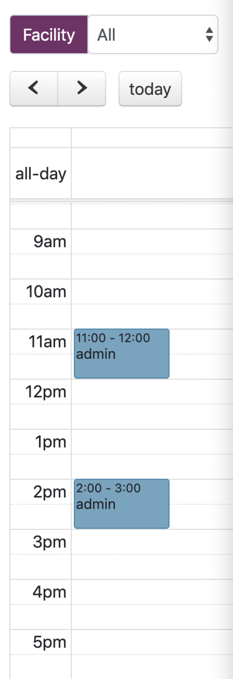 | S2 1. no confirmation email 2. how can I prove that I am a member of the University? How can I get the discount? 3. when I booked a facility, the time is not right:the start time is 4pm and the end time is 9am.And I can book the day before today, like 9th May. It is not logic. 4. I could not see what exact time I have booked(there is just the end time). 5. (confuse) I just wonder that is it right that I can see other members booking on this calendar as an user. 6. as an user, I can cancel other member's booking? That is not right. 7. suggestion: 7.1 the page can show that how many the left capacity is of the facility so that the user will not be confused when the capacity is met and they cannot book it. 7.2 I don't know what exactly others book on the calendar when the facility is "all" . <<<<<<------like the screenshot on the left 8 How about course? Can I test that now? |  | User
FR3.2 | Add (Block) Booking | Administrator can add a new booking into the system. 1) Administrator can both book an individual facility online, and a event involving multiply facilities that is bookable by users. |  |  | check |  | well done | Admin
FR3.3 | Cancel Booking | Administrator can cancel any booking to make a facility available again. |  |  | check |  | User also can cancel the booking | Admin
FR4.x Calendar Related Functional Requirements
FR4.1 | User Booking Calendar | User can inspect all bookings he made in a calendar view. 1) The calendar can be filtered by a date range. |  | check |  | well done. |  | User
FR4.2 | Admin Booking Calendar | Administrator can inspect all bookings made on the system in a calendar view which can be filtered based on: 1) Date range. 2) Facility name. 3) User email address. 4) User ID. |  |  | check |  | 1.3) and 4) have not finished 2.Admin can not see the detial of booking for example who book the item. 3.If I sign up a new user, I can not use the user id to book in calendar cause I find that the new user didn’t have m-id in database.(I can set id in member page) | Admin

