Food Order Sales Report
Food Order Analysis Report (for both customers and future businesses)

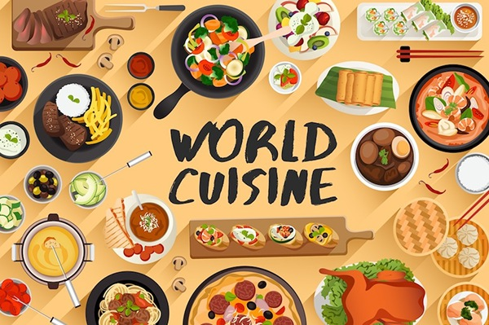
American
Japanese
On what days do customers order the most?
 | Total
Weekday | 547
Weekend | 1351
Popular Cuisine by Rating
 | Total
American | 4.3
Chinese | 4.3
French | 4.3
Indian | 4.5
Italian | 4.4
Japanese | 4.4
Korean | 4.1
Mediterranean | 4.2
Mexican | 4.4
Middle Eastern | 4.2
Southern | 4.3
Spanish | 4.8
Thai | 4.7
Vietnamese | 4.0
By this analysis, customers and future businesses can visualize cuisines customers tend to order most and rate average expenditures on the cuisines. In sheets 6-9, we can see the top restaurants associated with the top cuisines (just click the respective icon in the "World Cuisine" graphic). This is to help make decisions about not only where to eat, but inspire further analysis for business.

Thai

Spanish
Indian

Popular Cuisine by Order
 | Total
American | 584
Chinese | 215
French | 18
Indian | 73
Italian | 298
Japanese | 470
Korean | 13
Mediterranean | 46
Mexican | 77
Middle Eastern | 49
Southern | 17
Spanish | 12
Thai | 19
Vietnamese | 7
Average money spent on cuisine types
 | Total
American | $16.32
Chinese | $16.31
French | $19.79
Indian | $16.92
Italian | $16.42
Japanese | $16.30
Korean | $14.00
Mediterranean | $15.47
Mexican | $16.93
Middle Eastern | $18.82
Southern | $19.30
Spanish | $18.99
Thai | $19.21
Vietnamese | $12.88
How much are customers willing to spend on popular cuisines, by both order and rating?
 | Total
American | $33
Indian | $31
Japanese | $33
Spanish | $29
Thai | $29

Questions 1-5 answered
On what days do customers order the most?

1 | Row Labels | Count of order_id
 | Weekday | 547
 | Weekend | 1351
 | Grand Total | 1898

3 | Row Labels | Count of order_id
 | American | 584
 | Chinese | 215
 | French | 18
 | Indian | 73
 | Italian | 298
 | Japanese | 470
Popular Cuisine by Order
 | Korean | 13
 | Mediterranean | 46
 | Mexican | 77
 | Middle Eastern | 49
 | Southern | 17
 | Spanish | 12
 | Thai | 19
 | Vietnamese | 7
 | Grand Total | 1898
 | rating | (Multiple Items)

4 | Row Labels | Average of rating
 | American | 4.3
 | Chinese | 4.3
 | French | 4.3
 | Indian | 4.5
Popular Cuisine by Rating
 | Italian | 4.4
 | Japanese | 4.4
 | Korean | 4.1
 | Mediterranean | 4.2
 | Mexican | 4.4
 | Middle Eastern | 4.2
 | Southern | 4.3
 | Spanish | 4.8
 | Thai | 4.7
 | Vietnamese | 4.0
 | Grand Total | 4.3

2 | Row Labels | Average of cost_of_the_order
 | American | $16.32
 | Chinese | $16.31
Average money spent on cuisine types
 | French | $19.79
 | Indian | $16.92
 | Italian | $16.42
 | Japanese | $16.30
 | Korean | $14.00
 | Mediterranean | $15.47
 | Mexican | $16.93
 | Middle Eastern | $18.82
 | Southern | $19.30
 | Spanish | $18.99
 | Thai | $19.21
 | Vietnamese | $12.88
 | Grand Total | $16.50

How much are customers willing to spend on popular cuisines, by both order and rating?
6 | Row Labels | Max of cost_of_the_order
 | American | $33
 | Indian | $31
 | Japanese | $33
 | Spanish | $29
 | Thai | $29
 | Grand Total | $33

Indian cuisine best restaurant
Popular Restaurants for Indian Cuisine
Average of rating | Column Labels
Row Labels | Indian | Grand Total
Amma | 4.50 | 4.50
Anjappar Chettinad | 5.00 | 5.00
Bhatti Indian Grill | 5.00 | 5.00
Bukhara Grill | 5.00 | 5.00
Chola Eclectic Indian Cuisine | 5.00 | 5.00
Chote Nawab | 5.00 | 5.00
Haandi | 4.00 | 4.00
Haveli Indian Restaurant | 3.00 | 3.00
indikitch | 4.50 | 4.50
Junoon | 5.00 | 5.00
Saravanaa Bhavan | 5.00 | 5.00
Tamarind TriBeCa | 4.40 | 4.40
The Kati Roll Company | 4.70 | 4.70
The MasalaWala | 4.00 | 4.00
Grand Total | 4.54 | 4.54

Popular Restaurants for Indian Cuisine

Spanish cuisine best restaurant
Average of rating | Column Labels
Row Labels | Spanish | Grand Total
Boqueria | 4.75 | 4.75
DespaÃŒÂ±a | 5.00 | 5.00
Socarrat Paella Bar | 5.00 | 5.00
Grand Total | 4.83 | 4.83
Popular Restaurants for Spanish Cuisine

Thai cuisine best restaurant
Popular Restaurants for Thai Cuisine
Average of rating | Column Labels
Row Labels | Thai | Grand Total
Hampton Chutney Co. | 4.00 | 4.00
Klong | 5.00 | 5.00
Lantern Thai Kitchen | 5.00 | 5.00
Pinto Nouveau Thai Bistro | 4.67 | 4.67
Pongsri Thai | 4.00 | 4.00
Song Thai Restaurant & Bar | 5.00 | 5.00
Grand Total | 4.67 | 4.67

American and Japanese cuisine
Average of rating | Column Labels |  | Average of rating | Column Labels
Row Labels | American | Grand Total | Row Labels | Japanese | Grand Total
67 Burger | 5.00 | 5.00 | Asuka Sushi | 5.00 | 5.00
Big Daddy's | 5.00 | 5.00 | Donburi-ya | 5.00 | 5.00
Dickson's Farmstand Meats | 4.67 | 4.67 | Haru Gramercy Park | 5.00 | 5.00
Dig Inn Seasonal Market | 5.00 | 5.00 | Kambi Ramen House | 5.00 | 5.00
Five Guys Burgers and Fries | 4.56 | 4.56 | Kanoyama | 5.00 | 5.00
Lucky's Famous Burgers | 4.75 | 4.75 | Samurai Mama | 5.00 | 5.00
Moonstruck on Second | 5.00 | 5.00 | Sushi of Gari | 4.71 | 4.71
Sarabeth's Restaurant | 4.67 | 4.67 | Sushi Samba | 4.88 | 4.88
S'MAC | 4.71 | 4.71 | Taro Sushi | 5.00 | 5.00
Westville Hudson | 4.56 | 4.56 | Yama 49 | 5.00 | 5.00
'wichcraft | 5.00 | 5.00 | Grand Total | 4.90 | 4.90
Grand Total | 4.66 | 4.66
Top 10 Restaurants for Japanese Cuisine
Top 10 Restaurants for American Cuisine

