Sheet1
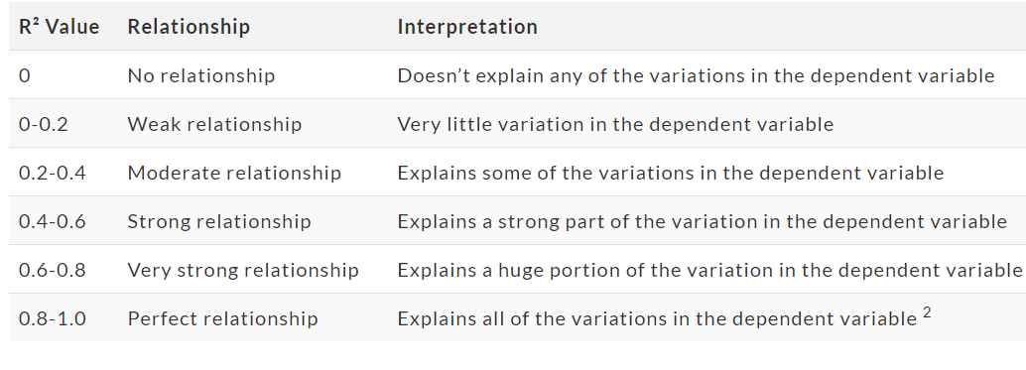
Model | MAPE | MAE | R_square | R_square (adj)
DecisionTreeRegressor | 0.25 | 244862.93 | 0.50 | 0.03
ElasticNet | 0.23 | 215094.61 | 0.63 | 0.28
GradientBoostingRegressor | 0.18 | 176627.75 | 0.75 | 0.51
LGBMRegressor | 0.18 | 175913.68 | 0.75 | 0.51
LinearRegression | 0.20 | 187257.19 | 0.73 | 0.47
RandomForestRegressor | 0.19 | 177561.52 | 0.75 | 0.51
XGBRegressor | 0.19 | 184879.35 | 0.73 | 0.46

Performance Metrics | Score |  | MAPE | Interpretation | R Square | Interpretation | https://www.researchgate.net/figure/Interpretation-of-MAPE-Results-for-Forecasting-Accuracy_tbl2_276417263
Mean Absolute Error (MAE) | 160357.87 |  | <=10% | Very High | 0.00 - 0.02 | Weak
Mean Absolute Error (MAPE) | 0.16 |  | >10% and <=20% | Good | 0.20 - 0.40 | Moderate
R Square | 0.81 |  | >20% and <=50% | Reasonable | 0.40 - 0.60 | Strong
Adjusted R Square | 0.75 |  | >50% | Inaccurate | 0.60 - 0.80 | Very Strong
 |  |  |  |  | 0.80 - 1.00 | Perfect

Model | MAPE | MAE | R_square | R_square (adj)
DecisionTreeRegressor | 0.25 | 244862.93 | 0.5 | 0.03
ElasticNet | 0.23 | 215094.61 | 0.63 | 0.28
GradientBoostingRegressor | 0.18 | 176627.75 | 0.75 | 0.51
LGBMRegressor | 0.18 | 175913.68 | 0.75 | 0.51
LinearRegression | 0.2 | 187257.19 | 0.73 | 0.47
RandomForestRegressor | 0.19 | 177561.52 | 0.75 | 0.51
XGBRegressor | 0.19 | 184879.35 | 0.73 | 0.46

