LG1
First 15 minutes assigments | Prototype 1: | role: | comment: | Prototype 2: | role: | comment: | FOUNDRY LG1
 |  | captain | Tp here and first march. |  | captain | Tp here main march
 |  | filler/joiner | - Teleport to this building, no to close to prevent massive burns - CHECK IF YOU HAVE OTHER ROLES - Use remaining marches to reinf or join rallys - Keep your first march with you to defend yourself or burn down enemy - READ CAREFULLY!!! |  | filler/joiner | - Teleport to this building, no to close to prevent massive burns - CHECK IF YOU HAVE OTHER ROLES - Use remaining marches to reinf or join rallys - Keep your first march with you to defend yourself or burn down enemy - READ CAREFULLY!!!
 |  | filler/joiner |  |  | filler/joiner
 |  | filler/joiner |  |  | filler/joiner
 |  | filler/joiner |  |  | filler/joiner
 |  | filler/joiner |  |  | filler/joiner
 |  | filler/joiner |  |  | filler/joiner
 | Bolier: | role: | comment: | Transit station: | role: | comment:
 |  | captain | 2nd march |  | captain | Captain: Tp here, first march, other marches to other buildings
 |  | filler/joiner | - Teleport to this building, no to close to prevent massive burns - CHECK IF YOU HAVE OTHER ROLES - Use remaining marches to reinf or join rallys - Keep your first march with you to defend yourself or burn down enemy - READ CAREFULLY!!! |  | filler/joiner | - Teleport to this building, no to close to prevent massive burns - CHECK IF YOU HAVE OTHER ROLES - Use remaining marches to reinf or join rallys - Keep your first march with you to defend yourself or burn down enemy - READ CAREFULLY!!!
 |  | filler/joiner |  |  | filler/joiner
 |  | filler/joiner |  |  | filler/joiner
 |  | filler/Joiner |  |  | filler/joiner
 | Repair 1: | role: | comment: | Repair 2: | role: | comment:
 |  | Obtain the first control points and filler of Prototype 1 when you get the points | - Teleport to this building - Get first occupancy points - Reinf Proto 1 with another march - Dont leave repair until you get kicked - Use remaining marches to reinf or join rallys |  | Obtain the first control points and fillers of Transit when you get the points | - Teleport to this building - Get first occupancy points - Reinf Transit with another march - Dont leave repair until you get kicked - Use remaining marches to reinf or join rallys

 | Repair 3: | role: | comment: | Repair 4: | Role: | comment:
 |  | Obtain the first control points and filler of Prototype 2 when you get the points | - Teleport to this building - Get first occupancy points - Reinf Proto 2 with another march - Dont leave repair until you get kicked - Use remaining marches to reinf or join rallys |  | Obtain the first control points and fillers of Boiler when you get the points | - Teleport to this building - Get first occupancy points - Reinf Boiler with another march - Dont leave repair until you get kicked - Use remaining marches to reinf or join rallys

General Filler/joiner comment: | You are in charge of defending your facilities, joining Rallys and Collect the points from your buildings in case we lose the building or we have a rally.; if you have free marches, send them to other buildings. Keep your best march at home.
 | Center/Castle: | Role: | Comments: | Munition: | Role: | Comment:
45 minutes assigments | All rally leaders | Captain | send a march here |  | Captain | Captain: when open tp here first march
 | All fillers send a march | Filler/joiner | - Teleport to this building when open, no to close to prevent massive burns - CHECK IF YOU ARE IN OFFENSIVE GROUP BELOW - Use remaining marches to reinf or join rallys - Keep your first march with you to defend yourself or burn down enemy - READ CAREFULLY!!! |  | Filler/joiner | - Teleport to this building when open, no to close to prevent massive burns - CHECK IF YOU ARE IN OFFENSIVE GROUP BELOW - Use remaining marches to reinf or join rallys - Keep your first march with you to defend yourself or burn down enemy - READ CAREFULLY!!!
 |  | Filler/joiner |  |  | Filler/joiner
 |  | Filler/joiner |  |  | Filler/joiner
 |  | Filler/joiner |  |  | Filler/joiner
 | Mercenary: | Role: | Comments: | Gathering team: | Role: | Comment:
 |  | Responsible for obtaining the first control points and filler of Castle when you get the points | - Teleport to this building - Get first occupancy points - Reinf Center/Castle with another march - Dont leave mercenary until you get kicked - Use remaining marches to reinf or join rallys |  | Arsenal Supplies 1 | - In charge of gathering Arsenal supplies - You have been assigned a number; you can see that number on the map below, under the Arsenal supplies - Go to the assigned number and use your marches to collect - When the Arsenal supplies run out, you will join the offensive group.
 |  |  |  |  | Arsenal Supplies 2
 |  |  |  |  | Arsenal Supplies 3
 |  |  |  |  | Arsenal Supplies 4

 | If you do not appear in any of these 45-minute assignment tables or in offensive team, it means you will only need to perform the role in the first few tables for all the battle. If you have another role, it means you must stop doing your previous role and do the new one, unless you are told otherwise.
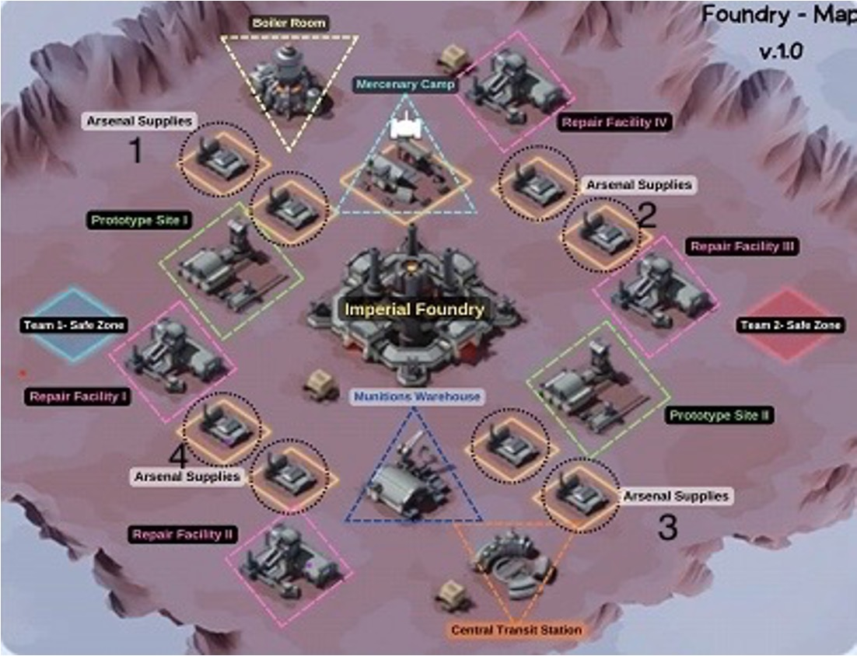
 |  |  |  | FOUNDRY MAP
Last 10 min assigments | Offensive group: | Role: | Comment:
 |  | Rally leader | This group's task is to attack the enemy's repairs throughout the match, with the goal of collecting the accumulated points. You must follow the assigned rally leader using teleportation, join rallys with the correct formations, and be quick to collect all the points!!
 | Gathering team | You will follow the assigned rally leader using TPS, to repairs, to rally and collect the points accumulated by the enemy.

 | Troop Composition
 |  |  | If you are not on any of the tables and you are still registered, write to Death. Please join the Discord call and follow the R4's instructions at all times. Failure to heed the instructions may result in penalties in subsequent foundries.
 | RALLY = 50/10/40 | GARRISON = 50/15/35
 | Hervor/Karol/Rufus | Karol/Lloydl/Ligeia

 | Bradley | Bradley

 | Hendrick | Patrick

 | Blachett | Blachett

 | Jessi | Gatot

