Sheet1
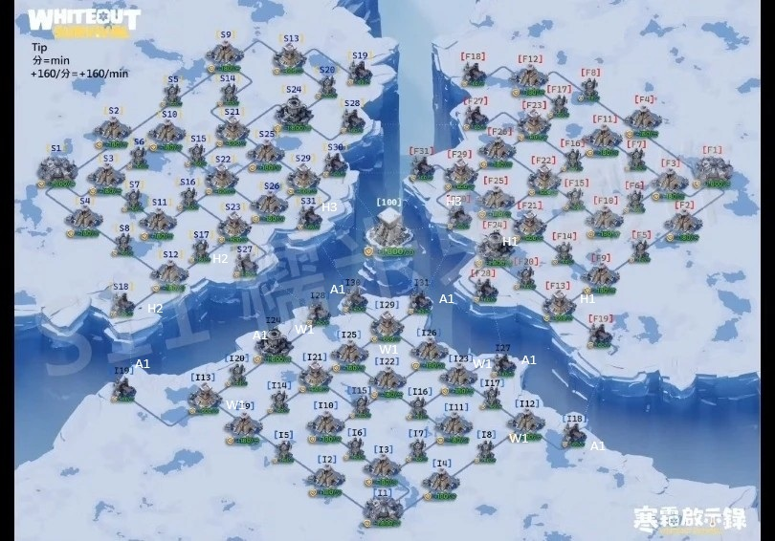
Teams | Players | CRITICAL | JOB

Anchor Team |  | i30, i24 | - Hold 1-2 critical Fortresses or Ports - These players do not roam - Crossing over is fine but not at expense of our buildings - Make sure you place marchs in your appointed buildings
 |  | i31, i24
 |  | i19, i28
 |  | i18, i24
 |  | i24; I 27;
 |  | I 24; I 19
Harrasment 1 (GO RIGHT SIDE) |  | RETREAT If enemy invades our territory | Starting position can change so your goal is Ruins/Ruins Cluster & a Fortress if it falls on your side (see image as reference) Never engage with whales, retreat

Harrasment 2 (GO LEFT SIDE)

Harrasment 3 (GO MIDDLE SUPPORT ANCHOR TEAM) |  |  | 1. Support Anchor team at Fortress and ports 2. Hit and retreat from Enemy ruins

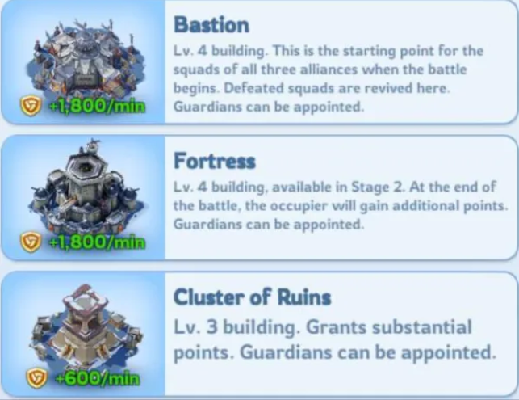
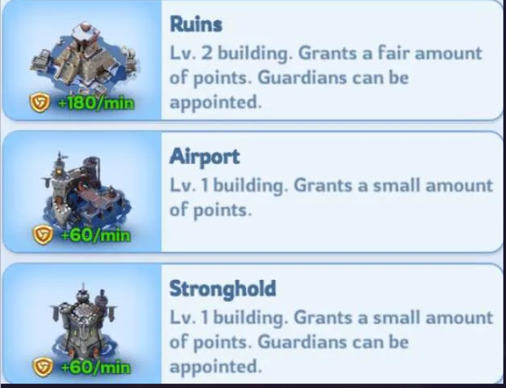

Wall team |  |  | Block choke points in our territory fill up queues Close off enemy routes

