Reciepts History
 |  |  |  | amount | start date | end_date | months
 |  |  |  | 230000 | 2023-06-09 | 2024-06-08 | 12 | 34500
 |  |  |  | 300000 | 2023-07-07 | 2024-06-08 | 11.065789 | 41496.70875
 |  |  |  | 60000 | 2023-08-27 | 2024-06-08 | 9.4276 | 7070.7
 |  |  |  | 305000 | 2023-10-12 | 2024-06-08 | 7.921 | 30198.8125
 |  |  |  | 200000 | 2023-10-20 | 2024-06-08 | 7.6579 | 19144.75
 |  |  |  |  |  |  |  | 132410.97125 | Ideal
 |  |  |  |  |  |  |  | 134392 | Actual
 |  |  |  |  |  |  |  | 1981.02875 | Additional benefits
 | 10000 | 2024-05-29 | 2024-06-08
 |  | 0.33333333333 | 41.666666667









 |  |  |  |  |  |  |  |  |  |  | 287000

 |  |  |  |  |  |  |  |  |  |  | 240263

 |  |  |  |  |  |  |  |  |  |  | 363000
 |  |  |  |  |  |  |  |  |  |  | 122737

 |  |  |  |  |  |  |  |  |  |  |  | Received in cash --50000/240263

 |  |  |  |  |  |  |  |  |  |  |  | 15000
 |  |  |  |  |  |  |  |  |  |  |  | 10000
 |  |  |  |  |  |  |  |  |  |  |  | 50000
 |  |  |  |  |  |  |  |  |  |  |  | 25000
 |  |  |  |  |  |  |  |  |  |  |  | 40000
 |  |  |  |  |  |  |  |  |  |  |  | 15000
 |  |  |  |  |  |  |  |  |  |  |  | 82000

 |  |  |  |  |  |  |  |  |  |  |  | 3263
 |  |  |  |  |  |  |  |  |  |  |  | 11737

 |  |  | 2025-04-13 |  | not available
 |  |  | 2025-04-15 |  | not available
 |  |  | 2025-04-17 |  | not available
 |  |  | 2025-04-24 |  | not available

 |  |  | 22619 --byaj jama --10/06/25

 |  |  | snapshots are not available for below dates
 |  |  | 2025-08-06 |  | laptop was unavailable
 |  |  | 2025-08-07
 |  |  | 2025-08-15
 |  |  | 2025-08-19

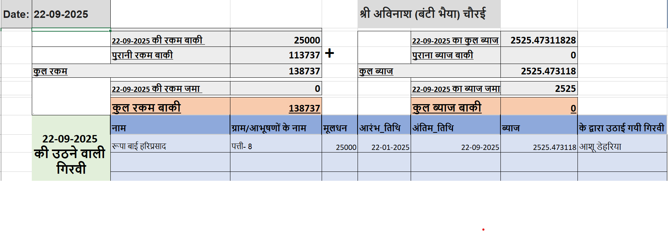

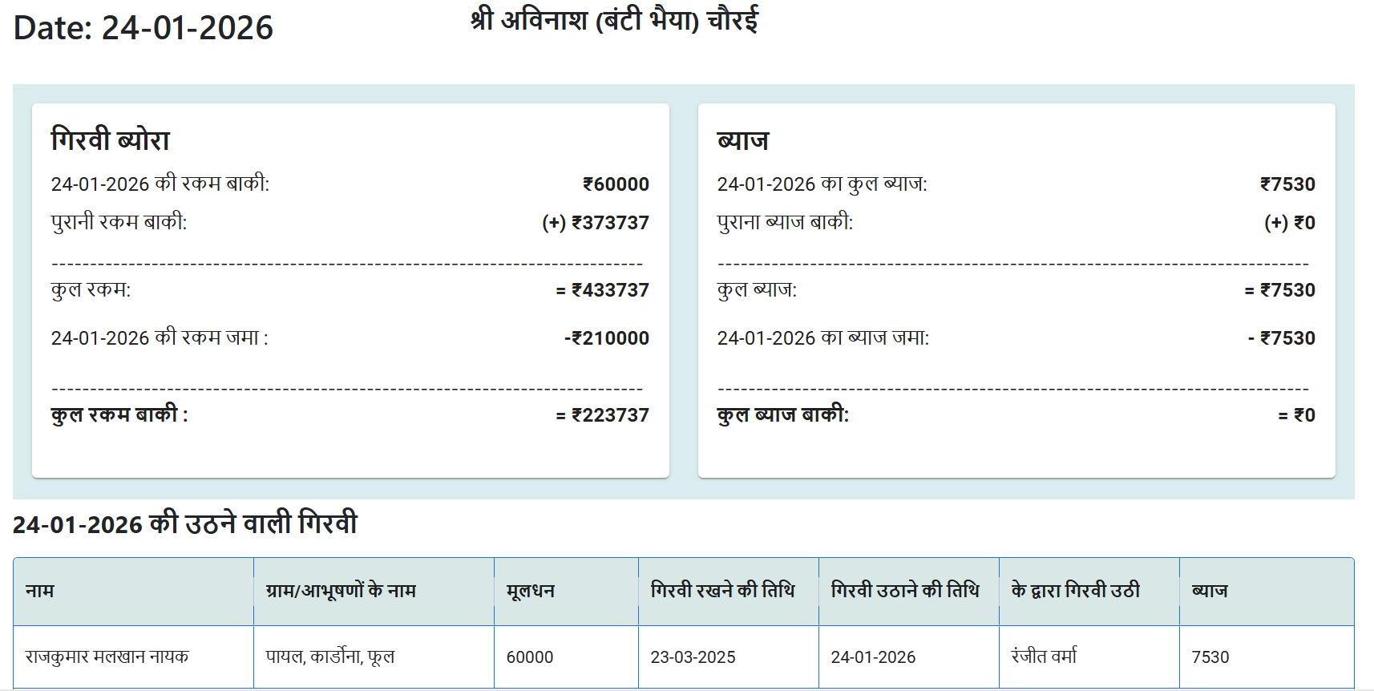

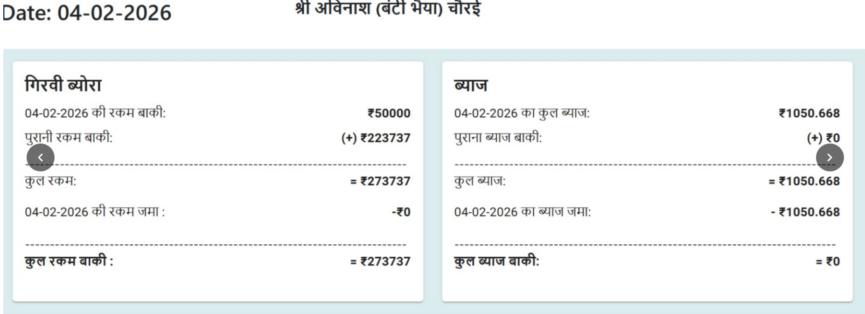

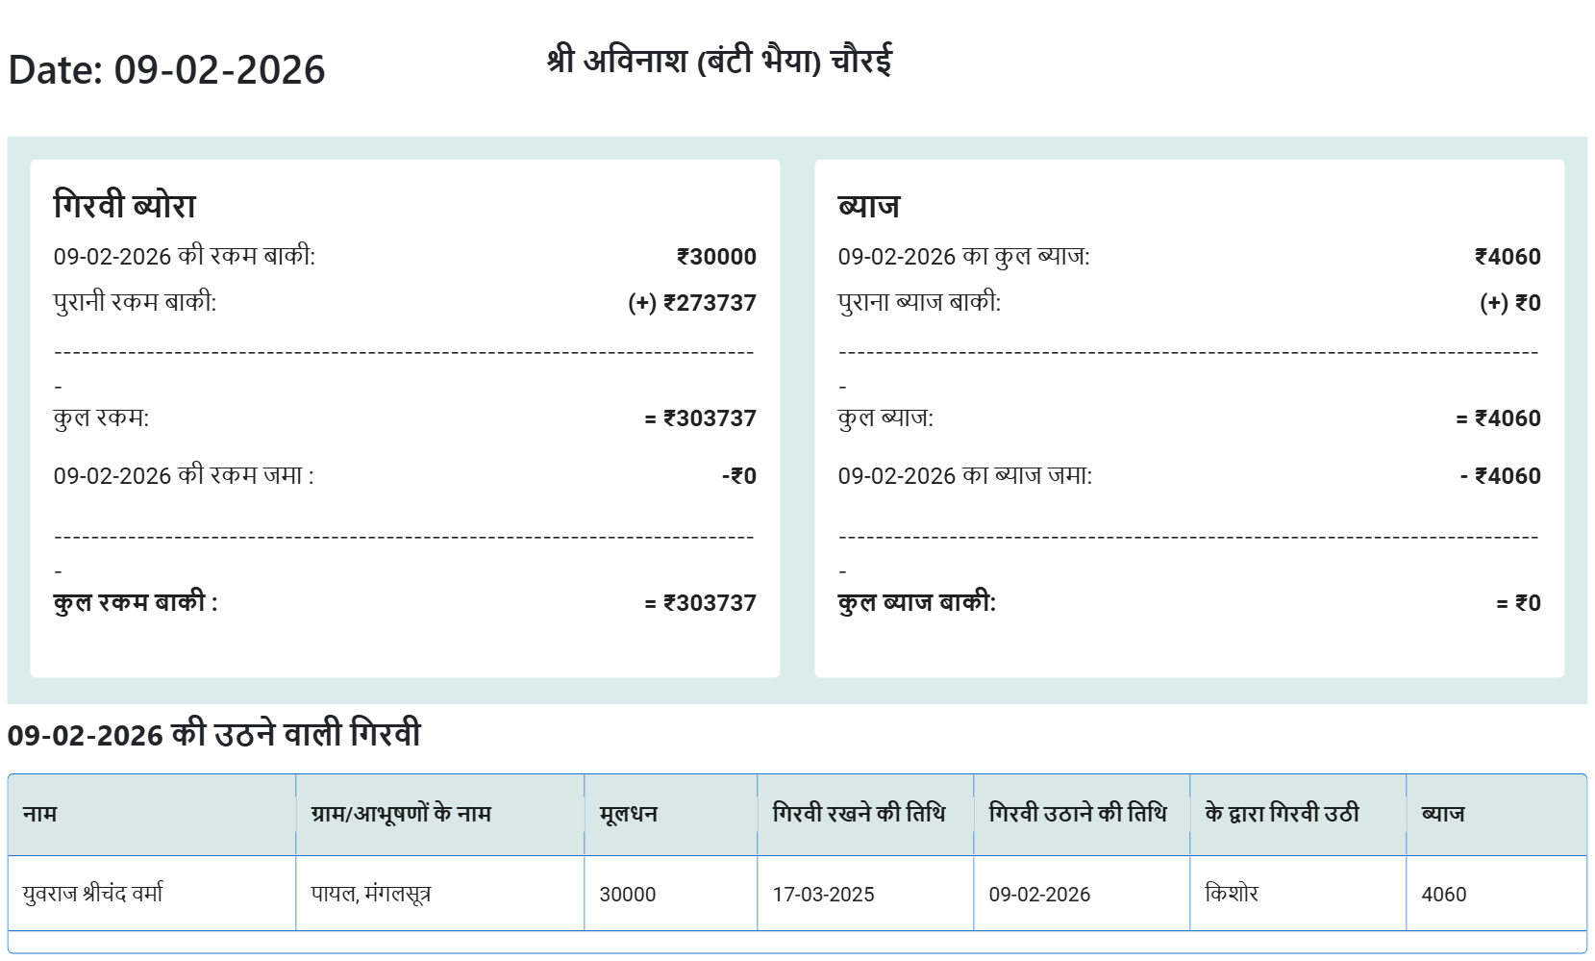

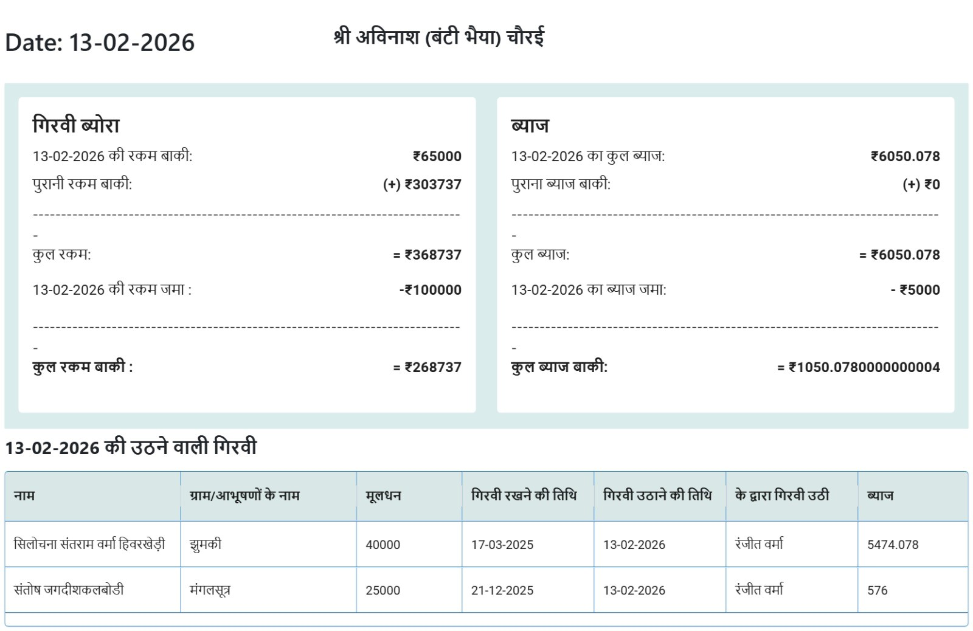

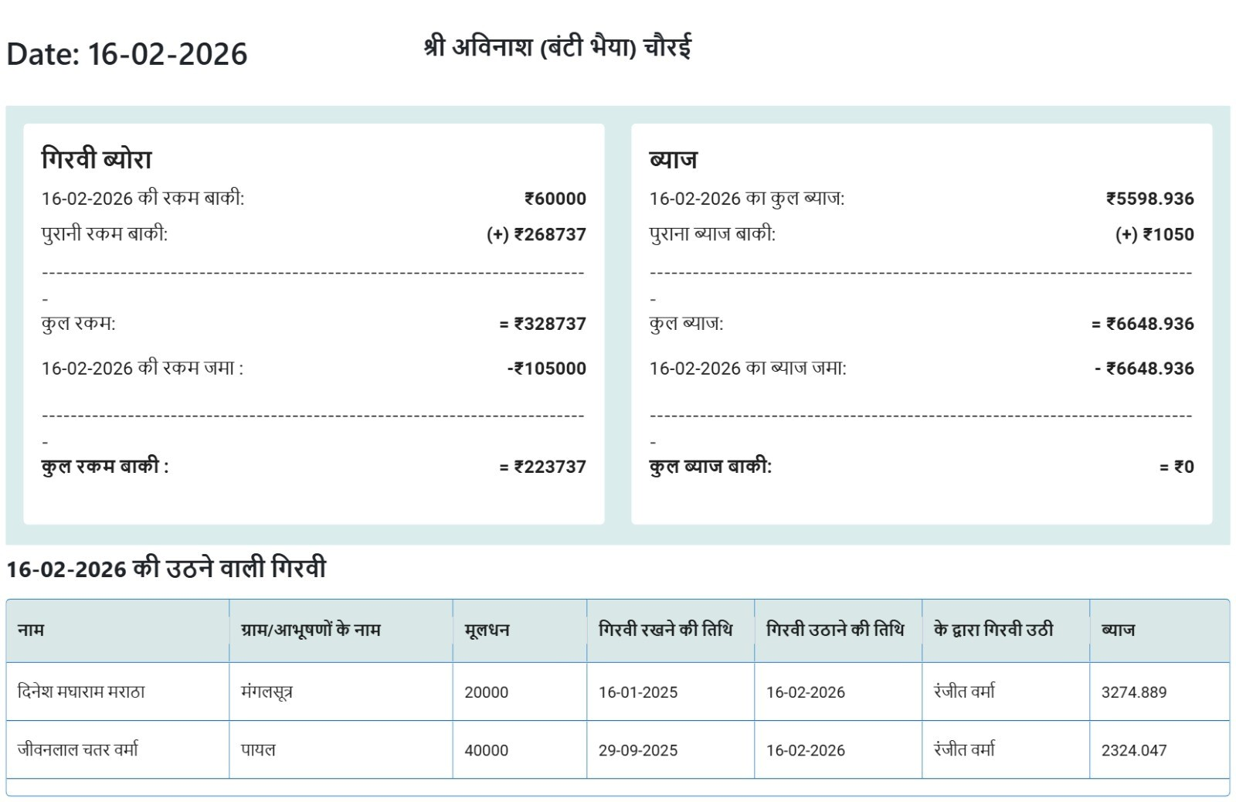

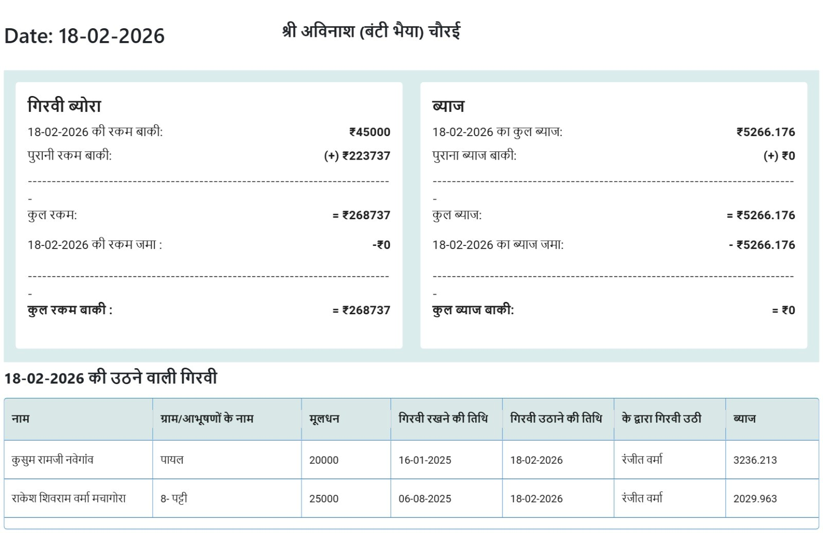

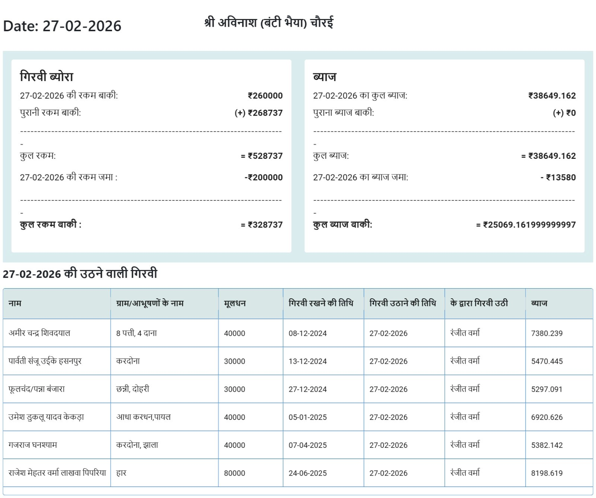

null

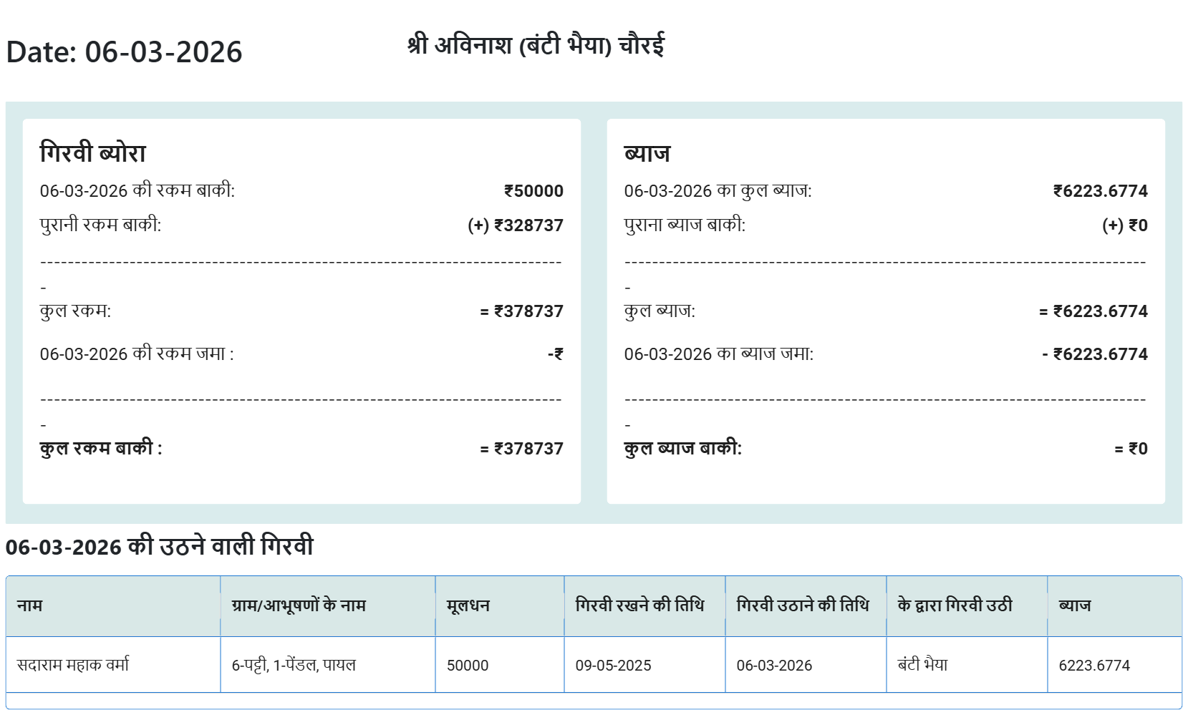
3/6/2026, 4:20:50 PM

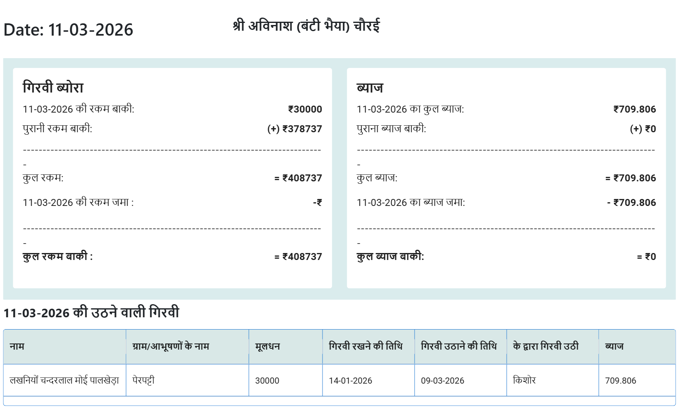
3/11/2026, 1:35:29 PM

3/11/2026, 1:36:02 PM

3/13/2026, 7:15:43 PM

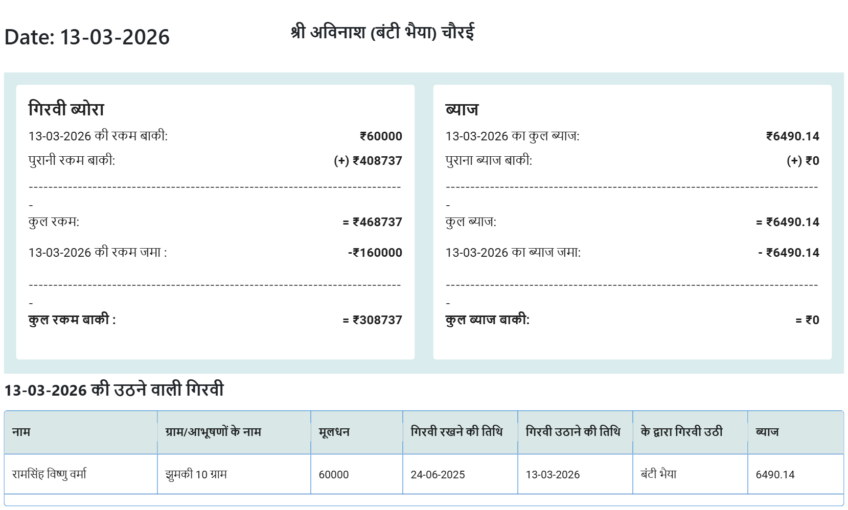
3/13/2026, 7:17:38 PM

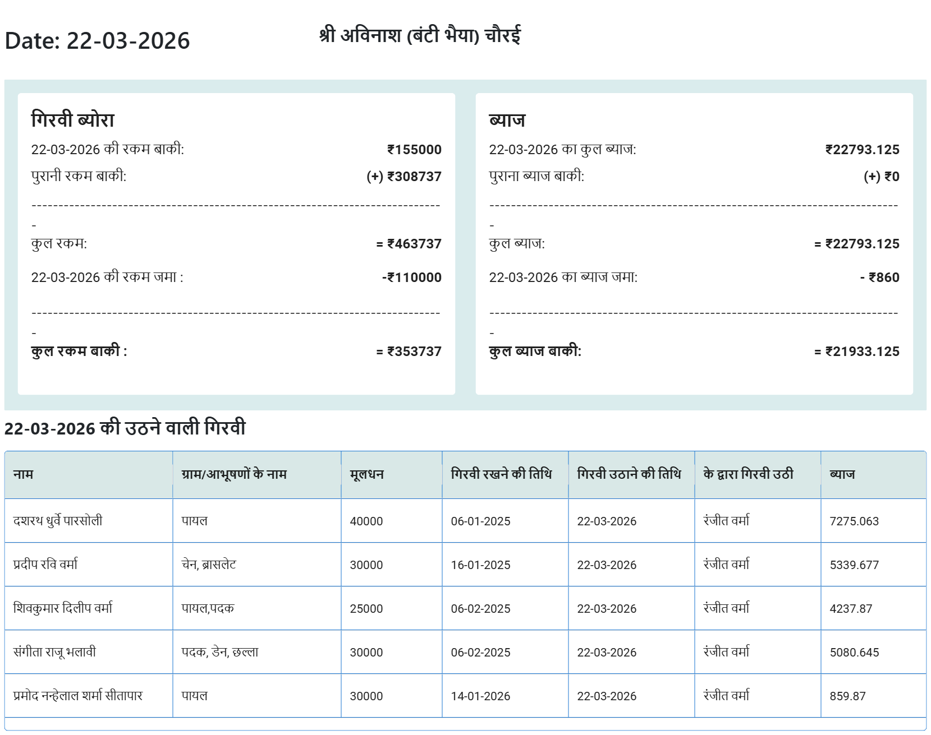
3/22/2026, 3:54:16 PM

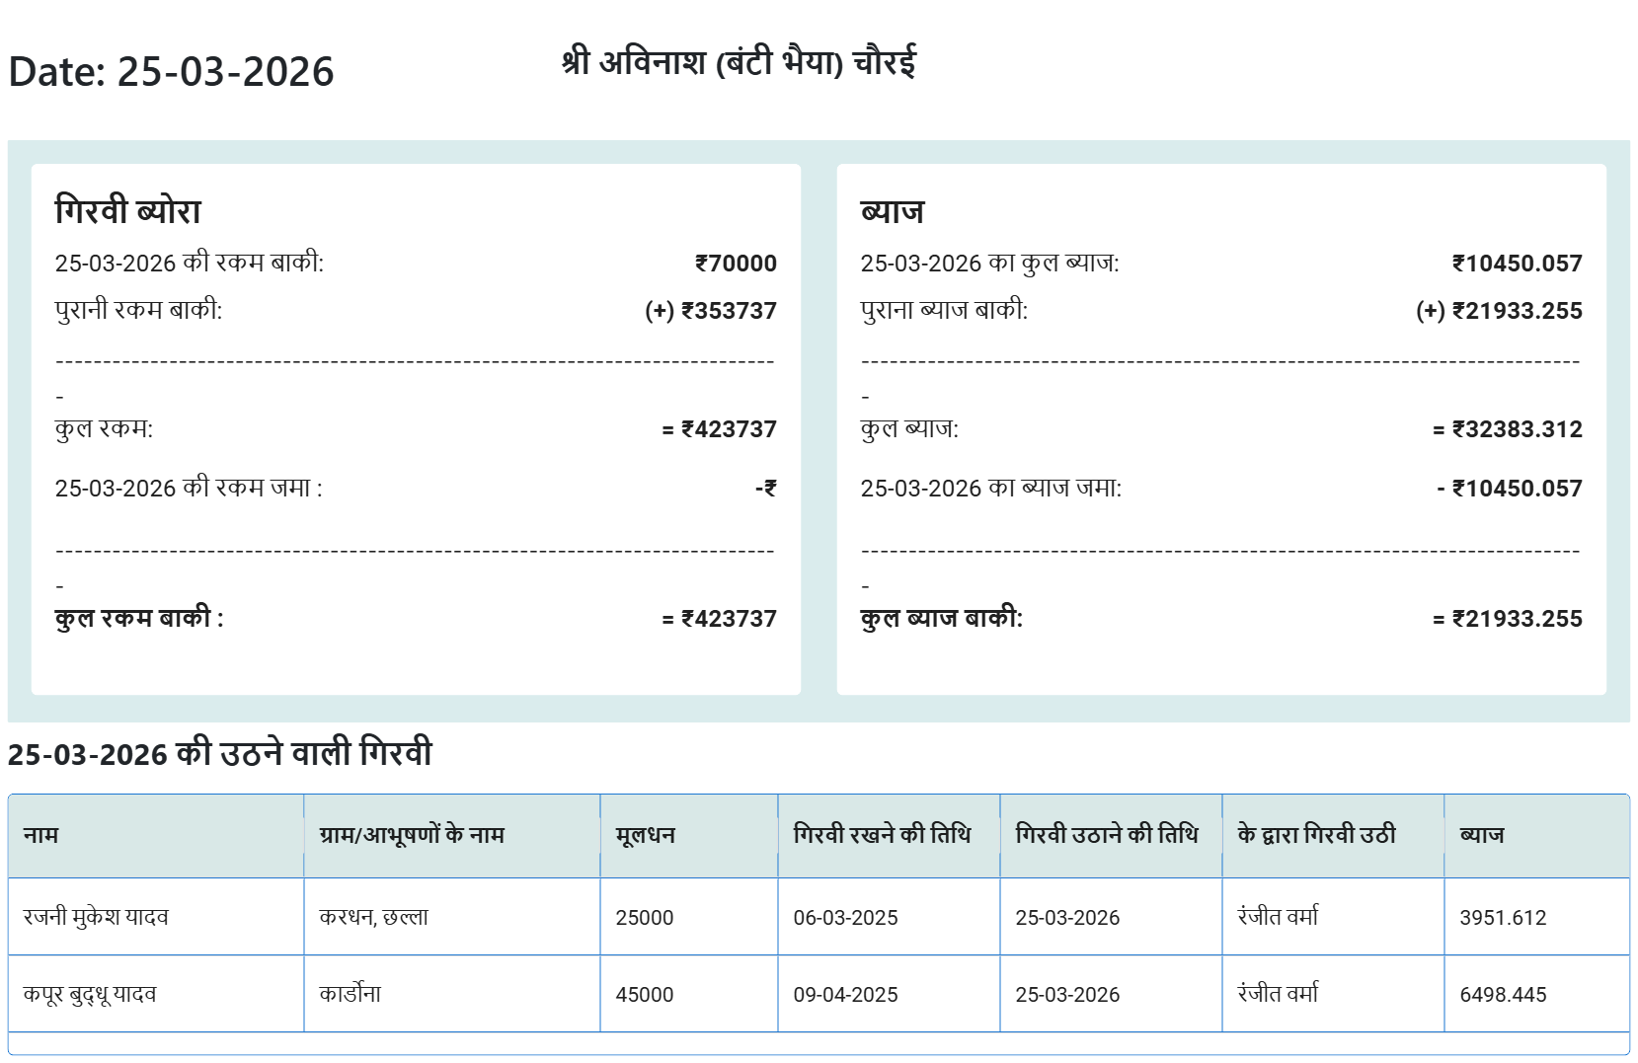
3/25/2026, 6:46:46 PM

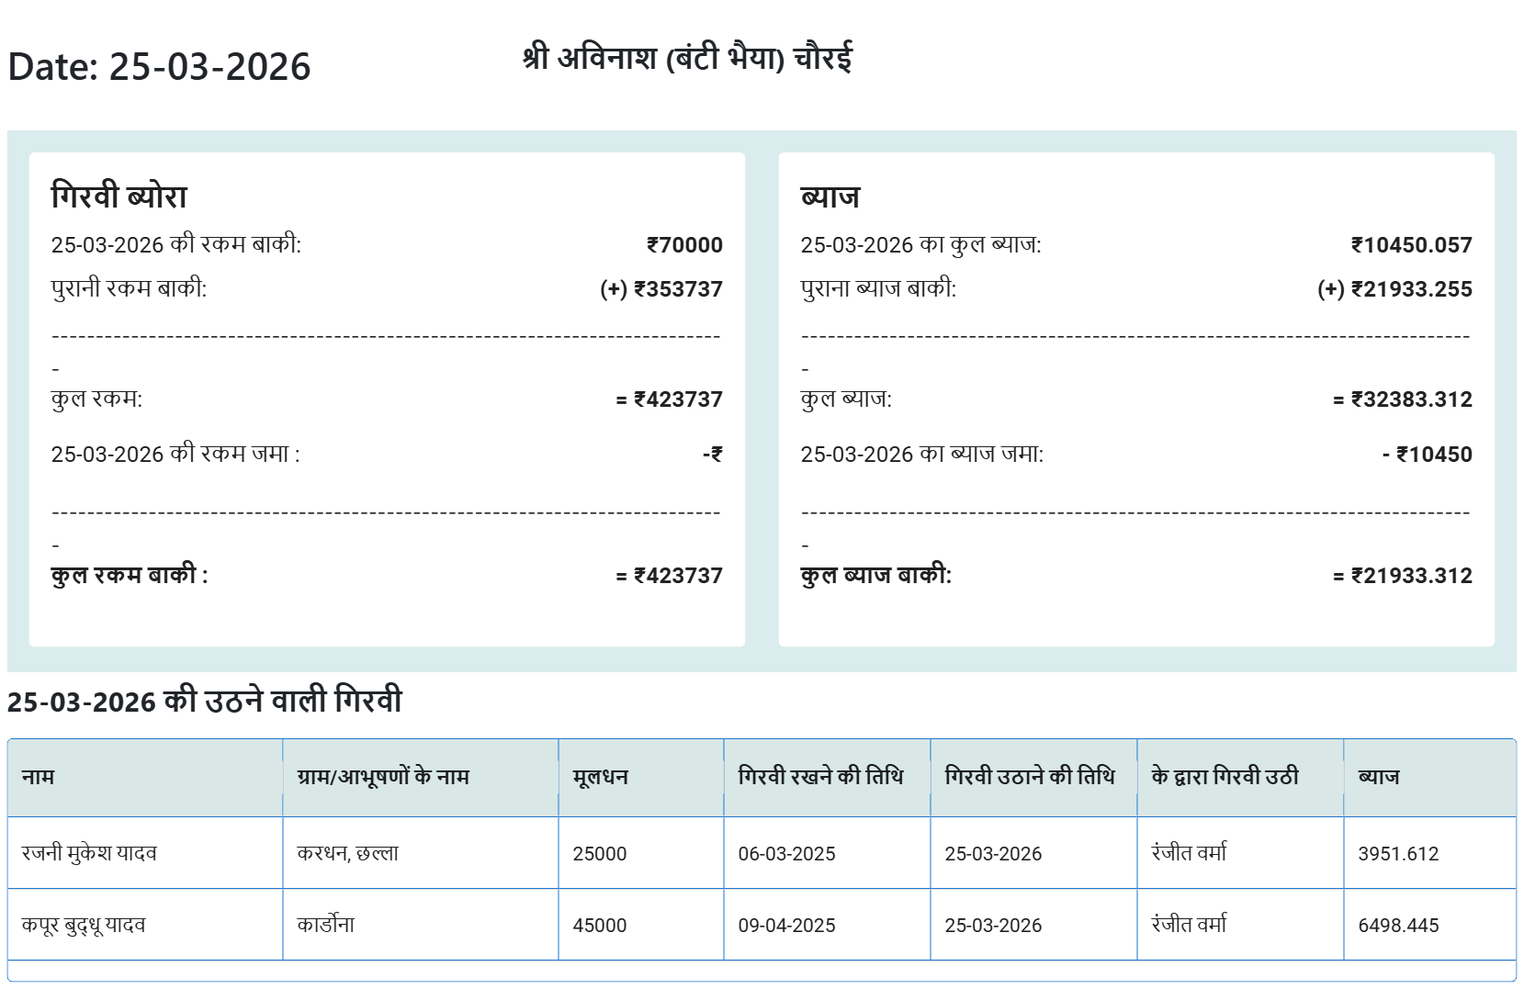
3/25/2026, 6:49:26 PM

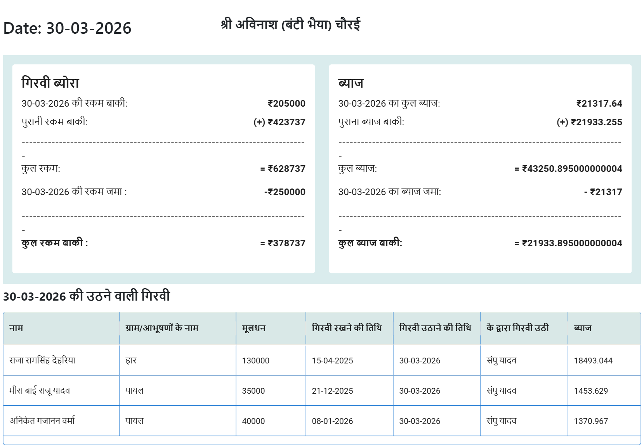
3/30/2026, 8:01:50 PM

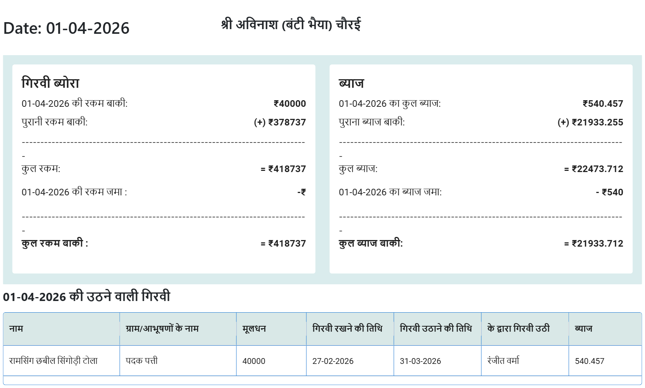
4/1/2026, 11:58:54 AM


4/1/2026, 11:59:58 AM

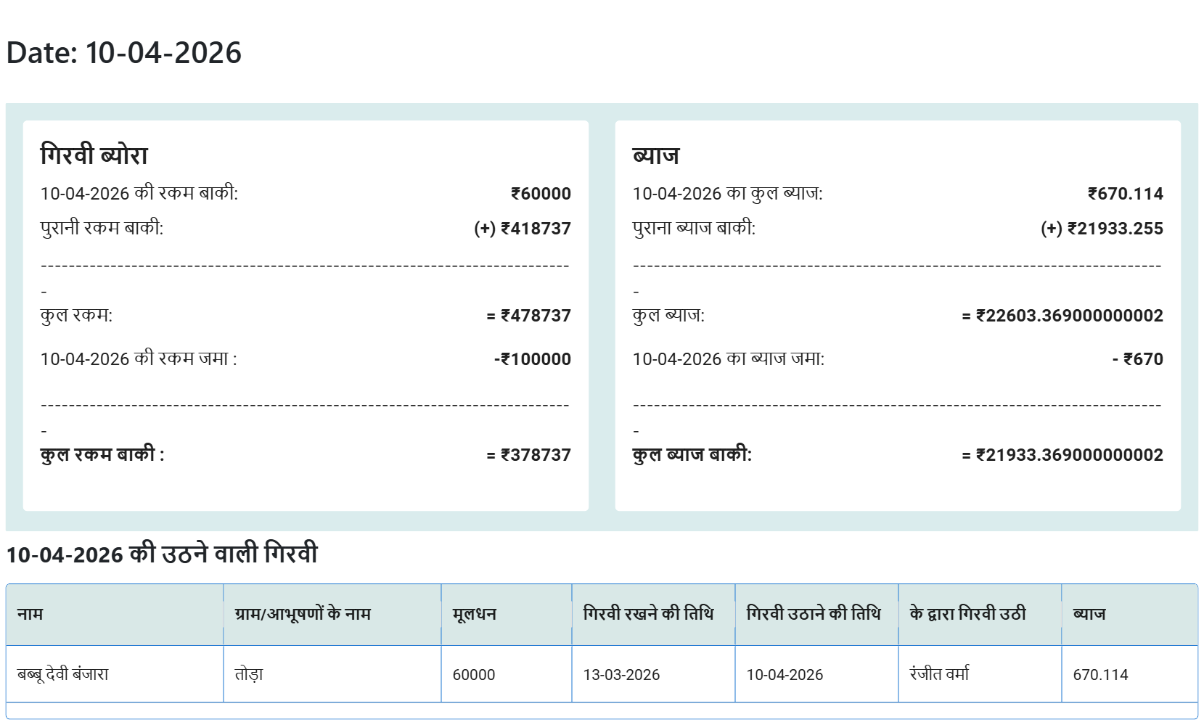
4/10/2026, 7:58:22 PM

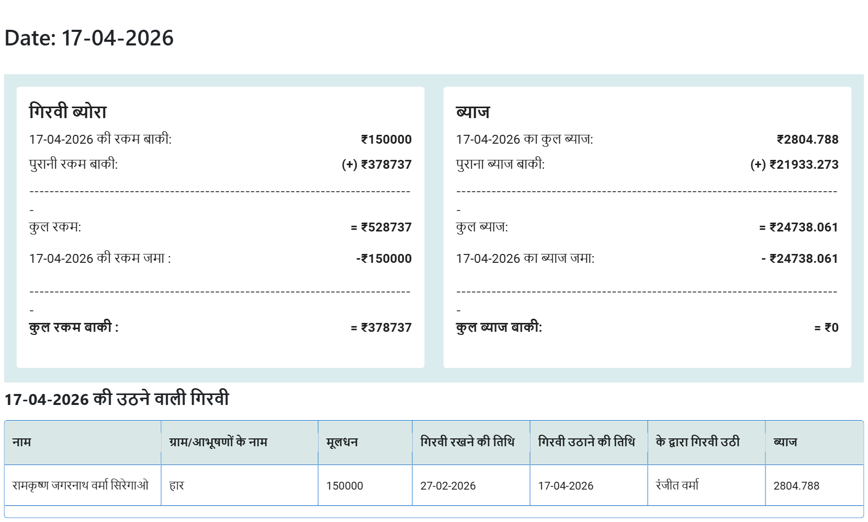
4/17/2026, 8:00:45 PM

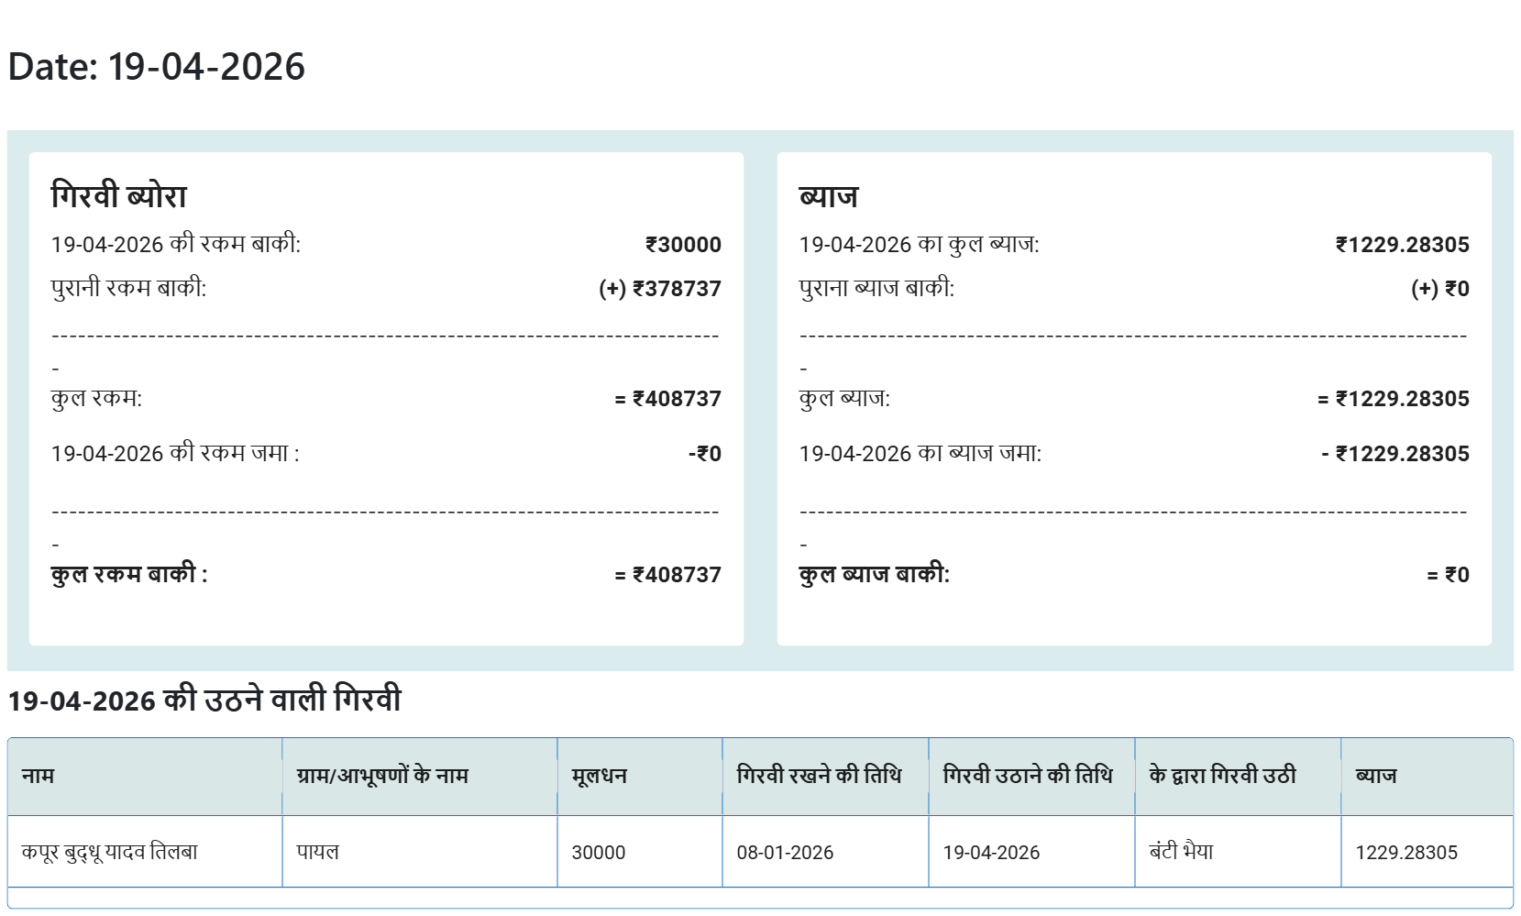
4/19/2026, 2:40:37 PM

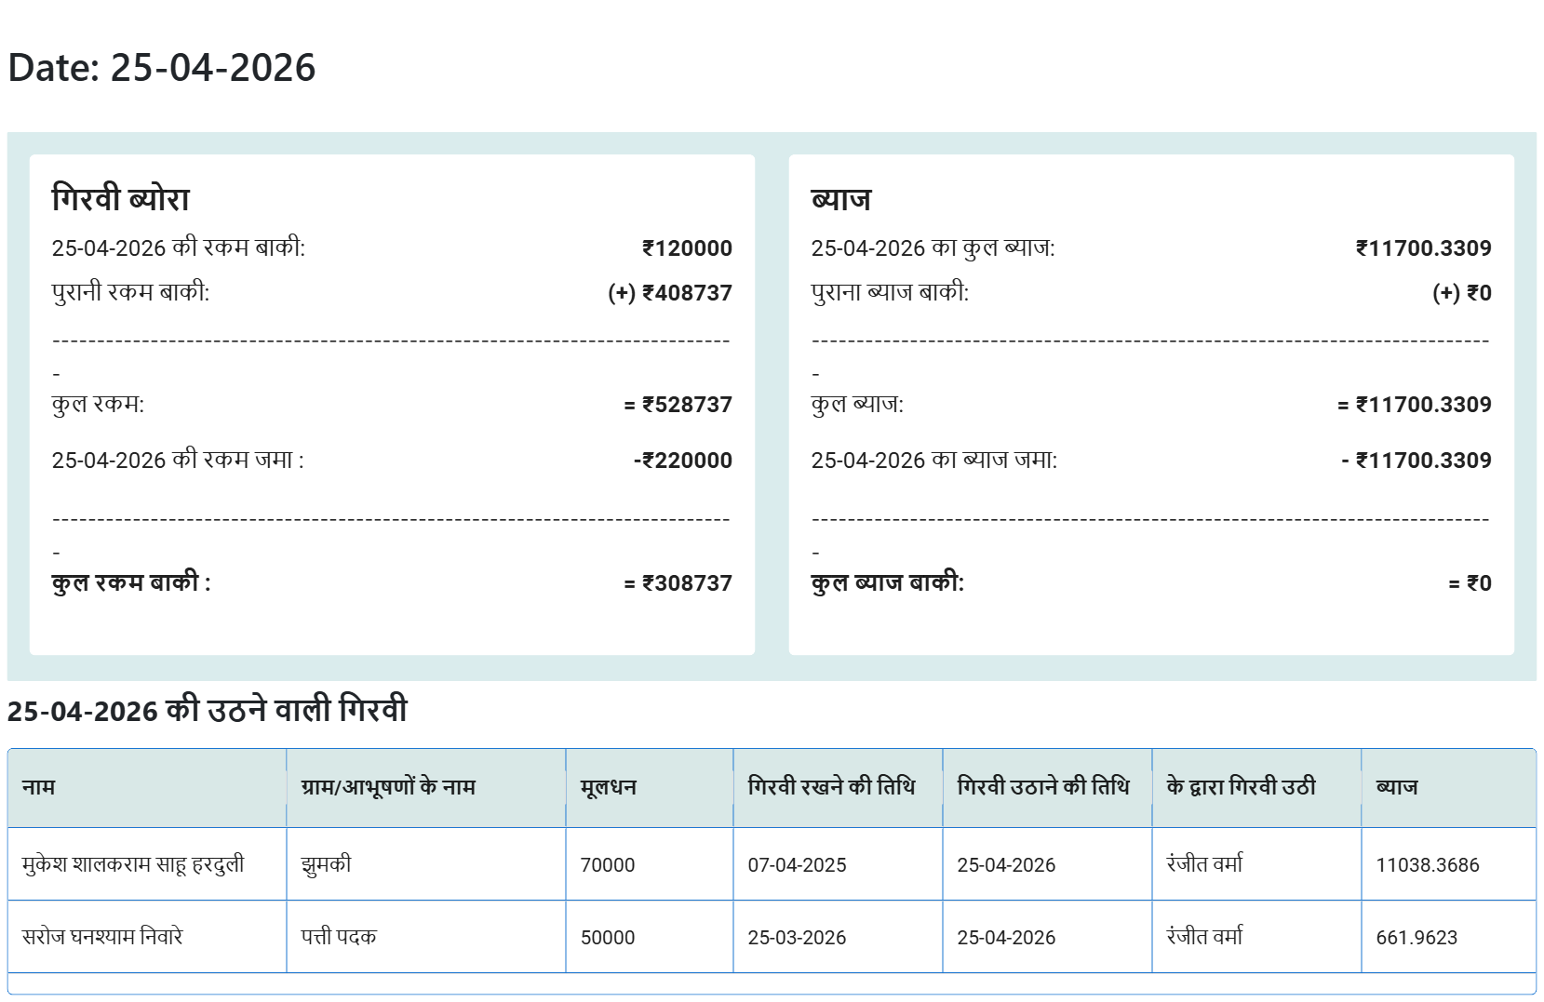
4/25/2026, 9:16:01 PM

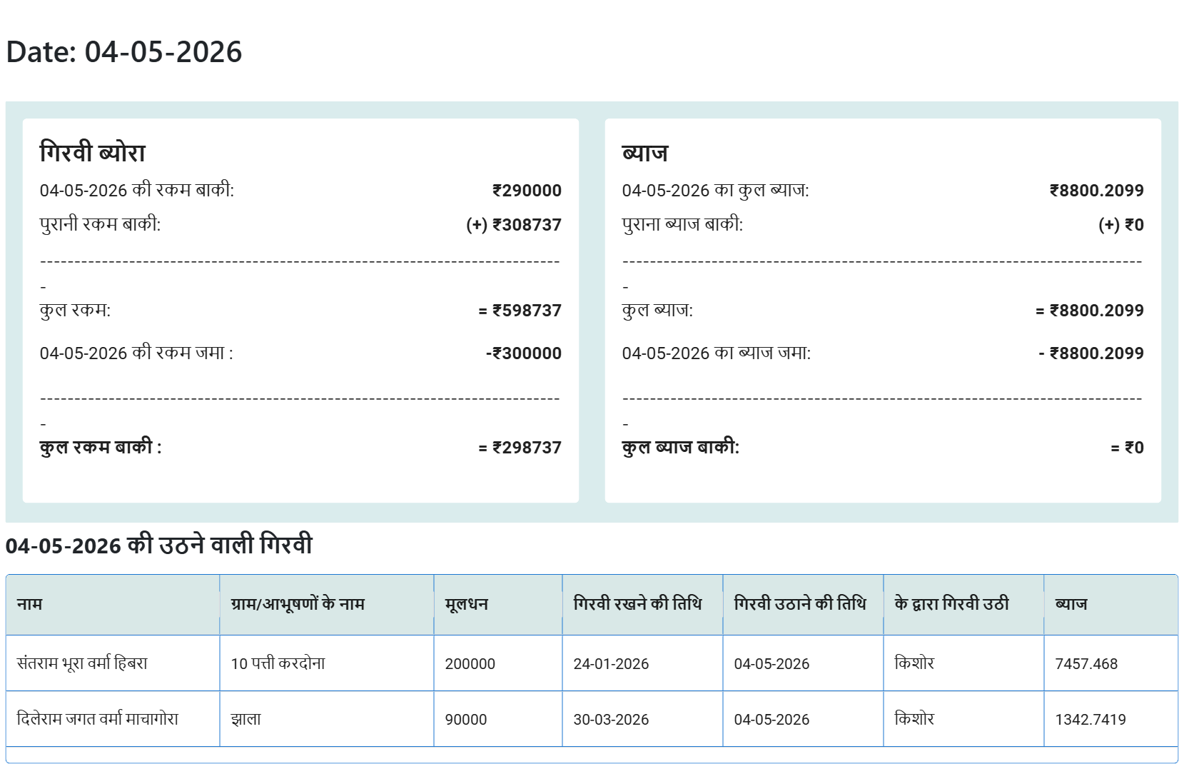
5/4/2026, 5:33:23 PM


5/7/2026, 10:57:45 PM

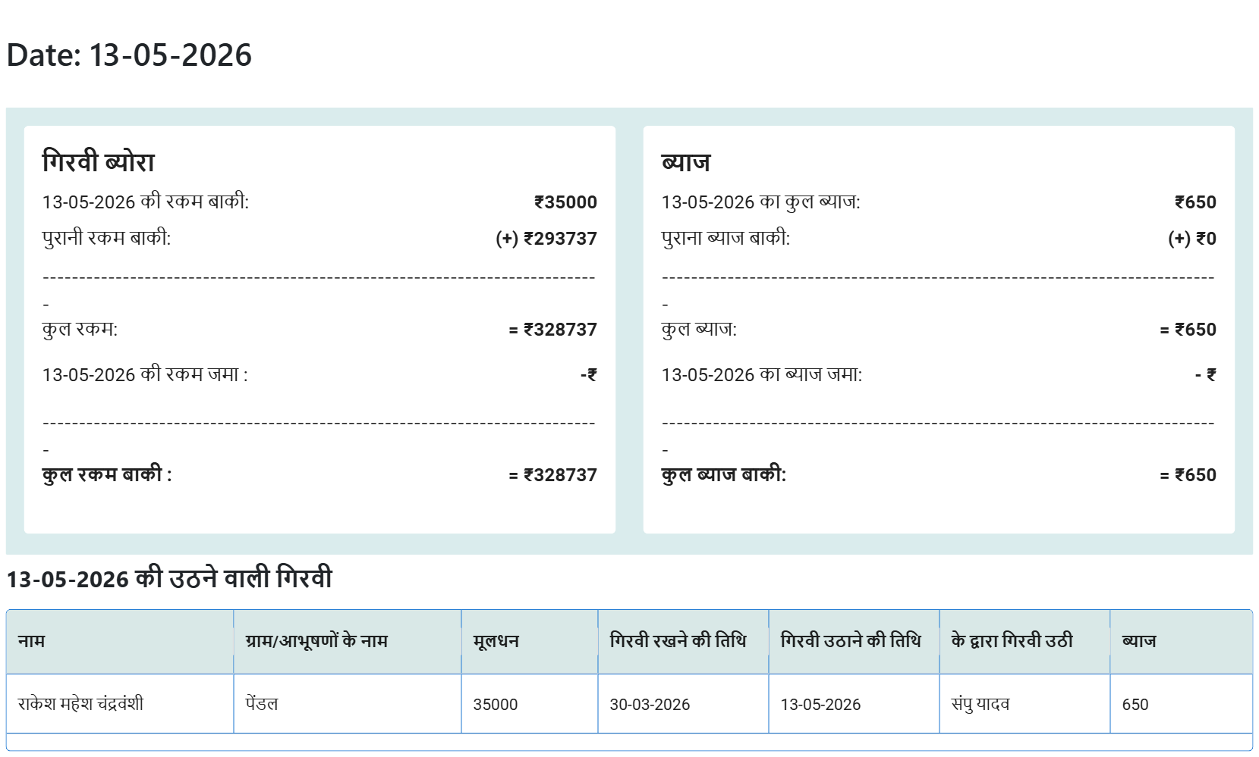
5/13/2026, 7:05:45 PM

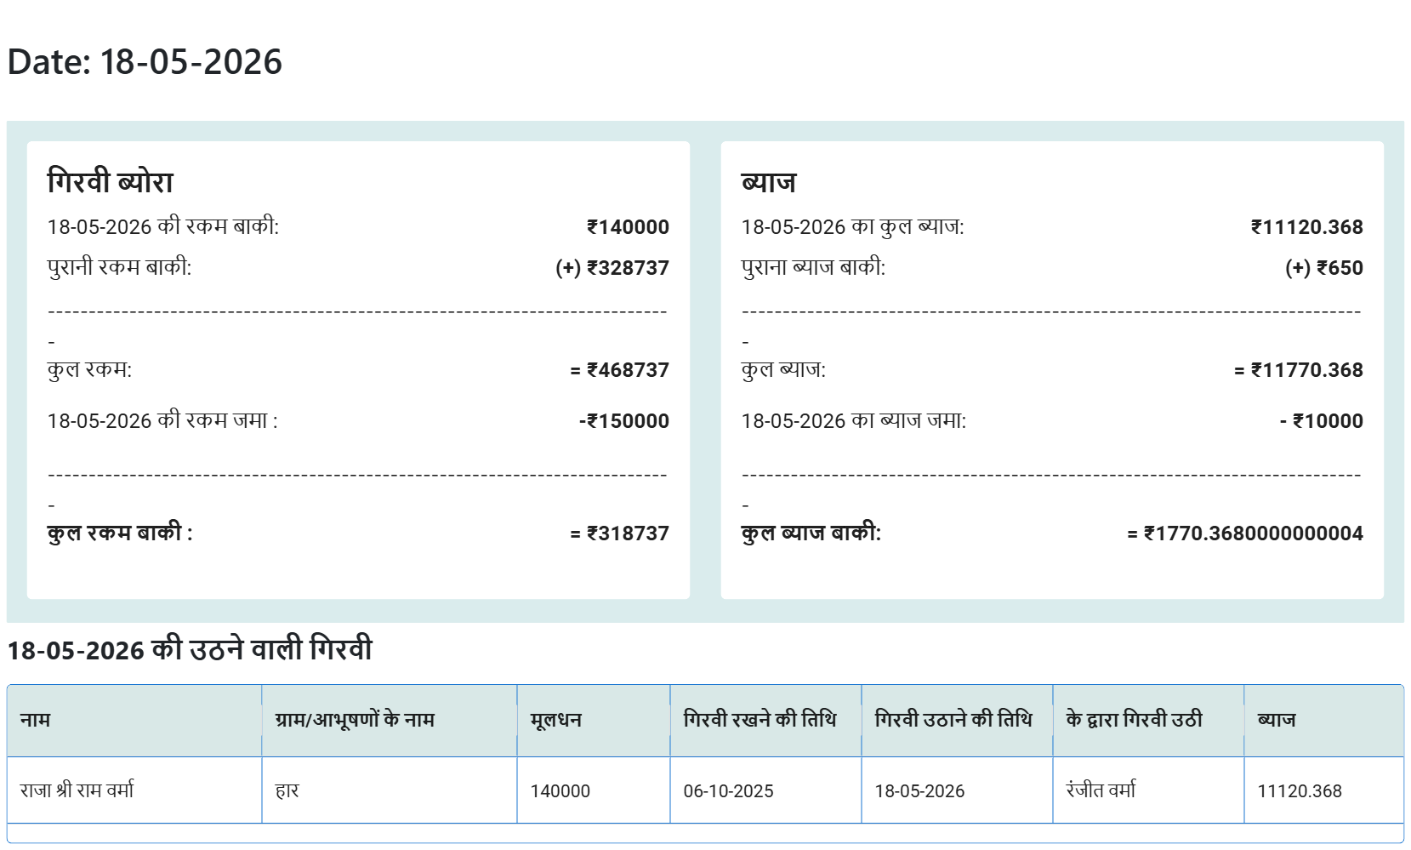
5/18/2026, 6:41:32 PM

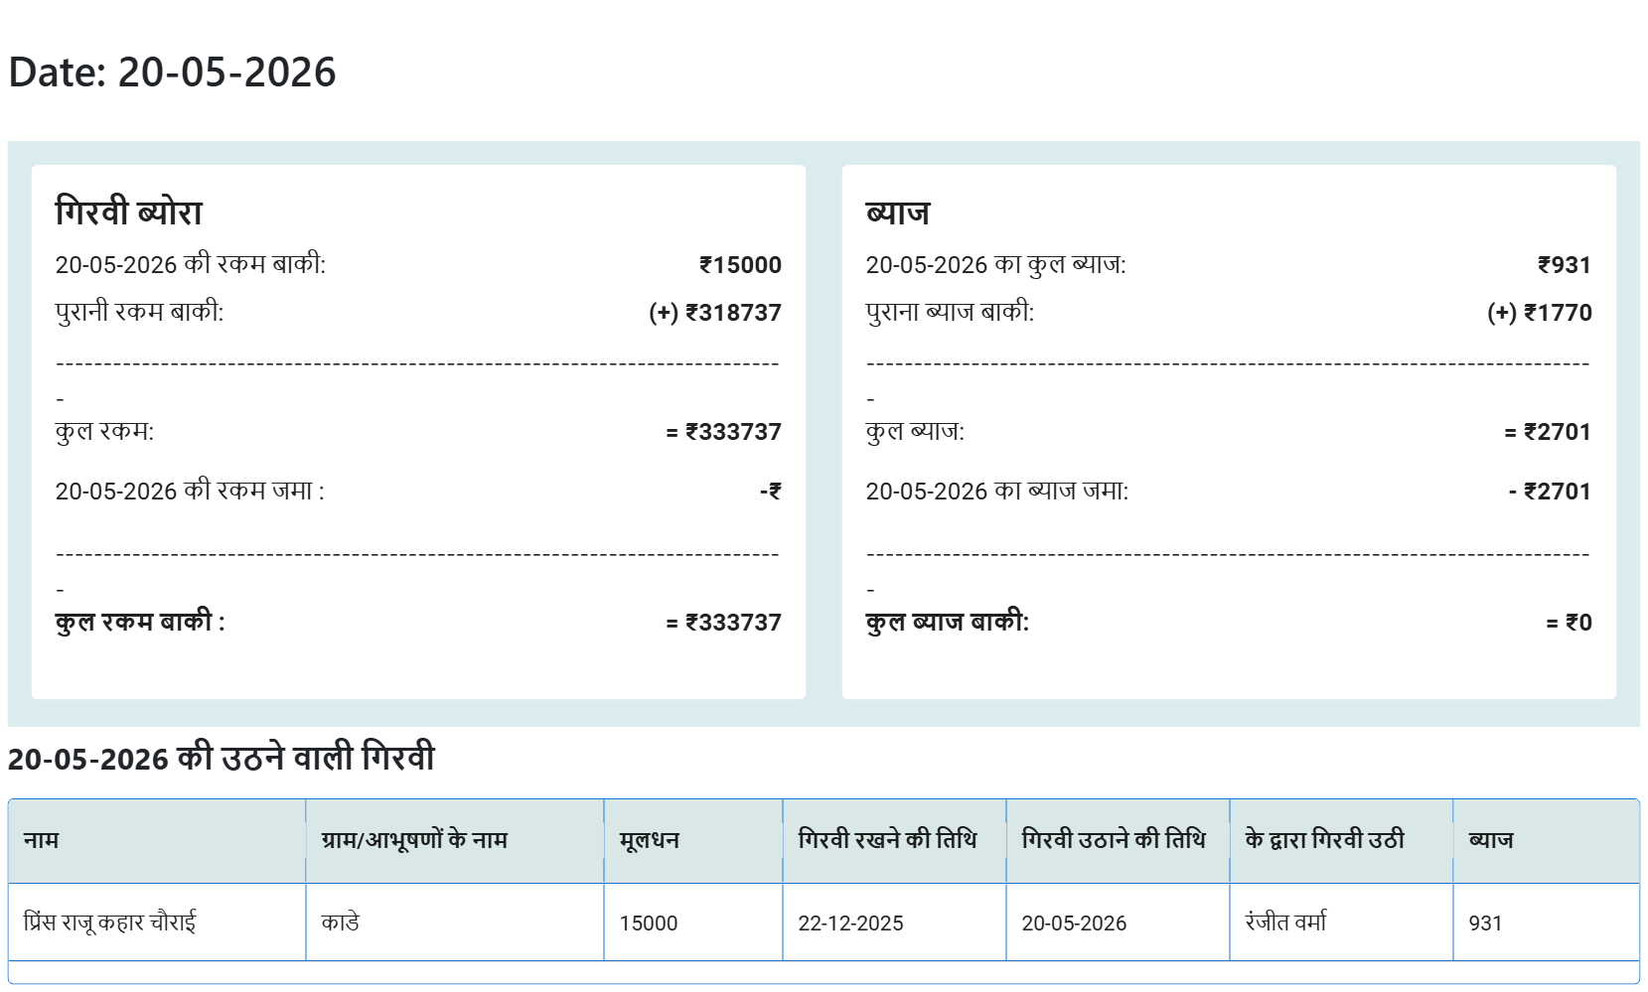
5/20/2026, 10:13:18 PM

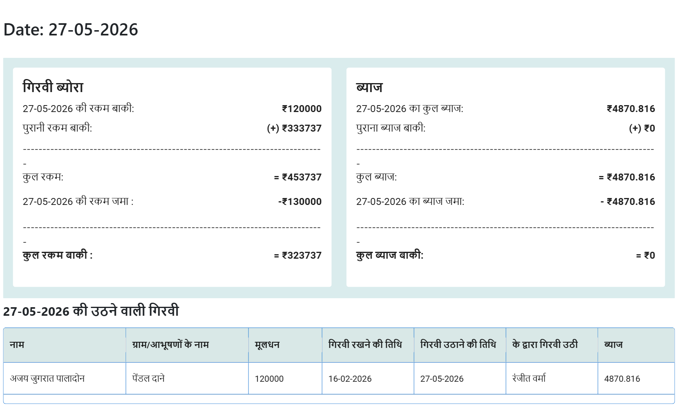
5/27/2026, 9:26:40 PM

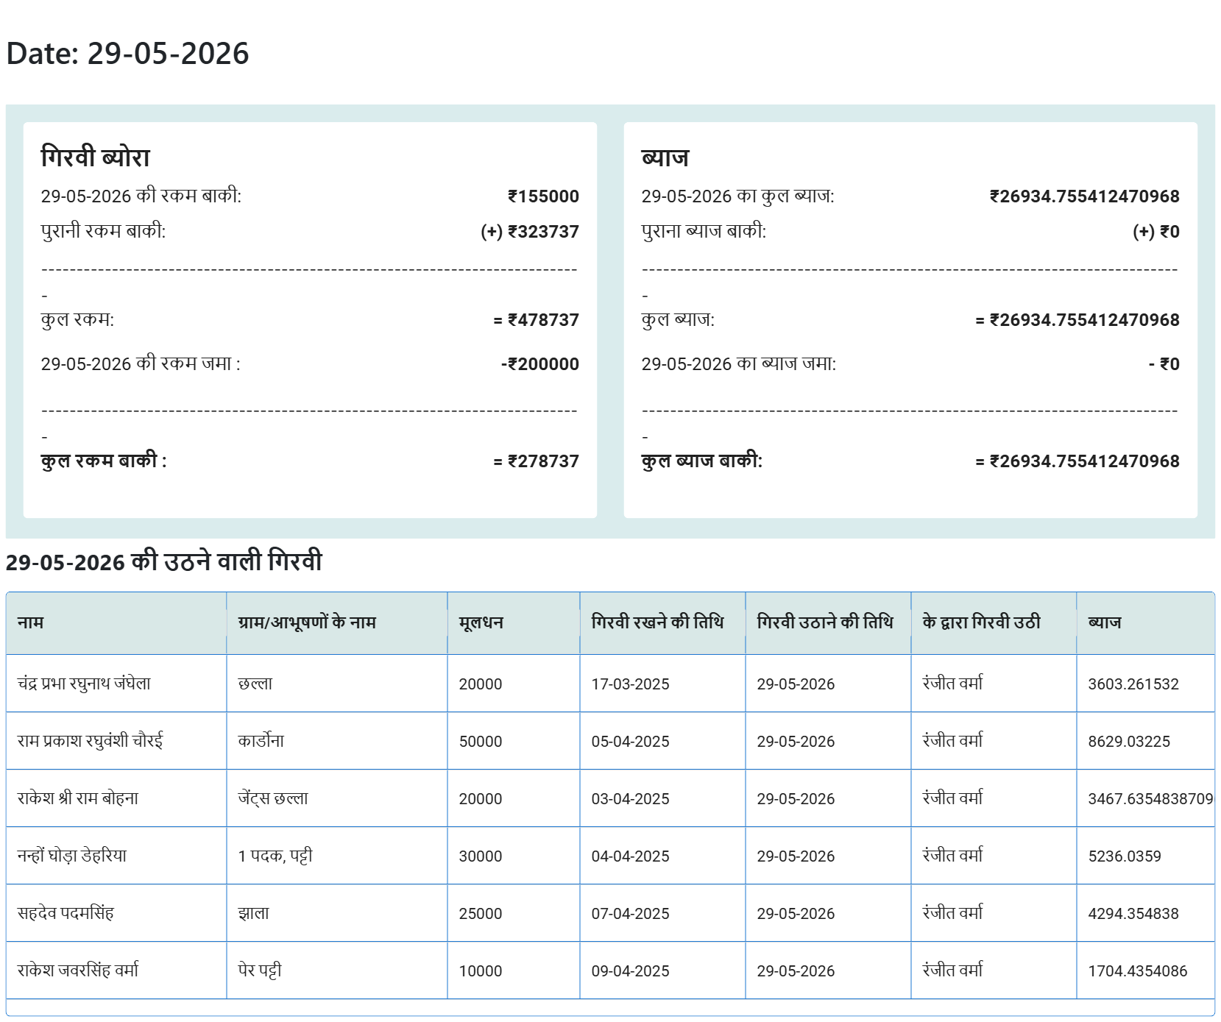
5/29/2026, 6:39:09 PM


8/14/2026, 10:33:59 PM

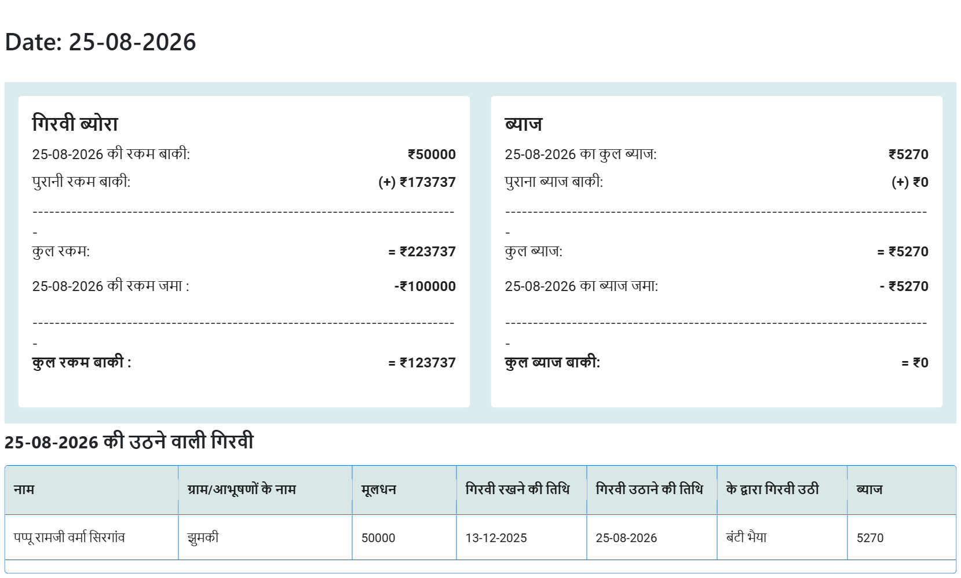
8/25/2026, 8:19:49 PM

 |  |  |  |  |  |  |  |  |  | bunty nahi koi naya ladka aya tha saman lene

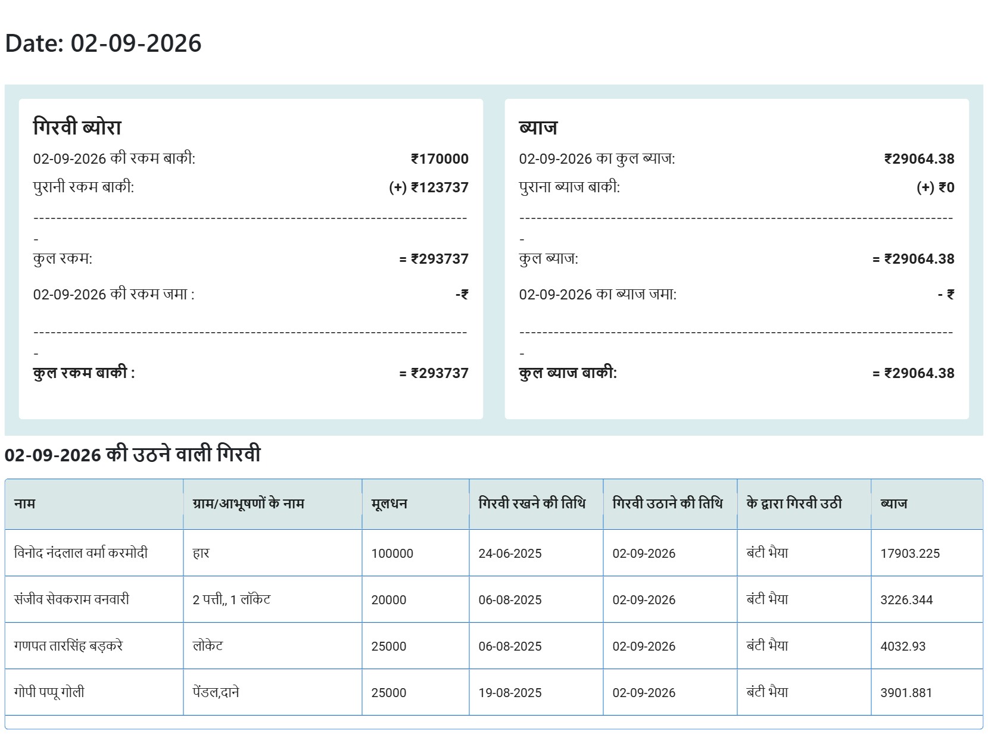
9/3/2026, 4:37:17 PM


9/4/2026, 4:36:22 PM

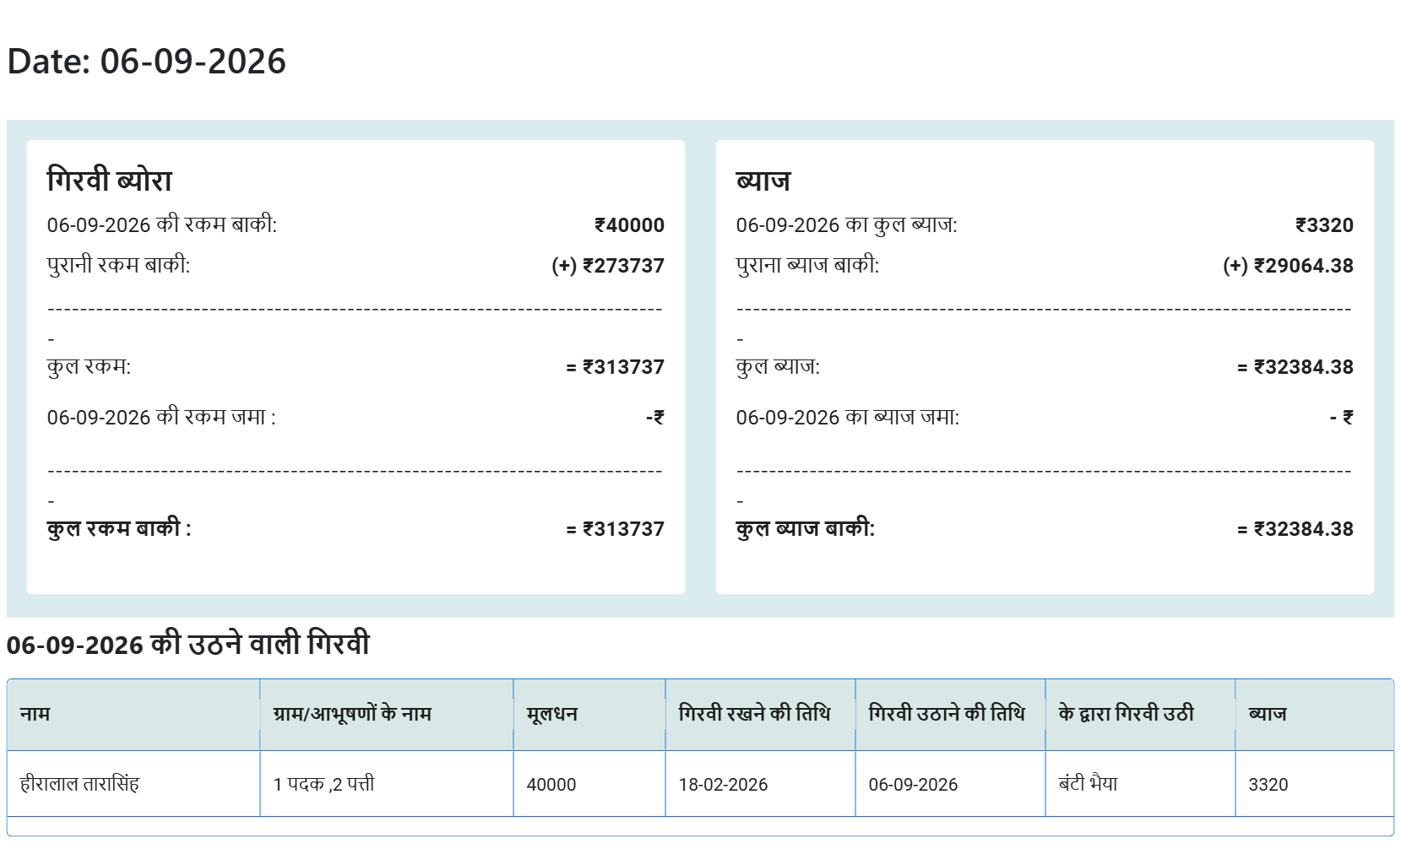
9/6/2026, 10:06:02 PM

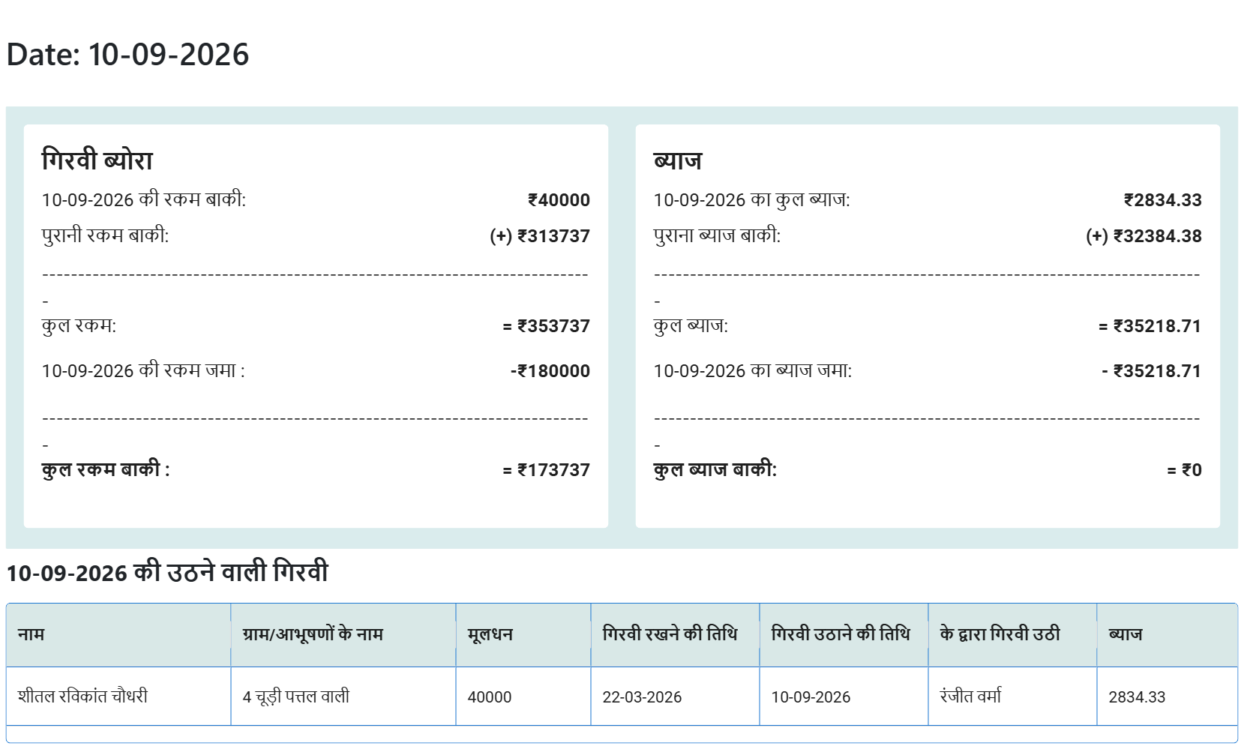
9/10/2026, 9:26:47 PM

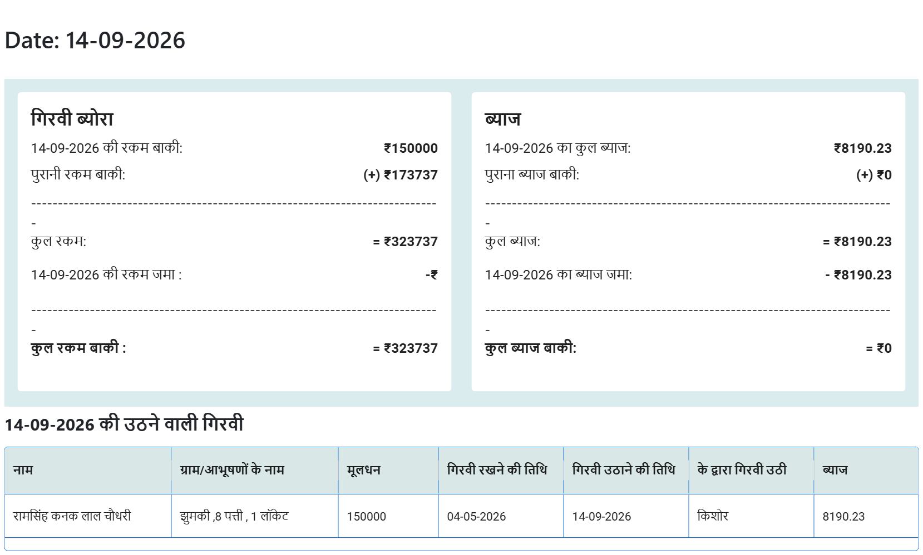
9/14/2026, 5:05:17 PM

