GRAFICOS_ML
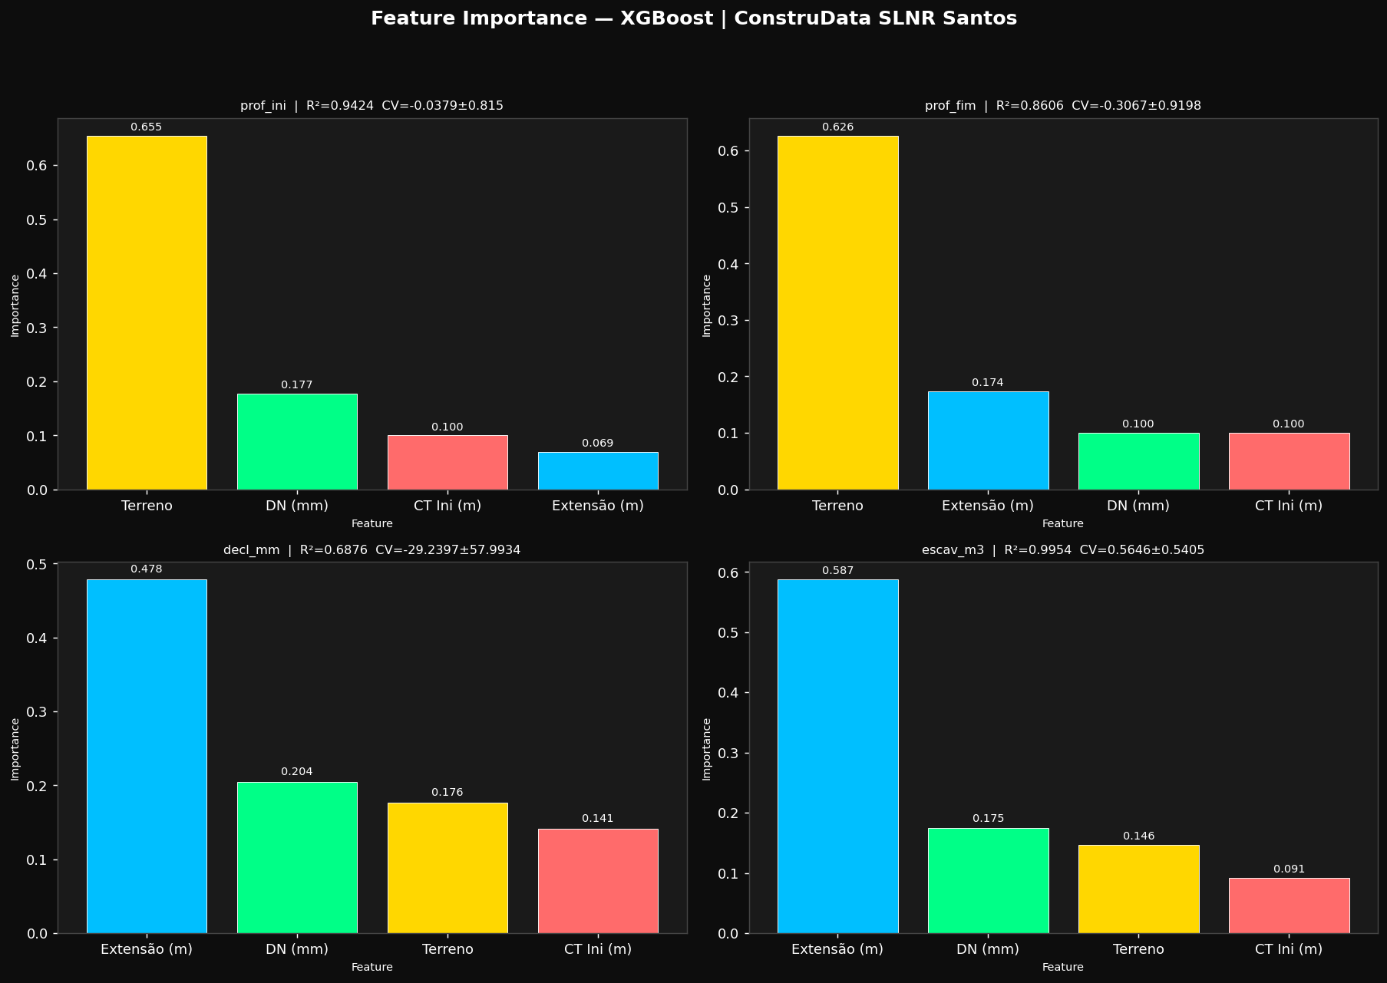
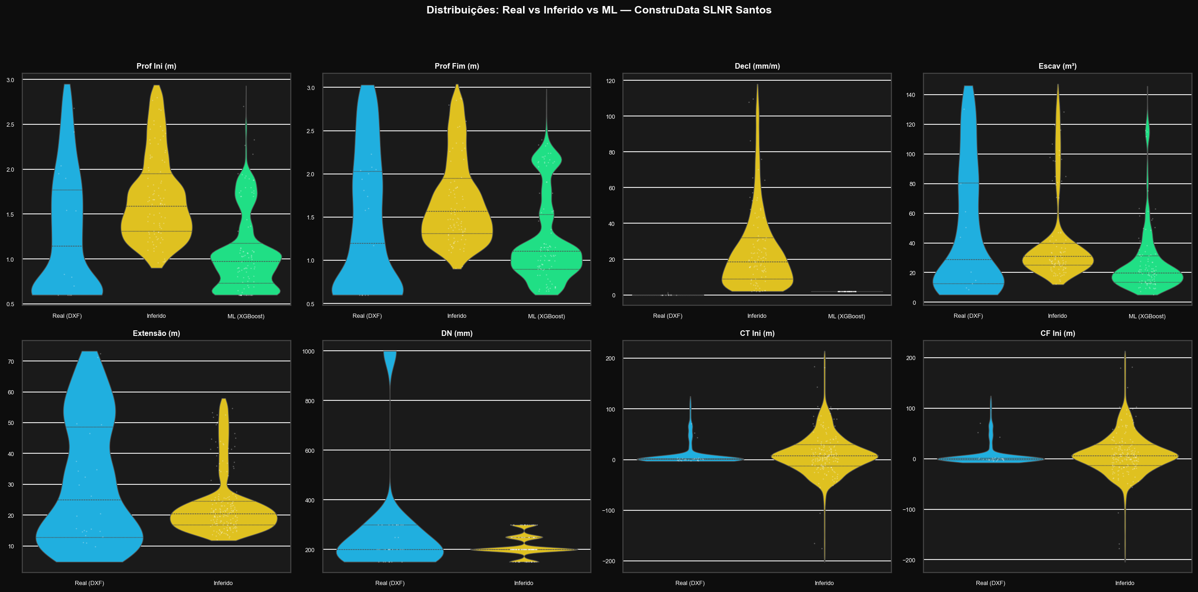
GRÁFICOS — Feature Importance & Violin Plots

