1. Title Page
Instacart Basket Analysis

Project Name: Instacart Basket Analysis
Date: 12/01/2022
Analyst Name: Forrest Roth
Data Source: "The Instacart Online Grocery Shopping Dataset 2017".
Accessed from https://www.instacart.com/datasets/grocery-shopping-2017 on 11/01/2022

Contents:
Population Flow
Consistency checks
Wrangling steps
Column derivations
Visualizations
Recommendations

2. Population Flow
Title page

Population flow

Exclusion flag
Condition: max_order < 5
Obervations to be removed: 1,441,570
Final total count of order_products_all: 30,993,489

Orders_products_combined
Orders_products_merged
Orders_products_all

Total: 32,435,059
Total: 32,434,489
Total: 32,435,059

1.) The grey boxes in the first row of the population flow represent the original data sets as they were when you downloaded them. In the Total fields you need to add the count of the rows when you imported the data set into Jupyter.
2.) The second row of boxes (coloured) represents the data sets after you manipulated them, e.g., removed missing values and duplicates. In the Total fields you need to add the count of the rows after conducting these operations. This offers a visual oveview of how the data flows throughout the data consistency checks.
3.) The third row, where also the arrows are coloured, represents the merges you performed between the datasets. In the Total fields you need to add the count of the rows in the merged datasets, so that you end up with the final dataset (in the red box). Keep in mind the final dataset should be without exclusions (based on the exclusion flag).

3. Consistency checks
 |  |  | Title page
Consistency checks

Dataset | Missing/typo/dupe values | Values treatment
orders | 206,209 null values ('days_since_prior_order') | Unchanged (represent first-time orders)
products | 2 typo values ('price') | Changed values to null
products | 5 duplicate rows | Dropped rows
products | 16 null values ('product name') | Dropped rows
products | 2 duplicate values ('product_id') | Unchanged for now. More investigation needed to determine how IDs should be reassigned
customers | 11,259 null values ('first_name') | Unchanged. Finding missing customer first name would require further investigation and is unnecessary for analysis

4. Wrangling steps
 |  |  |  |  | Title page
Wrangling steps

Data set | Columns dropped | Columns renamed | Columns' type changed | Comment/Reason
Orders |  | orders_dow |  | changed to 'orders_day_of_week' for better readability
Orders |  |  | user_id | changed from numeric to string (is a qualitative ID)
Orders |  |  | order_id | changed from numeric to string (is a qualitative ID)
Orders |  |  | order_number | changed from numeric to string (is a qualitative ID)
Customers |  | Surnam |  | changed to 'last_name' for readability and consistency
Customers |  | n_dependants |  | changed to 'dependents' for readability and consistency
Customers |  | fam_status |  | changed to 'mar_status' for readability and consistency

5. Column derivations
 |  |  |  |  | Title page

Column derivations and aggregations

In this tab you should add tables below that the frequences of flags/label variables that you produced after deriving them. NB: don't do this for continuous variables, only for flags.
Dataset | New column | Column/s it was derived from | Conditions | Frequency table
orders_products_master | price_range_loc | prices | If prices > 15, return 'High-range product' If prices <= 15 and > 5, return 'Mid-range product' If price < 5, return 'Low-range product' | Mid-range product 21860860 Low-range product 10126321 High-range product 412551 NaN 35327
orders_products_master | busiest_day | orders_day_of_week | If day of order is '0' (Saturday), return 'Busiest day' If day of order is '4' (Wednesday), return 'Least busy' All other days return 'Regularly busy' | Regularly busy 22437988 Busiest day 6209808 Least busy 3787263
orders_products_master | busy_days | orders_day_of_week | If day of order is '0' or '1', return 'Busiest 2 days' If day of order is '4' or '3', return 'Least busy 2 days' All other days return 'Regularly busy' | Regularly busy days 12927862 Busiest 2 days 11875759 Least busy 2 days 7631438
orders_products_master | busiest_hours | order_hour_of_day | If 'order_hour_of_day' is in 8 busiest hours, return 'Most orders' If hour is in 8 least busy hours, return 'Fewest orders' All other hours return 'Average orders' | Most orders 21137805 Average orders 10006995 Fewest orders 1290259
orders_products_master | max_order | order_number, user_id | Counts the maximum number of orders made by each user id, to a limit of 99 (dataset does not go beyond 99th order per customer) | 99 1172313 8 812631 6 812072 9 810842 7 804745 ... 93 50440 90 48399 97 44969 98 44604 96 40469 Name: max_order, Length: 97, dtype: int64
orders_products_master | loyalty_flag | max_order | If user has made more than 40 orders, return 'Loyal customer' If user has made more than 10 and up to 40 orders, return 'Regular customer' If user has made 10 or fewer orders, return 'New customer' | Regular customer 15891507 Loyal customer 10294027 New customer 6249525
orders_products_master | average_price | prices, user_id | Calculates the average price of each item ordered for each user id | 8.000000 10512 7.500000 9121 8.100000 7687 7.750000 7435 7.400000 7039 ... 6.400000 3 11.300000 3 4.066667 3 12.133333 3 10.266667 3 Name: average_price, Length: 128082
orders_products_master | spending_flag | average_price | If average price is 10 or above, return 'High spender' If average price is below 10, return 'Low spender' | Low spender 32315179 High spender 119880
orders_products_master | median_days_since_last_order | days_since_prior_order, user_id | Calculates median of days since prior order for each user id | 7.0 5688634 6.0 2986650 8.0 2714958 5.0 2491691 4.0 2315491 ... 27.5 5710 26.5 5481 29.5 5017 1.5 1058 0.5 259 Name: median_days_since_last_order, Length: 61
orders_products_master | order_frequency_flag | median_days_since_last_order | If median days since last order is more than 20, return 'Frequent customer' If median days since last order is less than or equal to 20 and more than 10, return 'Regular customer' If median days since last order is less than 10, return 'Infrequent customer' | Infrequent customer 21578273 Regular customer 7217066 Frequent customer 3639720
master1 | region | state | Categorizes state into one of four regions based on US Census regions: Northeast, West, Midwest, and South. | South 10801982 West 8300617 Midwest 7604016 Northeast 5728444
master1 | activity_level | max_order | If user has made 5 or more orders, return 'normal' If user has made fewer than 5 orders, return 'low' | normal 30993489 low 1441570
active_users | family_category | dependents, mar_status | If user has 0 dependents, return 'no children' If user has 1 or more dependents and mar_status is 'married', return 'married with children' If user has 1 or more dependents and mar_status is other than 'married', return 'single with children' | married with children 21763585 no children 7747183 single with children 1482721
active_users | age_category | age | Categorize users into 5 age brackets | 60+ 10121834 18-29 5823190 40-49 4887799 30-39 4851781 50-59 4846544
active_users | income_category | income | Categorize users into 5 income brackets | 80k-120k 10803380 120k+ 9187614 50k-80k 7636276 20k-50k 3366219
active_users | min_usage | days_since_prior_order, user_id | calculates minimum days since prior order per user id | 0.0 9431658 1.0 6550892 2.0 3942905 3.0 2671032 4.0 1936605 5.0 1733339 6.0 1610905 7.0 1059783 8.0 460215 9.0 282020 10.0 203225 13.0 168857 11.0 165499 14.0 155199 12.0 145286 15.0 77684 30.0 54665 16.0 47610 17.0 39760 21.0 39017 20.0 37980 18.0 33366 19.0 32297 22.0 23043 23.0 17659 28.0 16048 27.0 13305 26.0 12019 24.0 11749 25.0 11368 29.0 8499
active_users | max_usage | days_since_prior_order, user_id | calculates maximum days since prior order per user id | 30.0 17486645 21.0 960188 15.0 871343 14.0 868501 22.0 814562 28.0 798577 20.0 725884 16.0 635194 23.0 625745 17.0 623638 19.0 600843 18.0 588034 29.0 587139 27.0 579241 13.0 559948 25.0 541466 24.0 536273 26.0 519072 12.0 451025 11.0 380974 10.0 353463 9.0 286367 8.0 256313 7.0 161986 6.0 67649 5.0 65327 4.0 35870 3.0 8071 2.0 3759 1.0 309 0.0 83
active_users | avg_usage | days_since_prior_order, user_id | calculates average days since prior order per user id | 30.000000 54665 7.000000 14367 14.000000 11697 9.000000 11220 16.000000 11048 ... 2.111111 11 1.555556 10 4.222222 10 1.125000 10 0.571429 8 Name: avg_usage, Length: 98107
active_users | min_expenditure | prices, user_id | calculates minimum expenditure per user id | 1.0 10994894 1.1 10366798 1.2 4562676 1.3 2715463 1.4 1017173 ... 12.0 6 12.2 5 11.4 5 12.4 5 11.9 5 Name: min_expenditure, Length: 130
active_users | max_expenditure | prices, user_id | calculates maximum expenditure per user id | 14.9 2740907 15.0 2591814 25.0 1662115 14.8 1615187 24.2 1609731 ... 1.5 8 3.3 7 1.7 7 3.5 7 1.1 7 Name: max_expenditure, Length: 235
active_users | avg_expenditure | prices, user_id | calculates average expenditure per user id | 8.00 8874 7.50 7485 7.75 6425 7.40 6371 8.10 6267 ... 3.86 5 2.34 5 10.68 5 13.90 5 5.16 5 Name: avg_expenditure, Length: 119861

6. Visualizations
 |  |  |  | Title page

Visualisations

In this tab you should include all the visualtions from Exercises 4.9 and 4.10, alongside the questions from the project brief that they answer. Include any commentary on the relationship between different variables.

 | Popular hours for Instacart orders |  | Average Price of Item by Hour
 | This graph shows how orders spike in the morning hours and stay high before tapering off later in the evening. This tells us something about the people who use Instacart: They are mainly using it during working hours, meaning they are either using it from work, or they are stay-at-home parents making orders during the day. |  | This graph shows the fluctuation in the average price of each item ordered over 24 hours of the day. Item prices spike early in the morning, at 4 AM, and then dive at 10AM, right when the highest volume of orders hits. They then stabilize throughout the day.

 Number of orders (x1,000,000) |  | 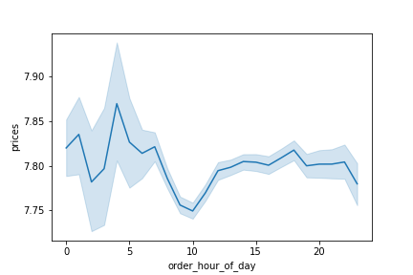

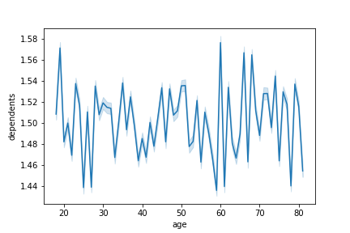
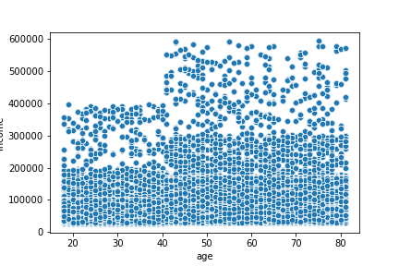
 | Number of dependents by user age |  | User income by age
 | This graph shows that there is no correlation between the age of the customer and the number of dependents they have. This may indicate the definition of dependents for Instacart is different than the conventional definition. Perhaps it is other members of the household that the customer is buying groceries for. |  | This scatterplot shows the age and income distribution of Instacart customers. There is a large swath of customers in the 200k-300k range above the age of 40, and a large swath across all age groups of under 200k.

 |  | Income

 | Frequency of user income brackets |  | Frequency of user age groups
 | This graph provides some more insight than that scatterplot about actual income breakdowns. The majority of Instacart customers make less than 120k. |  | The 60+ age group represents that largest demographic in Instacart in terms of total orders.

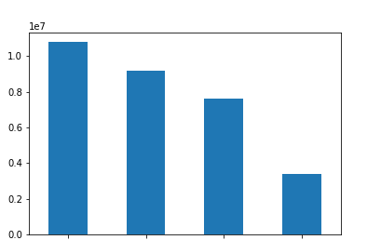 Number of orders (x10,000,000) |  | 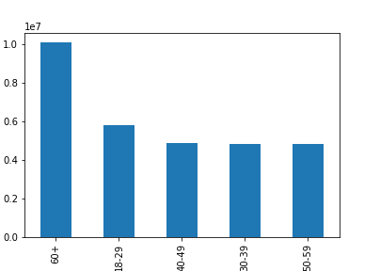 Number of orders (x10,000,000)

 | 80k-120k 120k+ 50k-80k 20k-50k

 | Customer loyalty frequencies |  | User family status frequencies
 | This graph shows that regular or new customers still make up the majority of orders on Instacart. Although loyal customers (who have made more than 40 orders) are very important, most customers have made far fewer orders. |  | This graph shows that most Instacart orders are made by users who have dependents and are married. Only a small portion of Instacart users have dependents and are not married or in an alternative living situation.

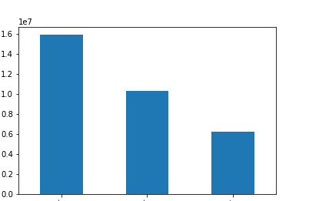 Number of orders (x10,000,000) |  | 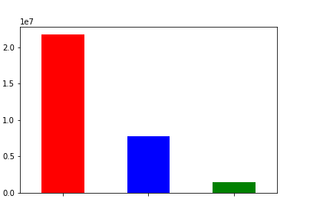 Number of orders (x10,000,000)

 | Regular customer Loyal customer New customer |  | Married with children No children Single with children

7. Recommendations
 |  | Title page

Recommendations

In this tab you should include any recommendations you would made to Instcart in terms of their marketing strategy based on the questions posed in the brief. Every key question has been covered in the Tasks of the Exercises - here you need to add an item - a visualisation or table/crosstable that is showing the answer in the data, acompanied by a comment from you. Please, list the questions below and add the answer underneath.

Question | Answer
What are the busiest days of the week and hours of the day? | The highest order volume occurs between 10 AM and 5 PM, before tapering off into the evening. Most orders are made on the weekends, with midweek being the least busy time. We recommend that Instacart ads be targeted during weekends and at peak hours when demand for grocery shopping is highest. See Popular Hours for Instacart Orders in Tab 6.
Are there particular times of day when people spend the most money? | Interestingly, the average price spent on each item peaks at around 4 AM, and takes a dip at 10 AM, right when order volume is peaking. Customers may be spending in the early hours on more expensive items they know they urgently need for their day, and ordering higher volumes of less expensive routine items later in the day. See Average Price per Item by Hour on Tab 6.
Can simpler price groupings be arranged to direct marketing efforts? | To assist the sales and marketing teams, items have been categorized into three price categories. See Tab 5, Row 7
Which departments have the highest frequency of product orders? | Produce, dairy/eggs, and snacks have the highest frequency of product orders. See frequency table below. 4.0 9079276 16.0 5177183 19.0 2766406 7.0 2571901 1.0 2121732 13.0 1782705 3.0 1120828 15.0 1012074 20.0 1003834 9.0 822136 17.0 699858 12.0 674781 14.0 670850 11.0 424306 18.0 410392 6.0 255991 5.0 144627 8.0 93060 21.0 64768 2.0 34411 10.0 33451
What's the distribution among users in regards to their brand loyalty? | Approximately one-third of customers have made more than 40 orders and are flagged as 'loyal'. Approximately one half have made between 10 and 40 orders, and the remaining one-sixth has made less than 10 orders. See Customer Loyalty Frequencies on Tab 6 and Tab 5, Row 12
Are there differences in ordering habits based on a customer's loyalty status? | There is no significant difference between average expenditure between customers who have made more orders over the lifetime of the data and who have made fewer orders. Although, by definition customers with the "loyal" flag make more orders and are more valuable to Instacart, their spending habits appear similar. Below is the average expenditure of each type of customer. Loyal customer 7.773575 New customer 7.801206 Regular customer 7.798262
Are there differences in ordering habits based on a customer's region? | There is no significant difference regions in determining whether a customer is a low spender or a high spender. Below are the percentages of high spenders in each region. Midwest = 0.38% high spenders Northeast = 0.32% South = 0.37% West = 0.38%
Is there a connection between age and family status in terms of ordering habits? | The 60+ age group represents the biggest age group of Instacart customers, nearly twice as big as the other age brackets. See Frequency of User Age Groups on Tab 6. However, these customers are not necessarily spending more or ordering more frequently than other users. More effort should be made to advertise to this demographic, as it could have the biggest impace on revenue. There does not appear to be a significant difference in average price of item paid or frequency of orders across age groups and family status. Married users seem to go longer between orders than those with no children, and even longer than those who are single with children, but the difference is slight. Average item price by age group 18-29 7.782131 30-39 7.787918 40-49 7.798170 50-59 7.784906 60+ 7.796127 Average days between orders by age group 18-29 10.998817 30-39 10.992137 40-49 10.985938 50-59 11.032097 60+ 10.980563 Average item price by family category married with children 7.790229 no children 7.789525 single with children 7.800463 Average days between order by family category married with children 11.008062 no children 10.980874 single with children 10.935579
What differences can you find in ordering habits of different customer profiles? | Customers in higher income brackets were more likely to spend more per item than those in lower income brackets. Those in the 20k-50k income bracket were also likely to take more time in between orders than those in higher brackets. Average item price by income category 120k+ 7.952075 20k-50k 6.707214 50k-80k 7.837894 80k-120k 7.957254 Average days between order by income category 120k+ 10.944742 20k-50k 11.384614 50k-80k 10.933175 80k-120k 10.968072

