Cap Layout
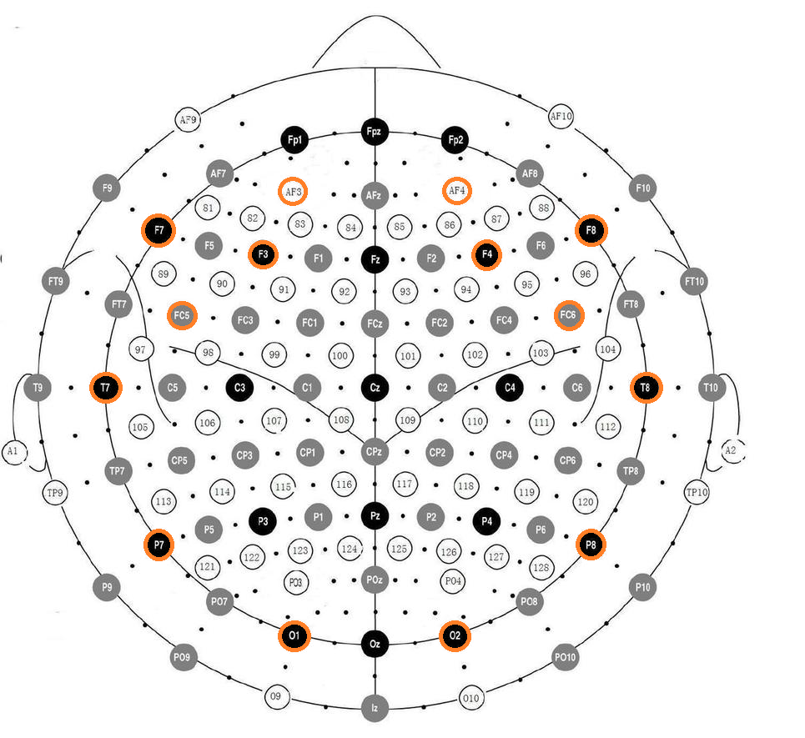

Taken from: http://static1.wikia.nocookie.net/__cb20091213024358/emotiv/images/4/43/Emotiv_elec_layout.png

