standard
neuron v1 standard
constant input | output frequency
uA | MHz
0 | 0
5 | 0
10 | 0
15 | 0
15.2 | 0
15.25 | 0
15.28 | 2.478
15.3 | 2.883
15.5 | 5.084
16 | 7.248
17 | 9.792
20 | 14.83
25 | 20.85
30 | 25.599
35 | 29.6
40 | 32.95
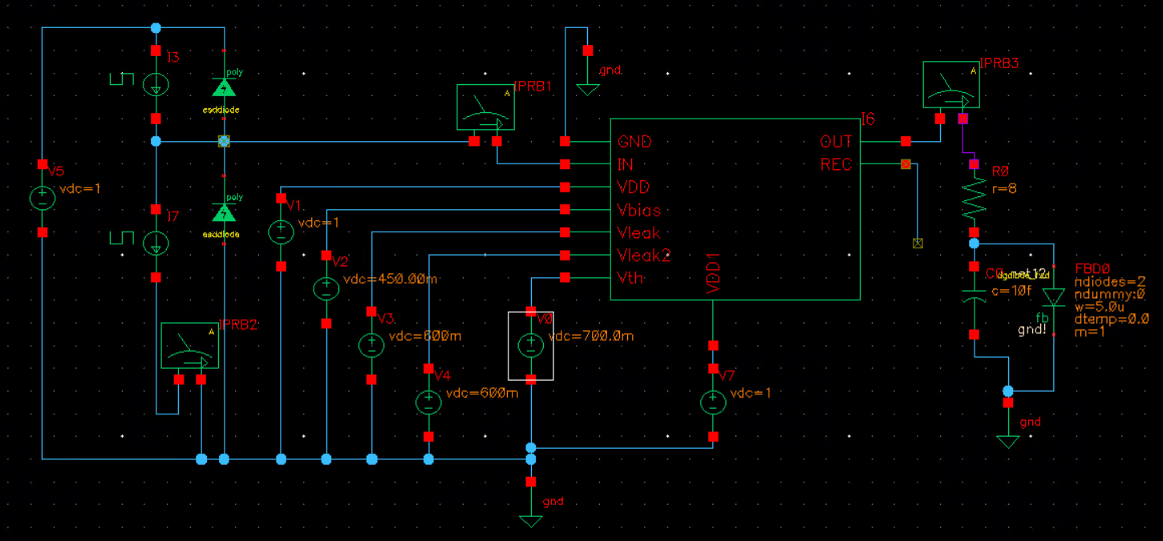
45 | 35.98
50 | 38.49
55 | 40.9
60 | 42.9
65 | 44.88
70 | 46.5
75 | 48.23
80 | 49.59
85 | 51.08
90 | 52.21
95 | 53.54
100 | 54.53
105 | 55.77
110 | 56.79
115 | 57.79
120 | 58.75
125 | 59.67
130 | 60.55
135 | 61.42
140 | 62.26
145 | 63.08
150 | 63.86
155 | 64.64
160 | 65.4
165 | 66.15
170 | 66.89
175 | 67.62
180 | 68.33
185 | 69.04
190 | 69.73
195 | 70.44
200 | 71.13
205 | 71.8
210 | 72.47
215 | 73.14
220 | 73.79
225 | 74.45
230 | 75.1
235 | 75.76
240 | 76.41
245 | 77.05
250 | 77.71

