LeftHand
Site | Block | Hand | Error
8 | 1 | Right
5 | 1 | Right
12 | 1 | Right
14 | 1 | Right
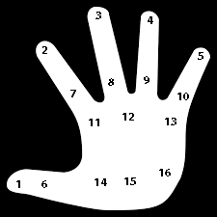
1 | 1 | Right
10 | 1 | Right
2 | 1 | Right
7 | 1 | Right
15 | 1 | Right
11 | 1 | Right
9 | 1 | Right
13 | 1 | Right
2 | 1 | Right
6 | 1 | Right
4 | 1 | Right
16 | 1 | Right
10 | 2 | Right
15 | 2 | Right
11 | 2 | Right
6 | 2 | Right
5 | 2 | Right
8 | 2 | Right
3 | 2 | Right
2 | 2 | Right
12 | 2 | Right
14 | 2 | Right
4 | 2 | Right
16 | 2 | Right
7 | 2 | Right
1 | 2 | Right
13 | 2 | Right
9 | 2 | Right

