Sheet1
Table Name | EIF | ILF | DET | RET | FP
Notification | 0 | 1 | 3 | 1 | 6
Certificate | 1 | 1 | 4 | 1 | 6
Event | 0 | 1 | 8 | 1 | 6
Comment | 0 | 1 | 3 | 1 | 6
Report | 0 | 1 | 5 | 1 | 6
Alarm | 0 | 1 | 10 | 1 | 6
Animal | 0 | 1 | 5 | 1 | 6
Operator | 0 | 1 | 6 | 1 | 6
User | 1 | 1 | 14 | 1 | 6
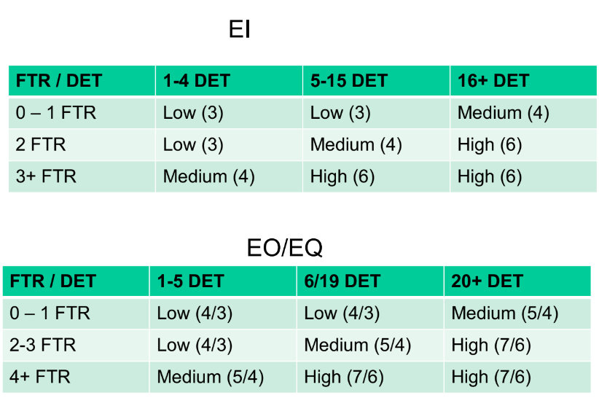
EI | FTR | DET | FP
User/Admin deletion | 1 | 8 | 2
Registration User/Admin | 1 | 14 | 2
Registration Operator | 1 | 6 | 2
Operator Deletion | 1 | 3 | 1
User/Admin modification | 1 | 10 | 2
Operator modification | 1 | 5 | 2
Delete comment | 1 | 2 | 1
Add comment | 1 | 3 | 1
Modify comment | 1 | 2 | 1
Uploading certificate | 1 | 3 | 1
Modification certificate | 1 | 1 | 1
Modify/Insert profile image | 1 | 1 | 1
Login Operator | 1 | 2 | 1
Login Admin/User | 1 | 2 | 1
Admin/User add report | 1 | 5 | 2
Ban user | 1 | 1 | 1
Add event | 1 | 8 | 2
Modify user evaluation by operator | 1 | 2 | 1
Modify operator evaluation by user | 1 | 2 | 1
Add Alarm by User | 1 | 10 | 2
Modify Alarm by Operator | 1 | 2 | 1

EO | FTR | DET | FP
AnimalDex filter per User | 2 | 4 | 4
AnimalDex filter per region | 1 | 4 | 2
AnimalDex filter per name | 1 | 4 | 2
Sort AnimalDex | 1 | 4 | 2
Forum filter by username | 1 | 3 | 2
Forum filter by date | 1 | 3 | 2
View map | 2 | 2 | 4
View scoreboard | 1 | 2 | 2
Show winner | 1 | 2 | 2

EQ | FTR | DET | FP
View Animal | 1 | 4 | 1
View User | 1 | 11 | 2
View notification | 1 | 1 | 1
View certificated Animal | 2 | 6 | 4
View report | 1 | 5 | 2
View Alarm | 1 | 8 | 2
View evalutions | 1 | 6 | 2

Total amount of FP
119

