Sheet1
Table Name | EIF | ILF | DET | RET | FP
Notification | 0 | 1 | 3 | 1 | 7
Certificate | 1 | 1 | 4 | 1 | 7
Event | 0 | 1 | 8 | 1 | 7
Comment | 0 | 1 | 3 | 1 | 7
Report | 0 | 1 | 5 | 1 | 7
Alarm | 0 | 1 | 10 | 1 | 7
Animal | 0 | 1 | 5 | 1 | 7
Operator | 0 | 1 | 6 | 1 | 7
User | 1 | 1 | 14 | 1 | 7
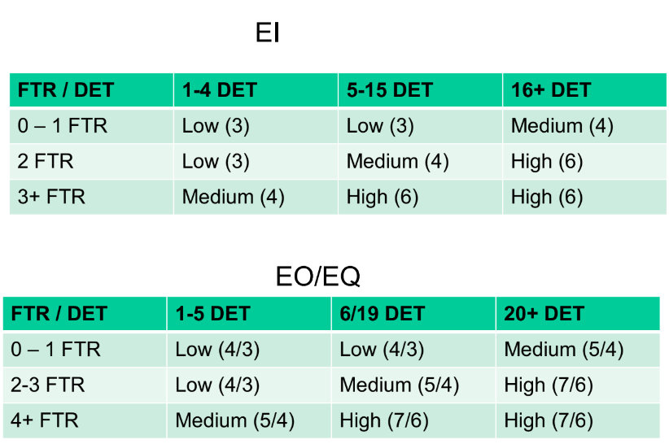
EI | FTR | DET | FP
User/Admin deletion | 1 | 8 | 3
Registration User/Admin | 1 | 14 | 3
Registration Operator | 1 | 6 | 3
Operator Deletion | 1 | 3 | 3
User/Admin modification | 1 | 10 | 3
Operator modification | 1 | 5 | 3
Delete comment | 1 | 2 | 3
Add comment | 1 | 3 | 3
Modify comment | 1 | 2 | 3
Uploading certificate | 1 | 3 | 3
Modification certificate | 1 | 1 | 3
Modify/Insert profile image | 1 | 1 | 3
Login Operator | 1 | 2 | 3
Login Admin/User | 1 | 2 | 3
Admin/User add report | 1 | 5 | 3
Ban user | 1 | 1 | 3
Add event | 1 | 8 | 3
Modify user evaluation by operator | 1 | 2 | 3
Modify operator evaluation by user | 1 | 2 | 3
Add Alarm by User | 1 | 10 | 3
Modify Alarm by Operator | 1 | 2 | 3

EO | FTR | DET | FP
AnimalDex filter per User | 2 | 4 | 4
AnimalDex filter per region | 1 | 4 | 4
AnimalDex filter per name | 1 | 4 | 4
Sort AnimalDex | 1 | 4 | 4
Forum filter by username | 1 | 3 | 4
Forum filter by date | 1 | 3 | 4
View map | 2 | 2 | 4
View scoreboard | 1 | 2 | 4
Show winner | 1 | 2 | 4

EQ | FTR | DET | FP
View Animal | 1 | 4 | 3
View User | 1 | 11 | 3
View notification | 1 | 1 | 3
View certificated Animal | 2 | 6 | 4
View report | 1 | 5 | 3
View Alarm | 1 | 8 | 3
View evalutions | 1 | 6 | 3

Total amount of FP
184

