1. Title Page
Customers Purchasing Patterns

Project Name: Instacart Grocery Basket Analysis
Date: 01-08-2025
Analyst Name: Vasco Fernandes

Contents:
Population Flow
Consistency checks
Wrangling steps
Column derivations
Visualizations
Recommendations

“The Instacart Online Grocery Shopping Dataset 2017”, Accessed from www.instacart.com/datasets/grocery-shopping-2017 via Kaggle on 30/06/2025.

2. Population Flow
Exclusion flag
Condition: max_order < 5
Obervations to be removed: 1008284 (43564 customers)
Final count: 21674669

Population flow

1.) The grey boxes represent the original data sets as they were when they were downloaded. In the Total fields it is the count of the rows after importing the data set before any operation.
2.) The intermediate boxes, when applicable, represent the data sets after being manipulated, e.g., removed missing values and duplicates. In the Total field it is the count of rows after conducting these operations. This offers a visual overview of how the data flows throughout the data consistency checks.
3.) The bottom row of boxes, where also the arrows are coloured, represent the merges performed between the datasets. In the Total fields it is the count of the rows in the merged datasets, before the final exclusions. It should be noted in the box on the right the effects of exclusion of low activity customers (defined as customers with less than 5 orders).

3. Consistency checks
Consistency checks

Dataset | Column | Missing values | Missing values treatment | Duplicates
orders | days_since_prior_order | 206209 NaN | Do nothing - indicates first order | N/A
products | prices | 2 illogical values (thousands of $) | mistakes in values seems to be decimal out of place prices corrected accordingly
 | product_name | 16 NaN | removed
 |  |  |  | 5 records with exact duplicates removed
 |  |  |  | 2 sets of products with the same product_id all 4 records removed
orders_products_prior |  | N/A |  | N/A
customers | first_name | 11259 NaN | Do nothing - name isn't necessary | N/A

4. Wrangling steps
 |  |  |  | Title page
Wrangling steps

Orders
Columns dropped | Columns renamed | Columns' type changed | Comment/Reason
eval_set |  |  | unnecessary to analysis
 | order_dow --> order_day_of_week |  | clarify column contents
 |  | order_number | to int8 for memory usage optimization
 |  | order_day_of_week | to int8 for memory usage optimization
 |  | order_hour_of_day | to int8 for memory usage optimization
 |  | user_id | to int32 for memory usage optimization
 |  | order_id | to int32 for memory usage optimization
 |  | days_since_prior_order | to pd.Int8Dtype() (*)
(*) Pandas specific datatype to handle Integer with NaN values - see https://pandas.pydata.org/docs/reference/api/pandas.Int8Dtype.html

Products
Columns dropped | Columns renamed | Columns' type changed | Comment/Reason
 |  | department_id | to int8 for memory usage optimization
aisle_id |  |  | not used in any analysis
 |  | product_id | to int32 for memory usage optimization
 |  | prices | to float32 for memory usage optimization

Orders products prior
Columns dropped | Columns renamed | Columns' type changed | Comment/Reason
 |  | order_id | to int32 for memory usage optimization and merge compatibility
 |  | product_id | to int32 for memory usage optimization and merge compatibility
add_to_cart_order |  |  | not used in any analysis
reordered |  |  | not used in any analysis

Customers
Columns dropped | Columns renamed | Columns' type changed | Comment/Reason
 | First Name --> first_name |  | for clarity and consistency
 | Surnam --> last_name |  | for clarity and consistency
 | STATE --> state |  | for clarity and consistency
 | Gender --> gender |  | for clarity and consistency
 | Age --> age |  | for clarity and consistency
first_name |  |  | PII concerns
last_name |  |  | PII concerns
date_joined |  |  | ended up not being used in any analysis (therefore, for memory optimization)
gender |  |  | ended up not being used in any analysis (therefore, for memory optimization)
 |  | user_id | to int32 for memory usage optimization and merge compatibility
 |  | age | to int8 for memory usage optimization
 |  | number_of_dependants | to int8 for memory usage optimization
 |  | income | to int32 for memory usage optimization

5. Column derivations
Note: as a memory saving strategy, the flags were created as int8 or even bool. A re-labeling was done whenever it was used to present results, keeping in mind the meaning of each number.
 |  |  |  |  |  | Title page

Column derivations and aggregations

Dataset | New column | Column/s it was derived from | Why | Conditions | Code
orders_products_merged | price_range | prices | to deliniate price ranges of products | > $15 is 3 ('high') between $5 and $15 is 2 ('mid') <= $5 is 1 ('low') | df_orders_products_merged.loc[df_orders_products_merged['prices'] > 15, 'price_range_loc'] = 3 df_orders_products_merged.loc[(df_orders_products_merged['prices'] <= 15) & (df_orders_products_merged['prices'] > 5), 'price_range_loc'] = 2 df_orders_products_merged.loc[df_orders_products_merged['prices'] <= 5, 'price_range_loc'] = 1
 | max_order | order_number | to determine max number of orders of a user | when grouping by user, find the order number they have made | df_orders_products_merged['max_order'] = df_orders_products_merged.groupby(['user_id'])['customer_sequential_order_number'].transform(max)
 | loyalty_flag | max_order | to group customers into bins based on number of orders | > 40 orders is 3 ('loyal') between 10 and 40 orders is 2 ('regular') <= 10 orders is 1 ('new') | df_orders_products_merged.loc[df_orders_products_merged['max_order'] > 40, 'loyalty_flag'] = 3 df_orders_products_merged.loc[(df_orders_products_merged['max_order'] <= 40) & (df_orders_products_merged['max_order'] > 10), 'loyalty_flag'] = 2 df_orders_products_merged.loc[df_orders_products_merged['max_order'] <= 10, 'loyalty_flag'] = 1
 | avg_price_per_user | prices | to find average price for all products per customer | mean of prices | df_orders_products_merged['avg_price_per_user'] = df_orders_products_merged.groupby(['user_id'])['prices'].transform('mean')
 | high_spender_flag | avg_price_per_user | to find customers with high average spending habits | avg_price_per_user > 10 is True avg_price_per_user <= 10 is False | df_orders_products_merged.loc[df_orders_products_merged['avg_price_per_user'] >= 10, 'high_spender_flag'] = True df_orders_products_merged.loc[df_orders_products_merged['avg_price_per_user'] < 10, 'high_spender_flag'] = False
 | median_days_between | days_since_prior_order | to find the median days in between each order per customer | group by user and order number to get days in between, then take median for each customer | df_orders_products_merged['median_days_between_orders'] = df_orders_products_merged.groupby(['user_id'])['days_since_prior_order'].transform('median')
 | exclusion | max_order | to limit data to customer with more than 5 orders | Less than 5 orders = excluded | df_ord_prod_cust.loc[df_ord_prod_cust['max_order'] < 5, 'low_activity_flag'] = True df_ord_prod_cust.loc[df_ord_prod_cust['max_order'] >= 5, 'low_activity_flag'] = False
 | age_range | age | to create age ranges | check if age is with range and apply flag 1 - young adult 2 - early middle age 3 - late middle age 4 - senior | df_ord_prod_cust.loc[(df_ord_prod_cust['age'] < 35), 'age_flag'] = 1 df_ord_prod_cust.loc[(df_ord_prod_cust['age'] >= 35) & (df_ord_prod_cust['age'] < 50), 'age_flag'] = 2 df_ord_prod_cust.loc[(df_ord_prod_cust['age'] >= 50) & (df_ord_prod_cust['age'] < 65), 'age_flag'] = 3 df_ord_prod_cust.loc[(df_ord_prod_cust['age'] >= 65), 'age_flag'] = 4
 | hour_range | order_hour_of_day | to create time ranges during the day | check if hour is within range and apply flag | see script 4.10 Codind Etiquette & Excel Reporting, Step 5, section b) - It was created a customizable function
 | pet_stuff | department | to create a flag for pet items for customer | check if customer has ever ordered a product from the pet department and apply label to customer | df_ord_prod_cust['pet_stuff'] = [True if dep == 8 else False for dep in df_ord_prod_cust['department_id']] df_ord_prod_cust['pet_stuff'] = df_ord_prod_cust.groupby(['user_id'])['pet_stuff'].transform('max')
 | baby_stuff | department | to create a flag for baby items for customer | check if customer has ever ordered a product from the babies department and apply label to customer | df_ord_prod_cust['baby_stuff'] = [True if dep == 18 else False for dep in df_ord_prod_cust['department_id']] df_ord_prod_cust['baby_stuff'] = df_ord_prod_cust.groupby(['user_id'])['baby_stuff'].transform('max')
 | frozen_stuff | department | to create a flag for frozen items per order | check if order includes a frozen item and apply flag | df_ord_prod_cust['frozen_stuff'] = [True if dep == 1 else False for dep in df_ord_prod_cust['department_id']] df_ord_prod_cust['frozen_stuff'] = df_ord_prod_cust.groupby(['user_id'])['frozen_stuff'].transform('max')
 | snacks | department | to create a flag for snack items per order | check if order includes a snack item and apply flag | df_ord_prod_cust['snacks_stuff'] = [True if dep == 19 else False for dep in df_ord_prod_cust['department_id']] df_ord_prod_cust['snacks_stuff'] = df_ord_prod_cust.groupby(['user_id'])['snacks_stuff'].transform('max')
 | common_order_day | order_day_of_week | to find mode of ordering day of week | group by user id and then find mode of order_dow across all orders | df_comm_ord_day = df_ord_prod_cust.groupby('user_id')['orders_day_of_week'].agg(lambda x: pd.Series.mode(x)[0]).rename('common_order_day') df_ord_prod_cust = df_ord_prod_cust.merge(df_comm_ord_day, how='inner', on='user_id')
 | income_range | income | to create income ranges | check if income is with range and apply flag | df_ord_prod_cust.loc[df_ord_prod_cust['income'] < srs_cust_income.quantile(.25), 'income_range'] = 1 df_ord_prod_cust.loc[(df_ord_prod_cust['income'] >= srs_cust_income.quantile(.25)) & (df_ord_prod_cust['income'] < srs_cust_income.quantile(.5)), 'income_range'] = 2 df_ord_prod_cust.loc[(df_ord_prod_cust['income'] >= srs_cust_income.quantile(.5)) & (df_ord_prod_cust['income'] < srs_cust_income.quantile(.75)), 'income_range'] = 3 df_ord_prod_cust.loc[(df_ord_prod_cust['income'] >= srs_cust_income.quantile(.75)) & (df_ord_prod_cust['income'] < outlier_upper_limit), 'income_range'] = 4 df_ord_prod_cust.loc[(df_ord_prod_cust['income'] >= outlier_upper_limit), 'income_range'] = 5
 | region | state | to identify region of country the customer resides | locate state within region group and apply it to a new variable | ls_south_states = ['Delaware', 'Maryland', 'District of Columbia', 'Virginia', 'West Virginia', 'North Carolina', 'South Carolina', 'Georgia', 'Florida', 'Kentucky', 'Tennessee', 'Mississippi', 'Alabama', 'Oklahoma', 'Texas', 'Arkansas', 'Louisiana'] ls_west_states = ['Idaho', 'Montana', 'Wyoming','Nevada','Utah','Colorado','Arizona','New Mexico','Alaska','Washington','Oregon','California','Hawaii'] ls_northeast_states = ['Maine','New Hampshire','Vermont','Massachusetts','Rhode Island','Connecticut','New York','Pennsylvania','New Jersey'] ls_midwest_states = ['Wisconsin','Michigan','Illinois','Indiana','Ohio','North Dakota','South Dakota','Nebraska','Kansas','Minnesota','Iowa','Missouri'] df_ord_prod_cust.loc[df_ord_prod_cust['state'].isin(ls_south_states), 'region'] = 'South' df_ord_prod_cust.loc[df_ord_prod_cust['state'].isin(ls_west_states), 'region'] = 'West' df_ord_prod_cust.loc[df_ord_prod_cust['state'].isin(ls_northeast_states), 'region'] = 'Northeast' df_ord_prod_cust.loc[df_ord_prod_cust['state'].isin(ls_midwest_states), 'region'] = 'MidWest'

6. Visualizations
Visualisations

Question #1 | The sales team needs to know what the busiest days of the week and hours of the day are (i.e., the days and times with the most orders) in order to schedule ads at times when there are fewer orders.

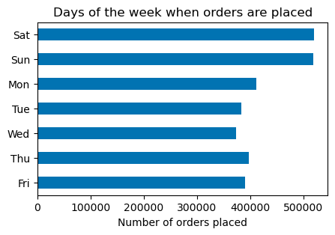
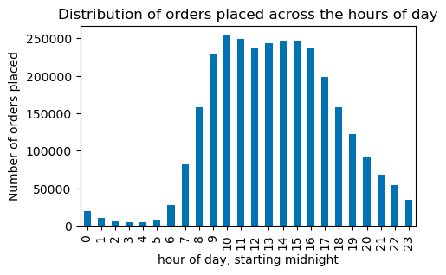

- The most popular days to place orders are Saturday and Sunday |  | - The peak time to place orders is between 10:00 and 16:00

Question #2 | They also want to know whether there are particular times of the day when people spend the most money, as this might inform the type of products they advertise at these times.

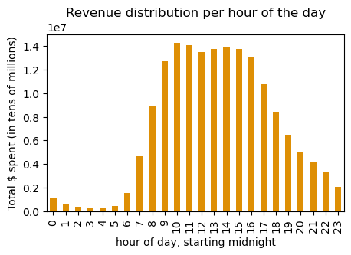

 |  | - Same pattern as in distribution of orders
 |  | - The money spent follows the same timing as orders placed.

Question #3 | Instacart has a lot of products with different price tags. Marketing and sales want to use simpler price range groupings to help direct their efforts.

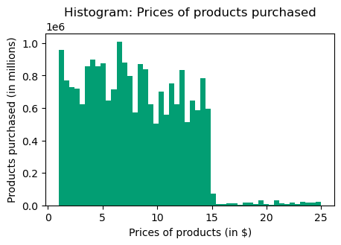

 |  | - The vast majority of products are under $15 (99%).

 |  | - Mid-range products are purchased just at a slightly higher rate than there are products available in that price range.

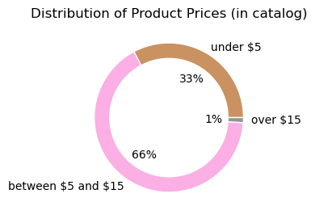
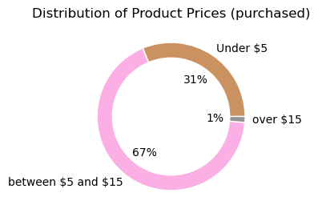

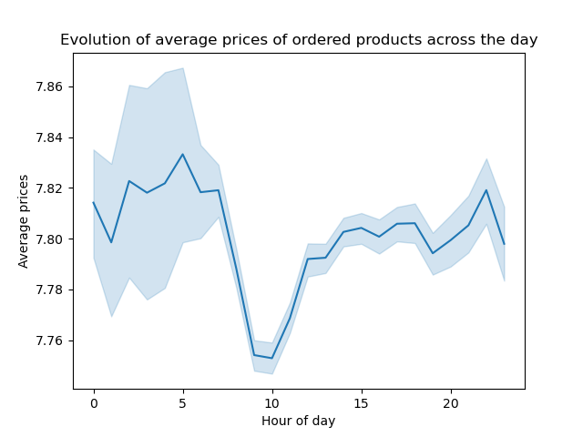
 |  | - This shows a blue line with the average and a variability cloud for product prices across hours in the day.

 |  | - The average product price is lowest at 10am, coincidentally when the most amount of orders are being placed.

 |  | - Best average is recorded at 5am, but where the order volume is extremely small.

 |  | - There is a significantly higher variability of prices of products during night time hours.

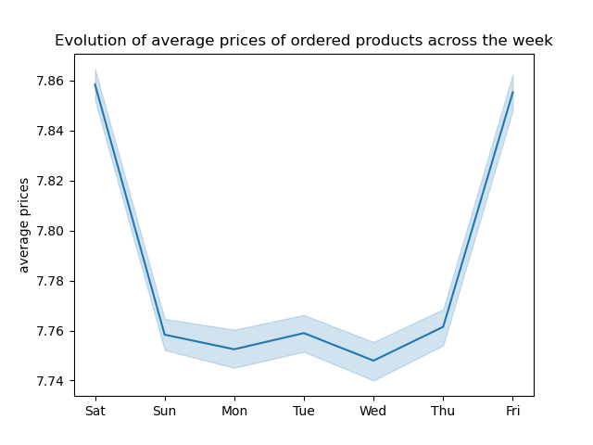

 |  | - This shows a similar representation as above, but now over days of the week.

 |  | - Highest averages are recorded on Fridays (day 6) and Saturdays (day 0).

Question #4 | Are there certain types of products that are more popular than others? The marketing and sales teams want to know which departments have the highest frequency of product orders.

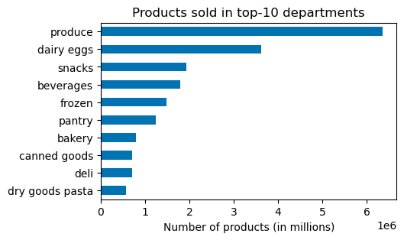
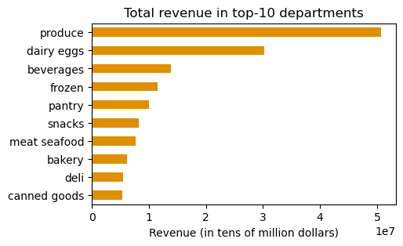

- The departments that sell the most products are: produce and dairy eggs
- These two departments also rank on top of the revenue
- Other departments vary a bit between products sold and overall revenue, but beverages and frozen show up consistently on top5 in both rankings.

7. Recommendations
Recommendations
 |  |  | Recommendations

Question #5 | The marketing and sales teams are particularly interested in the different types of customers in their system and how their ordering behaviors differ.

"Ordering behaviours" can be defined in a number of ways. We have decided to analyse the five metrics defined below:

- common order day - days in between orders - average order cost - total number of orders - total spent

An invitation is made to suggest other angles / additional metrics to analyse ordering behaviours

Breakdown of customer loyalty
 |  |  | -- First off, why is loyalty so important ??? It's not the subject of this project, but it's proven that this is key in retail business. Among other benefits, if customers shop more frequently with Instacart they will: - most likely shop way less with the competition, ensuring better overall market share - ensures a more steady and predictable stream of income -
Definitions | Loyal customers have over 40 orders Regular customers have between 10 and 40 New customers have 10 or less orders

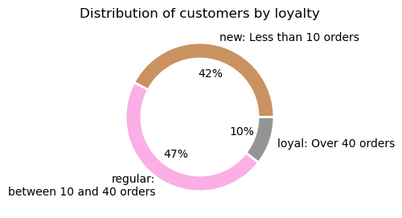
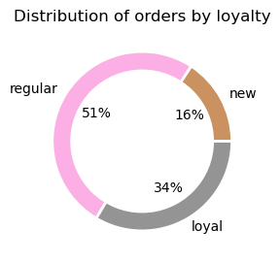

 |  |  | Recommendation: - Target/nudge 'regular' customers to increase loyalty base, number of orders - Run surveys to understand what would engage 'regular/new' customers to order more (and eventually more frequently)

Facts | Loyal customers make up about 10% of customer base, but place 34% of the orders New customers make up about 42% of customer base, ordering only 16% of the orders

Loyalty status vs. Median days between orders
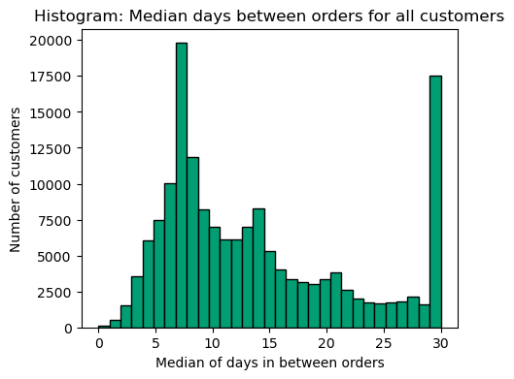
 |  | Facts (histogram)
 |  | - Around 12% of customers shop on a weekly basis (7 days in between orders) - Around 30% of costumers have a frequency of 7 days or less shopping - 10,7% of customers have 30 days or more between orders as their most common behaviour

 |  |  | Recommendation: - Send reminders through various platforms (emails/push notifications) after an order with the promos that customers could use next - Ensure that these promos expire on a weekly basis, to engage customers in using them before expiry, i.e, shop weekly or sooner

 |  | Facts (pie charts)
 |  | - 97% of loyal customers place an order every 7 days (or less) - regular customers and new customers are way less consistent, with only 29% and 15% in each group shopping within 7 days

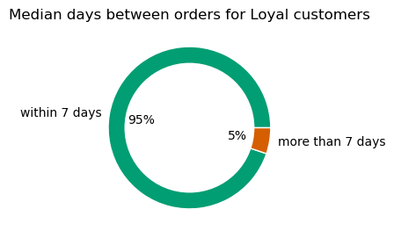
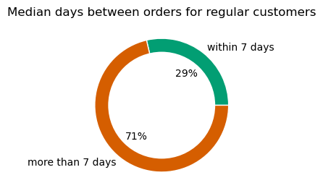
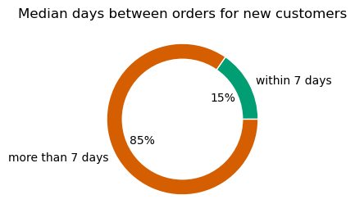

Loyalty status vs. Common order day
In this section, it's explored the behaviours between loyal groups in terms of preferred day to shop. We know already that Saturday and Sunday are overall the days with most orders placed

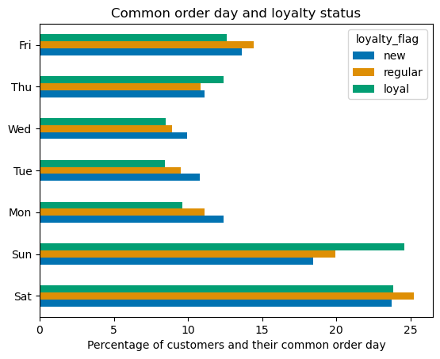
 |  | Facts
 |  | - It was seen previously that Saturday was globally the busiest day in orders placed, winning by a small margin to Sunday, the 2nd most busy day - Here it can be seen that Saturday is the preferred day for 'new' and 'regular' customer segments - Sunday is actually the preferred day for 'loyal' segment (by a small margin compared with Saturday) | - Increase staff/contract workers on weekends to ensure compliance and customer satisfaction in the delivery times - Consider performing specific discounts on Tuesdays and Wednesdays (the less busy days), especially directed for loyal and regular customers (the repsonsible for the largest amount of orders), to try smooth out the demand across the week

Common order day vs. income bracket
What are the income demographics of customers regarding their preferred day for shopping?

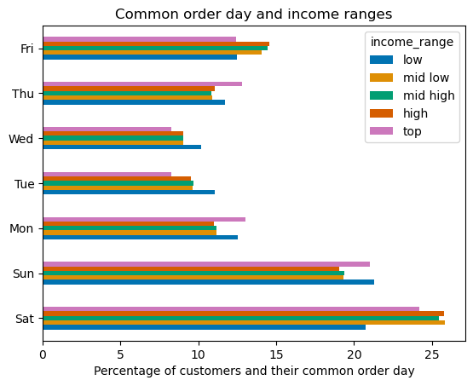
 |  | Facts | Same recommendation as above Relevant to all income ranges above low range (low income range is the group that already spread their orders throughout the week more than any other)
 |  | - For all groups Saturday is the preferred day for shopping, with the exception of low income, that preffers Sunday by a small margin - Low income customers are the ones that shop less on Weekend (especially Sunday), spreading theirs orders across all week more than any other group

Loyalty vs. income bracket
 |  | Facts
 |  | - In the two previous charts, both loyal customers and low income customers shared the fact that they even ou their orders between Saturday and Sunday, being Sunday even preferrable - This raised suspicion: are they correlated? - The table on the left dismisses this suspicion. On the contrary, low income is the group with lowest percentage with loyal status

Order distribution in each state
⚠️ The findings regarding states are heavily artificial, influenced by the nature of of customers dataset.

Dispersion coefficients:
State Lifetime total: 4.97%
State total orders: 4.28%
State order average: 3.20%
In this context, a dispersion coefficient was computed as:
 |  | Facts | - No recommendations can be realistically derived from geographical distribution
 |  | - It's totally irrealistic this small dispersions between states, especially in Lifetime total spending and Total orders; - An additional finding during the project was that all states had exact same number of customers, from Alaska to California. How artificial is this?

Customer age vs. income bracket

 |  | Facts
 |  | - In the scatterplot to the left, it can be identified some sort of correlation (somehow in blocks) between the age and income, although it's not completely evident - below 40 years old, there are no customers with income greater than 400k - the density of incomes between 200k and 300k is much bigger for people older than 40. - The bar charts below shows a better clarity of better incomes as age groups progress

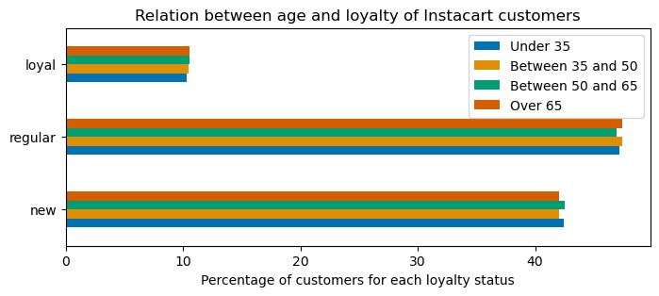
Loyalty status vs. age
 |  | Facts
 |  | - No relation found between age and loyalty - For all age groups, their percentual distribution is fairly equal to global distribution we saw previously in the pie chart

Customer age vs. number of dependants
⚠️ This is another extremely artificial result, exposing the nature of of customers dataset.

 |  | Facts
 |  | - No relation found between age and number of dependants - All ages show around the same number, 1.5 - 1.5 is exactly the average found in customers dataset - all customers have either 0, 1, 2 or 3 dependants, and all these are randomly and evenly distributed

