Disponíveis
pessoal
Capa de celular cartão | shopee | R$19.00 | https://down-br.img.susercontent.com/file/5d7c2050667d6c926a593d90d5f81090
Guia De Cabos | shopee | R$37.00 | https://down-br.img.susercontent.com/file/885828660448855a38c49ba4a18939a4 |  |  |  |  |  |  |  |  | sobra
Braço articulado | amazon | R$190.00 | https://m.media-amazon.com/images/I/51WEsVzT4SL._AC_SL1000_.jpg | #REF! | 1 - Opção | DELUX-M800 PRO | G435 |  |  |  | 635.2 | -635.2
quadro | shopee | R$43.00 | https://down-br.img.susercontent.com/file/cb4ffa5ff9dce7bbbd37d3731c54edb5 |  | 2 - Opção | kit Logitech |  |  |  |  | 635.2 | -635.2
Suporte microfone | Aliexpress | R$35.00 | https://down-br.img.susercontent.com/file/br-11134201-23010-us30nqglunmv10 |  | 3 - Opção | AJAZZ AJ199 2.4G | G435 |  |  |  | 617.6 | -617.6
Chaveiro fita | shopee | R$9.50 | https://down-br.img.susercontent.com/file/sg-11134201-7qvf8-lhq2hv248g748a |  | 4 - Opção | Delux m800 leve | G435 |  |  |  | 571.2 | -571.2
Broche jujutsu | shopee | R$17.00 | https://down-br.img.susercontent.com/file/6c405e7250203db60f06d191f4481b2d |  | 5 - Opção | G304 | G435 |  |  |  | 564.8
suporte teclado | shopee | R$65.00 | https://down-br.img.susercontent.com/file/668f8ccd9358ad22cd65b6785c2b5695 |  |  |  |  |  |  |  | 600
imã temático | shopee | R$15.00 | https://down-br.img.susercontent.com/file/sg-11134201-22110-0iyb8f9hrwjv9c
fantasma destiny | shopee | R$110.00 | https://down-br.img.susercontent.com/file/0171eab38ae2e2a1ba614b03d04d3bdd |  |  |  |  |  |  |  |  | sobra
Pin Escultura | shopee | R$6.19 | https://down-br.img.susercontent.com/file/b8b630c3072cbd8e3549da052b899092 |  | 1 - Opção | G435 | Kit robótica | Memória 4GB | sofá | crachá+gaveta |  |  | #REF! | #REF!
Pin Café | shopee | R$6.82 | https://down-br.img.susercontent.com/file/sg-11134201-23030-y6s45442upova2 |  | 2 - Opção | G435 | Kit robótica | Memória 4GB | gaveta |  |  |  | #REF! | #REF!
Pin matemática | shopee | R$6.80 | https://down-br.img.susercontent.com/file/sg-11134201-23030-v2h6rlbefvovf9 |  | 3 - Opção | G435 |  |  |  |  |  |  | 200 | 500
Pin Comunista | shopee | R$8.20 | https://down-br.img.susercontent.com/file/957b0ac76c8775109e41fcc9a1971867 |  | 4 - Opção | G435 |  |  |  |  |  |  | 200 | 500
 |  |  |  |  | 5 - Opção | G435 |  |  |  |  |  |  | 200 | 500
Cordão de crachá | shopee | R$13.50 | https://down-br.img.susercontent.com/file/55d722eaa5f681c667a1416e7cc5dc36
Tapeçaria tarot | shopee | R$34.00 | https://down-br.img.susercontent.com/file/br-11134207-7qukw-lk89nroyp0tj44 | https://down-br.img.susercontent.com/file/br-11134207-7qukw-lk89nroyp0tj44
Tapeçaria gato | shopee | R$26.00 | https://down-br.img.susercontent.com/file/bb0df9b9bf872af8fc7450f53441845d | https://down-br.img.susercontent.com/file/bb0df9b9bf872af8fc7450f53441845d
LED endereçavel | Aliexpress |  | https://down-br.img.susercontent.com/file/fad3cbfa5d2d9eb5847b28d5e432cae3 | https://down-br.img.susercontent.com/file/fad3cbfa5d2d9eb5847b28d5e432cae3
Darmoshar M3 | Aliexpress | R$227.00 | https://gamextreme.ph/cdn/shop/files/3_e792ef1b-21c8-4d45-b810-80081e9dddc4_1024x1024.png?v=1683343604 | https://originalmart.com.br/cdn/shop/products/Motospeed-Darmoshark-M3-mouse-para-jogos-bluetooth-sem-fio-com-fio-3-modo-26000DPI-pam3395-mouse.jpg_640x640_4b64f72b-2d68-4307-b54c-6d7c007ce394_800x.jpg?v=1685470392
M800PRO | Aliexpress | R$235.00 | https://static.rbstore.net/2079743252/02c8ed5a-d8e2-4e25-87d9-3587597f860e.webp | https://originalmart.com.br/cdn/shop/files/S8769559e0b31412f9fac19f5add5c8a5p.jpg?v=1685460888
AJAZZ AJ199 | Aliexpress | R$190.00 | https://http2.mlstatic.com/D_Q_NP_892794-MLU69791648409_062023-O.webp | https://http2.mlstatic.com/D_Q_NP_892794-MLU69791648409_062023-O.webp
Echo Dot 5ª | Amazon | R$269.00 | https://m.media-amazon.com/images/I/71YVBa7zc5L._AC_SX425_.jpg
Flydigi Direwolf | Aliexpress | R$172.00 | https://m.media-amazon.com/images/I/61+4cqUgtWL._AC_UF1000,1000_QL80_.jpg

Darmoshar N3 | Aliexpress | R$236.00 | https://down-br.img.susercontent.com/file/sg-11134201-7qved-liqzmh0cyzcj85 | https://down-br.img.susercontent.com/file/sg-11134201-7qved-liqzmh0cyzcj85
;

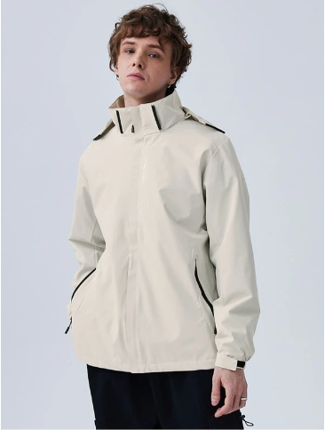
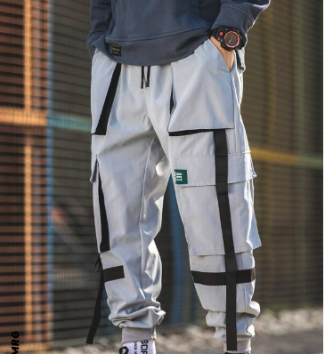
Apartamento
4 Pallets | OLX | R$60.00
Capa de sofá | shopee | R$147.51
Almofadas-YU-GI-OH! | shopee | R$31.50
Almofada Minecraft | shopee | R$31.50
Almofada armadura | shopee | R$40.00
Suporte de banheiro | shopee | R$18.00
Tapete de casa | shopee | R$65.00
separador de gaveta | amazon | R$49.00
suporte de cortina | shopee
cortina | shopee
suporte escova

;

jogo
Cartão de Memória | Amazon | R$52.90 | https://m.media-amazon.com/images/I/61ofLikbqUL._AC_SX425_.jpg
Bruxa rainha | Steam | R$36.00
Phasmophobia | Steam | R$27.00
Rainbow Six | Ubisoft | R$24.00
 |  |  | Total jojgos= | R$63.00

 |  |  | sobra = | #REF!

;

faculdade
Multimetro | amazon | R$37.00
capa ipad | shopee | R$45.00
capa ipad | shopee | R$60.00
Memória RAM 8GB | kabum | R$90.00
Memória RAM 4GB | kabum | R$70.00 | Total jogos= | R$45.00
Mouse fantaxi T66 RGB | Amazon | R$73.00
Mouse M800 PRO | aliexpress | R$167.00
ESP32 | aliexpress | R$34.00
Caixa componentes eletrônicos | aliexpress | R$35.00
5 Servomotores | Aliexpress
Protoboard grande | Aliexpress | R$10.56
AJAZZ AJ199 | Aliexpress | R$188.69
paw3395 | Aliexpress | R$149.00
Silicone Solda Desk | Aliexpress | R$33.00

;

Dudu
Cropped eu treino fofo | shopee | R$39.00
gatinhos naruto | shopee
mochila tartaruga | shopee
enfeite carro baby yoda | shopee
colcha totoro | shopee |  | Total jogos= | R$0.00
chaveiro wall-e/outros | shopee
lego

;

:

