Dashboard
Building Agentic AI Challenge - Day 7 Dashboard

Final LLM refinement, public demo, explainer video, GitHub completion, and LinkedIn share | Log date: 2026-09-13
Update blue-text cells with owners, dates, statuses, results, and evidence links. Formula cells update automatically.

Day 6 task completion |  | Security controls complete |  | Test pass rate |  | Day 7 readiness |  | Open High/Critical issues

Day 6 Completion by Workstream |  |  |  |  |  |  | Day 6 Task Status Counts
Workstream | Total | Done | In Progress | Blocked | Completion |  | Status | Count
Final Model Tuning |  |  |  |  |  |  | Not Started
Prompt Optimization |  |  |  |  |  |  | In Progress
Handling Edge Cases |  |  |  |  |  |  | Blocked
Performance Tuning |  |  |  |  |  |  | Done
Error Handling and Debugging |  |  |  |  |  |  | Needs User Content
Final UX Enhancements

Completion by Workstream
Task Status Mix

Day 7 Finalization Notes
- Public project links recorded: GitHub repository, GitHub Pages project site, and live Google AI Studio application.
- Still requires owner evidence: final live test observations, deployed model parameter settings, video URL, secret scan confirmation, and final submission/LinkedIn links.
- Do not claim vector database/embedding memory, live accuracy, or latency measurements unless they are actually implemented and measured.

Day 6 Visuals
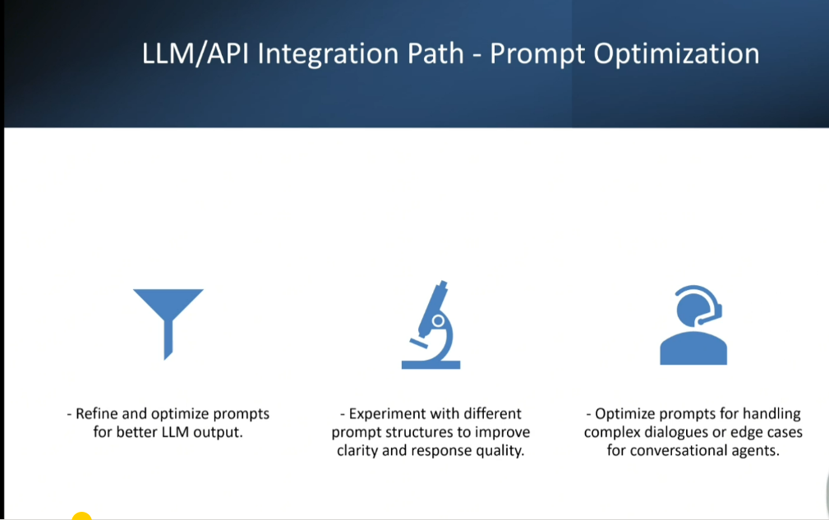
Day 6 Visual Reference

Supplied slide images embedded for easy review. Original files are also included in the repository assets folder.
Back to Dashboard

1. Day 6 Deliverables
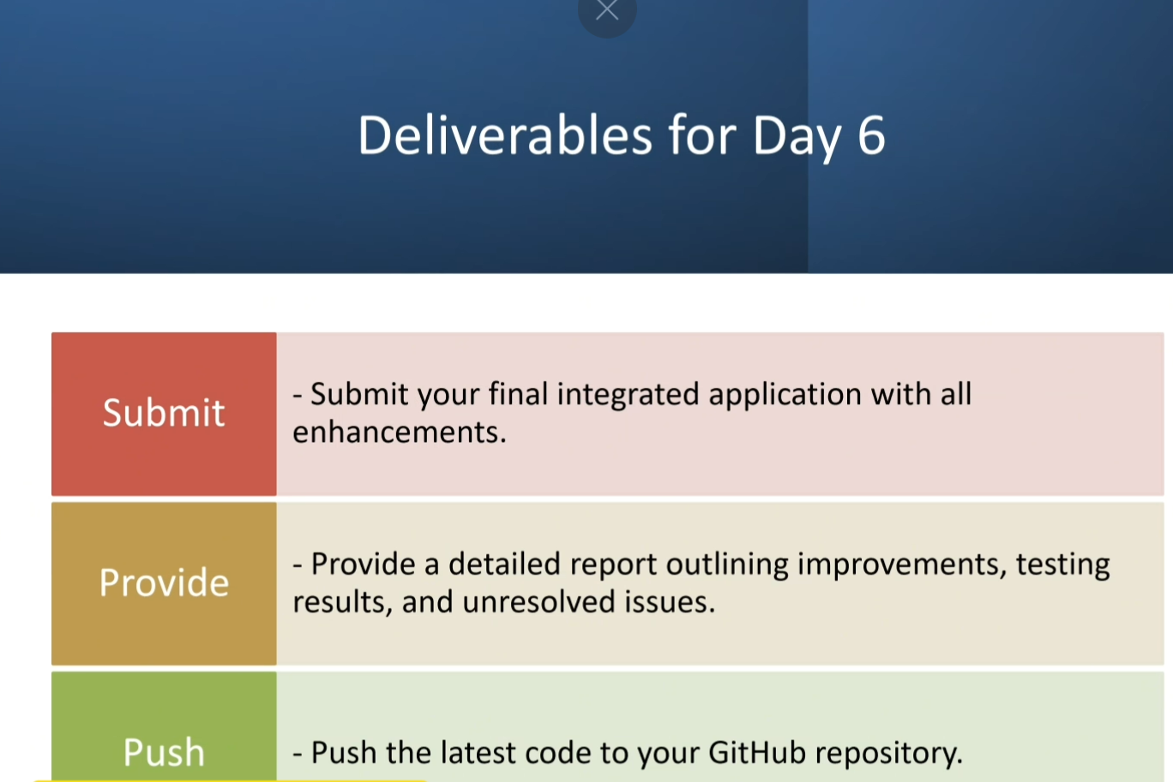

2. Model Building Path - Final Model Tuning
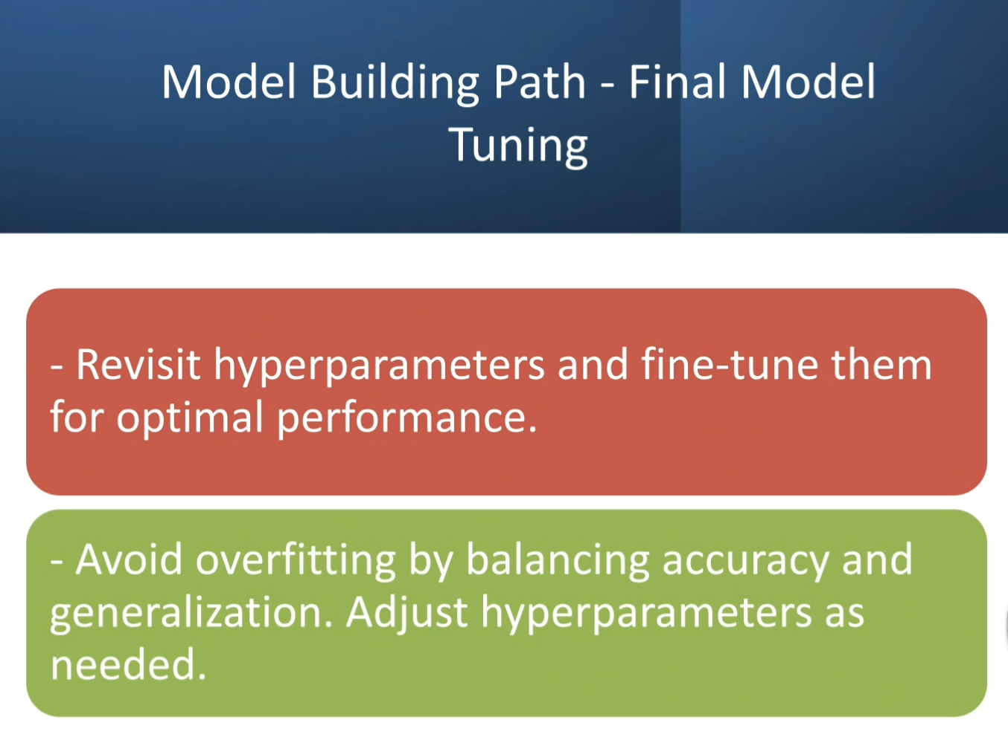

3. LLM/API Integration Path - Final UX Enhancements
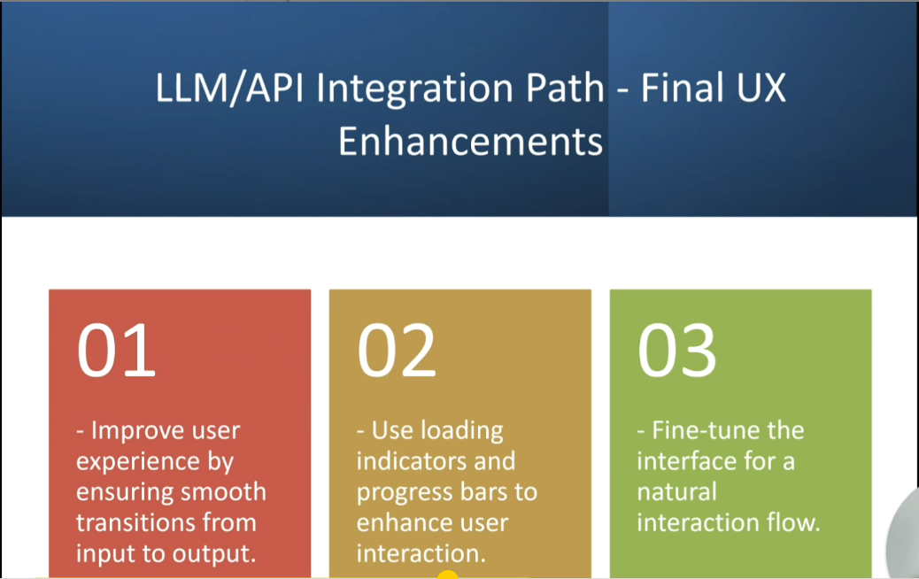

4. LLM/API Integration Path - Error Handling and Debugging
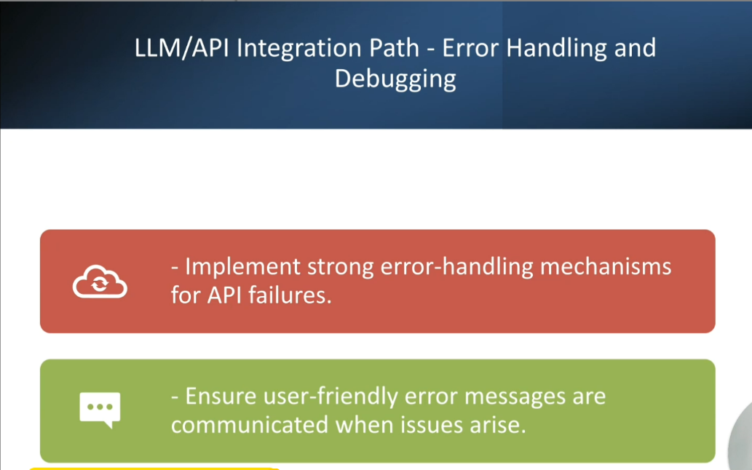

5. LLM/API Integration Path - Performance Tuning
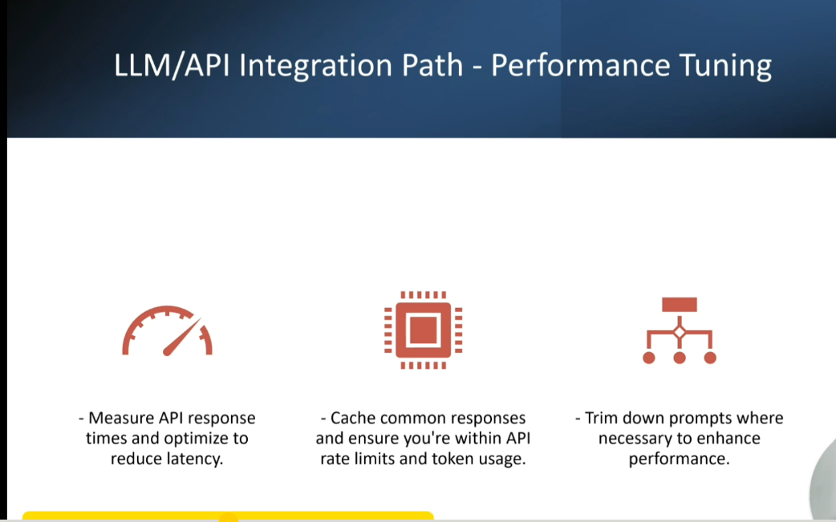

6. LLM/API Integration Path - Handling Edge Cases
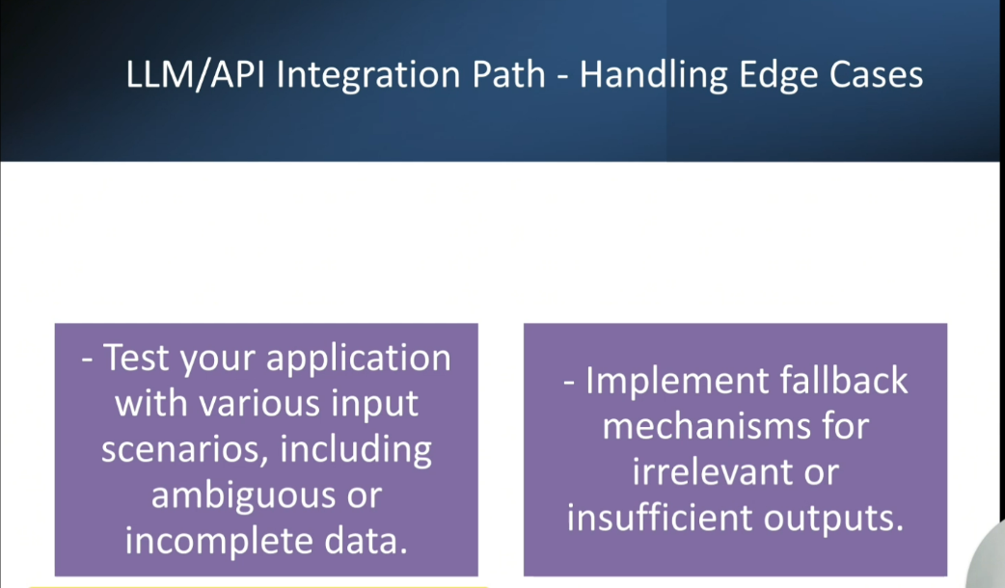

7. LLM/API Integration Path - Prompt Optimization

